2014
Product | Expenditure | Revenue | Profit
Board | 1442076 | 1604674 | 162598
Outdoor | 1219130 | 1324558 | 105428
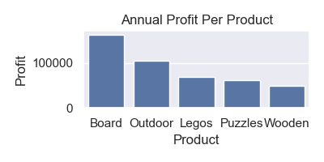
Legos | 491028 | 559236 | 68208
Puzzles | 676850 | 738422 | 61572
Wooden | 1022992 | 1072866 | 49874

