2014
Product | Expenditure | Revenue | Profit
Board | 1442076 | 1604674 | 162598
Legos | 1371630 | 1531116 | 159486
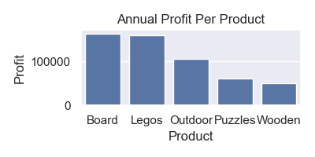
Outdoor | 1219130 | 1324558 | 105428
Puzzles | 676850 | 738422 | 61572
Wooden | 1022992 | 1072866 | 49874

