daily_schedule
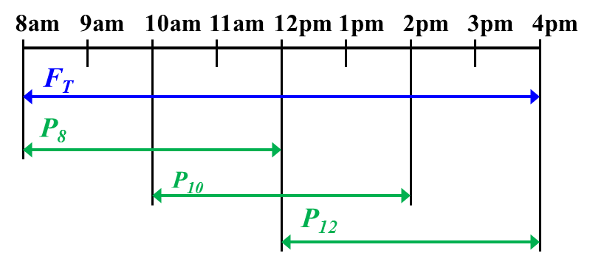
DAILY SCHEDULING

Decision Variables |  | Value | Cost, $
Number of full-time tellers, 8 am-4 pm | FT = | 0.00 | 256.0
Number of part-time tellers, 8 am | P8 = | 0.00 | 80.0
Number of part-time tellers, 10 am | P10 = | 0.00 | 80.0
Number of part-time tellers, 12 pm | P12 = | 0.00 | 80.0

Scheduling based on the model decisions
 | 8am | 9am | 10am | 11am | 12pm | 1pm | 2pm | 3pm | 4pm
Full-time tellers, 8 am-4 pm | 0.0 | 0.0 | 0.0 | 0.0 | 0.0 | 0.0 | 0.0 | 0.0
Part-time tellers, from 8 am | 0.0 | 0.0 | 0.0 | 0.0
Part-time tellers, from 10 am |  |  | 0.0 | 0.0 | 0.0 | 0.0
Part-time tellers, from 12 pm |  |  |  |  | 0.0 | 0.0 | 0.0 | 0.0

Objective
Minimize daily cost, $ |  | 0.00

Constraints | LHS |  | RHS
Tellers at 8-10 am | 0.0 | >= | 3
Tellers at 10 am - 12 pm | 0.0 | >= | 2
Tellers 12 - 2 pm | 0.0 | >= | 7
Tellers 2 - 4 pm | 0.0 | >= | 4
Full-time >= 50% total | 0.0 | >= | 0.0

weekly schedule
WEEKLY SCHEDULING

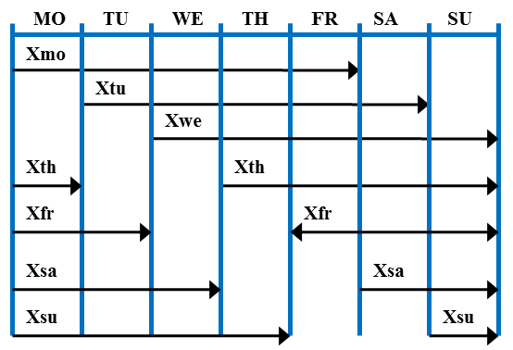
Decision variables: number of attendants starting their five-day shift on various days
Mon | 0
Tue | 2
Wed | 5
Thu | 0
Fri | 4
Sat | 0
Sun | 1

Result of decisions: number of employees working on various days (along top)
who started their shift on various days (along side)
 | Mon | Tue | Wed | Thu | Fri | Sat | Sun
Mon | 0 | 0 | 0 | 0 | 0
Tue |  | 2 | 2 | 2 | 2 | 2
Wed |  |  | 5 | 5 | 5 | 5 | 5
Thu | 0 |  |  | 0 | 0 | 0 | 0
Fri | 4 | 4 |  |  | 4 | 4 | 4
Sat | 0 | 0 | 0 |  |  | 0 | 0
Sun | 1 | 1 | 1 | 1 |  |  | 1

Objective to minimize
total number of attendants | 12

Constraints | LHS |  | RHS
Work on Monday | 5 | >= | 5
Work on Tuesday | 7 | >= | 6
Work on Wednesday | 8 | >= | 8
Work on Thursday | 8 | >= | 8
Work on Friday | 11 | >= | 10
Work on Saturday | 11 | >= | 10
Work on Sunday | 10 | >= | 10

These employee scheduling models can get really large really fast, depending on the number of time periods and the types of side constraints (such as the five-consecutive-day constraint).

