Part1_Charts
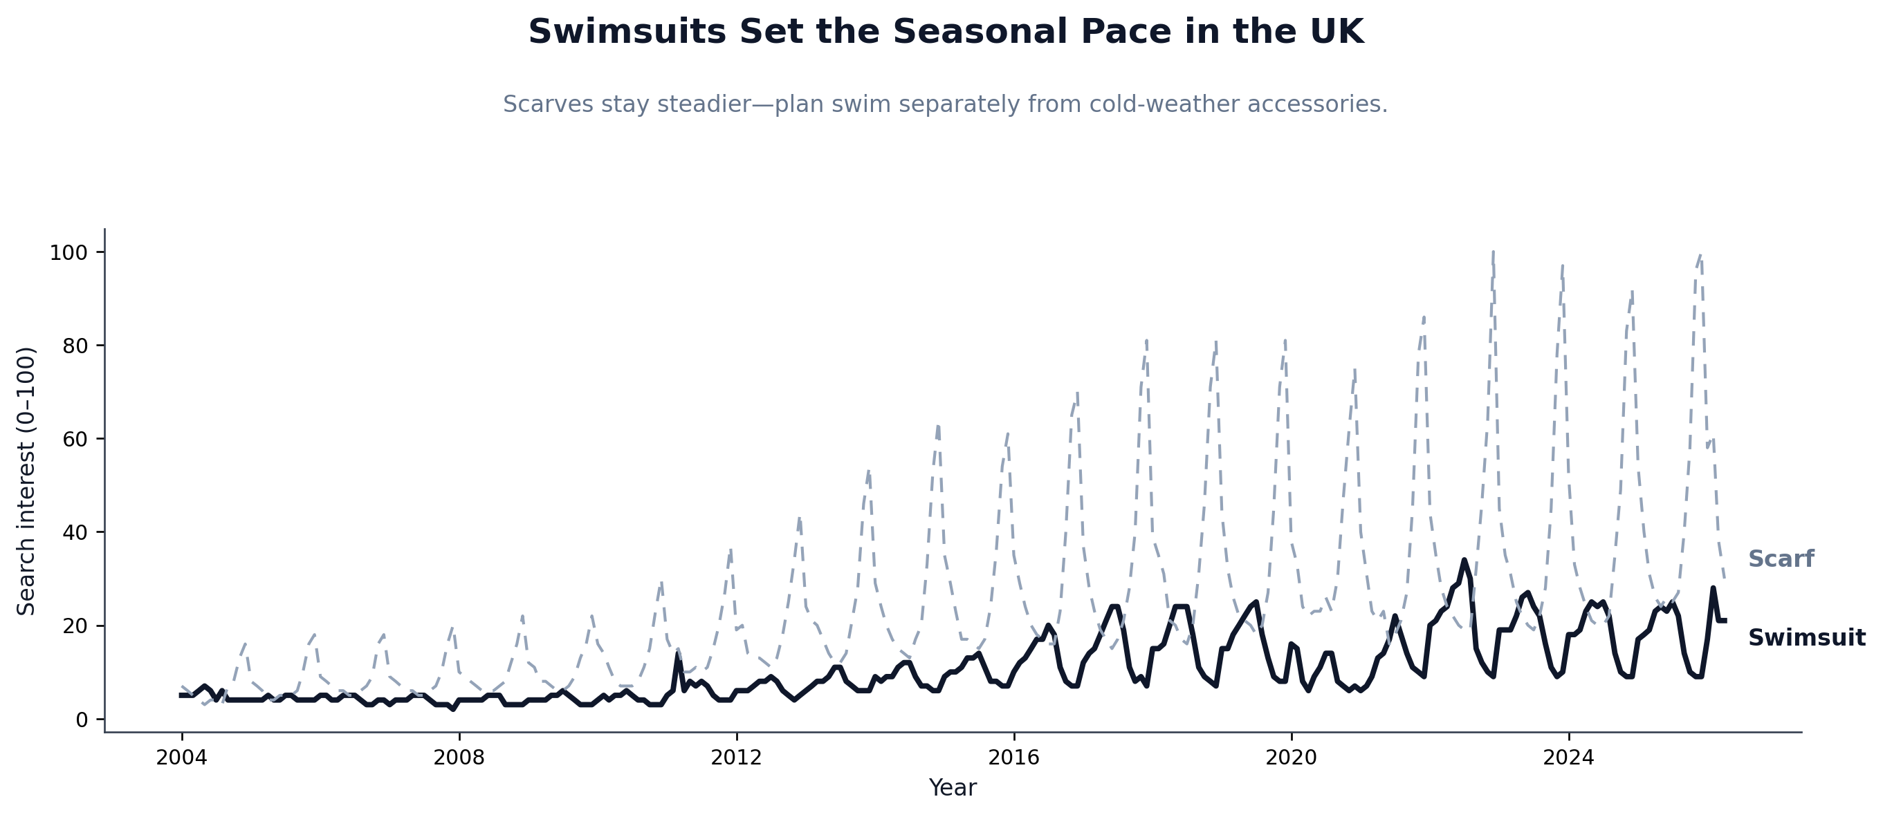
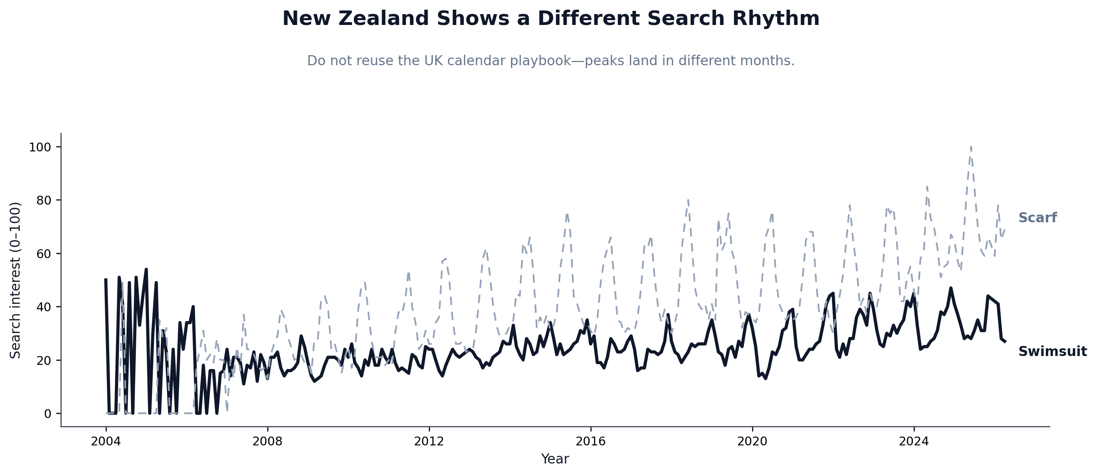
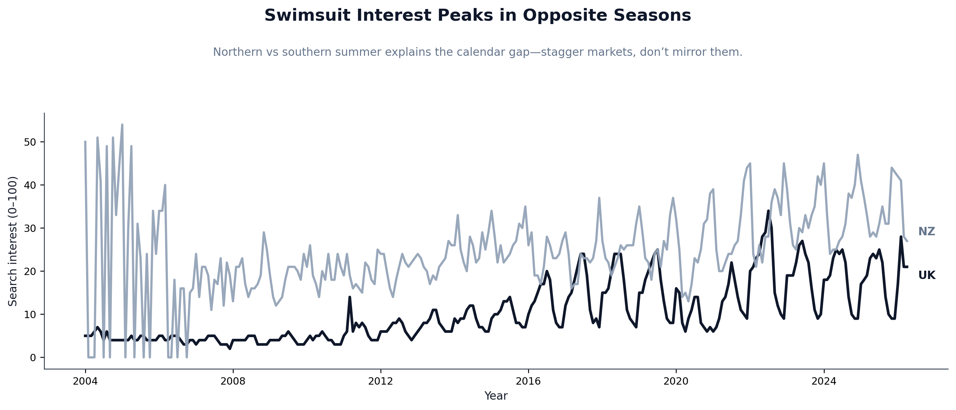
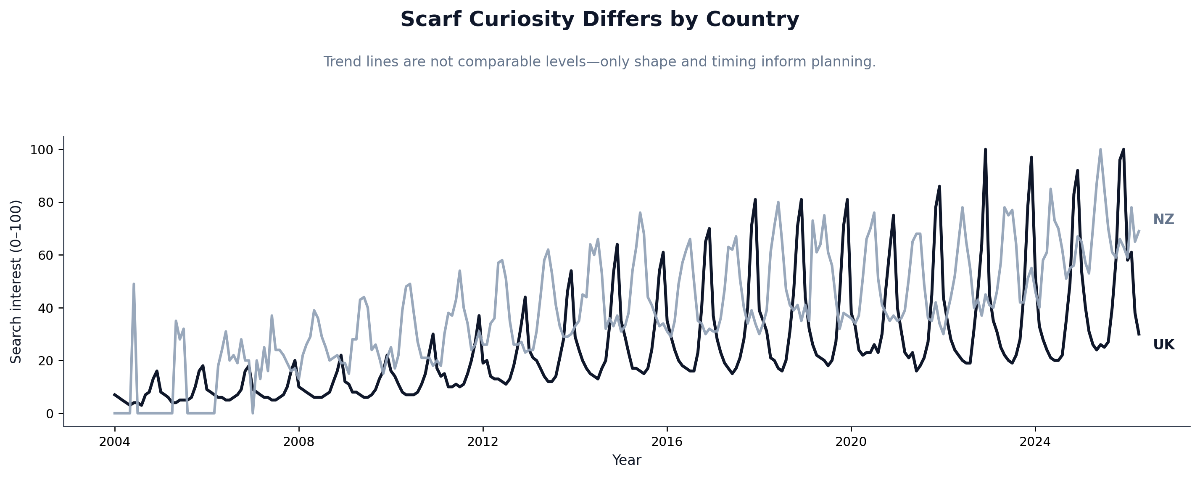
PNG file (under outputs/charts/) | Chart title (matches notebook) | Subtitle (matches notebook) | Caption
uk_swimsuit_scarf_seasonality.png | Scarves Set the Seasonal Pace in the UK | Swimsuits stay steadier—plan scarves separately from warm-weather swimwear. | UK monthly Google Trends (0–100), swimsuit vs scarf.
nz_swimsuit_scarf_seasonality.png | New Zealand Shows a Different Search Rhythm | Do not reuse the UK calendar playbook—peaks land in different months. | NZ monthly Google Trends (0–100), swimsuit vs scarf.
swimsuit_uk_vs_nz_hemisphere_shift.png | Swimsuit Interest Peaks in Opposite Seasons | Northern vs southern summer explains the calendar gap—stagger markets, don’t mirror them. | Same product (swimsuit), UK vs NZ timing.
scarf_uk_vs_nz_comparison.png | Scarf Curiosity Differs by Country | Trend lines are not comparable levels—only shape and timing inform planning. | Same product (scarf), UK vs NZ shape comparison.

Part2_Charts
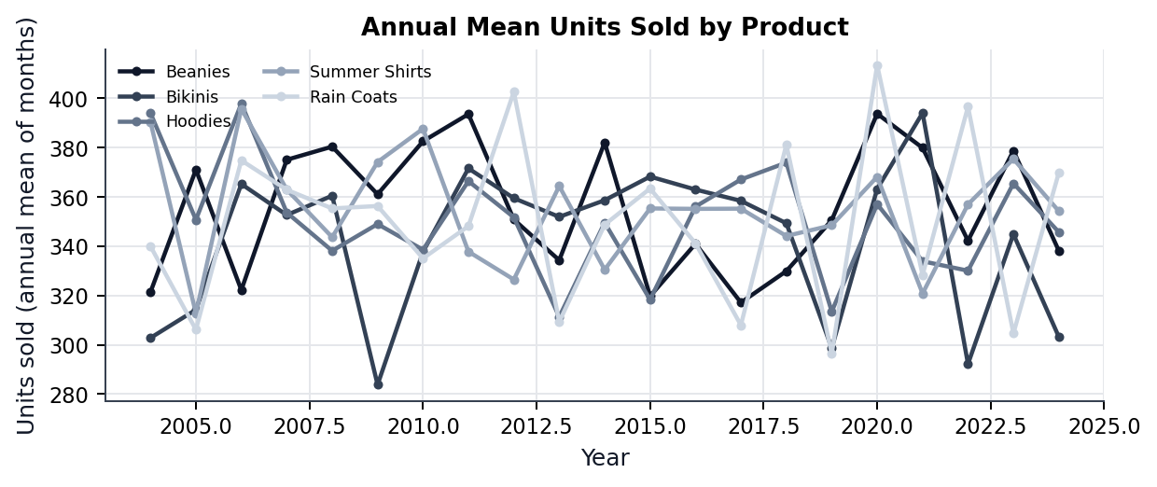
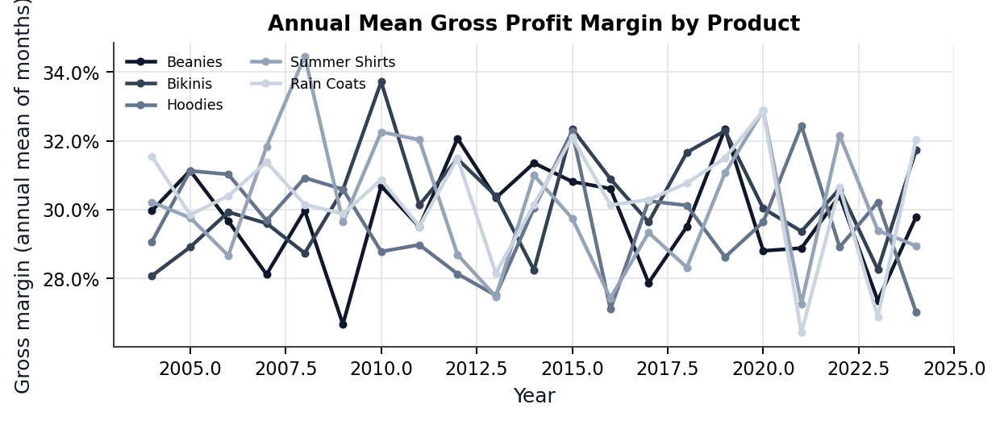
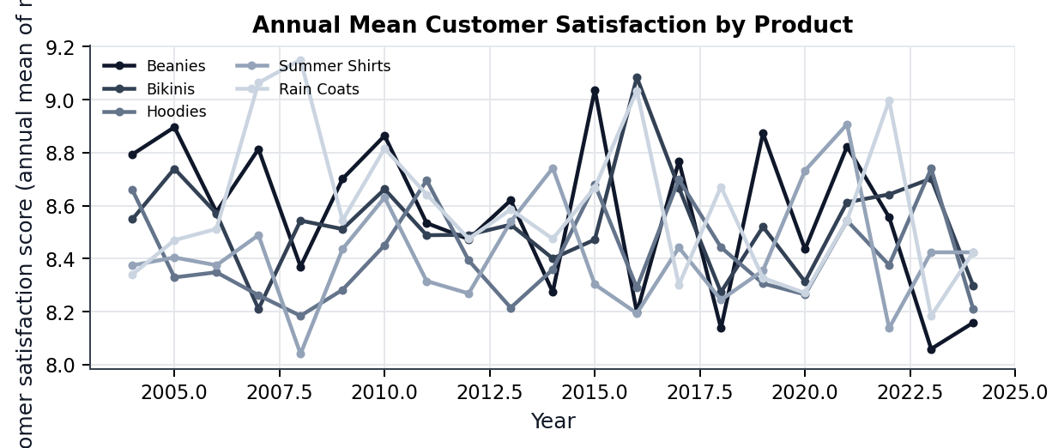
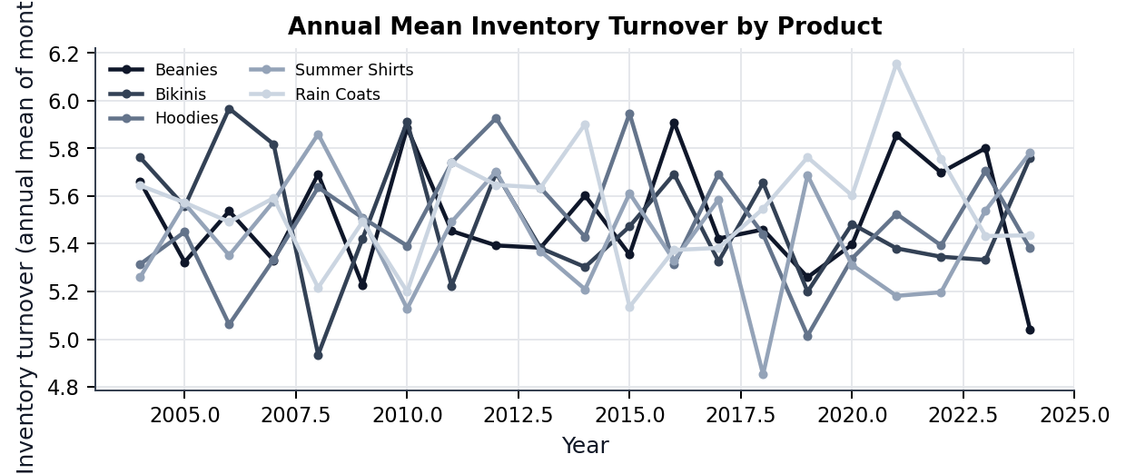
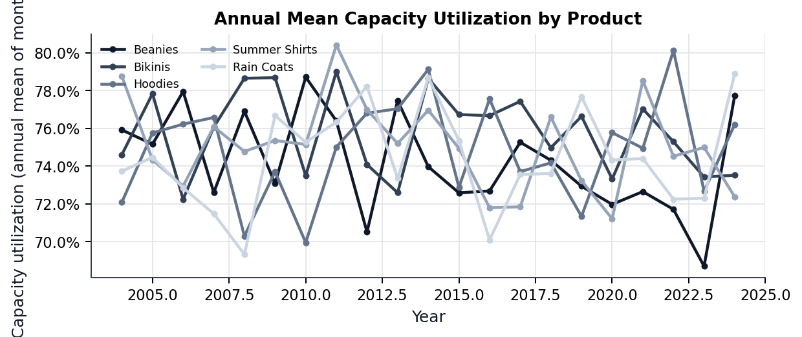
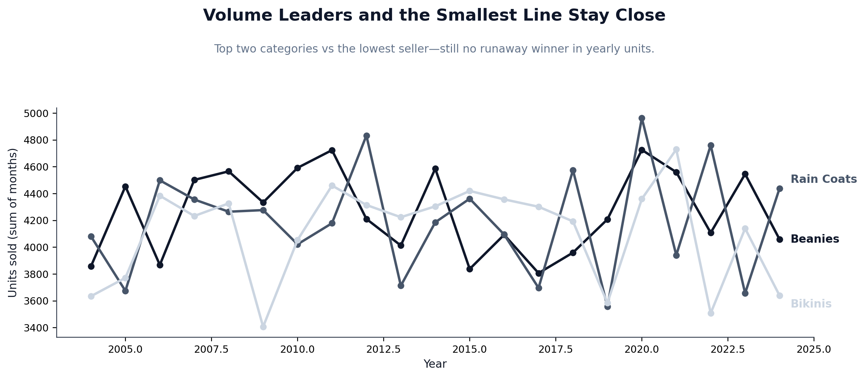
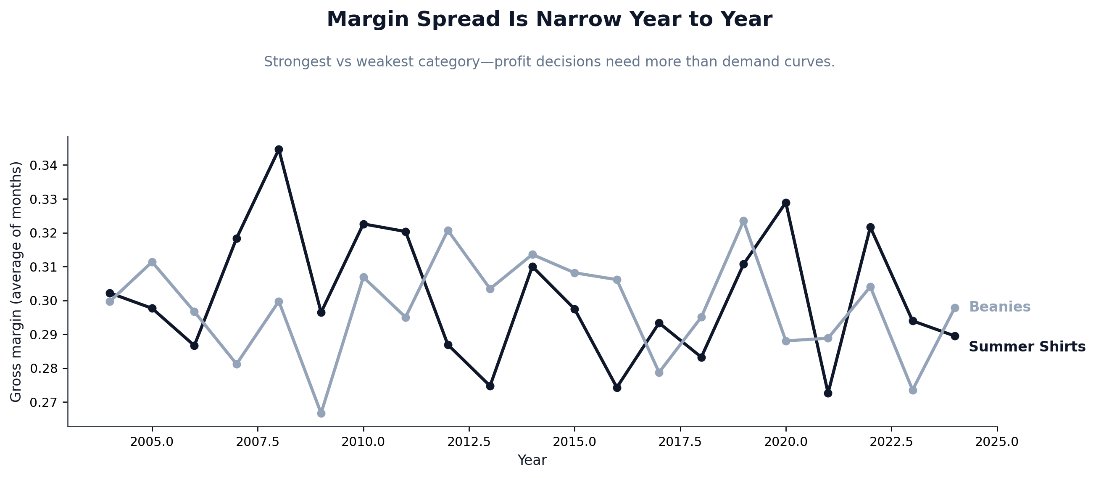
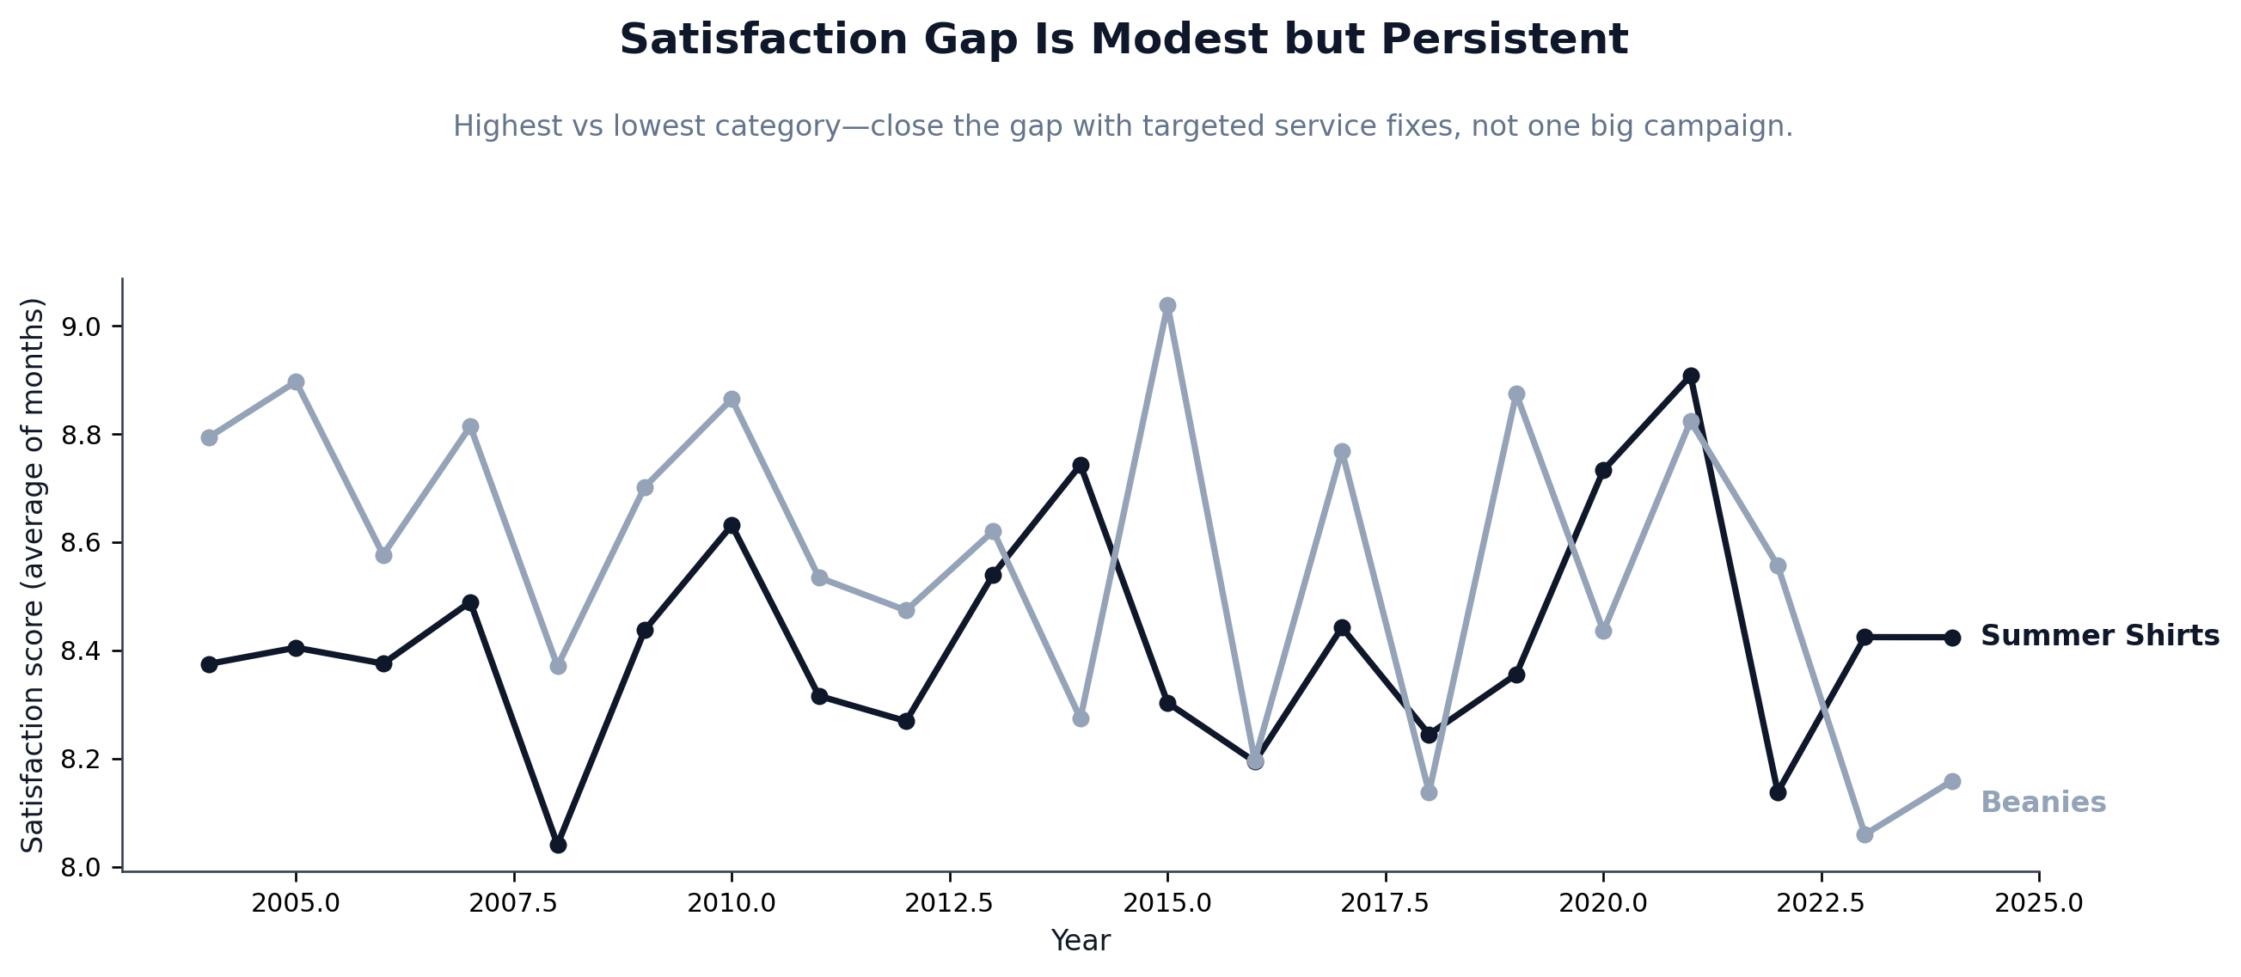
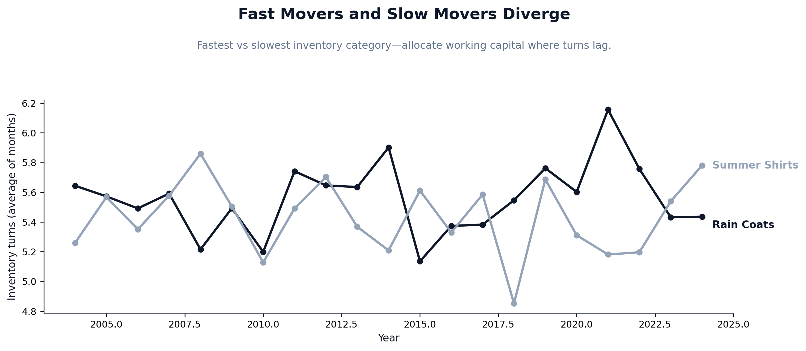
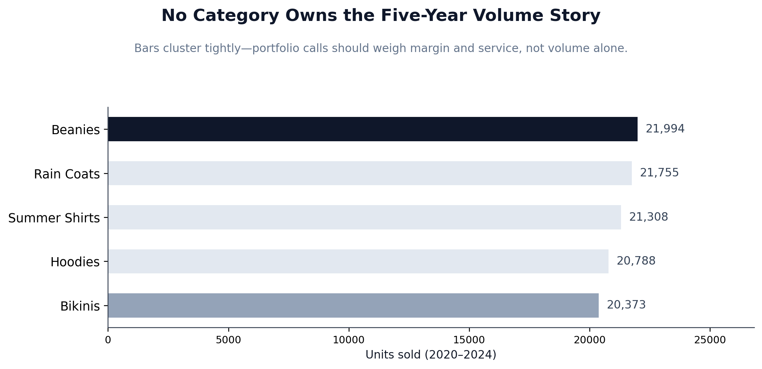
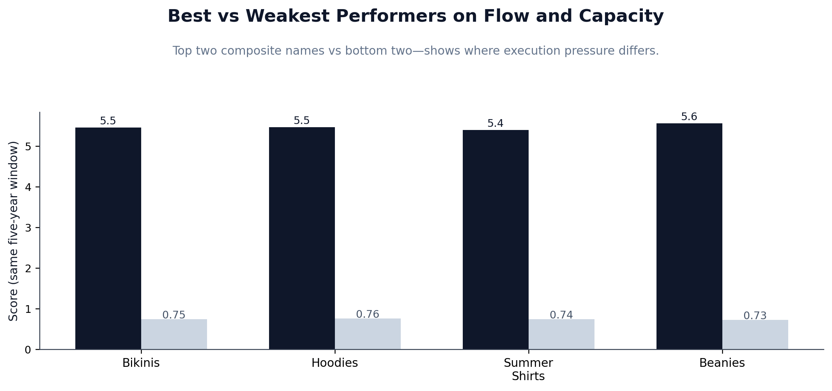
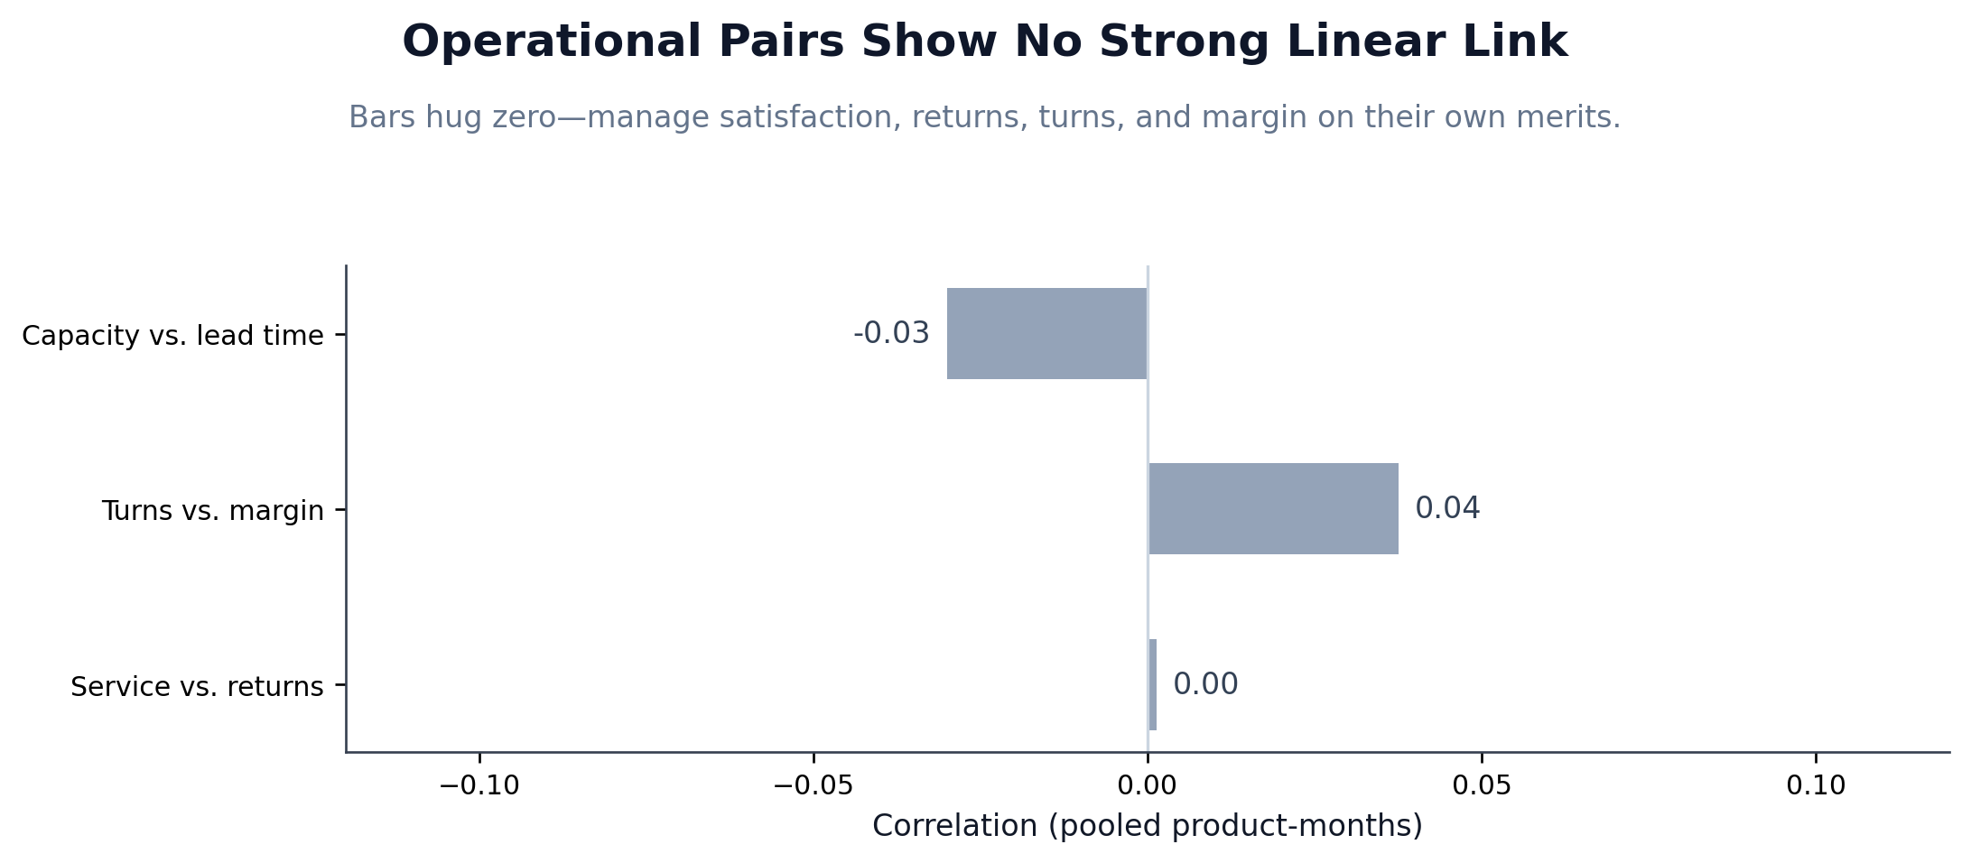
PNG file (under outputs/charts/) | Chart title (matches notebook) | Subtitle (matches notebook) | Caption
part2_trends_units.png | Annual Mean Units Sold by Product | 2004–2024 trend lines for all five categories. | Annual mean sold units by product across full period.
part2_trends_margin.png | Annual Mean Gross Profit Margin by Product | 2004–2024 trend lines for all five categories. | Annual mean gross margin by product across full period.
part2_trends_satisfaction.png | Annual Mean Customer Satisfaction by Product | 2004–2024 trend lines for all five categories. | Annual mean customer satisfaction by product across full period.
part2_trends_turnover.png | Annual Mean Inventory Turnover by Product | 2004–2024 trend lines for all five categories. | Annual mean inventory turnover by product across full period.
part2_trends_capacity.png | Annual Mean Capacity Utilization by Product | 2004–2024 trend lines for all five categories. | Annual mean capacity utilization by product across full period.
yearly_units_top_two_vs_bottom_one.png | Volume Leaders and the Smallest Line Stay Close | Top two categories vs the lowest seller—still no runaway winner in yearly units. | Annual sold units: top two vs lowest volume category 2020–2024 window logic in notebook.
yearly_margin_strongest_vs_weakest.png | Margin Spread Is Narrow Year to Year | Strongest vs weakest category—profit decisions need more than demand curves. | Annual mean gross margin: strongest vs weakest by 2020–2024 average.
yearly_satisfaction_highest_vs_lowest.png | Satisfaction Gap Is Modest but Persistent | Highest vs lowest category—close the gap with targeted service fixes, not one big campaign. | Annual mean satisfaction: highest vs lowest by 2020–2024 average.
yearly_turnover_fastest_vs_slowest.png | Fast Movers and Slow Movers Diverge | Fastest vs slowest inventory category—allocate working capital where turns lag. | Annual mean inventory turnover: fastest vs slowest by 2020–2024 average.
five_year_volume_no_single_leader.png | No Category Owns the Five-Year Volume Story | Bars cluster tightly—portfolio calls should weigh margin and service, not volume alone. | Total units 2020–2024 by category.
five_year_efficiency_composite_split.png | Best vs Weakest Performers on Flow and Capacity | Top two composite names vs bottom two—shows where execution pressure differs. | Turnover vs capacity: top two vs bottom two by composite average rank.
operational_metrics_correlation_summary.png | Operational Pairs Show No Strong Linear Link | Bars hug zero—manage satisfaction, returns, turns, and margin on their own merits. | Pooled correlations for three operational pairs.

