Data Completeness
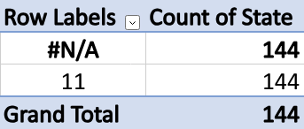
Data Completeness

 | Variable | State | Year
 | Missing values | each state should contain 144 counts for each year | each year should have 7344 counts.
 | Ways to resolve missing values | 1. one way to resolve this is by using frequency table for state (value) and year (column) . We can see obviously that there are some states in both a full name format and abbreviation format. Once I converted the abbreviation format, the frequency table showed me the exact counts 144 for each state. ( note: before we go through this way, we have to find a supplementary data to check out. ( see sheet 1) | 1. one way to resolve this issue is by using frequeny table for year column. We can see clearly that one year(20133) has only 17 counts which indicate an error. In this case, we can imputate that the correct year is 2013 not 20133. Once we did that, the problem was solved.
 |  | 2. another way is to do nothing and we can easily just shift to state code instead of state to conduct our analysis. | 2. another way is to do nothing. Because if we removed data of year, 20133, it might impact the data negatively.
 | Chosen method | I chose the first way. | I chose the first way.

Add your frequency table(s) here...

Example | Variable | State (column A)
 | Missing values | There are 144 counts for each year in each state
 | Ways to resolve missing values | 1) One way to resolve this is by doing nothing. We can shift our attention to State Code for the analysis and discard the State column.
 |  | 2) Another way to resolve this is by using the State Code to identify the State and change the #N/A values. The State Code here is 11.
 | Chosen method

