Cat 1
◆ SCOPE 3 Carbon Emissions – Cat 1. Purchased Goods and Services
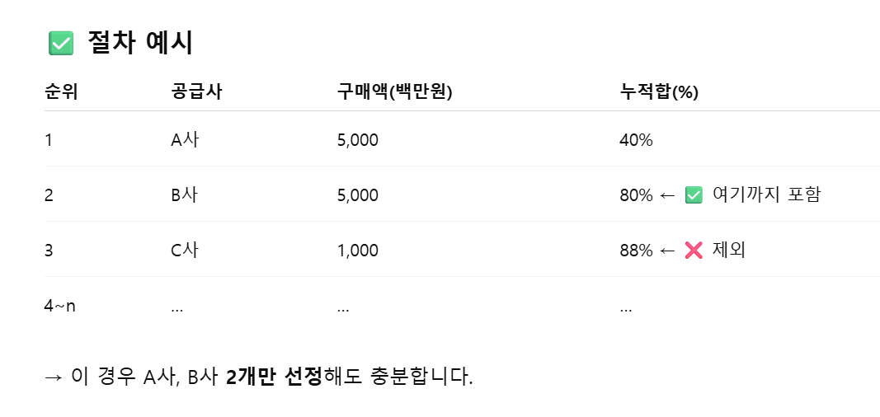
※ Collection period: 2025 Jan 1 – Dec 31 |  |  |  |  | ※ Scope 3 Cat 1 Total Emissions
※ Note: Enter annual total weight in kg only → Blue cells
Enter supplier names as shown in example

 |  |  |  | ▼ For subsidiaries using PIPE CNC M/C in MIP only – enter total purchased weight regardless of pipe processing type (1st bending / PI or FO process) |  |  |  |  | ▼
 |  | Purchased goods for direct manufacturing: Enter annual total purchased weight (kg) |  |  |  |  |  |  | Goods purchased from supply chain at part level (incl. SUB): Weight of purchases from top 80% suppliers by revenue (using steel sheet emission factor uniformly)
By subsidiary | Classification | Steel Sheet (kg) | Wire (kg) | Pipe (kg) | Copper (kg) | Anti-rust Materials (kg) | Acids (kg) [HCl, H2SO4, HNO3, etc.] | CO2 wire(kg) | Supply Chain A | Supply Chain B | Supply Chain C | Supply Chain D | Supply Chain E | Supply Chain F | Supply Chain G | Supply Chain H | Supply Chain I | Emissions (kgCO2eq) | Emissions (tCO2eq)
Emission Factor (Do Not Modify) |  | 2.80 kgCO2eq/kg | 2.40kgCO2eq/kg | 2.00kgCO2eq/kg | 3.90kgCO2eq/kg | 0.57kgCO2eq/kg | 0.34kgCO2eq/kg | 2.00kgCO2eq/kg | 2.80 kgCO2eq/kg | 2.80 kgCO2eq/kg | 2.80 kgCO2eq/kg | 2.80 kgCO2eq/kg | 2.80 kgCO2eq/kg | 2.80 kgCO2eq/kg | 2.80 kgCO2eq/kg | 2.80 kgCO2eq/kg | 2.80 kgCO2eq/kg
ex) | Supplier Name | POSCO + Hyundai Steel | Korea Wire Rod | Hyundai Steel | Punggang + Dongtan | A | B | Kiswel | Daechang Ind. | Sungil Enterprise | Logistics Center
 | Total Purchased Weight (kg) | 600,000 | 300,000 | 200,000 | 50,000 | 500 | 150 | 200 | 800,000 | 600,000 | 50,000
Dongtan | Supplier Name
 | Total Purchased Weight
Logistics Center | Supplier Name |  |  |  |  |  |  |  | Myungbo Co., Ltd. (Jeong Seon-yeong) | DEACHANG SEAT CO.,LTD-GYEONGJU | Dongkwang Spring (Lee Yong-un) | [Youngin] DAECHANG SEAT CO.,LTD-YOUNGIN | Daechang Industry Co., Ltd. (Hong Yeong-jun) | Bosch Electrical Co., Ltd. (FALLIANO ROLF FRANZ, Jo U-yeon) | Keyyang Electric Co., Ltd. (Im Yeong-hwan)
 | Total Purchased Weight |  |  |  |  |  |  |  | 2377908.582 | 2000595.72 | 4021003.21 | 1262851.49 | 3778527.6705 | 881787.08 | 1154708.618
Gyeongju | Supplier Name |  |  |  |  |  |  | Hyundai General Tools | Sungil Enterprise | Youngjin Enterprise | Daechang Ind. | Sejin Precision | Sunghyup Industry | DAS | Nara M&D
 | Total Purchased Weight |  |  |  |  |  |  | 75,890 | 10,569,005 | 4,524,922 | 5,354,446 | 4,036,326 | 2,520,627 | 2,362,992 | 2,124,020
Asan | Supplier Name |  |  |  |  | DH Oil |  | Hyundai General Tools | Joyang Industry | Gyeongin Industry | Hyundai Enterprise | Seokwang JM | Gwangmyeong Industry | Wonyoung Precision | Michang | DK Ostech | DSC Youngin
 | Total Purchased Weight |  |  |  |  | 260 |  | 67,100 | 128,966 | 788,543 | 3,724,367 | 3,185,098 | 2,394,358 | 1,265,199 | 1,111,500 | 939,648 | 872,257
Gwangju | Supplier Name |  |  |  |  | Hyundai General Tools |  | Hyundai General Tools | Michang | Venture | Hyundai Spring | M-Hitech | Enter Industry | Osung Electrical | Nara M&D | Hyundai Enterprise | Sesin
 | Total Purchased Weight |  |  |  |  | 510 |  | 100,200 | 1,778,305 | 1,168,221 | 1,117,534 | 876,680 | 713,081 | 576,100 | 495,118 | 230,256 | 120,000
Youngin | Supplier Name | DSC Asan, Gukbo Steel | Gyeongin Industry, Joyang Industry | Joyang Industry |  |  |  | Hyundai General Tools | Seokwang JM | Hyundai Enterprise | Wonyoung Precision | Daehan | Jangwon Metal | YS Tech | Taesung Electrical
 | Total Purchased Weight | 90,781 | 692,712 | 51,884 |  |  |  | 51,300 | 895,065 | 534,886 | 410,546 | 407,195 | 209,665 | 65,592 | 49,910
Beijing | Supplier Name | Jori | Huawei, Huage | Huawei, Huage, Huayi, Sungkwang |  | Longwantun | Baihua Ganghua | Xinfangsheng | DAS | Adient | Mobis | Keyyang | Jiu | Huayi | Huage | Focus | Huawei
 | Total Purchased Weight | 1856158 | 882000 | 444094 |  | 75 | 6 | 50200 | 291939.0031 | 126832.73555 | 97124.824366 | 25370.779646 | 811670.87302 | 222661.31722 | 662708.83522 | 146982.48389 | 161823.08278
Yancheng | Supplier Name |  | 九洲+恒明+张弛 | 九洲+双菊+韩景 |  |  |  | 盐城恒荣 | 盐城九洲 | 盐城双菊 | 盐城恒明 | 盐城韩景 | 盐城张弛
 | Total Purchased Weight |  | 763776.925 | 915918.7269 |  |  |  | 57540 | 894855.149 | 252771.5639 | 376207.854 | 53159.483 | 55582.738
Mannur | Supplier Name | Hyundai+HTL+MOBIS+Aditya+DAS+DSA+DAGA+INTERNATIONAL+KM SEAT+KPRL+Ranka+REXAN+STEEL+TI |  | HSPI+Automotive Tube+International Tube+KPR | Metal One
 | Total Purchased Weight | 10495631 |  | 3552674.74 | 26357.415
Orgadam | Supplier Name | MOBIS INDIA LTD (SUP)+KPR TUBES LLP+Hyundai Steel India Pvt Ltd+Daechang India Seat Co Pvt Ltd Plant I+REXAN STEEL TUBES+Tube Investments of India Ltd | GLOBAL FE.C FASTENERS+GRAND ENTERPRISES | KPR TUBES LLP+Hyundai Steel Pipe India Private Limited+Automotive Tubes and Metals+Daechang India Seat Co Pvt Ltd Plant I+International Tubes India Pvt Ltd | ARIHANTA METAL COMPANY
 | Total Purchased Weight | 5012651.54 | 928817 | 5246260.6823 | 25534.95
Bangalore | Supplier Name | Hyundai steel + market | General Wire Industries | Hyundai Steel + International Tubes |  |  |  | pinacle electrode
 | Total Purchased Weight | 9491410 | 1010034 | 4019585 |  | 0 | 0 | 279275
Pune | Supplier Name
 | Total Purchased Weight
Trzyniec | Supplier Name
 | Total Purchased Weight
Žilina | Supplier Name
 | Total Purchased Weight
Bystřice | Supplier Name |  |  |  |  |  |  |  | KMJ
 | Total Purchased Weight | 15380357 |  |  |  |  |  | 79500 | 1220688.049
Lipovice | Supplier Name | POSCO + Hyundai Steel
 | Total Purchased Weight | 3848857
Mikulov | Supplier Name | Erlingklinger |  |  | Magna
 | Total Purchased Weight | 52748.367 |  |  | 1209476.687
İzmit | Supplier Name
 | Total Purchased Weight
Bekasi | Supplier Name | PT.POSCO | PT MEGA PRATAMA FERINDO | PT INDONESIA STEEL TUBE WORKS |  | PT SKYLINE GROUP |  | PT AIR LIQUIDE | Daechang Seat CO,LTD-Dongtan | HYUNDAI TRANSYS INC | PT DAE BAEK | PT. TRI CENTRUM FORTUNA | PT WOO IN | PT. SEOUL PRESS INDONESIA | PT INDONESIA STEEL TUBE WORKS
 | Total Purchased Weight | 645802 | 121994 | 384573.88332 |  | 1800 |  | 63677.50068 | 700401 | 121400 | 475960.6752 | 373207.4534 | 224159.592 | 127269.1355 | 384573.88332
Indiana | Supplier Name |  | Dongkwang Spring USA | TROXLE + Hyundai Steel |  |  |  | Kiswel | Logistics Center | TOYOTA BOSHOKU | DAS | Hyundai Transys | IB TECH
 | Total Purchased Weight |  | 563240.57122 | 553743.0308 |  |  |  | 54885 | 3108359.9713 | 1409006.37 | 319675.548 | 27760.8886 | 97012.5
Alabama | Supplier Name |  |  |  |  |  |  | Kiswel (KISWELL) | DSC Logistics Center | UDAS
 | Total Purchased Weight |  |  |  |  |  |  | 70452 | 8108898.0775 | 2766979.28
Savannah | Supplier Name
 | Total Purchased Weight
Total

Cat 3
◆ SCOPE 3 Carbon Emissions – Cat 3. Fuel and Energy-Related Activities [Strategy & Planning Team to complete collectively]

※ Collection period: 2025 Jan 1 – Dec 31 |  |  |  |  |  |  |  | ※ Scope 3 Cat 3 Total Emissions
※ Note: Enter 2025 aggregated values in kg → Blue cells

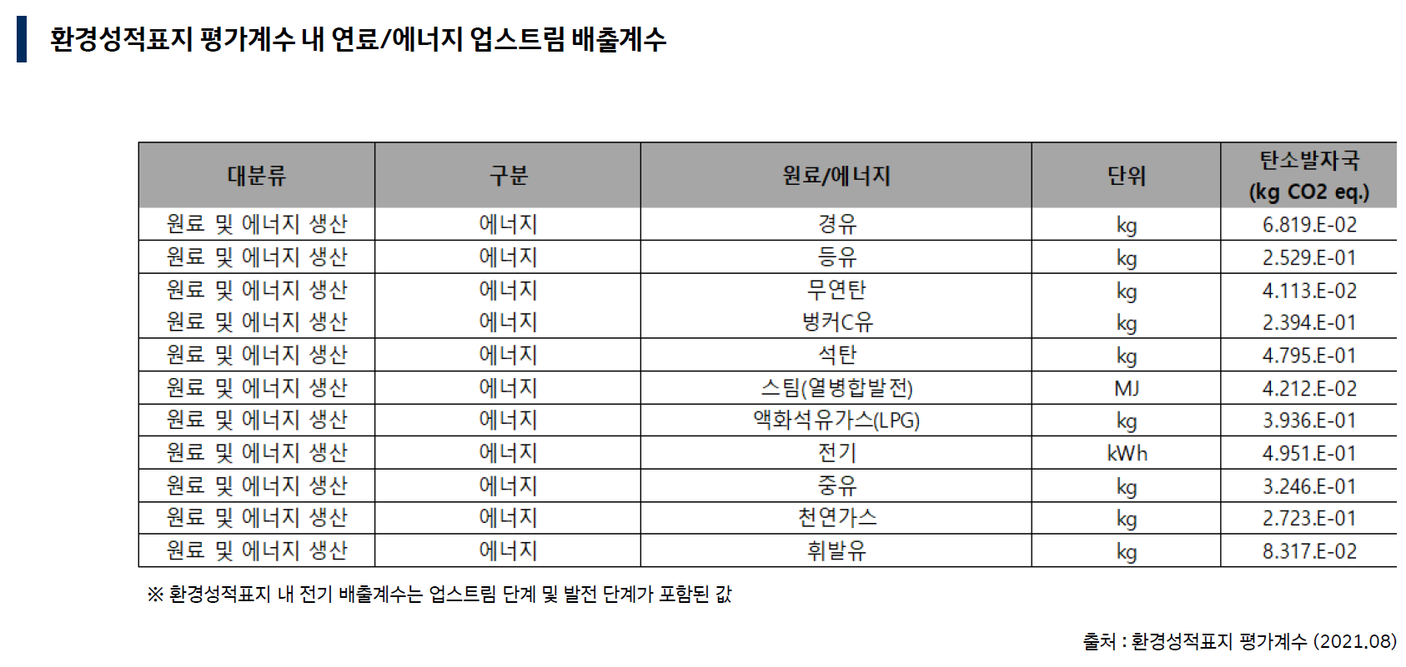
By subsidiary | Classification | Electricity | Diesel | Kerosene | Gasoline | Steam | LPG | Natural Gas | Welding CO2 Gas | Emissions (tCO2eq)
Emission Factor (Do Not Modify) |  | 0.50 kgCO2eq/kWh | 0.07 kgCO2eq/L | 0.25 kgCO2eq/L | 0.08 kgCO2eq/L | 0.04 kgCO2eq/kg | 0.39 kgCO2eq/kg | 0.27 kgCO2eq/Nm3 | 0.13 kgCO2eq/kg
Dongtan | FY'24 Total Consumption | 1363334 | 2245.709 |  | 8721.431 |  | 160 | 4626.836 | 902.764
Logistics Center | FY'24 Total Consumption | 210557 | 5827.492 | 1351.784 | 964.877
Gyeongju | FY'24 Total Consumption | 8639651 | 6336.122 |  | 3628.68 |  | 3682 | 115290.624 | 37732.8
Asan | FY'24 Total Consumption | 3972589 | 12024.745 | 12744.93 | 1558.647 |  | 1579 |  | 236557
Gwangju | FY'24 Total Consumption | 2151838 | 3468.7 |  | 1892.643 |  | 3326.569 |  | 72038.772
Youngin | FY'24 Total Consumption | 2042003 | 815.648 |  |  |  | 817.534 |  | 399819
Beijing | FY'24 Total Consumption | 2761320 |  |  | 6597.673 |  |  |  | 209080
Yancheng | FY'24 Total Consumption | 1228329 | 41562.872 |  | 7131.818 |  |  |  | 248835
Mannur | FY'24 Total Consumption | 5084790 | 78750.834 |  |  |  |  |  | 652627
Orgadam | FY'24 Total Consumption | 3274535 | 33420.658 |  |  |  |  |  | 471060
Bangalore | FY'24 Total Consumption | 4268690 | 45561.24 |  |  |  |  |  | 696020
Pune | FY'24 Total Consumption | 1393277 | 27505.871 |  |  |  |  |  | 648060
Trzyniec | FY'24 Total Consumption | 2823083 | 3048.541 |  | 11632.104 | 3214000 |  |  | 45194
Žilina | FY'24 Total Consumption | 2797775.28 | 4960.111 |  | 5542.758 |  |  | 62892.15 | 29060
Bystřice | FY'24 Total Consumption | 4212730 | 4458.475 |  | 3133.379 |  | 8822 | 15498.547 | 11880.346
Lipovice | FY'24 Total Consumption | 609686 | 3794.069 |  |  |  | 25780.637 |  | 1.579
Mikulov | FY'24 Total Consumption | 121271.2 | 2334.084 |  | 8013.036 |  |  | 6050.819
İzmit | FY'24 Total Consumption | 1699344.11 | 8361.84 |  | 4783.162 |  |  | 53790.296 | 41192.315
Bekasi | FY'24 Total Consumption | 1109849.7 | 1769.23 |  | 2372.376 |  |  |  | 63677.501
Indiana | FY'24 Total Consumption | 1841025 |  |  | 8798.918 |  |  | 153587.57 | 70110.355
Alabama | FY'24 Total Consumption | 3978605 |  |  | 33726.512 |  | 7723.765 | 70270.882 | 155867.365
Savannah | FY'24 Total Consumption | 847200 |  |  | 13071.461 |  |  | 2925.064 | 11692.189
Total

Calculation Reference Notes
