Sheet1
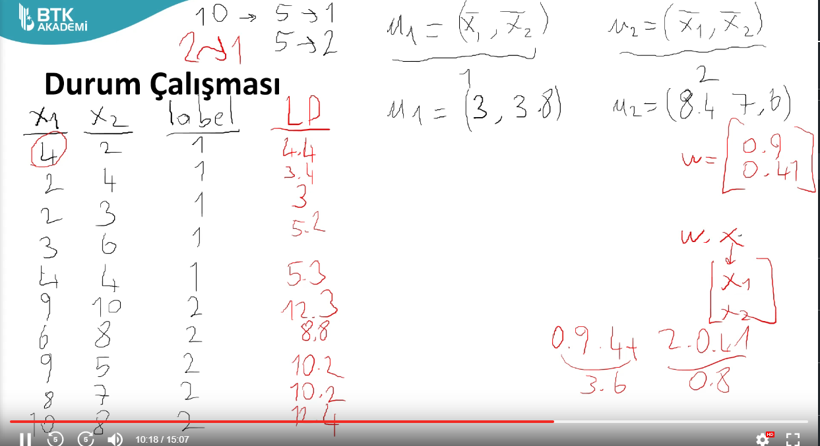
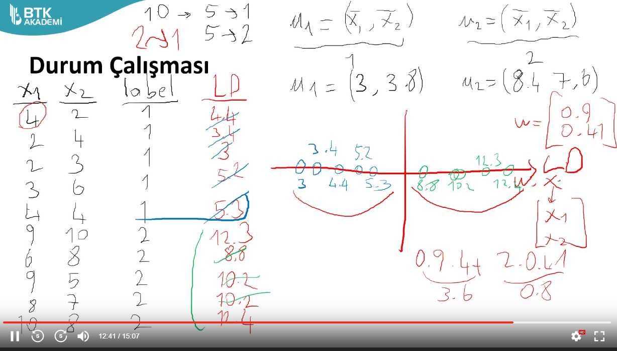
x1 | x2 | label
4 | 2 | 1
2 | 4 | 1
2 | 3 | 1
3 | 6 | 1
4 | 4 | 1
9 | 10 | 2
6 | 8 | 2
9 | 5 | 2
8 | 7 | 2
10 | 8 | 2

