kickstarter
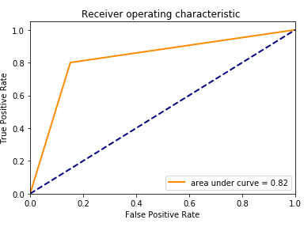
 |  |  |  |  | TEST SET ROC : 0.817
Fg1 | Train Set Confusion Matrix

 |  | Predicted Negative | Predicted Positive
 | Actual Negative | 8285 | 1549
 | Actual Positive | 2642 | 11524
 | Train Set Accuracy : 82.5%

 | Test Set Confusion Matrix

 |  | Predicted Negative | Predicted Positive
 | Actual Negative | 2098 | 375
 | Actual Positive | 704 | 2823
 | Test Set Error : 82 %

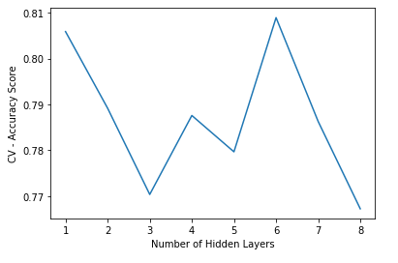
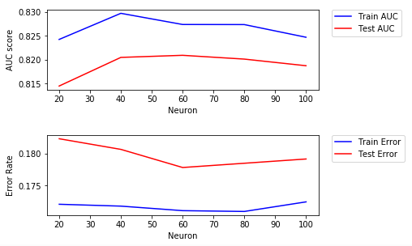

Fg2

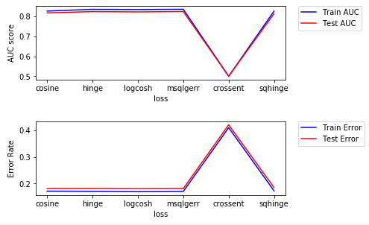
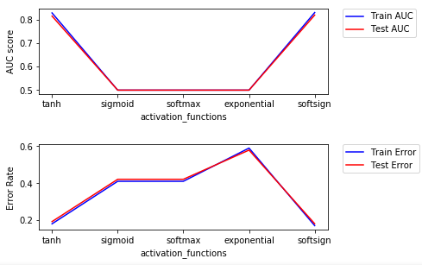

Fg3

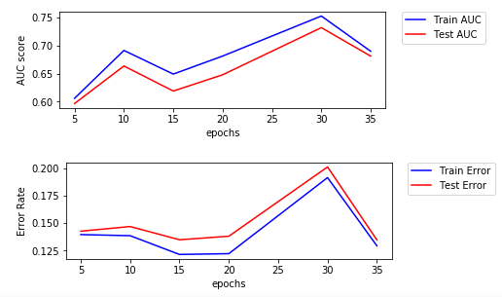
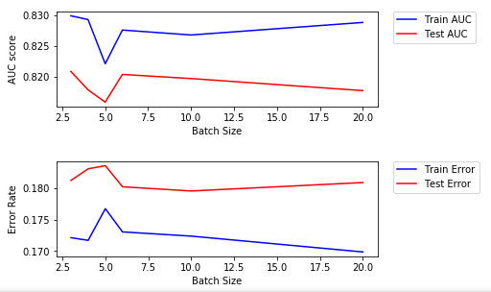
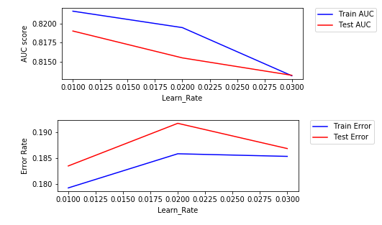

Fg4

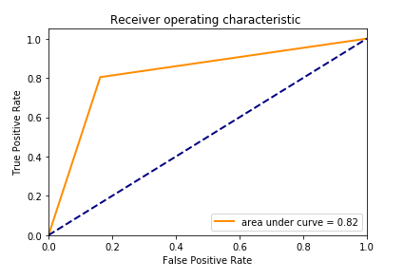
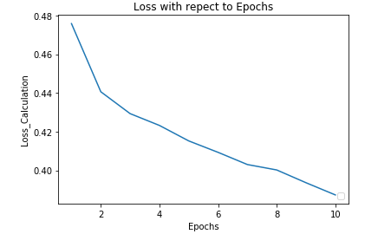
 |  |  |  |  | TEST SET ROC = 0.822
 | Train Set Confusion Matrix
Fg5
 |  | Predicted Negative | Predicted Positive
 | Actual Negative | 8199 | 1667
 | Actual Positive | 2586 | 11548
 | Train Set Accuracy : 82.7%

 | Test Set Confusion Matrix

 |  | Predicted Negative | Predicted Positive
 | Actual Negative | 2037 | 395
 | Actual Positive | 699 | 2869
 | Test Set Error : 82.0 %

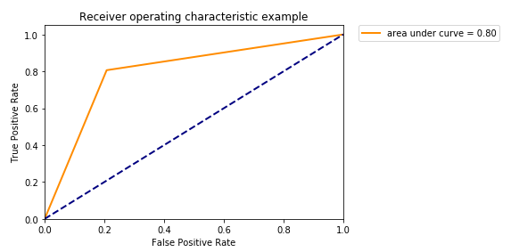
 |  |  |  | AUC = 0.8
Fg6 | Train Set Confusion Matrix

 |  | Predicted Negative | Predicted Positive
 | Actual Negative | 8445 | 144
 | Actual Positive | 1902 | 12232
 | Train Set Accuracy : 86.1%

 | Test Set Confusion Matrix

 |  | Predicted Negative | Predicted Positive
 | Actual Negative | 1927 | 505
 | Actual Positive | 691 | 2877
 | Test Set Error : 79.9 %

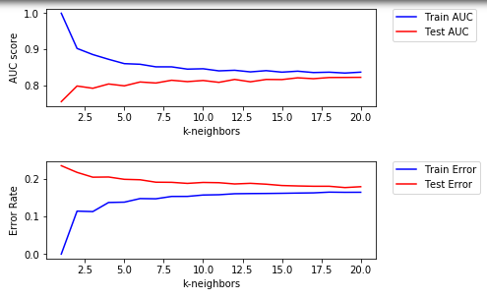
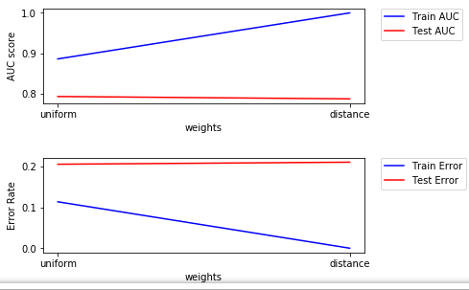
Fg7

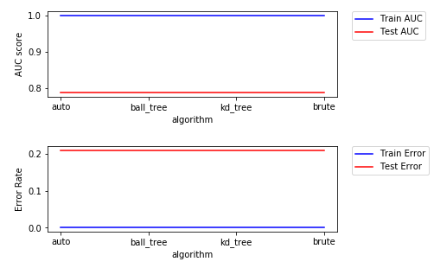
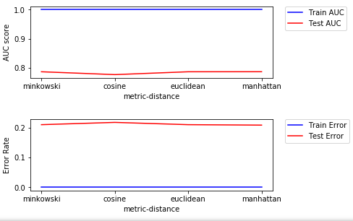

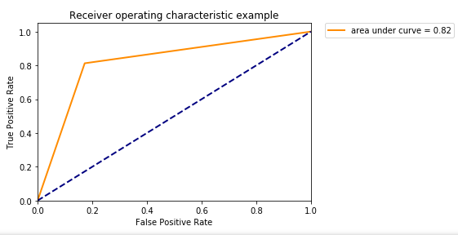
 |  |  | AUC = 0.82
Fg8
Train Set Confusion Matrix

 | Predicted Negative | Predicted Positive
Actual Negative | 8348 | 1518
Actual Positive | 2396 | 11739
Train Set Accuracy : 83.6%

Test Set Confusion Matrix

 | Predicted Negative | Predicted Positive
Actual Negative | 2013 | 419
Actual Positive | 669 | 2899
Test Set Error : 82.01 %

energy_appliance_consumption
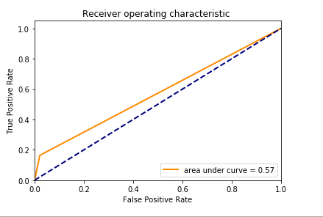
Fg9
 |  |  |  |  |  | AUC = 0.57
 |  | Train Set Confusion Matrix

 |  |  | Predicted Negative | Predicted Positive
 |  | Actual Negative | 11494 | 228
 |  | Actual Positive | 1729 | 363
 |  | Train Set Accuracy : 82.8%

 |  | Test Set Confusion Matrix

 |  |  | Predicted Negative | Predicted Positive
 |  | Actual Negative | 4912 | 106
 |  | Actual Positive | 755 | 146
 |  | Test Set Error : 82.4 %

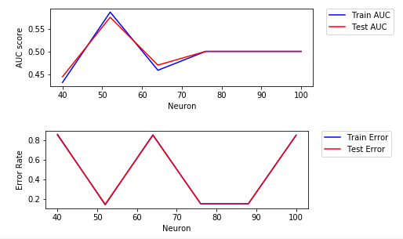
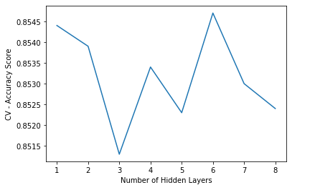
Fg10

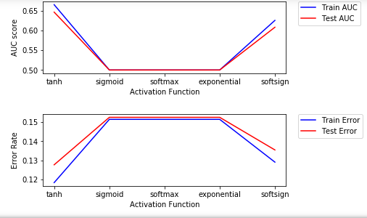

F11

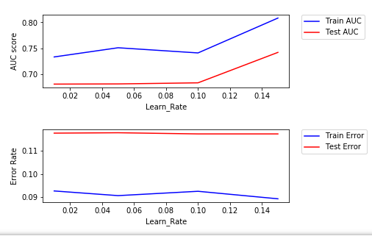
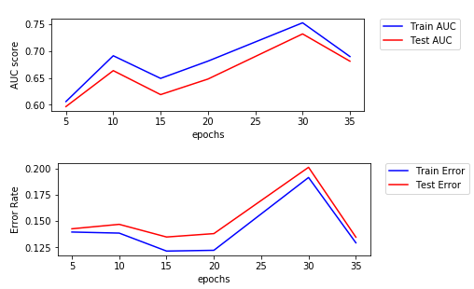
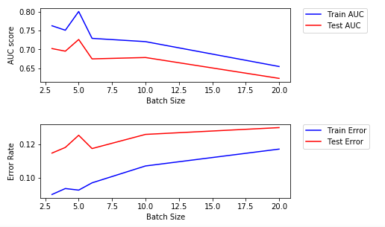
F12

F13 |  | Train Set Confusion Matrix
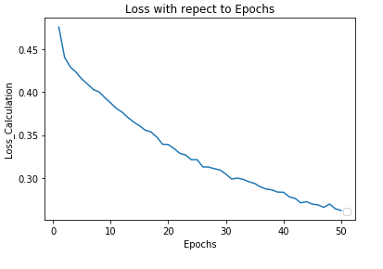
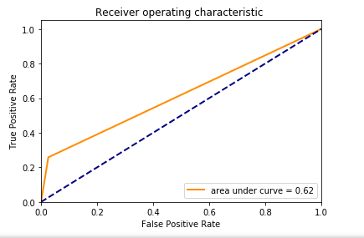
 |  |  | Predicted Negative | Predicted Positive
 |  | Actual Negative | 11494 | 228
 |  | Actual Positive | 1729 | 363
 |  | Train Set Accuracy : 82.8%

 |  | Test Set Confusion Matrix

 |  |  | Predicted Negative | Predicted Positive
 |  | Actual Negative | 4912 | 106
 |  | Actual Positive | 755 | 146
 |  | Test Set Error : 82.4 %

F14

 |  |  |  |  | AUC = 0.715
 |  | Train Set Confusion Matrix
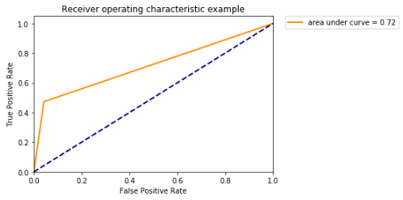
 |  |  | Predicted Negative | Predicted Positive
 |  | Actual Negative | 11494 | 228
 |  | Actual Positive | 1729 | 363
 |  | Train Set Accuracy : 82.8%

 |  | Test Set Confusion Matrix

 |  |  | Predicted Negative | Predicted Positive
 |  | Actual Negative | 4912 | 106
 |  | Actual Positive | 755 | 146
 |  | Test Set Error : 82.4 %

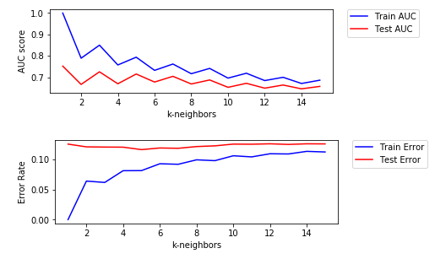
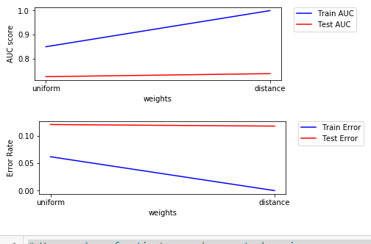
F15

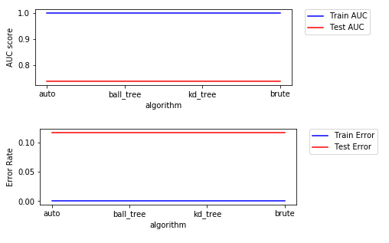
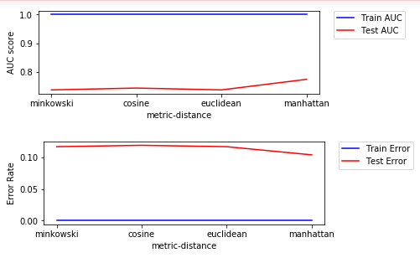

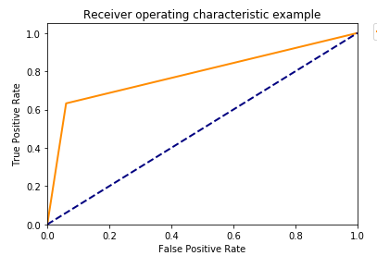
 |  |  |  | AUC = 0.715
F16 | Train Set Confusion Matrix

 |  | Predicted Negative | Predicted Positive
 | Actual Negative | 11122 | 0
 | Actual Positive | 0 | 2092
 | Train Set Accuracy : 82.8%

 | Test Set Confusion Matrix

 |  | Predicted Negative | Predicted Positive
 | Actual Negative | 4714 | 304
 | Actual Positive | 332 | 571
 | Test Set Error : 82.4 %

