charts_applainces
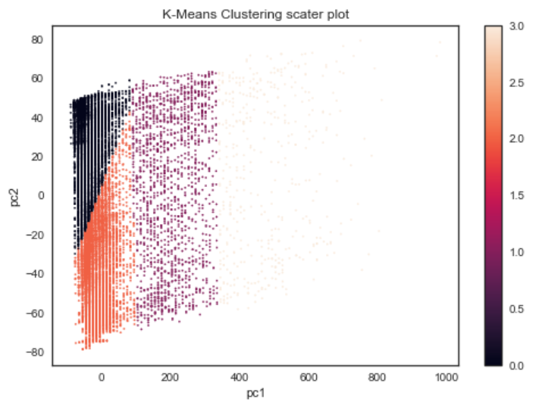
Kmeans- Rudimentary |  |  |  | Fg1 |  |  |  |  | Fg2 |  |  |  |  | Fg3 |  |  |  |  | Fg4 |  |  | Fg5 | Fg6
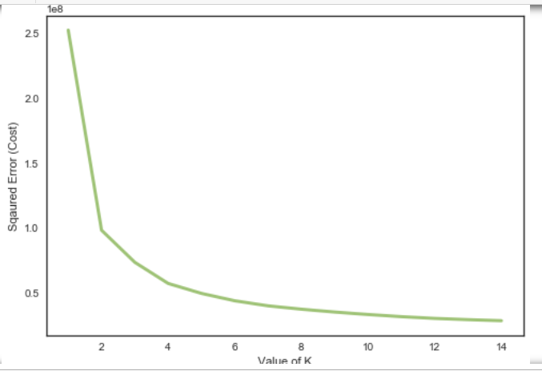
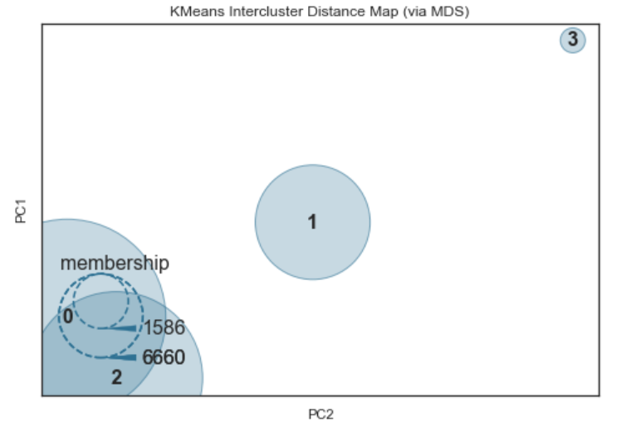
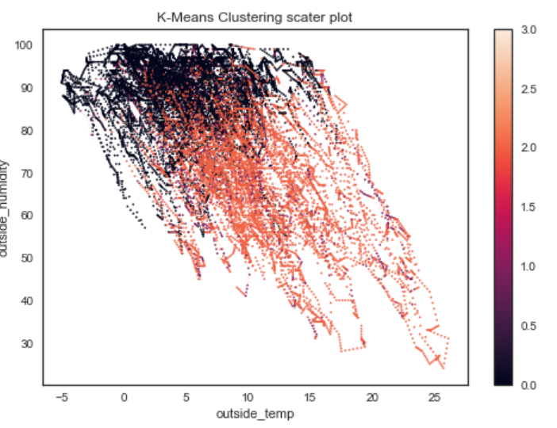

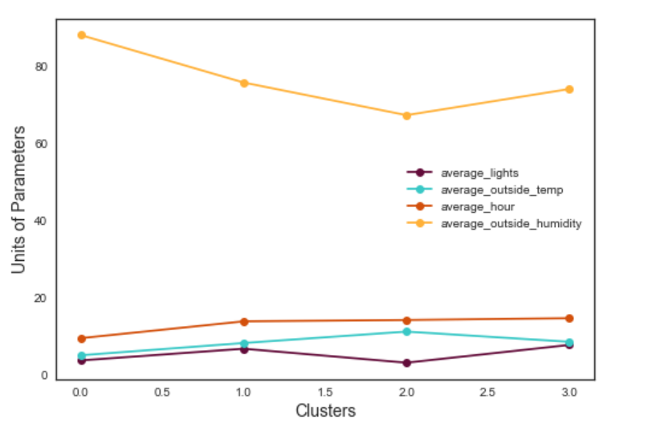
 |  |  | Elbow method for optimal K |  |  |  |  |  |  |  |  |  |  |  |  |  |  |  |  |  |  | Cluster Size Distribution | Independent Variables Mean Values Across Clusters
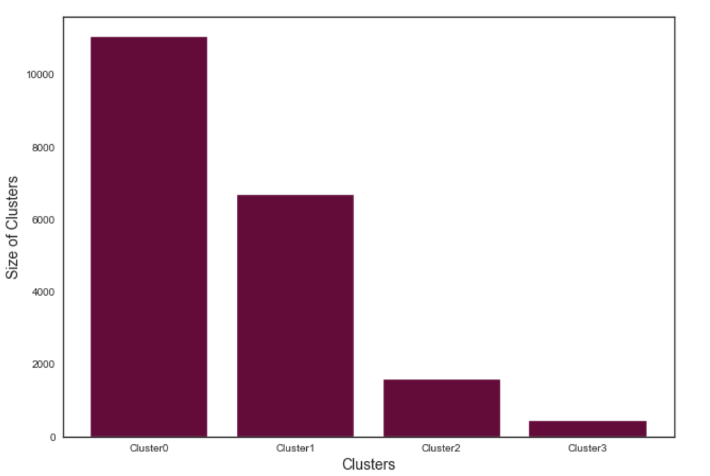

 | Average Inter Cluster Distance | DV_Score | Cluster Size Std
 | 300.81529595 | 1.059 | 4889.95

 | GMM

 | Average Inter Cluster Distance | DV_Score | Cluster Size Std
 | 190.64 | 4.453 | 4639.36 |  | Fg7 |  |  | Fg8 |  |  |  |  | Fg9 |  |  |  | Fg10
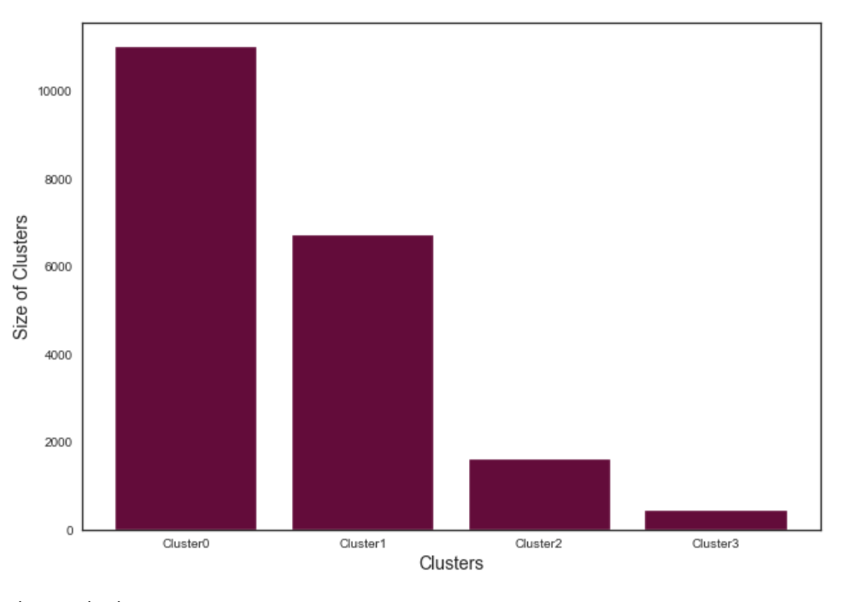
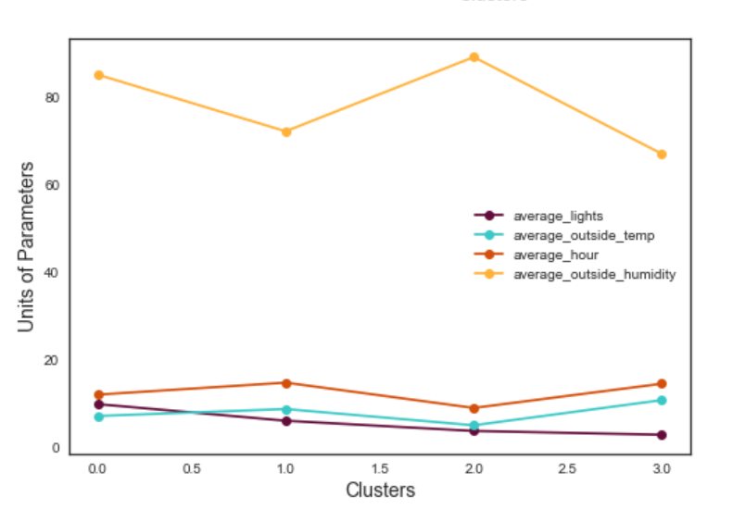
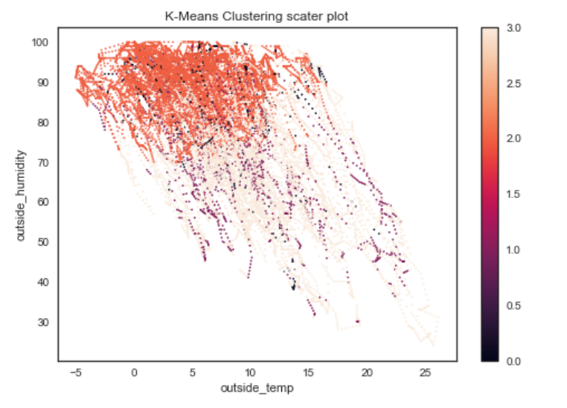
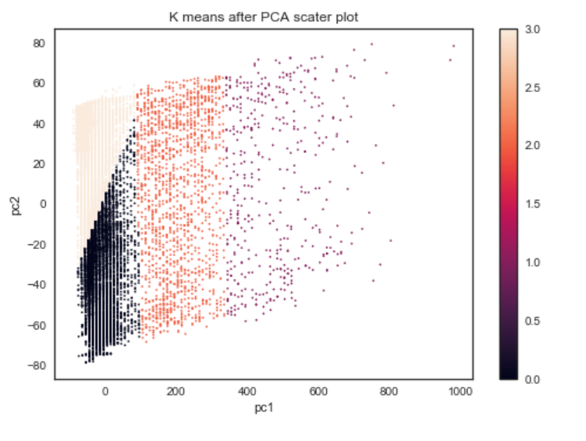

 | PCA
 | Average Inter Cluster Distance | DV_Score | Average Inter Cluster Distance | DV_Score | Cluster Size STD KM
 | 300.8 | 1.06 | 253.7 | 4.45 | 4877.44

 |  | Fg11 |  |  |  |  | Fg12 |  |  |  |  | Fg13

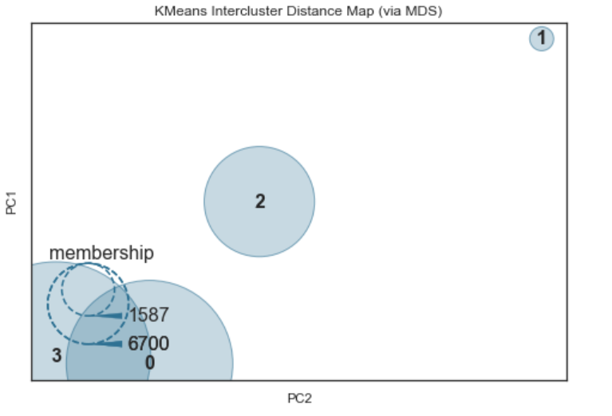
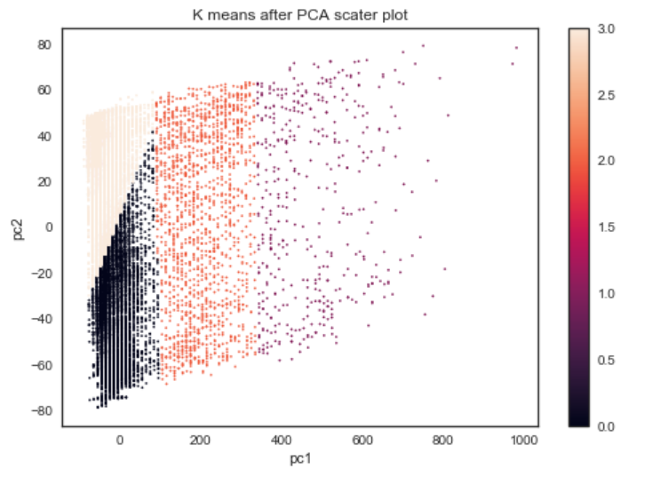
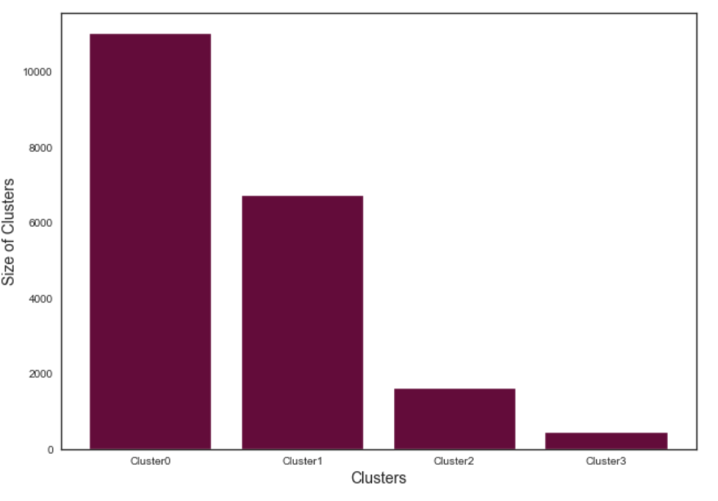
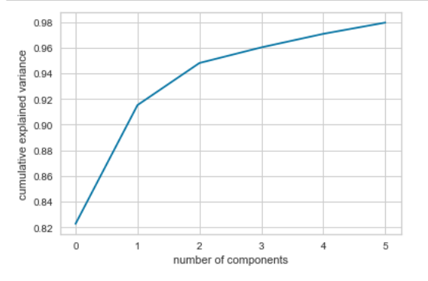

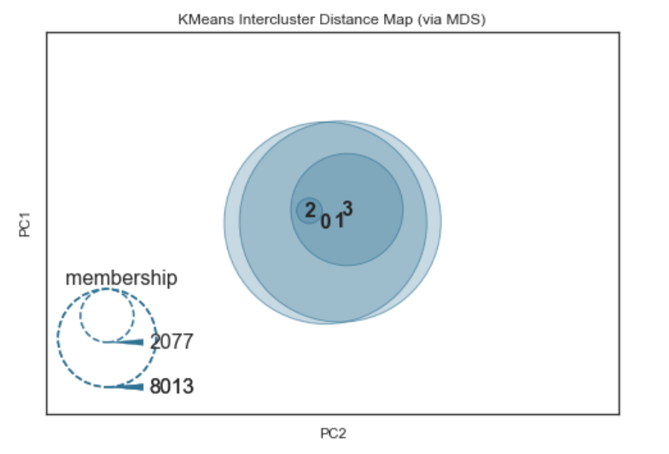
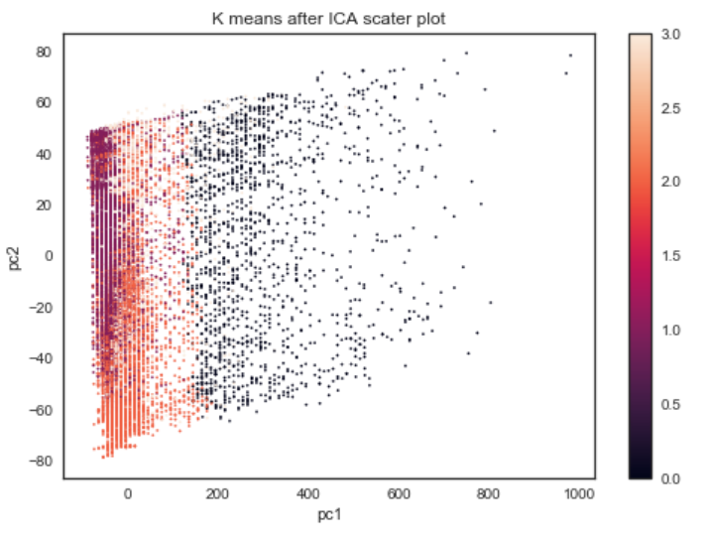
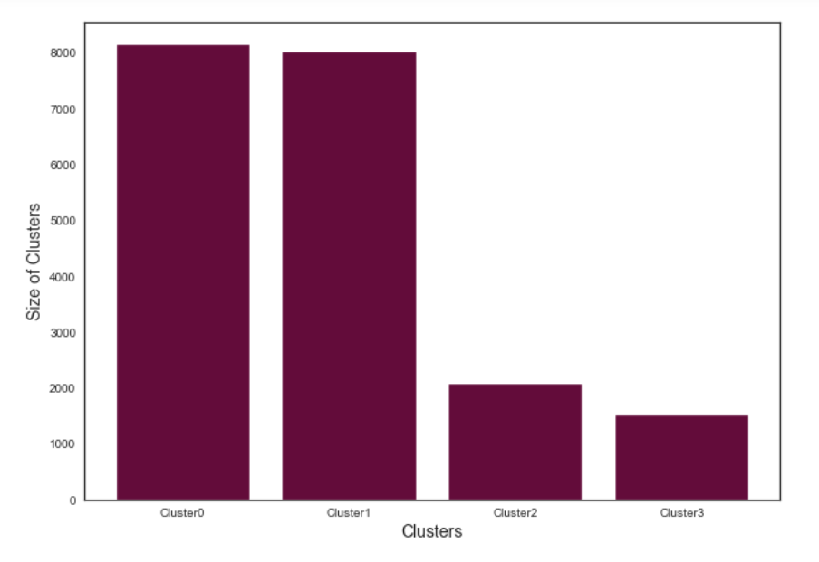
 | ICA
 |  | Average Inter Cluster Distance | DV_Score | Average Inter Cluster Distance | DV_Score | Cluster Size STD KM
 |  | 0.222 | 2.24 | 0.166 | 2.07 | 3641.67

 |  | Fg14 |  |  |  |  | Fg15 |  |  | Fg16

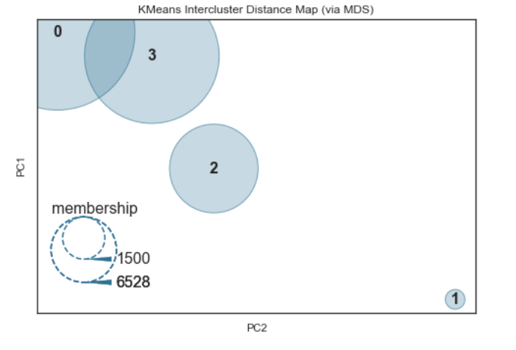
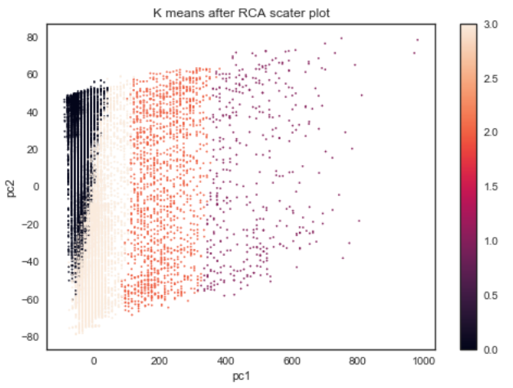
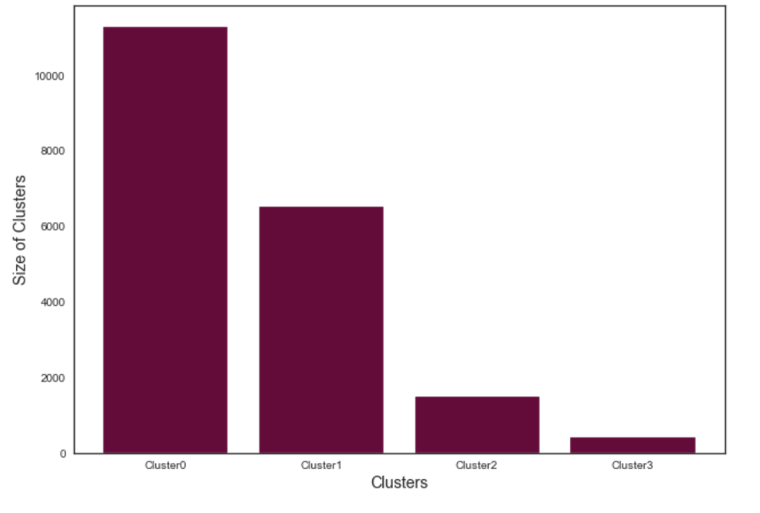
 | RCA
 |  |  |  |  |  |  |  |  |  |  |  |  |  |  |  | Average Inter Cluster Distance | DV_Score | Average Inter Cluster Distance | DV_Score | Cluster Size STD KM
 |  |  |  |  |  |  |  |  |  |  |  |  |  |  |  | 237.3 | 1.2 | 83.97 | 4.8 | 5002

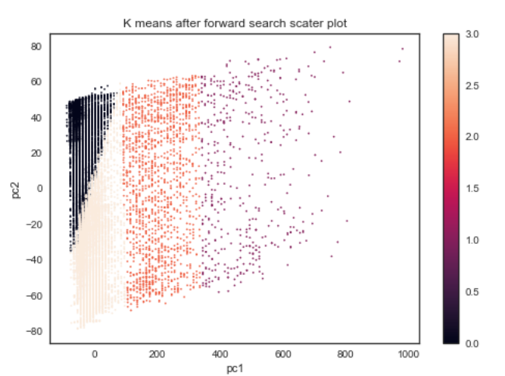
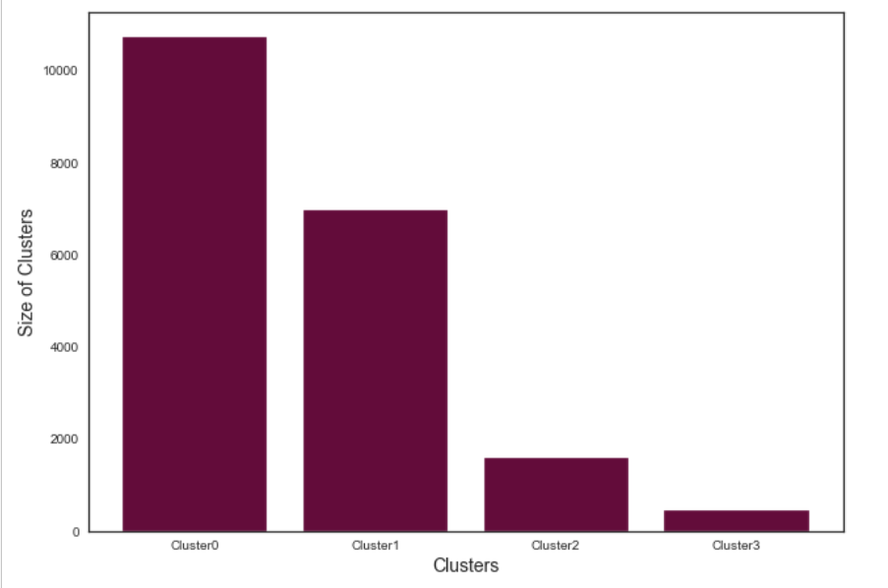
 | Fg20
 |  |  |  |  |  |  |  |  |  |  |  |  |  |  |  |  | Stepwise FWD
 |  |  |  |  |  |  |  |  | Fg21 |  |  | Fg22 |  |  |  |  | Average Inter Cluster Distance | DV_Score | Average Inter Cluster Distance | DV_Score | Cluster Size STD KM
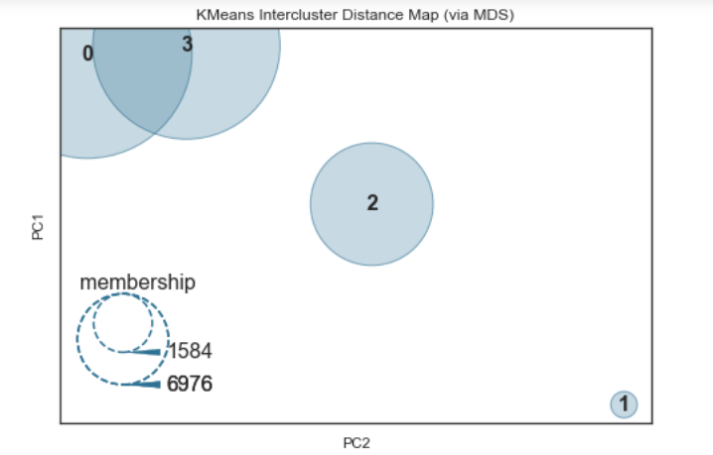
 |  |  |  |  |  |  |  |  |  |  |  |  |  |  |  |  | 299.95 | 1.07 | 109.1 | 2.24 | 4802

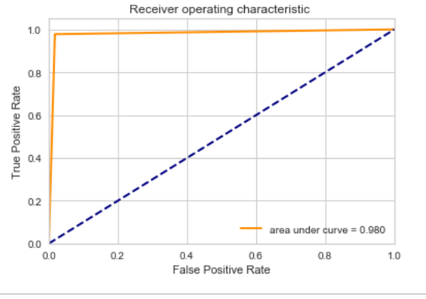
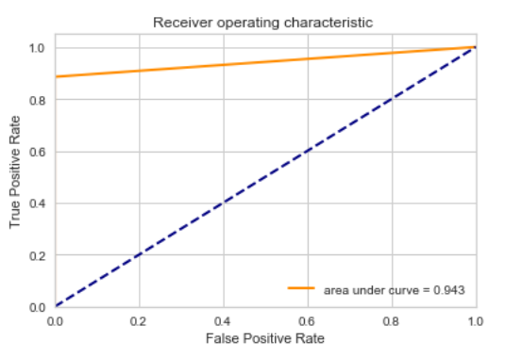
 | Fg21 |  |  |  |  | Fg22 |  |  |  | Fg23 |  |  |  |  | Fg24
 |  |  |  |  |  | Scenerio 1 |  |  |  | Scenerio 2 |  |  |  |  | Scenerio 3
 |  | PCA - Neural Net
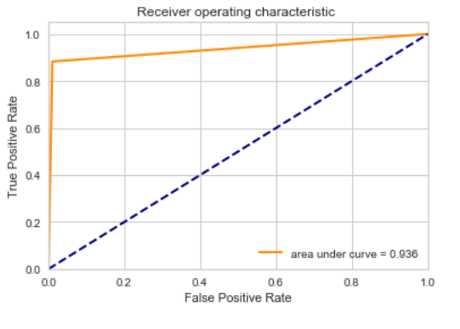
 |  | ALL Scenerios

 |  | Scenerio -1 | Scenerio - 2 | Scenerio - 3
 | Train Error | 0.9821 | 0.982 | 0.9862
 | Test Error | 0.9777 | 0.981 | 0.9868
 | AUC | 0.936 | 0.98 | 0.9426

 |  |  |  | Fg 25 |  |  |  |  | Fg26

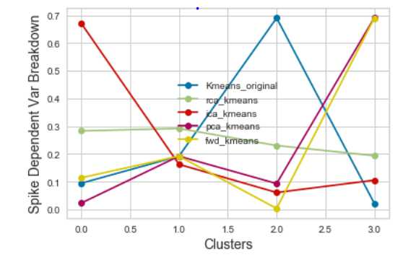
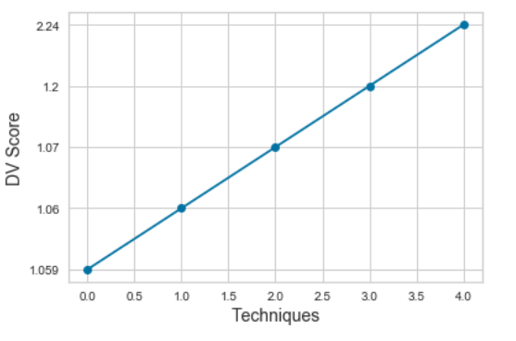
 |  |  |  |  |  |  |  |  |  |  | X Axis : Left to Right
 |  |  |  |  |  |  |  |  |  |  | Simple K means
 |  |  |  |  |  |  |  |  |  |  | PCA + K Means
 |  |  |  |  |  |  |  |  |  |  | FWD Select + Kmeans
 |  |  |  |  |  |  |  |  |  |  | RCA + Kmeans
 |  |  |  |  |  |  |  |  |  |  | ICA + Kmeans

charts_kickstarter
kmeans rudimentary

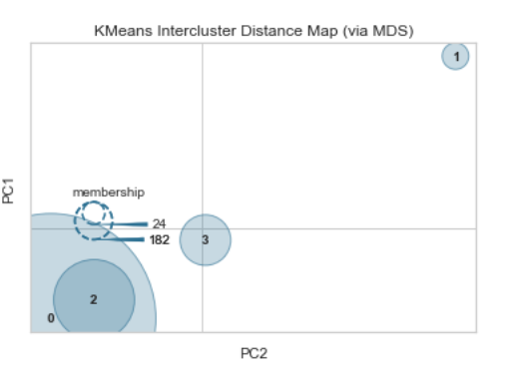
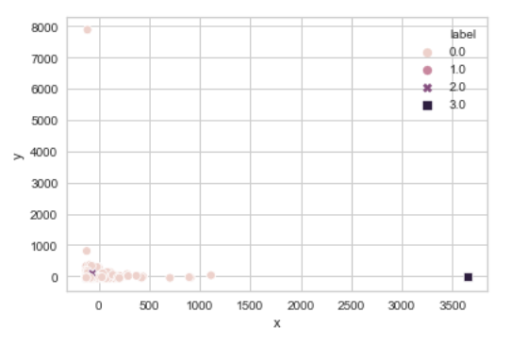
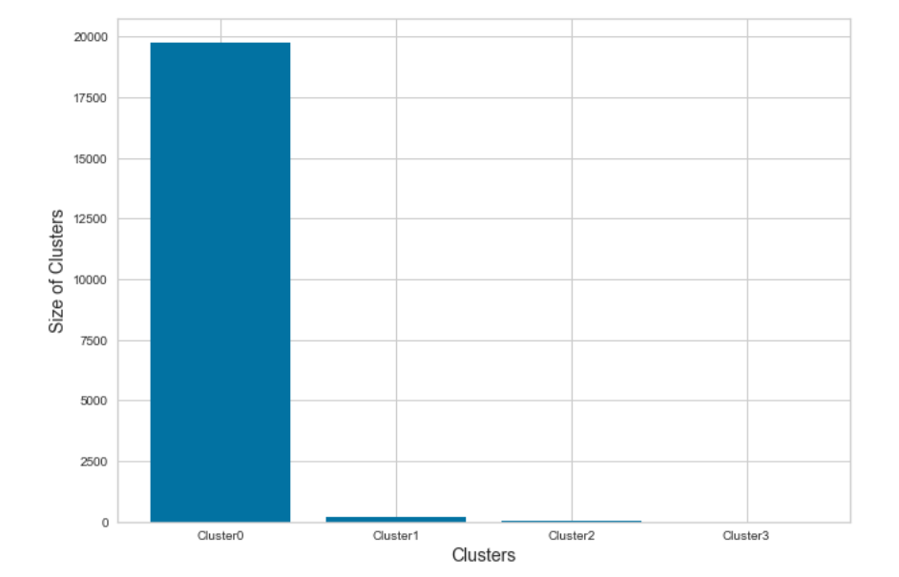
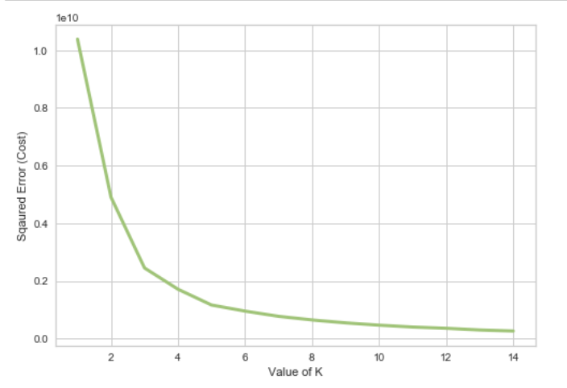

Average Inter Cluster Distance | DV_Score | Cluster Size Std
11393 | 0.4737 | 4859

GMM Rudimentary

Average Inter Cluster Distance | DV_Score | Cluster Size Std
10533 | 3.47 | 1985
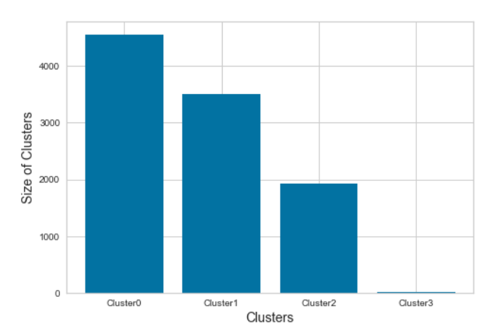
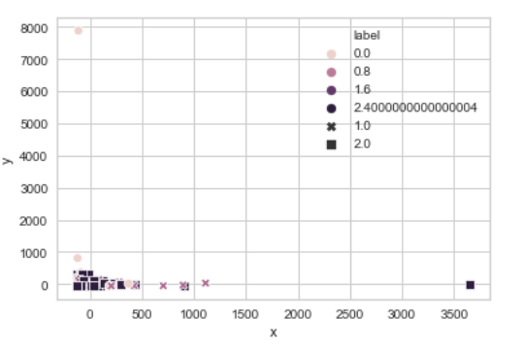

PCA plus K means

 |  | Average Inter Cluster Distance | DV_Score | Average Inter Cluster Distance | DV_Score | Cluster Size STD KM
 |  | 11405 | 0.47 | 10633 | 3.47 | 4862

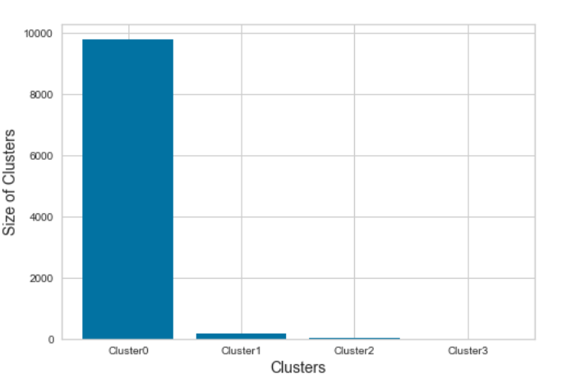
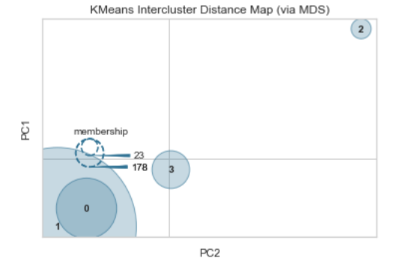
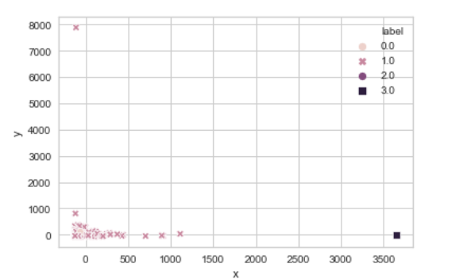

ICA Plus K means

 |  | Average Inter Cluster Distance | DV_Score | Average Inter Cluster Distance | DV_Score | Cluster Size STD KM
 |  | 0.43 | 7.53 | 0.03 | 1.63 | 3138
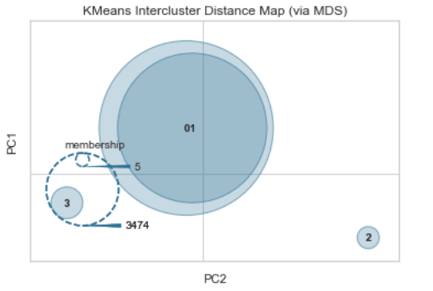
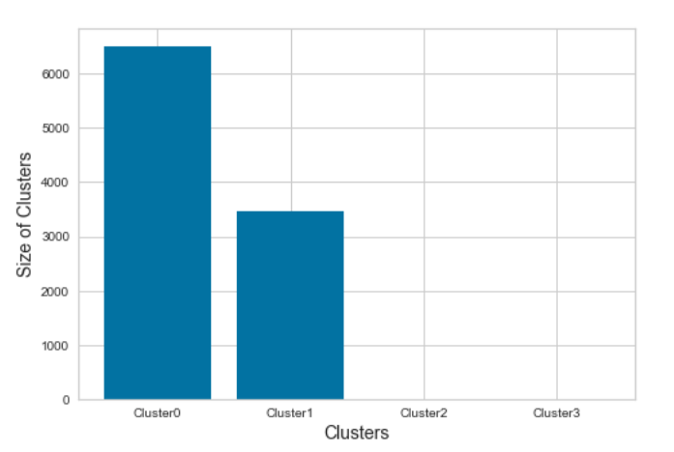
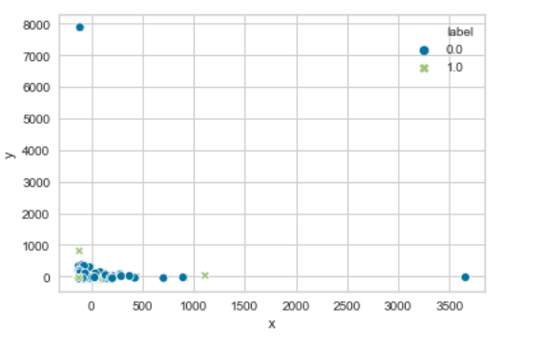

 |  |  |  |  |  |  |  | RCA plus K means

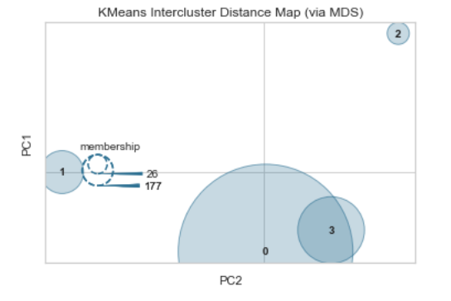
 |  |  |  |  |  |  |  | Average Inter Cluster Distance | DV_Score | Average Inter Cluster Distance | DV_Score | Cluster Size STD KM
 |  |  |  |  |  |  |  | 9705 | 0.74 | 9144 | 3.474 | 4861.22
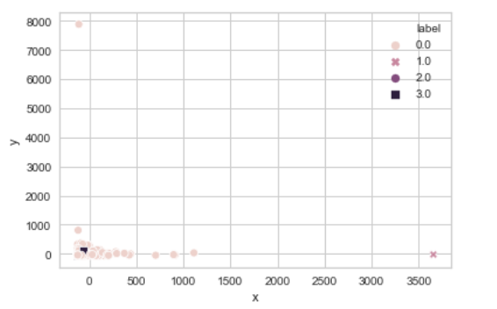
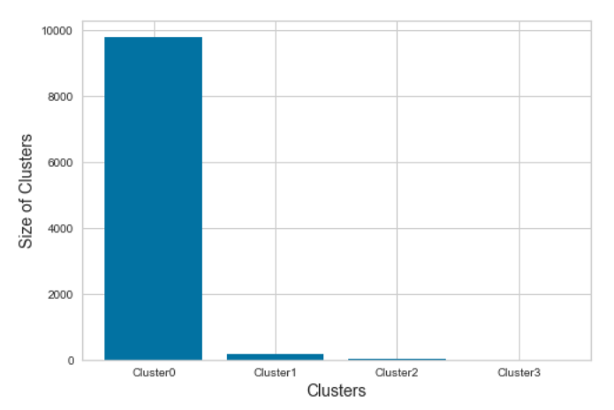

Forword Step Kmeans

Average Inter Cluster Distance | DV_Score | Average Inter Cluster Distance | DV_Score | Cluster Size STD KM
5234 | 1.07 | 5270 | 3.474 | 4602
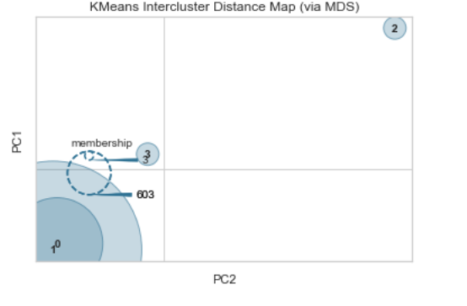
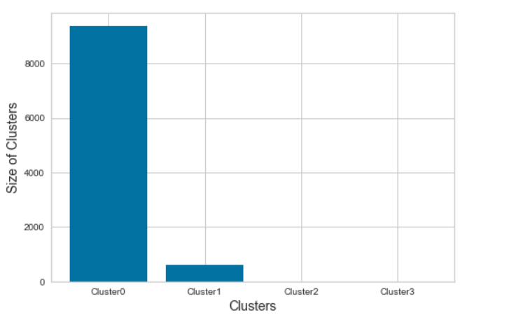
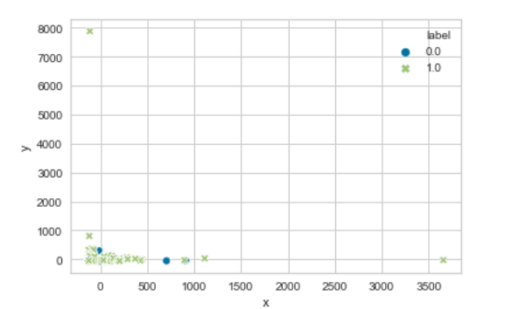

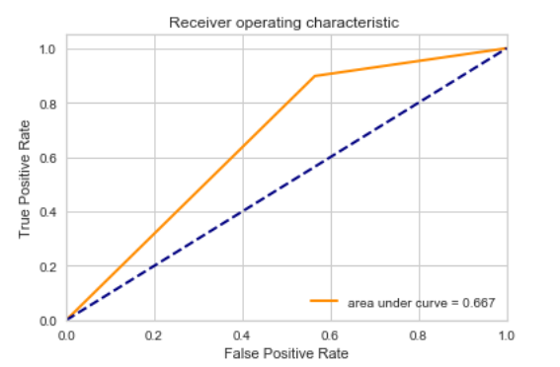
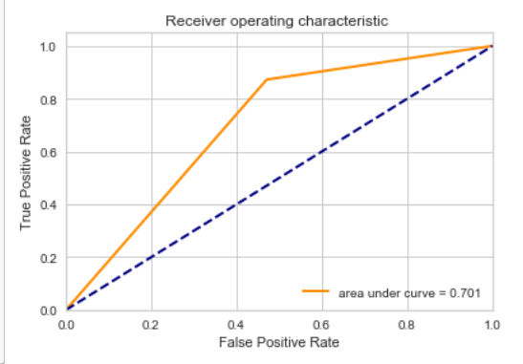
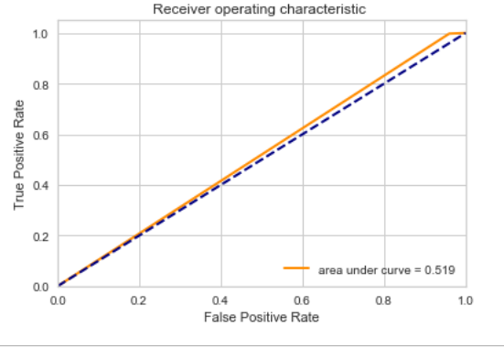
 | ALL Scenerios

 | Scenerio -1 | Scenerio - 2 | Scenerio - 3
Train Error | 0.711 | 0.748 | 0.62
Test Error | 0.0698 | 0.724 | 0.585
AUC | 0.667 | 0.701 | 0.519

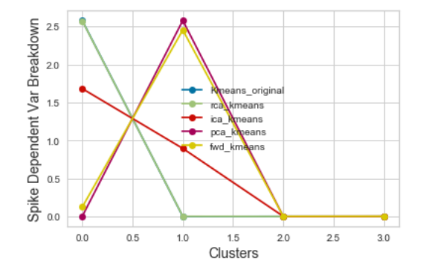

 |  |  |  |  |  |  | In Order from increasing DV Score
 |  |  |  |  |  |  | ICA
 |  |  |  |  |  |  | PCA
 |  |  |  |  |  |  | RCA
 |  |  |  |  |  |  | Forward Search
 |  |  |  |  |  |  | K modes
 |  |  |  |  |  |  | K means

