Flowchart
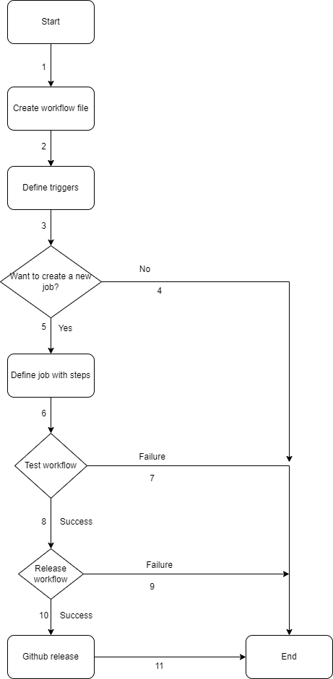
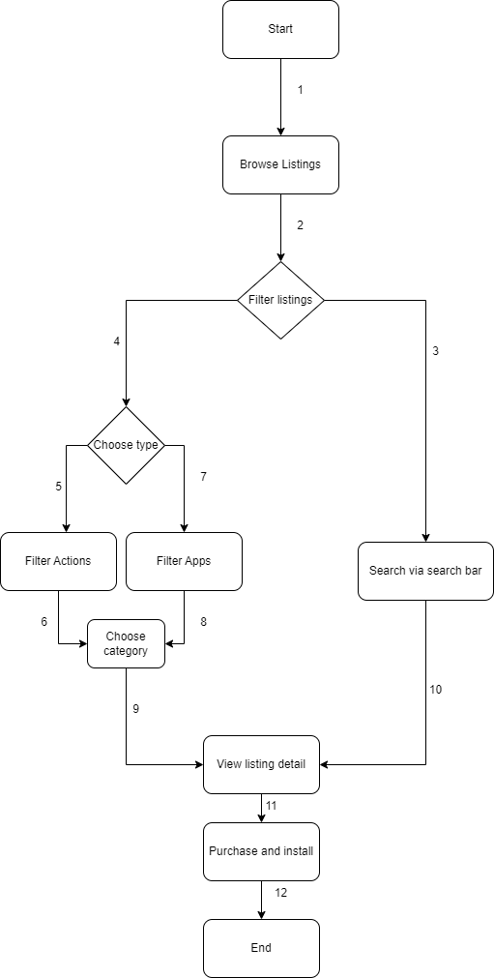
Version Control | Wiki Feature | Actions Feature | Marketplace Feature

