Admin
Concern | URL | Screenshot
Admin
Once you click submit button it throw you to an error "SQLSTATE[42S22]: Column not found: 1054 Unknown column 'document' in 'field list''" | https://hoamanagement2.servxsystem.com/admin/documents/create | 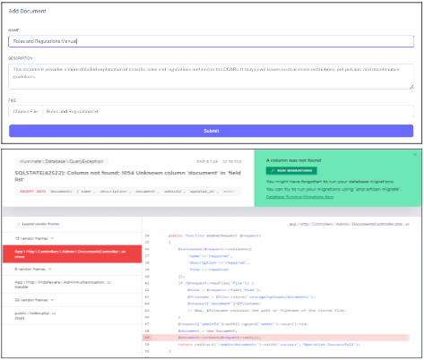
Gallery>Edit> After submitting the image, it will not update or change. | https://hoamanagement2.servxsystem.com/admin/gallery/2/edit
Settings>General Settings>Where does the icon go after submitting? - Icon not updating/changing | https://hoamanagement2.servxsystem.com/admin/settings/website
Same Header Settings in both Settings and Section Module
Footer buttons - footer buttons (License, More Themes, Documentaion and Support) redirects the user to https://themeselection.com/ what is themeselection?

User's Concern
Contact - Error: 404 Not Found https://hoamanagement2.servxsystem.com/forms/contact.php | https://hoamanagement2.servxsystem.com/ | 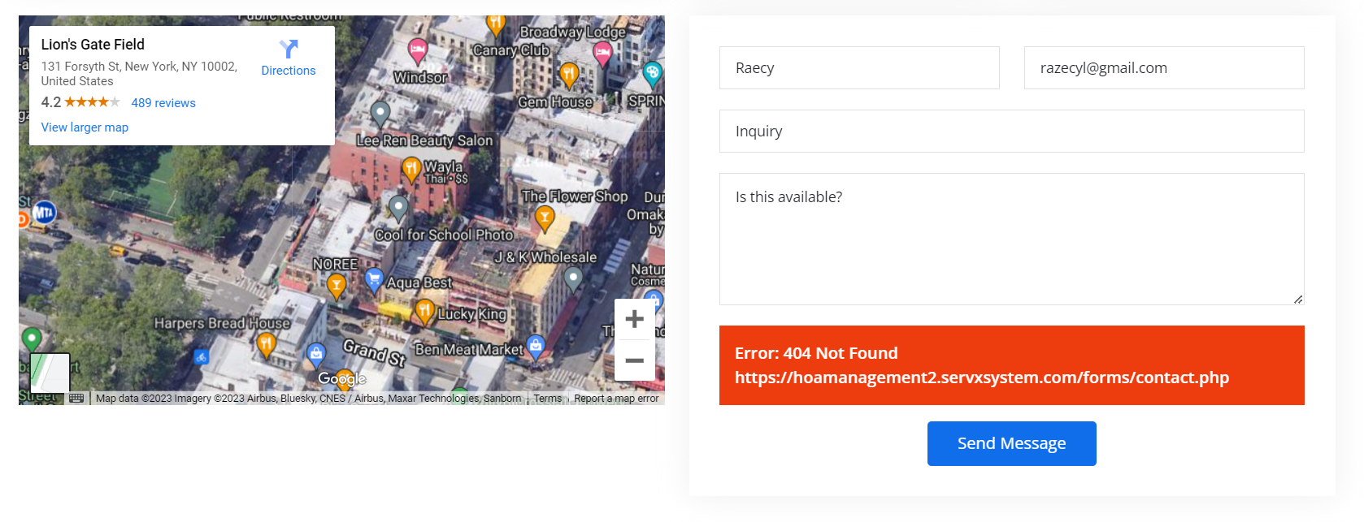
Join Our News Letter - Error when subscribing | https://hoamanagement2.servxsystem.com/ | 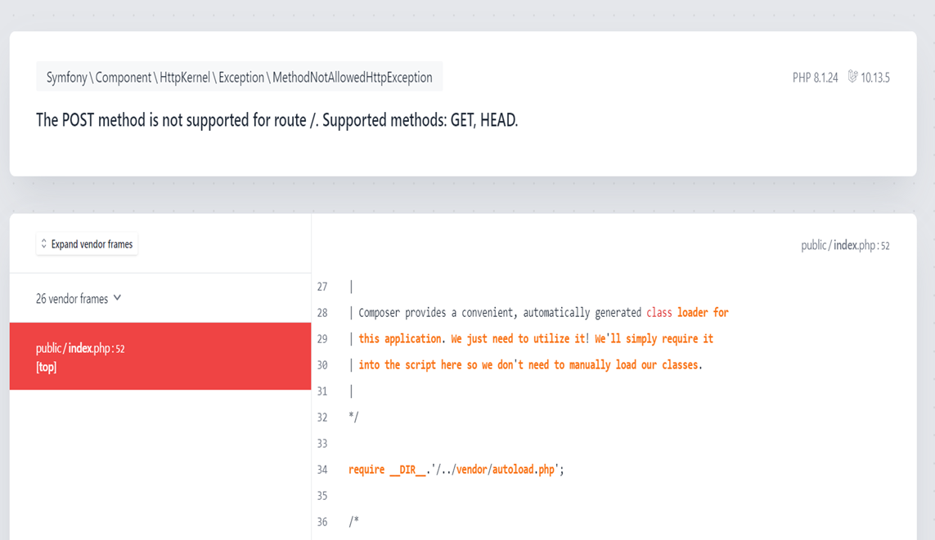
Footer - What are these services for? | https://hoamanagement2.servxsystem.com/# | 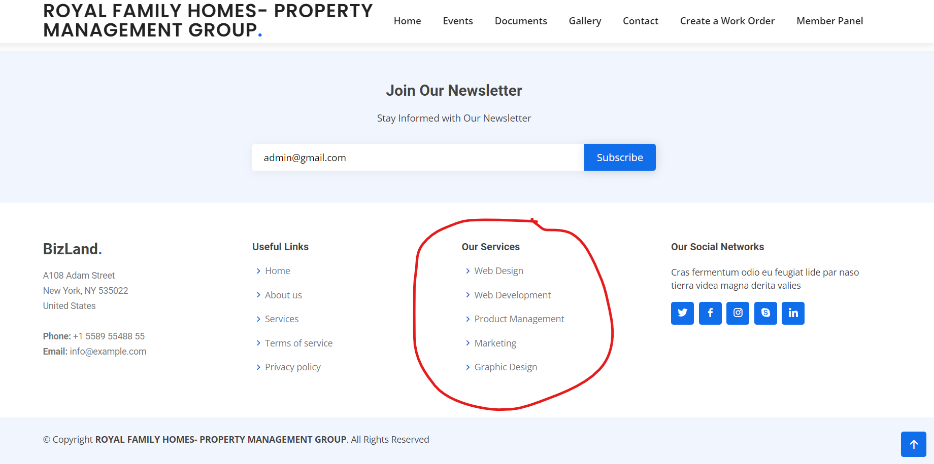
Register - Error when registering and when clicking sign in | https://hoamanagement2.servxsystem.com/register | 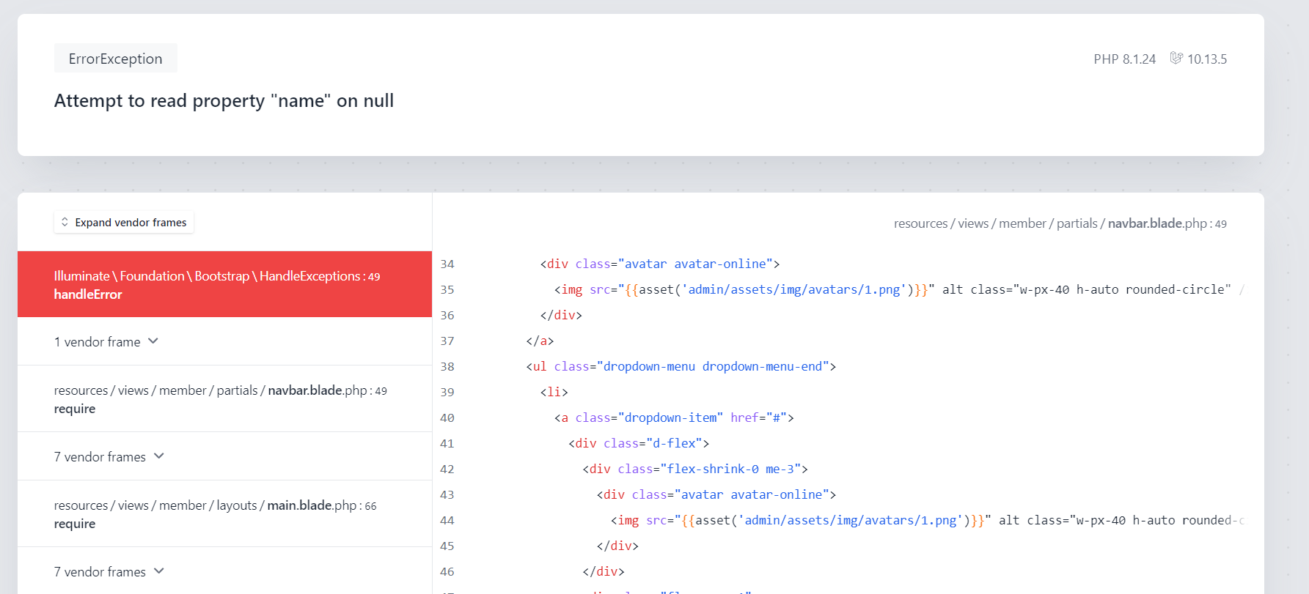
Member Panel - Error when clicking member panel | https://hoamanagement2.servxsystem.com/dashboard | 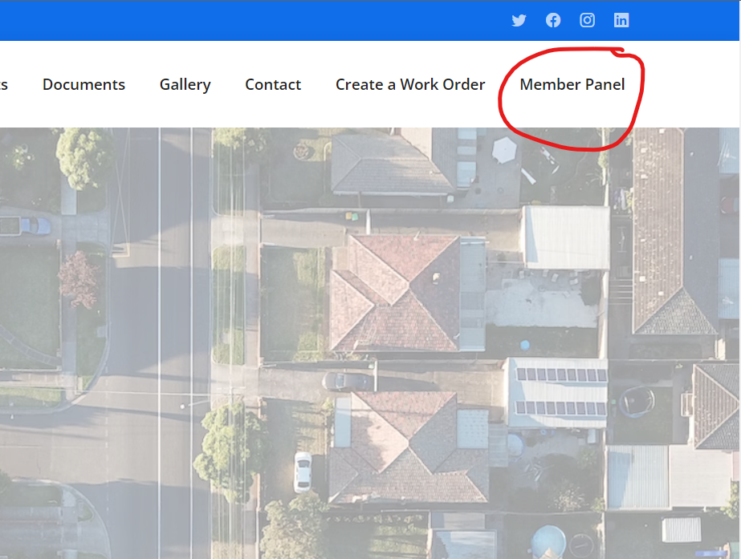
Gallery - Images are not showing/working | https://hoamanagement2.servxsystem.com/gallery | 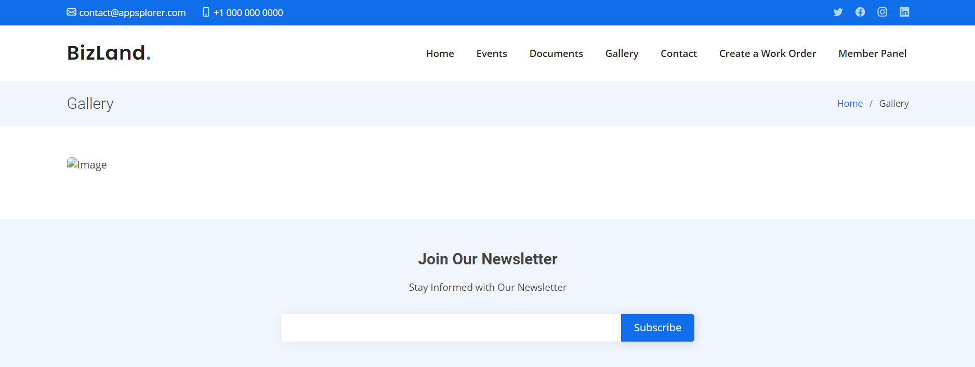
Error when clicking the header logo in homepage |  | 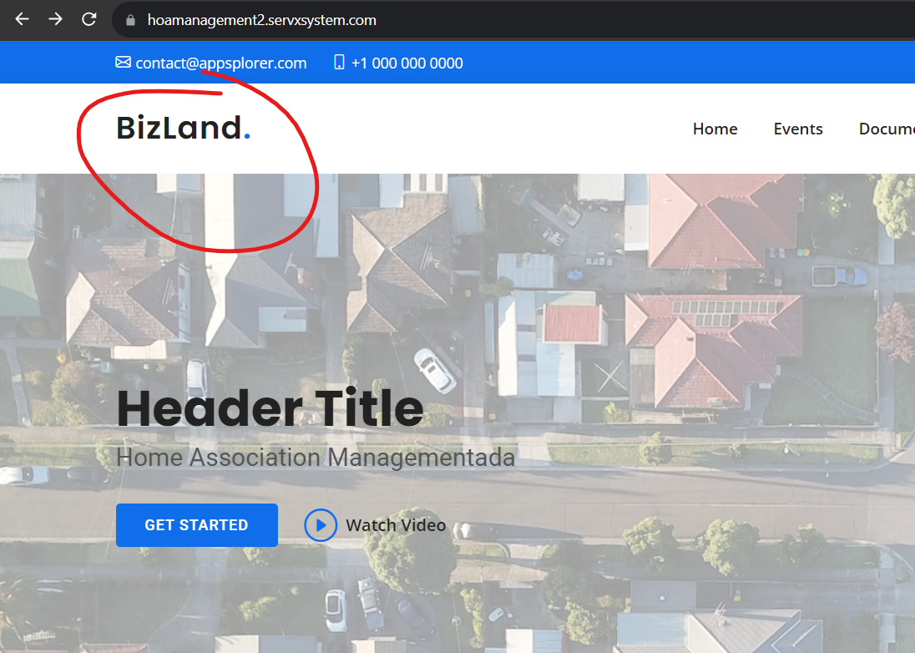
Error when clicking create a work order in navigation bar |  | 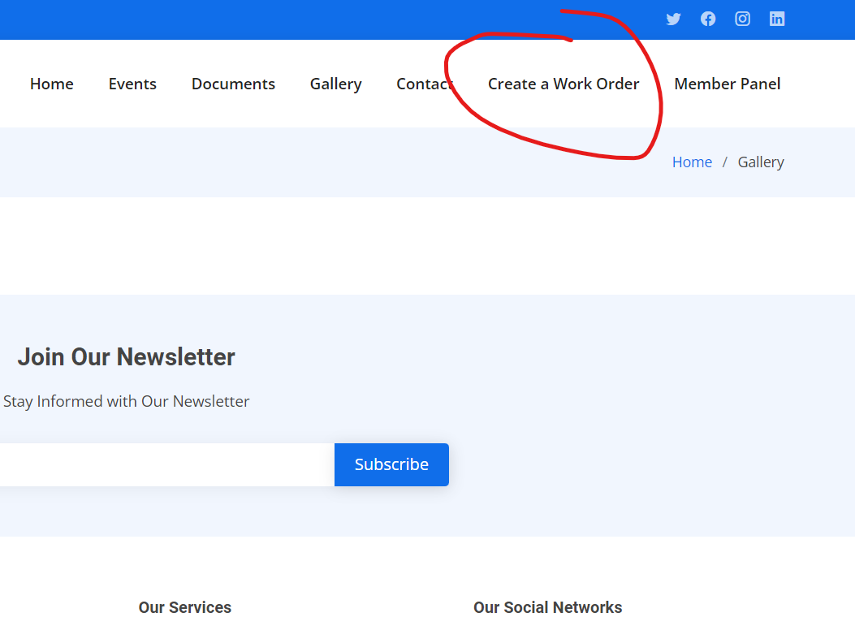

Fixed
Concern | URL | Screenshot
Admin
The Application Brand Logo is not working and the header title does not adjust automatically when it is long. | https://hoamanagement2.servxsystem.com/admin/dashboard | 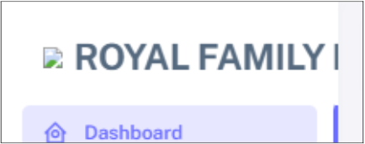
Once you click the header title in layout menu in throws 404 not found error | https://hoamanagement2.servxsystem.com/admin/index.html | 
Search bar - no function/not working | https://hoamanagement2.servxsystem.com/admin/dashboard | 
Wrong table list name. It should be transaction type | https://hoamanagement2.servxsystem.com/admin/transaction-type | 
There's no Committee shows in the Committee dropdown menu | https://hoamanagement2.servxsystem.com/admin/calendar/create | 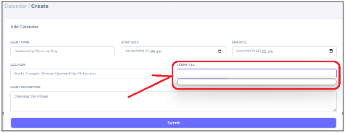
Can't see the picture of the gallery | https://hoamanagement2.servxsystem.com/admin/gallery | 
Once you click the submit button in general settings icon, it throws to an error "404 not found" | https://hoamanagement2.servxsystem.com/admin/settings/website | 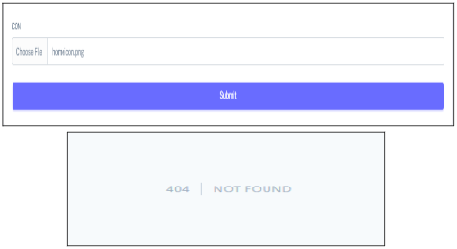
Admin Login Page - Wrong button name. Change it to Sign in or Log in button name | https://hoamanagement2.servxsystem.com/admin/login | 