Decomposition
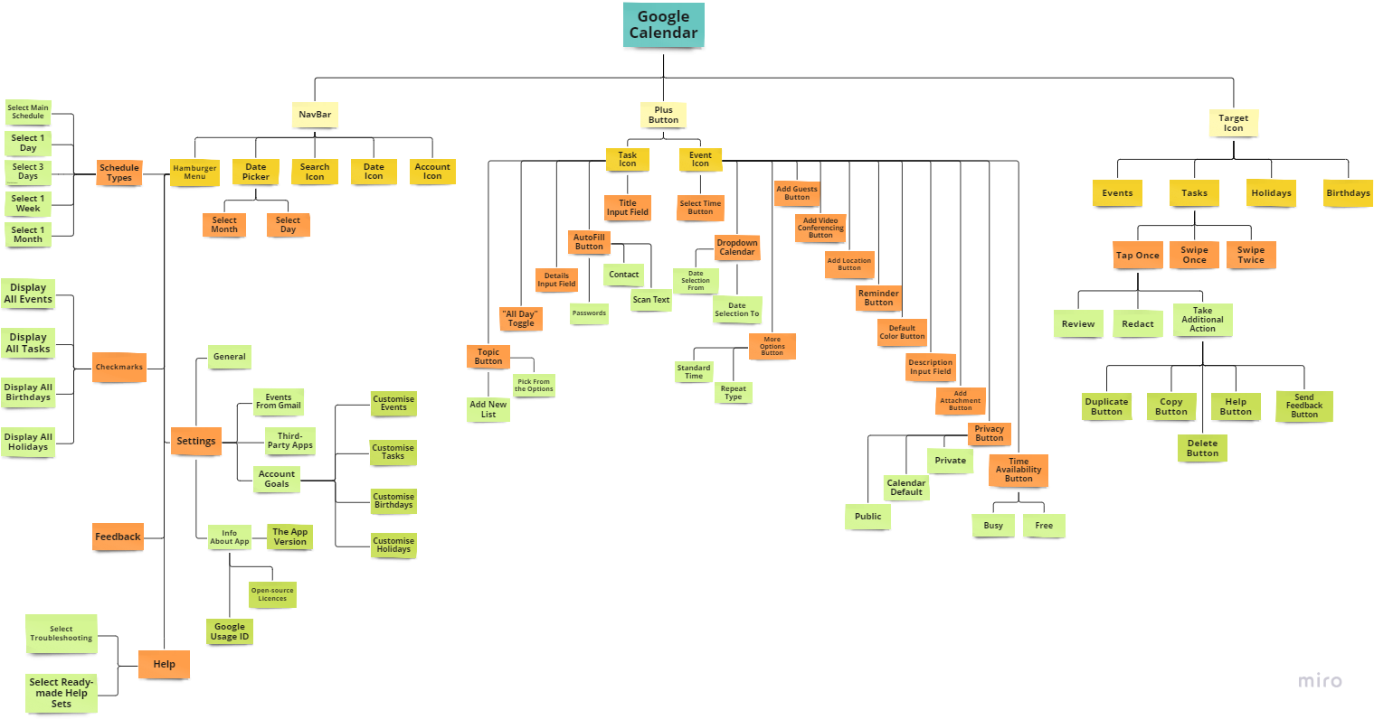

Report

Tester | Alina Fedoseeva
Environment | iPhone 14 Pro Samsung Galaxy A50
Operating System | iOS 17.5.1, Android 11 One UI 3.0
Found Issues | 3
Test Results
Tasted | 49
Testing Dates | 8/01/2024 - 8/20/2024
Time Spent | 48

General Quality Analysis |  |  | Issues
The overall quality of the application can be assessed as high. It meets the requirements of the company and user criteria. The application correctly performs its stated functions. The main functionality is not overloaded and is responsive in use. The additional functionality opens advanced opportunities for the user. The intuitive and user-friendly interface allows tasks to be completed more quickly and productively. A total of 3 bugs were found that are functional and belong to one module |  |  | ID | Severity
 |  |  | B1 | Minor
 |  |  | B2 | Minor
 |  |  | B3 | Critical

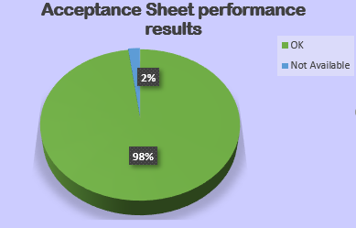
Module | Quality | Observations
NavBar | High | The module meets all requirements and is intuitive. Responsiveness and navigation work correctly. During testing, no critical errors or shortcomings were found
Plus Button | Medium | The evaluation of the module is based on the ease of use and responsiveness. During the testing of the module, 3 bugs were identified that do not affect the overall functionality and performance of the application
Target Icon | High | The module fulfils all requirements, is intuitive and easy to learn. We can emphasise the correctness of some functions, for example: creating recurring events, which saves time

