Dashboard
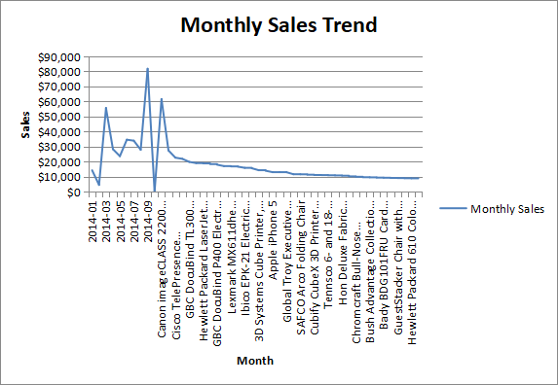
Top 5 Products by Revenue
 | Top 5 Products by Revenue
Sales KPI Dashboard | Value

Total Sales | $2,297,201

Total Orders | 5009

Total Customers | $793

Average Order Value (AOV) | $458.61

Total Profit | $286,397

Profit Margin % | 12.46721724

Top 3 Customer Segments by Profit
Sales by Region
 | Sales by Region
Automated Insights:
Top region by sales: West ($725,458, 31.6% of revenue)
Top 5 products contribute 6.7% of total revenue.
Overall profit margin: 12.47%
Underperforming regions (low margin): Central, South

