Sheet1
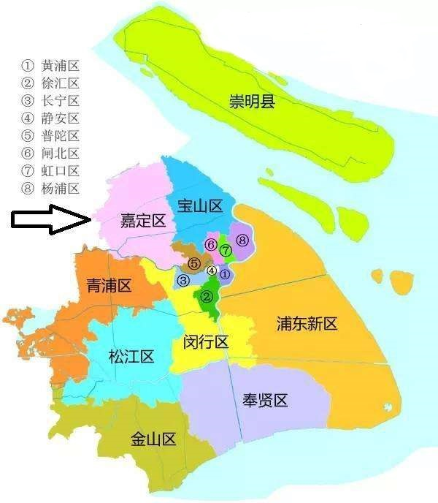
 | 0 | 20 | 40 | 60 | 80 | 100 | 120 | 140 | 160 | 180 | 200 | 220 | 240 | 260 | 280 | 300 | 320 | 340 | 360 | 380 | 400 | 420 | 440 | 460 | 480 | 500 | 520 | 540 | 560 | 580 | 600 | 620
20
40
60
80
100
120
140
160
180
200
220
240
260
280
300
320
340
360
380
400
420
440
460
480
500
520
540
560
580
600
620
640
660
680
700

