Bug_Report
ECO SHOP
OS:WINDOWS,BROWSE:CHROME |  |  |  |  | VERIFIED BY : RAKHY BASIL
TESTED BY: ASHIK E A |  |  |  |  | DATE :07/08/2026
HOME PAGE
BUG ID | EXPECTED RESULT | BUG DESCRIPTION | STEPS TO REPRODUCE | SCREENSHOT | SEVERITY | PRORITY | STATUS
DEF_ES_HP_01 | While clicking the email it has to navigated to the email option | While clicking the email it is not navigated to email box to send the email | 1.Open the wesite url:https://ecom.vanasree.forest.kerala.gov.in/ 2.Click on the email in the top tab in left side |  | Major | Medium | New
DEF_ES_HP_02 | Properly align the text and the logo to the left side | While viewing to comes to little bit towards the right side | 1.Open the website home page 2.View the text and logo |  | Trivial | Medium | New
DEF_ES_HP_03 | About us option is required in the nav bar in desktop view | There is no about us option in nav bar in desktop view | 1.Open the website home page 2.View the nav bar verticaly |  | Enhancement | Low | New
DEF_ES_HP_04 | Carousel have mutiple add should displayed according to latest launch or discounted category | There is no multiple ads coming in the carousel ,only two is displayed | 1.Open the website home page 2.View the carousel |  | Enhancement | Medium | New
DEF_ES_HP_05 | Add shop now button in the nav bar | There is no option to shop now the product other than carousel | 1.Open the website home page 2.View the nav bar verticaly |  | Enhancement | High | New
DEF_ES_HP_06 | While clicking the shop now button in the carousel ,it has to list the products | While clicking the shop now button in the carousel ,it doesn't list the products | 1.Open the website home page 2.Click the shop now button in the carousel |  | Critical | High | New
DEF_ES_HP_07 | Remove the Charter selection from the carousel | While cursor is placed on the text in the carousel part,there is charter selection is coming | 1.Open the website home page 2.View the carousel 3.Place the the cusor on the carousel on the text area |  | Minor | High | New
DEF_ES_HP_08 | Give separate pages for the two carousel slides in the home page | The product is listing in the same itself | 1.Open the website home page 2.View the carousel 3.Click on the shop now button on both slides |  | Trivial | Medium | New
DEF_ES_HP_09 | The search box has to work while searching the product | The search box is not working while searching the product | 1.Open the website home page 2.Scroll the web page 3.Type any product in the search bar |  | Blocker | High | New
DEF_ES_HP_10 | The Product has to be listed in the home page | There no product listing in the home page | 1.Open the website home page |  | Enhancement | Medium | New
DEF_ES_HP_11 | While clicking the Wishlist ,it has to open the wishlist page | The wish list page is not able to open | 1.Open the website home page 2.Click on the wishlist |  | Blocker | High | New
DEF_ES_HP_12 | Needed Home page navigation in the nav bar | There is no option to go home page | 1.Open the website 2.Click on any icon from the navigation bar,to go page |  | Enhancement | High | New
DEF_ES_HP_13 | Needed proper button to navigate | The button name is incorrect | 1.Open the website home page 2.Scroll the page 3.Click on the test button |  | Trivial | High | New
DEF_ES_HP_14 | No need of test button in the home page | The test button is present in the home page | 1.Open the website home page 2.Scroll the page 3.Click on the test button |  | Enhancement | High | New

PRODUCT LIST
OS:WINDOWS,BROWSE:CHROME |  |  |  |  | VERIFIED BY : RAKHY BASIL
TESTED BY: ASHIK E A |  |  |  |  | DATE :07/08/2026
BUG ID | EXPECTED RESULT | BUG DESCRIPTION | STEPS TO REPRODUCE | SCREENSHOT | SEVERITY | PRORITY | STATUS
DEF_ES_PL_1 | While clicking the shop now button in the carousel ,it has to list the products | While clicking the shop now button in the carousel ,it doesn't list the products | 1.Open the website home page 2.Click the shop now button in the carousel |  | Critical | High | New
DEF_ES_PL_2 | Place the filter options in separate in vertical format not in horizontal | The filter options is not properly aligned | 1.Open the website home page 2.Click on the shop now on the carousel 3.Under the product list |  | Enhancement | Medium | New
DEF_ES_PL_3 | Needed Home page navigation in the nav bar | There is no option to go home page | 1.Open the website 2.Click on any icon from the navigation bar,to go page |  | Enhancement | High | New
DEF_ES_PL_4 | Needed defined filter option | There is no option of proper filteration in the product list | 1.Open the website home page 2.Click on the shop now on the carousel 3.Under the product list 4.Click on the undefined filter option |  | Major | High | New
DEF_ES_PL_5 | Needed defined filter option | There is no option of proper filteration in the product list | 1.Open the website home page 2.Click on the shop now on the carousel 3.Under the product list 4.Click on the undefined filter option |  | Major | High | New
DEF_ES_PL_6 | Needed proper search option in the filter option | The product is not listing and not able to search the product | 1.Open the website home page 2.Click on the shop now on the carousel 3.Under the product list 4.Click on the search filter option 5.Type any product and search |  | Major | High | New
DEF_ES_PL_7 | Needed hold option to read the customer reviews | There is no hold option to read the cutomer review | 1.Open the website home page 2.Click on the shop now on the carousel 3.Under the What our Customers are saying 4.View the customer review |  | Enhancement | Medium | New
DEF_ES_PL_8 | There should be product in the cart | The product is not listing and not able to search the product,and not able to sign up and login and add the product to the cart | 1.Open the website home page 2.Click on the cart 3.View the product in the cart |  | Critical | High | New
DEF_ES_PL_9 | There should proper filteration and product listing in the product list page | The filter options are not working in the product list page | 1.Open the website home page 2.Scroll the page 3.Click on the test button 4.Select various option and search for the product |  | Major | High | New

HEADER
OS:WINDOWS,BROWSE:CHROME |  |  |  |  | VERIFIED BY : RAKHY BASIL
TESTED BY: ASHIK E A |  |  |  |  | DATE :07/08/2026
BUG ID | EXPECTED RESULT | BUG DESCRIPTION | STEPS TO REPRODUCE | SCREENSHOT | SEVERITY | PRORITY | STATUS
DEF_ES_H_1 | While clicking the email it has to navigated to the email option | While clicking the email it is not navigated to email box to send the email | 1.Open the wesite url:https://ecom.vanasree.forest.kerala.gov.in/ 2.Click on the email in the top tab in left side |  | Major | Medium | New
DEF_ES_H_2 | Needed to add vaild email address in it | The email address is not vaild ,which is displayed | 1.Open the wesite url:https://ecom.vanasree.forest.kerala.gov.in/ 2.Click on the email in the top tab in left side |  | Major | High | New
DEF_ES_H_3 | The instagram has to work | The top bar on the left the instagram icon is not working | 1.Open the wesite Home page 2.Click on the instagram icon in the top tab in right side |  | Major | High | New
DEF_ES_H_4 | The x icon has to work | The top bar on the left the x icon is not working | 1.Open the wesite Home page 2.Click on the x icon in the top tab in right side |  | Major | High | New
DEF_ES_H_5 | The facebook icon has to work | The top bar on the left the facebook icon is not working | 1.Open the wesite Home page 2.Click on the facebook icon in the top tab in right side |  | Major | High | New
DEF_ES_H_6 | Use correct logo | Incorrect logo is used for the website | 1.Open the website home page 2.View the logo |  | Minor | High | New
DEF_ES_H_7 | No need of clicking the logo ,goes to the home page | While clicking the logo the page is intended to go home page | 1.Open the website home page 2.Click on the logo |  | Enhancement | High | New
DEF_ES_H_8 | Properly align the text and the logo to the left side | While viewing to comes to little bit towards the right side | 1.Open the website home page 2.View the text and logo |  | Trivial | Medium | New
DEF_ES_H_9 | About us option is required in the nav bar in desktop view | There is no about us option in nav bar in desktop view | 1.Open the website home page 2.View the nav bar verticaly |  | Enhancement | Low | New

FOOTER
OS:WINDOWS,BROWSE:CHROME |  |  |  |  | VERIFIED BY : RAKHY BASIL
TESTED BY: ASHIK E A |  |  |  |  | DATE :07/08/2026
BUG ID | EXPECTED RESULT | BUG DESCRIPTION | STEPS TO REPRODUCE | SCREENSHOT | SEVERITY | PRORITY | STATUS
DEF_ES_F_1 | There should be proper logo | The logo is incorrect in the footer page | 1.Open the website home page 2.Scroll down to the footer area |  | Trivial | High | New
DEF_ES_F_2 | The facebook icon has to work | The facebook icon is not working while clicking in the footer area | 1.Open the website home page 2.Scroll down to the footer area 3.Click on the facebook icon |  | Minor | Medium | New
DEF_ES_F_3 | The linked in icon has to work | The linked in icon is not working while clicking in the footer area | 1.Open the website home page 2.Scroll down to the footer area 3.3.Click on the linked in icon |  | Minor | Medium | New
DEF_ES_F_4 | The X icon has to work | The facebook icon is not working while clicking in the footer area | 1.Open the website home page 2.Scroll down to the footer area 3.3.Click on the x icon |  | Minor | Medium | New
DEF_ES_F_5 | Defined logo is required in the x | The twitter icon is old is used | 1.Open the website home page 2.Scroll down to the footer area |  | Trivial | Medium | New
DEF_ES_F_6 | The watch list has to be worked in the footer part | The watch list is not working in the footer part | 1.Open the website home page 2.Scroll down to the footer area 3.3.Click on the facebook icon |  | Blocker | High | New

LOGIN/SIGN UP
OS:WINDOWS,BROWSE:CHROME |  |  |  |  | VERIFIED BY : RAKHY BASIL
TESTED BY: ASHIK E A |  |  |  |  | DATE :07/08/2026
BUG ID | EXPECTED RESULT | BUG DESCRIPTION | STEPS TO REPRODUCE | SCREENSHOT | SEVERITY | PRORITY | STATUS
DEF_ES_L/S_1 | Needed to login to the account with proper email and password | Not able to login to the account with proper email and password | 1.Open the website home page 2.Click on the account 3.Click on the login 4.Enter valid username and password in the corresponding fields 5.Click on the login |  | Critical | High | New
DEF_ES_L/S_2 | Needed proper sending of otp to the email,to reset the user account password | The otp is not send to the entered emai address | 1.Open the website home page 2.Click on the account 3.Click on the login 4.Click on the forgot password 5.Enter the email id 6.Click on Submit button | 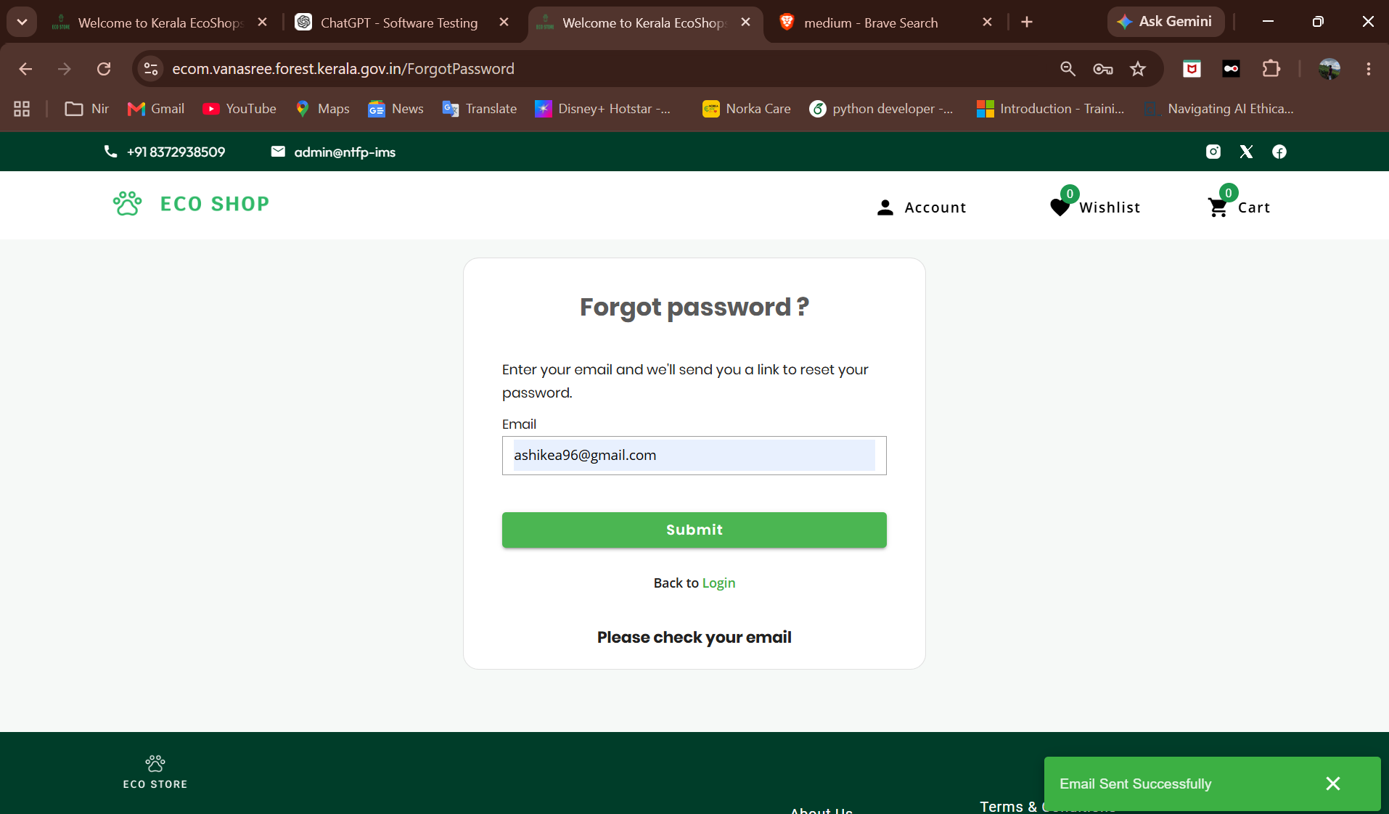 | Major | High | New
DEF_ES_L/S_3 | Needed to properly sign up or properly register for new account | Not able to create new account with proper name, email and password | 1.Open the website home page 2.Click on the account 3.Click on the sign up 4.Enter the name ,email and password 6.Click on Sign up button |  | Critical | High | New

Defect_Distribution
DEFECT DISTRIBUTION GRAPH
MODULE NAME | DEFECT DISTRIBUTION
Home Page | 14
Product List | 9
Header | 9
Footer | 6
Login/Sign Up | 3

DEFECT DISTRIBUTION GRAPH

