Jio
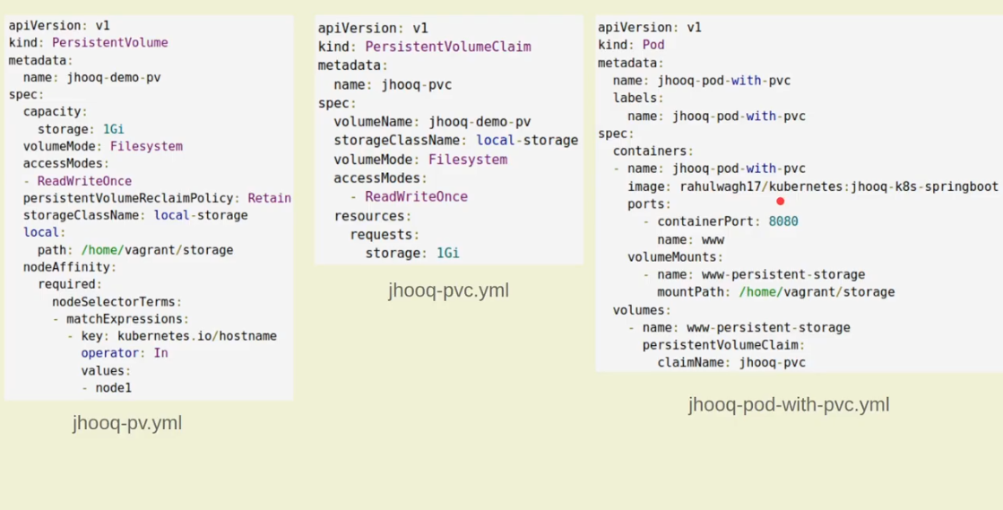
Question | Topic | Status
Branching Strategry | GIT
Crashoffpod | K8S
List all pod in namespace | K8S |  | kubectl get pods -n namespace
what is pv and pvclaim | K8S |  | A persistent volume is a piece of storage in a cluster that an administrator has provisioned. It is a resource in the cluster, just as a node is a cluster resource. A persistent volume is a volume plug-in that has a lifecycle independent of any individual pod that uses the persistent volume. This API object captures details of implementation if the storage like NFS or a cloud-provider-specific storage system | A PersistentVolumeClaim (PVC) is a request for storage by a user. It is similar to a Pod. Pods consume node resources and PVCs consume PV resources. Pods can request specific levels of resources (CPU and Memory).
add tag in git | GIT

cognizent
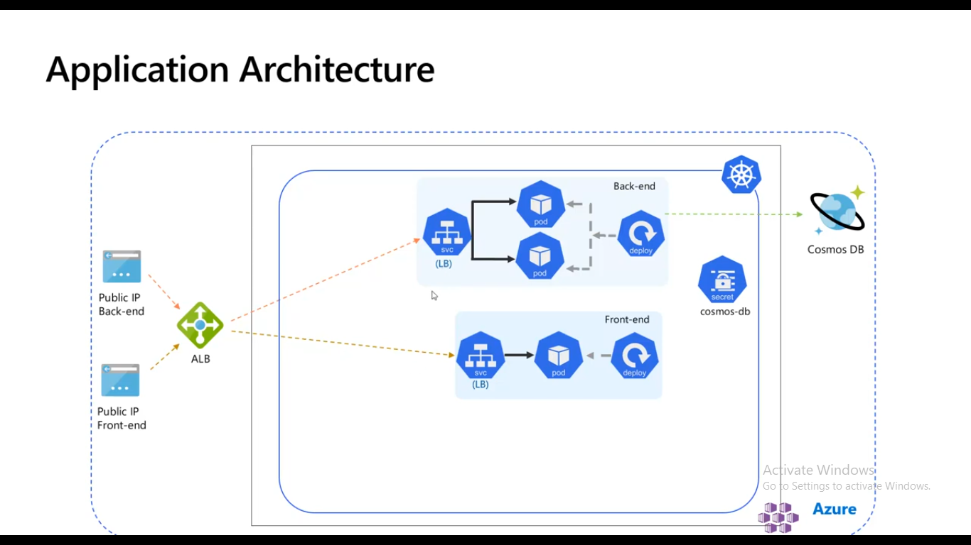
Question | Topic | Status
call Terraform module | Terraform |  |  | A Terraform module is a collection of standard configuration files in a dedicated directory. Terraform modules encapsulate groups of resources dedicated to one task, reducing the amount of code you have to develop for similar infrastructure components.
max pod in one node | k8s |  | max pod-110 per node, 5000 nodes in cluster,total 150000 pods per cluster, 300000 container default limt | Some say that Terraform modules are a way of extending your present Terraform configuration with existing parts of reusable code reducing the amount of code you have to develop for similar infrastructure components. Others say that the Terraform module definition is a single or many .tf files stacked together in their own directory. Both are correct.
 |  |  |  | Module blocks can also be used to force compliance on other resources—to deploy databases with encrypted disks, for example. By hard-coding the encryption configuration and not exposing it through variables, you’re making sure that every time the module is used, the disks are going to be encrypted.

A cluster is a set of nodes (physical or virtual machines) running Kubernetes agents, managed by the control plane. Kubernetes v1.23 supports clusters with up to 5000 nodes. More specifically, Kubernetes is designed to accommodate configurations that meet all of the following criteria:

No more than 110 pods per node
No more than 5000 nodes
No more than 150000 total pods
No more than 300000 total containers

You can scale your cluster by adding or removing nodes. The way you do this depends on how your cluster is deployed.

CLOUDIN
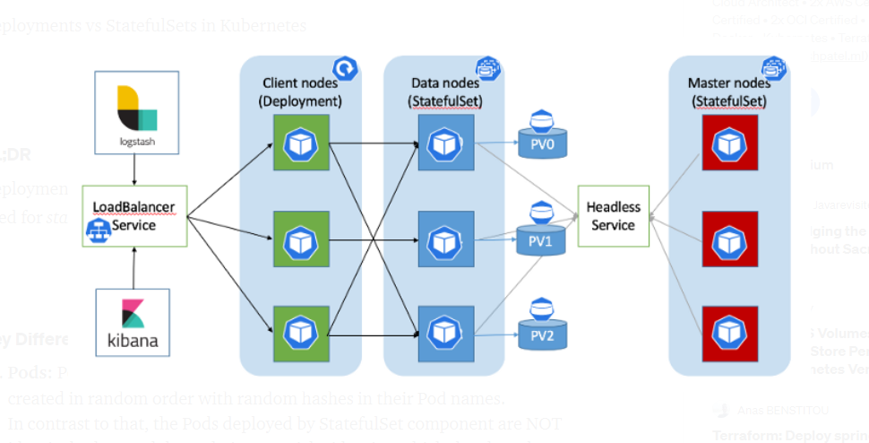
Question | Topic | Status
call Terraform module | Terraform
delete resource in terraform | Terraform
rename resource terraform | Terraform |  | terraform state mv old_resource_type.old_resource_name new_resource_type.new_name
k8s deployment and statefull appliaction diffrence | k8s |  | In a StatefulSet, each pod is given a name and treated individually, in contrast to a Kubernetes Deployment, where pods are easily replaceable. Stateful applications require pods with unique identities. This means that if any pod dies, it is immediately noticeable
helm roll back command | helm
helm folder structure and file name | helm
helm provide run time value | helm
devops all services | ADO
azure different type of load balancer | k8s |  | Application Load Balancer,Network Load Balancer,Classic Load Balancer,Gateway Load Balancers.layer 4 of the Open Systems Interconnection (OSI) model
different type of ingress controller name | k8s |  | ingress-nginx. This is the only open-source Ingress Controller maintained by the Kubernetes team, built on top of NGINX reverse proxy. ...
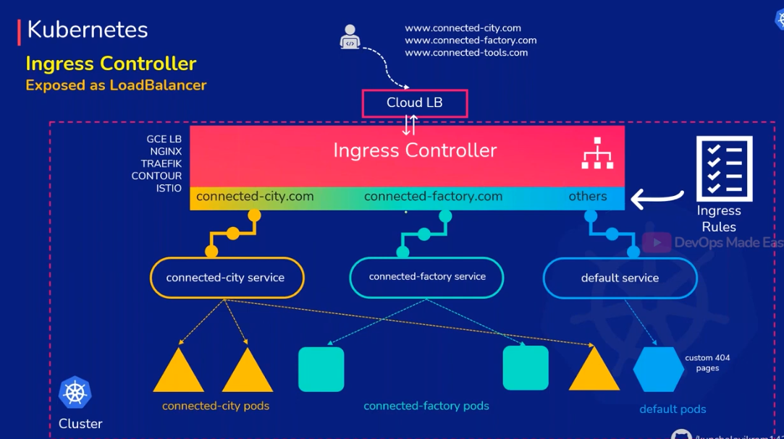
 |  |  | NGINX & NGINX Plus Ingress Controller. ...
 |  |  | Kong. ...
 |  |  | HAProxy Ingress. ...
 |  |  | Voyager. ...
 |  |  | Istio Ingress. ...
 |  |  | Ambassador. ...
 |  |  | Contour.
azure service principle | An Azure service principal is an identity created for use with applications, hosted services, and automated tools to access Azure resources. This access is restricted by the roles assigned to the service principal, giving you control over which resources can be accessed and at which level

infochip
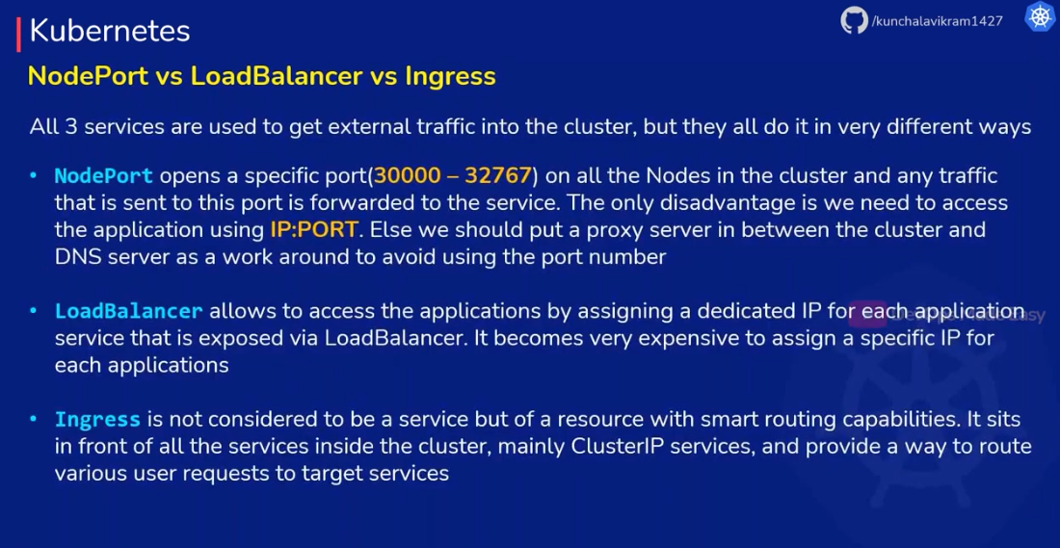
Question | Topic | Status
Application security
IAM roles
azure library
AKS high availbilty zone
yaml pipeline for docker image deployment
Secure aks cluster
statefull and statefull less application deployment
how to take output in new vm creation.

Capgemni
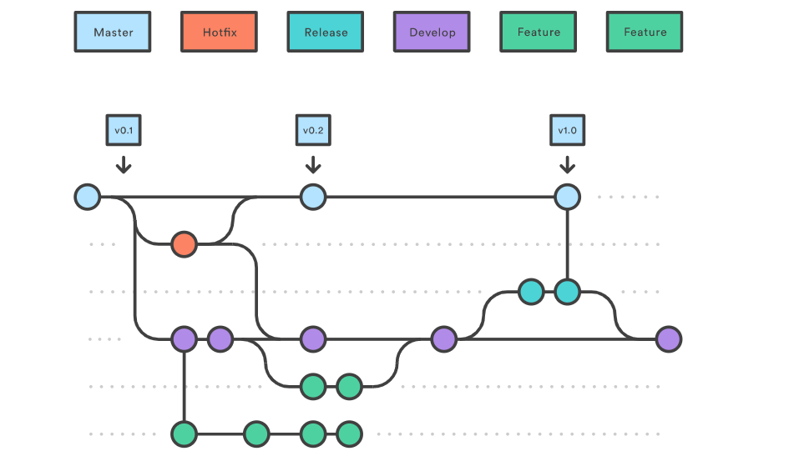
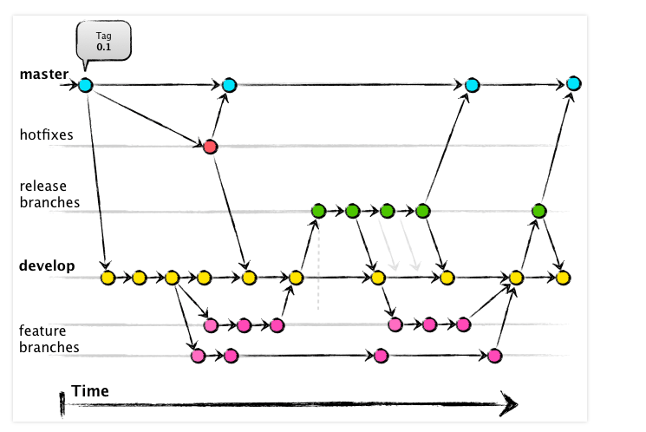
Question | Topic | Status
Self Hosted agent vmss process. | ADO |  | An Azure service principal is an identity created for use with applications, hosted services, and automated tools to access Azure resources. This access is restricted by the roles assigned to the service principal, giving you control over which resources can be accessed and at which level
AKS Scaling node scaling | k8s
ADO pipeline setup all steps | ADO |  | A service principal is created in each tenant where the application is used and references the globally unique app object. The service principal object defines what the app can actually do in the specific tenant, who can access the app, and what resources the app can access
How take backup of ETCD k8s | k8s
sonarqube connection string | k8s |  | To access resources that are secured by an Azure AD tenant, the entity that requires access must be represented by a security principal. This requirement is true for both users (user principal) and applications (service principal). The security principal defines the access policy and permissions for the user/application in the Azure AD tenant. This enables core features such as authentication of the user/application during sign-in, and authorization during resource access.
how to configure connection in sonarqube | k8s
terraform init command all backend activity | Terraform
 |  |  | What is azure Terrafy?

 |  |  | Azure Terrafy allows you to easily and quickly import your existing Azure infrastructure into Terraform HCL AND import it into your Terraform state (Learn about state files here. This has been one of the BIGGEST and coolest feature releases that all of you in the community (and myself) have been asking for!

 |  |  | terraform depricated resource type

Branch
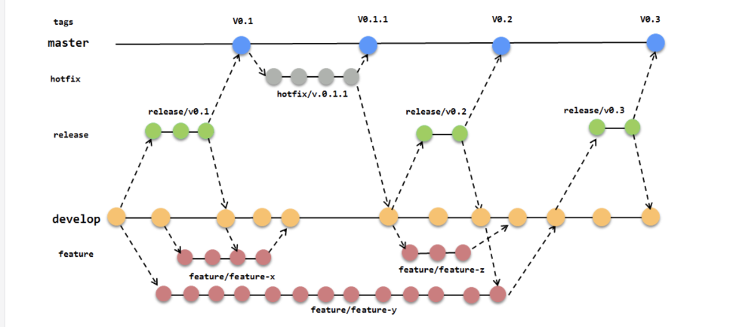
https://dzone.com/articles/why-i-prefer-trunk-based-development-over-feature

micros
