CMiC Search Instructions
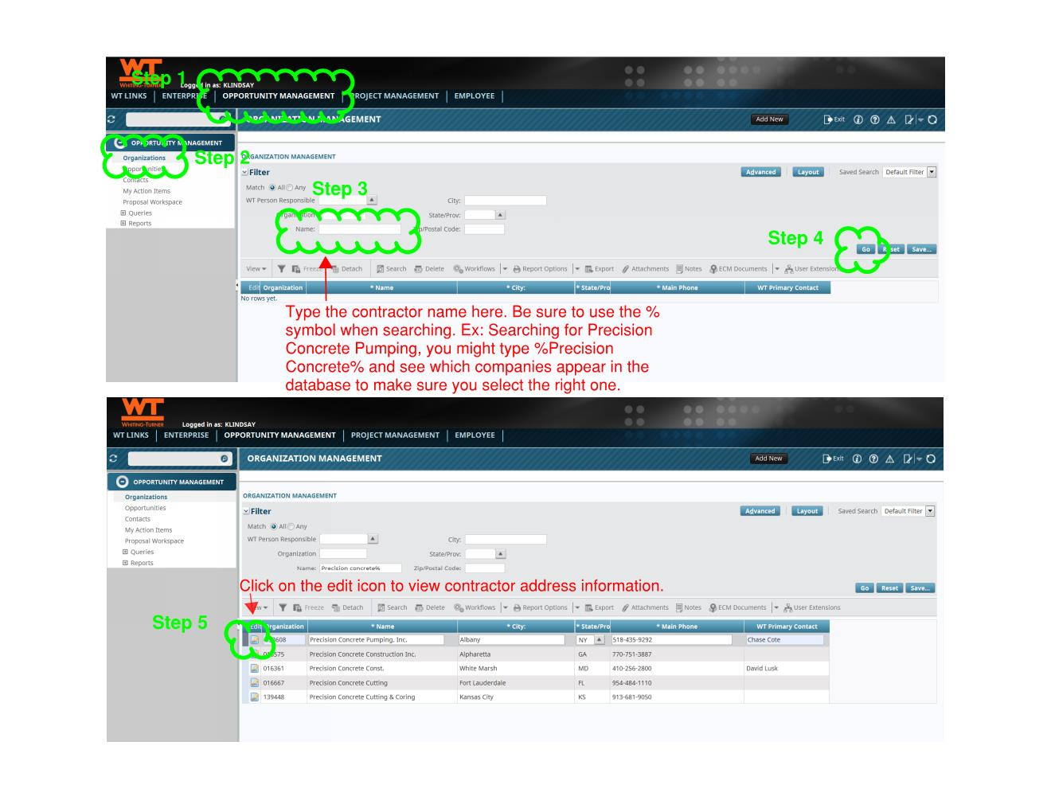
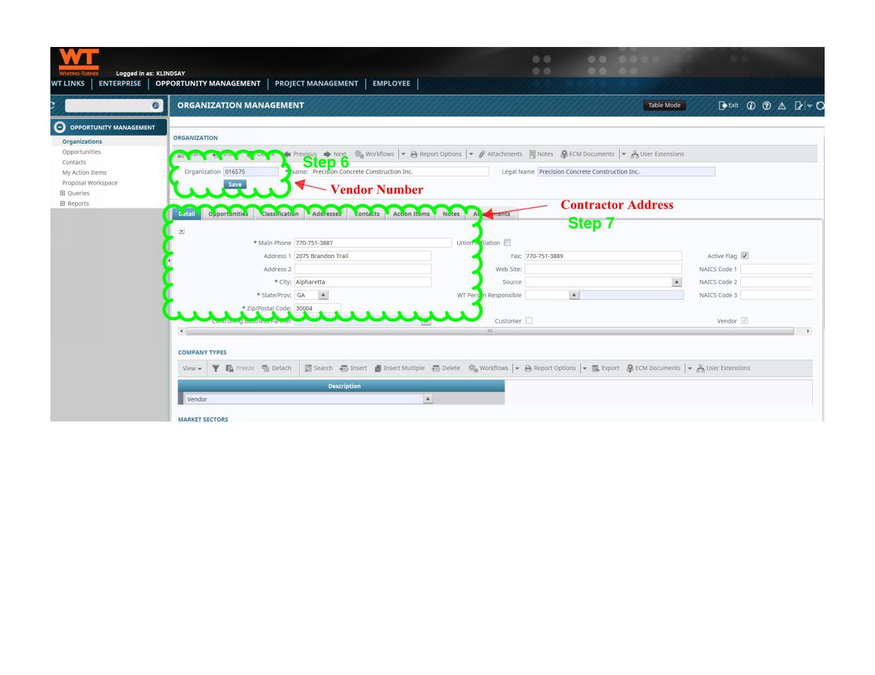
Information
Follow the steps below to find out if your contractor is in the CMiC database. If they are in CMiC but are not found on the drop down list on the Update Contractors tab, copy their name, address, and vendor number and enter that information into the New Contractors tab of this file.

