TASK_7
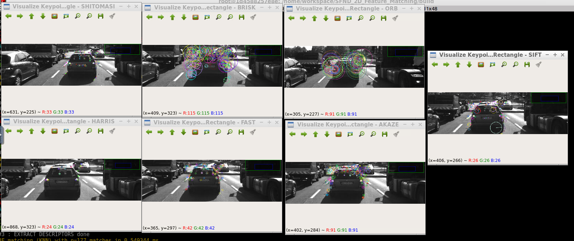
Detector | No of Keypoints Image 1 | No of Keypoints Image 2 | No of Keypoints Image 3 | No of Keypoints Image 4 | No of Keypoints Image 5 | No of Keypoints Image 6 | No of Keypoints Image 7 | No of Keypoints Image 8 | No of Keypoints Image 9 | No of Keypoints Image 10 | Distribution Remarks
Shi-Tomasi | 125 | 118 | 123 | 120 | 120 | 113 | 114 | 123 | 111 | 112 | Covers Number plate, rear window, tail lamps, road markings
HARRIS | 17 | 14 | 18 | 21 | 26 | 43 | 18 | 31 | 26 | 34 | Relatively fewer points, covers tail lamps, No coverage on numberplate, no features detected on road
FAST | 149 | 152 | 150 | 155 | 149 | 149 | 156 | 150 | 138 | 143 | Better distribution. Detecting the edges of the CAR, tail lamps, number plate, rear window Road Markings
BRISK | 264 | 282 | 282 | 277 | 297 | 279 | 289 | 272 | 266 | 254 | Many Keypoints detected. The points are well distributed covering most features.
ORB | 92 | 102 | 106 | 113 | 109 | 125 | 130 | 129 | 127 | 128 | Very focussed around the tail lamp. Shadow of the Car is not detected
AKAZE | 166 | 157 | 161 | 155 | 163 | 164 | 173 | 175 | 177 | 179 | Covers Number plate, tail lamp and rear window as well as road markings
SIFT | 138 | 132 | 124 | 137 | 134 | 140 | 137 | 148 | 159 | 137 | detect features on Number Plate TailLamp, back of seat through the rear window.

Graphs
Total Matched Points
Shi-Tomasi - BRISK | 77.111111111
Shi-Tomasi - BRIEF | 91
Shi-Tomasi - ORB | 85.555555556
Shi-Tomasi - FREAK | 63.777777778
Shi-Tomasi - SIFT | 103.11111111
HARRIS - BRISK | 13.444444444
HARRIS - BRIEF | 15.666666667
HARRIS - ORB | 16.111111111
HARRIS - FREAK | 13.666666667
HARRIS - SIFT | 18.111111111
FAST - BRISK | 86.777777778
FAST - BRIEF | 98.777777778
FAST - ORB | 96.555555556
FAST - FREAK | 74.555555556
FAST - SIFT | 116.44444444
BRISK - BRISK | 144.55555556
BRISK - BRIEF | 153.55555556
BRISK - ORB | 106.77777778
BRISK - FREAK | 122.77777778
BRISK - SIFT | 184.33333333
ORB - BRISK | 72.444444444
ORB - BRIEF | 50.222222222
ORB - ORB | 59.666666667
ORB - FREAK | 39.111111111
ORB - SIFT | 84.888888889
AKAZE - BRISK | 124
AKAZE - BRIEF | 120.88888889
AKAZE - ORB | 102.66666667
AKAZE - FREAK | 108
AKAZE - AKAZE | 129.88888889
AKAZE - SIFT | 141.88888889
SIFT - BRISK | 59.888888889
SIFT - BRIEF | 67.222222222
SIFT - FREAK | 56.666666667
SIFT - SIFT | 89.555555556
Total Computation time for Detector-Descriptor
Shi-Tomasi - BRISK | 20.24728
Shi-Tomasi - BRIEF | 19.14504
Shi-Tomasi - ORB | 18.97502
Shi-Tomasi - FREAK | 53.33437
Shi-Tomasi - SIFT | 31.3977
HARRIS - BRISK | 16.3522
HARRIS - BRIEF | 15.97942
HARRIS - ORB | 16.60502
HARRIS - FREAK | 55.28995
HARRIS - SIFT | 32.84928
FAST - BRISK | 2.852358
FAST - BRIEF | 1.73593
FAST - ORB | 2.048417
FAST - FREAK | 42.15848
FAST - SIFT | 23.42512
BRISK - BRISK | 43.55079
BRISK - BRIEF | 41.08121
BRISK - ORB | 44.82976
BRISK - FREAK | 82.72936
BRISK - SIFT | 84.39367
ORB - BRISK | 9.380268
ORB - BRIEF | 8.13317
ORB - ORB | 12.2165
ORB - FREAK | 47.16065
ORB - SIFT | 54.99024
AKAZE - BRISK | 81.4129
AKAZE - BRIEF | 78.02573
AKAZE - ORB | 81.68794
AKAZE - FREAK | 115.1951
AKAZE - AKAZE | 165.2371
AKAZE - SIFT | 97.61126
SIFT - BRISK | 137.2164
SIFT - BRIEF | 132.4739
SIFT - FREAK | 172.9014
SIFT - SIFT | 192.9896

Analysis
Detector | Descriptor | x-Label | Matched_Avg | Time_Avg
Shi-Tomasi | BRISK | Shi-Tomasi - BRISK | 77.111111111 | 20.24728
Shi-Tomasi | BRIEF | Shi-Tomasi - BRIEF | 91 | 19.14504
Shi-Tomasi - BRISK | 77.111111111 | 20.24728
Shi-Tomasi - BRIEF | 91 | 19.14504
Shi-Tomasi - ORB | 85.555555556 | 18.97502
Shi-Tomasi - SIFT | 103.11111111 | 31.3977
FAST - BRISK | 86.777777778 | 2.852358
FAST - BRIEF | 98.777777778 | 1.73593
FAST - ORB | 96.555555556 | 2.048417
FAST - FREAK | 74.555555556 | 42.15848
FAST - SIFT | 116.44444444 | 23.42512
BRISK - BRISK | 144.55555556 | 43.55079
BRISK - BRIEF | 153.55555556 | 41.08121
BRISK - ORB | 106.77777778 | 44.82976
ORB - BRISK | 72.444444444 | 9.380268
Shi-Tomasi | ORB | Shi-Tomasi - ORB | 85.555555556 | 18.97502
Shi-Tomasi | SIFT | Shi-Tomasi - SIFT | 103.11111111 | 31.3977
FAST | BRISK | FAST - BRISK | 86.777777778 | 2.852358
FAST | BRIEF | FAST - BRIEF | 98.777777778 | 1.73593
FAST | ORB | FAST - ORB | 96.555555556 | 2.048417
FAST | FREAK | FAST - FREAK | 74.555555556 | 42.15848
FAST | SIFT | FAST - SIFT | 116.44444444 | 23.42512
BRISK | BRISK | BRISK - BRISK | 144.55555556 | 43.55079
BRISK | BRIEF | BRISK - BRIEF | 153.55555556 | 41.08121
BRISK | ORB | BRISK - ORB | 106.77777778 | 44.82976
ORB | BRISK | ORB - BRISK | 72.444444444 | 9.380268

