Overview
ccc
 | Key |  |  |  | Example |  | Key Focus | KPI (Monthly)
 | Tier 1 | Top International Media Outlets |  |  | Forbes, Bloomberg etc. | Shoaib | Target Tier 1 Media with macro news | 2 Micro-papers + 5 Tier 1 mentions
 | Tier 2 | Regional Media Outlets |  |  | The National, Khaleej | Ameerah | Lifestyle + Reach outs (Radio/Podcast/Lunches) | 2 Top 50 Mentions + 4radio/podcast appearances
 | Tier 3 | International mentions from small outlets |  |  |  | Jade | Real estate general content | 30 mentiones + Beat our competitors

 | Period | Tier 1 | Tier 2 | Tier 3 | Total Mentions
 | 2021 | - | 19 | 12 | 31
 | 2022 | 19 | 121 | 62 | 183
 | 2023 | 39 | 139 | 108 | 286
 | 2024 | 7 | 125 | 78 | 210 |  | 2024 - 210 | 210
 | 2025 | 0 | 77 | 119 | 196 |  | 2025 - Nov -

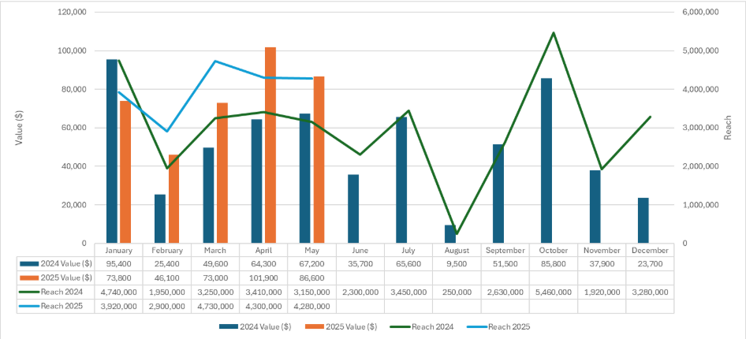

 | Period | Tier 1 | Tier 2 | Tier 3
 | 2022 H1 | 3 | 27 | 11
 | 2023 H1 | 27 | 58 | 65
 | Change | 800.00% | 114.81% | 490.91%

 | Core
 | Period | Tier 1 | Tier 2 | Tier 3
 | 2022 H1 | 3 | 18 | 9
 | 2023 H1 | 26 | 50 | 65
 | Change | 766.67% | 177.78% | 622.22%

 | Prime
 | Period | Tier 1 | Tier 2 | Tier 3
 | 2022 H1 | 0 | 0 | 0
 | 2023 H1 | 1 | 7 | 0
 | Change | #DIV/0! | #DIV/0! | #DIV/0!

 | Period | Tier 1 | Tier 2 | Tier 3 | Total Mentions
 | January | 5 | 8 | 26 | 39
 | February | 5 | 8 | 14 | 27
 | March | 6 | 12 | 5 | 23
 | April | 4 | 8 | 4 | 16
 | May | 0 | 10 | 6 | 16
 | June | 7 | 12 | 10 | 29
 | July | 2 | 25 | 5 | 32
 | August | 2 | 9 | 2 | 13
 | September | 0 | 7 | 7 | 16
 | October | 1 | 18 | 3 | 22
 | November | 6 | 12 | 14 | 32
 | December | 1 | 8 | 12 | 21

 | Key points
 | We are just half way through the year and I already have more mentions from Tier one outlets than the whole of last year
 | Reached nearly 70% of the total mentions thats were reached last year
 | Initial and only KPI ever set was to reach 16 mentions per month, even with the event this was still attained

Charts
 |  | 2020 | 2021 | 2022 | 2023
1 | Jan | 1 | #N/A | #N/A | 35
2 | Feb | 1 | #N/A | #N/A | 27
3 | Mar | 2 | #N/A | 1 | 23
4 | Apr | 2 | 3 | 7 | 16
5 | May | 1 | 1 | 17 | 16
6 | Jun | 1 | #N/A | 12 | 29
7 | Jul | 1 | #N/A | 25 | 32
8 | Aug | #N/A | 3 | 46 | 13
9 | Sep | 2 | #N/A | 18 | 11
10 | Oct | 2 | 12 | 28 | #N/A
11 | Nov | 1 | 12 | 35 | #N/A
12 | Dec | #N/A | #N/A | 9 | #N/A

Mentions vs. Month
Month | Mentions | Target
Jan-2020 | 1
Feb-2020 | 1
Mar-2020 | 2
Apr-2020 | 2
May-2020 | 1
Jun-2020 | 1
Jul-2020 | 1
Aug-2020 | 0
Sep-2020 | 2
Oct-2020 | 2
Nov-2020 | 1
Dec-2020 | 0
Jan-2021 | 0
Feb-2021 | 0
Mar-2021 | 0
Apr-2021 | 3
May-2021 | 1
Jun-2021 | 0
Jul-2021 | 0
Aug-2021 | 3
Sep-2021 | 0
Oct-2021 | 12
Nov-2021 | 12
Dec-2021 | 0
Jan-2022 | 0
Feb-2022 | 0
Mar-2022 | 1 | 16
Apr-2022 | 7 | 16
May-2022 | 17 | 16
Jun-2022 | 12 | 16
Jul-2022 | 25 | 16
Aug-2022 | 46 | 16
Sep-2022 | 18 | 16
Oct-2022 | 28 | 16
Nov-2022 | 35 | 16
Dec-2022 | 9 | 16
Jan-2023 | 35 | 16
Feb-2023 | 27 | 16
Mar-2023 | 23 | 16
Apr-2023 | 16 | 16
May-2023 | 16 | 16
Jun-2023 | 0 | 16

