CostSave
Pay as you go
But Unexpected Bills

Items where we make mistake
Best practices
AWS cost calulator for estimation or proposal

No Cost | VPC Subnet Router and Route tables ACL Security Groups
Cost | NAT Gateway and NAT Instance | NAT Instance - our resposibility NAT Gateway - Aws responsibility
 | Save cost by using NAT insatnce for DEV - Shut down periodically to save cost by lambda function NAT gateway for PROD - Scalability is automatically taken care
 | Load Balancer - Launch - Billing starts
 | Dev Env - Shutdown LB when not in user
 | Reserved Instances and Scheduled Reservation | Watch detailed EC2 costing video
 | Scheduled Reservation - Dev and Test environment Reserved Instances - option if only 24/7 run for 1 year and more | AWS Trusted Advisor Helps
 | Database
 | Dev and Test - Ondemand(don’t reserver), Single AZ and START/STOP using script to save cost PROD - Reserverd and Multi AZ , Cant START/STOP Multi AZ
 | EBS Volume and Snapshots
 | EC2 we pay for compute and Storage we need to pay seperately
 | Once you launce EBS then you pay until it is stopped
 | In cases where you run some process only once a week and stop EC2 -> no point in have EBS launched -> Take AMI and relauch when needed -> store AMI(with data) in S3 which is cheaper
 | Strategy to delete older snapshot using lambda
 | S3 storage and data transfer -> input is free (except transfer acceleration)
 | Datatransfer between EC2 and S3 are free (in same region) Data out from S3 over internet is going to cost
 | Apply life cycle policy -> delete or move older files
 | Services Which maintain Resources - Elastic Beanstalk, OpsWorks, Autoscaling
 | Elastic Beanstalk, OpsWorks, Autoscaling - Free but they create resoruces
 | even if you delete unwanted EC2s , but ASG will recreate -> so delete ASG also and becareful not leaving it as is
 | Elastic IP
 | Running EC2 instance - No charge
 | If associated with stopped insatnce - Yes charged as it could have been allocated to someother EC2
 | Avoid Elastic IP as much as possible NAT Gateway - Needs EC2 with public webapp - Needs or may be just use DNS instead of IP

AWS calculator | https://calculator.s3.amazonaws.com/index.html | COST Parameters for S3

EC2 Costing | https://www.youtube.com/watch?v=fVV6BGGQfHQ
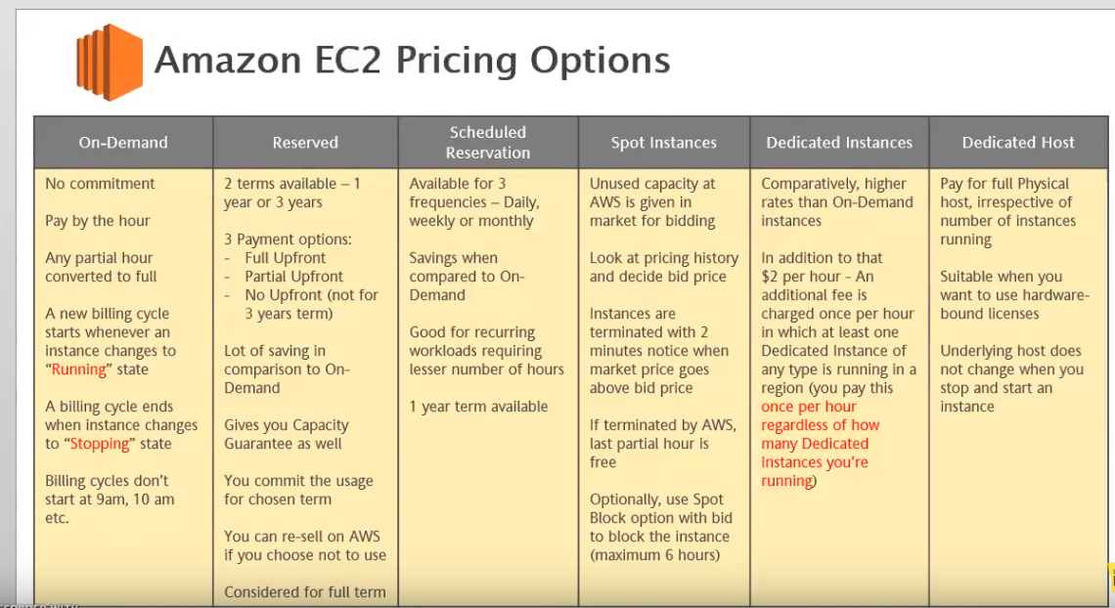

EC2 Pricing Models | On-Demand - With On-Demand instances, you pay for compute capacity by per hour or per second depending on which instances you run. No longer-term commitments or upfront payments are needed. You can increase or decrease your compute capacity depending on the demands of your application and only pay the specified per hourly rates for the instance you use. Recommended for Users that prefer the low cost and flexibility of Amazon EC2 without any up-front payment or long-term commitment | https://aws.amazon.com/ec2/pricing/ | https://cloudacademy.com/blog/ec2-pricing-how-to-compute-costs-on-aws/

EC2 Pricing Models | Spot instances - Amazon EC2 Spot instances allow you to request spare Amazon EC2 computing capacity for up to 90% off the On-Demand price, suiatble for Applications that have flexible start and end times. When they required additional capacity. If this terminated by AWS then no charge but if you terminate charge for the complete hour | https://aws.amazon.com/ec2/pricing/ | https://cloudacademy.com/blog/ec2-pricing-how-to-compute-costs-on-aws/
EC2 Pricing Models | Reserved Instances - Reserved Instances provide you with a significant discount (up to 75%) compared to On-Demand instance pricing. In addition, when Reserved Instances are assigned to a specific Availability Zone, they provide a capacity reservation, giving you additional confidence in your ability to launch instances when you need them.Recommended for Applications with steady state usage,Applications that may require reserved capacity, Customers that can commit to using EC2 over a 1 or 3 year term to reduce their total computing costs | https://aws.amazon.com/ec2/pricing/ | https://cloudacademy.com/blog/ec2-pricing-how-to-compute-costs-on-aws/
EC2 Pricing Models | Dedicated Hosts-A Dedicated Host is a physical EC2 server dedicated for your use. Dedicated Hosts can help you reduce costs by allowing you to use your existing server-bound software licenses, including Windows Server, SQL Server, and SUSE Linux Enterprise Server (subject to your license terms), and can also help you meet compliance requirements. Can be purchased On-Demand (hourly).Can be purchased as a Reservation for up to 70% off the On-Demand price | https://aws.amazon.com/ec2/pricing/ | https://cloudacademy.com/blog/ec2-pricing-how-to-compute-costs-on-aws/

