Sheet1
 |  | Country Sales Performance

 |  | Expand Salesperson: True

Salesperson | Sales |  | Trend |  | % of Country Total | Overall % | Quota | Variance

AUSTRALIA | $14,218,109 |  |  |  |  | 4.064% | $12,950,000 | 9.792%
Lynn Tsoflias | $14,218,109 |  |  |  | 100.00% | 4.064% | $12,950,000 | 9.792%
CANADA | $40,582,602 |  |  |  |  | 11.599% | $39,000,000 | 4.058%
José Saraiva | $26,045,407 |  |  |  | 64.179% | 7.444% | $25,500,000 | 2.139%
Garrett Vargas | $14,537,195 |  |  |  | 35.821% | 4.155% | $13,500,000 | 7.683%
FRANCE | $31,216,163 |  |  |  |  | 8.922% | $31,500,000 | -0.901%
Ranjit Varkey Chudukatil | $31,216,163 |  |  |  | 100.00% | 8.922% | $31,500,000 | -0.901%
GERMANY | $17,906,402 |  |  |  |  | 5.118% | $21,750,000 | -17.672%
Rachel Valdez | $17,906,402 |  |  |  | 100.00% | 5.118% | $21,750,000 | -17.672%
UNITED KINGDOM | $41,168,712 |  |  |  |  | 11.766% | $40,000,000 | 2.922%
Jae Pak | $41,168,712 |  |  |  | 100.00% | 11.766% | $40,000,000 | 2.922%
UNITED STATES | $204,798,386 |  |  |  |  | 58.532% | $195,050,000 | 4.998%
Linda Mitchell | $42,513,686 |  |  |  | 20.759% | 12.151% | $39,000,000 | 9.009%
Michael Blythe | $37,631,782 |  |  |  | 18.375% | 10.755% | $23,000,000 | 63.616%
Jillian Carson | $31,894,184 |  |  |  | 15.573% | 9.115% | $32,000,000 | -0.331%
Shu Ito | $24,585,356 |  |  |  | 12.005% | 7.027% | $24,500,000 | 0.348%
Tsvi Reiter | $23,151,856 |  |  |  | 11.305% | 6.617% | $23,250,000 | -0.422%
Tete Mensa-Annan | $15,765,622 |  |  |  | 7.698% | 4.506% | $15,550,000 | 1.387%
David Campbell | $15,730,129 |  |  |  | 7.681% | 4.496% | $15,000,000 | 4.868%
Pamela Ansman-Wolfe | $13,525,771 |  |  |  | 6.604% | 3.866% | $22,750,000 | -40.546%

TOTAL | $349,890,375 |  |  |  |  |  | $340,250,000 | 2.833%

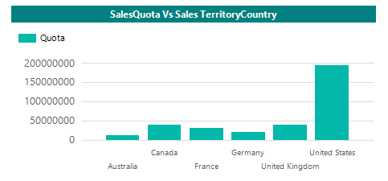 |  |  |  | 