Sheet1
Row Labels | Sum of Price
Breakfast | $1,269.45
Burger | $21,459.99
Chicken | $12,283.45
Fries | $2,463.36 |  |  |  |  |  | Sum of Price | average order value | qty sold | Distinct Count of order_id | avg order per day
Pasta | $9,147.14 |  |  |  |  |  | $61,003.78 | $11.36 | 12234 | 5370 | $677.82
Salad | $1,136.43
Sandwich | $8,131.73
Shakes | $1,073.41
Sides | $2,817.19
Wraps | $1,221.63
Grand Total | $61,003.78

Row Labels | Sum of Price
Burger | $21,459.99 |  | Row Labels | Sum of Price
Chicken | $12,283.45 |  | Monday | ₹ 10,066.06
Pasta | $9,147.14 |  | Tuesday | ₹ 8,909.68
Sandwich | $8,131.73 |  | Wednesday | ₹ 7,584.25
Sides | $2,817.19 |  | Thursday | ₹ 8,357.13
Grand Total | $53,839.50 |  | Friday | ₹ 9,112.26
 |  |  | Saturday | ₹ 8,144.89
 |  |  | Sunday | ₹ 8,829.51
 |  |  | Grand Total | ₹ 61,003.78

Row Labels | Sum of Price
Jan | $20,606.52
Feb | $19,484.12
Mar | $20,913.14
Grand Total | $61,003.78

Row Labels | Sum of Price
Weekday
Friday | $9,112.26
Monday | $10,066.06
Thursday | $8,357.13
Tuesday | $8,909.68
Wednesday | $7,584.25
Weekend
Saturday | $8,144.89
Sunday | $8,829.51
Grand Total | $61,003.78

Row Labels | Sum of Price
Afternoon | $30,066.66
Evening | $23,211.91
Morning | $3,058.50
Night | $4,666.71
Grand Total | $61,003.78

Order value by time of day

 |  |  |  |  |  |  |  |  | Row Labels | Count of order_id
 |  |  |  |  |  |  |  |  | Burger | 3641
Sum of Price | Column Labels |  |  |  |  |  |  |  | Grand Total | 3641
Row Labels | Burger | Chicken | Pasta | Sandwich | Sides | Grand Total
Jan | $7,384.15 | $4,115.80 | $3,037.39 | $2,664.77 | $983.18 | ₹ 18,185.29
Feb | $6,878.87 | $3,925.26 | $2,973.47 | $2,553.33 | $887.57 | ₹ 17,218.50
Mar | $7,196.97 | $4,242.39 | $3,136.28 | $2,913.63 | $946.44 | ₹ 18,435.71
Grand Total | $21,459.99 | $12,283.45 | $9,147.14 | $8,131.73 | $2,817.19 | ₹ 53,839.50

Sum of Price | Column Labels
Category | Jan | Feb | Mar | Grand Total
Breakfast | $463.14 | $393.39 | $412.92 | $1,269.45
Burger | $7,384.15 | $6,878.87 | $7,196.97 | $21,459.99
Chicken | $4,115.80 | $3,925.26 | $4,242.39 | $12,283.45
Fries | $845.04 | $739.20 | $879.12 | $2,463.36
Pasta | $3,037.39 | $2,973.47 | $3,136.28 | $9,147.14
Salad | $362.34 | $351.36 | $422.73 | $1,136.43
Sandwich | $2,664.77 | $2,553.33 | $2,913.63 | $8,131.73
Shakes | $385.71 | $310.96 | $376.74 | $1,073.41
Sides | $983.18 | $887.57 | $946.44 | $2,817.19
Wraps | $365.00 | $470.71 | $385.92 | $1,221.63
Grand Total | $20,606.52 | $19,484.12 | $20,913.14 | $61,003.78

Dashboard
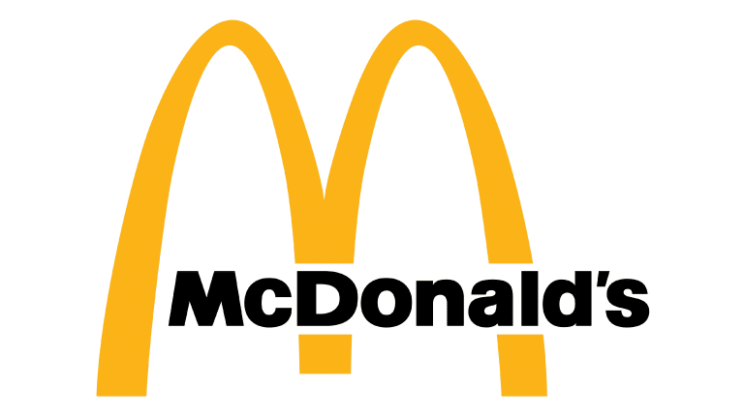
McDonald's Sales Analysis
Executive Dashboard

$61,003.78
Total Revenue
$11.36
AVG_order_value
12234
Total qty sold
5370
Total order
$677.82
Avg_value_order_per_day

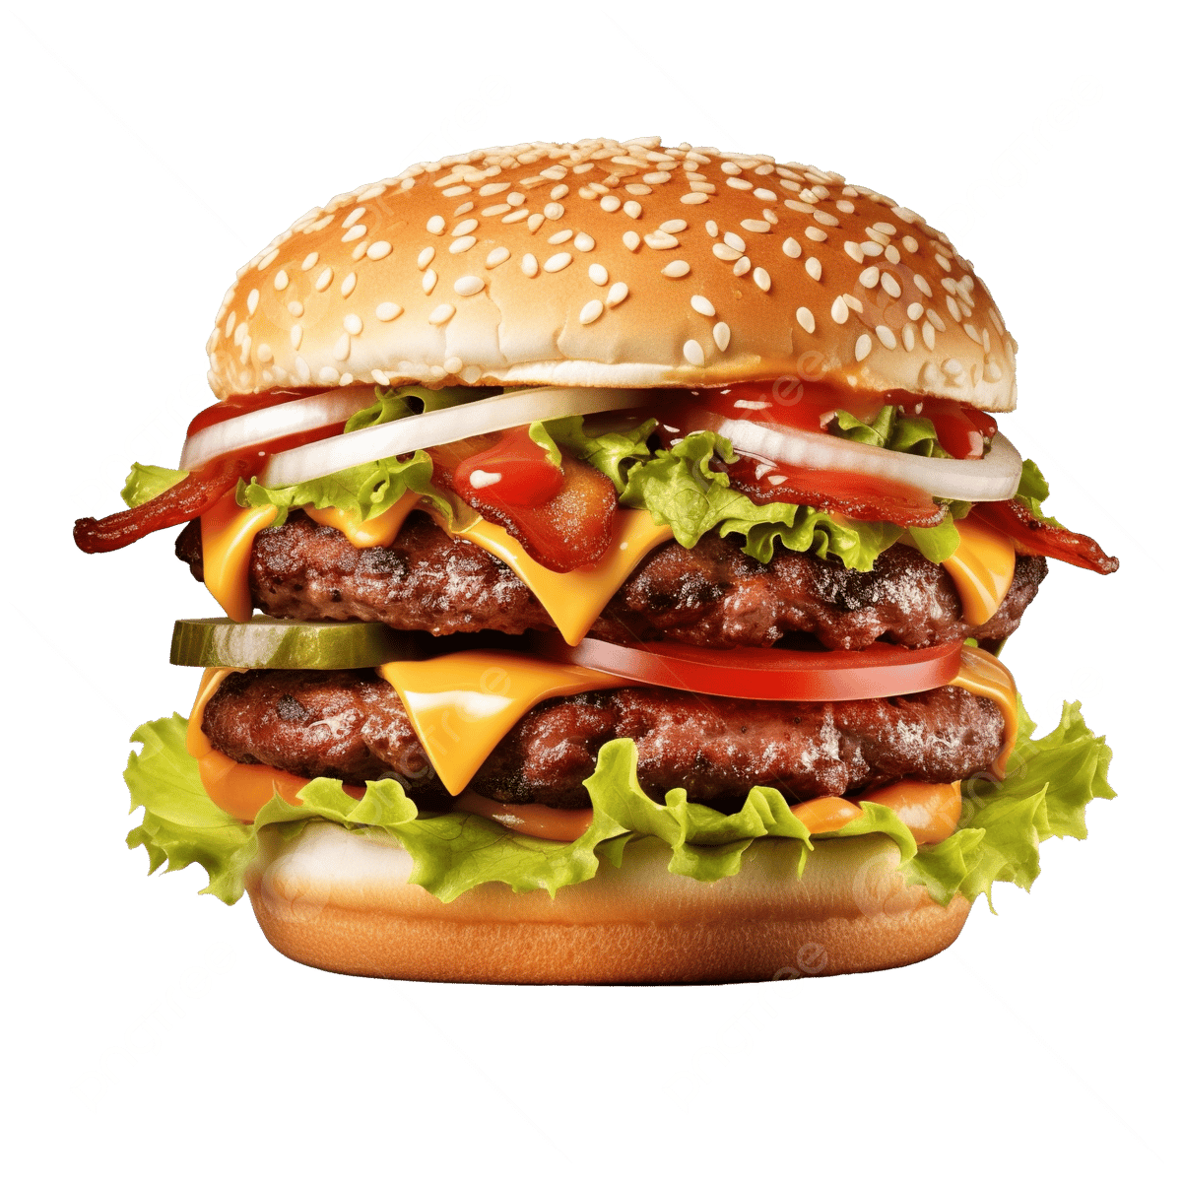
 | Total
Burger | $21,459.99
Chicken | $12,283.45
Pasta | $9,147.14
Sandwich | $8,131.73
Sides | $2,817.19
3641
Burger
Most Frequently order Item
Total revenue by category
 | Total
Breakfast | $1,269.45
Burger | $21,459.99
Chicken | $12,283.45
Fries | $2,463.36
Pasta | $9,147.14
Salad | $1,136.43
Sandwich | $8,131.73
Shakes | $1,073.41
Sides | $2,817.19
Wraps | $1,221.63
Order placed each day
 | Total
Monday | ₹ 10,066.06
Tuesday | ₹ 8,909.68
Wednesday | ₹ 7,584.25
Thursday | ₹ 8,357.13
Friday | ₹ 9,112.26
Saturday | ₹ 8,144.89
Sunday | ₹ 8,829.51

Top 5 category sales
 | Total
Burger | $21,459.99
Chicken | $12,283.45
Pasta | $9,147.14
Sandwich | $8,131.73
Sides | $2,817.19
 | Burger | Chicken | Pasta | Sandwich | Sides
Jan | $7,384.15 | $4,115.80 | $3,037.39 | $2,664.77 | $983.18
Feb | $6,878.87 | $3,925.26 | $2,973.47 | $2,553.33 | $887.57
Mar | $7,196.97 | $4,242.39 | $3,136.28 | $2,913.63 | $946.44
Order value by time of day
 | Total
Afternoon | $30,066.66
Evening | $23,211.91
Morning | $3,058.50
Night | $4,666.71

Weekdays v/s weekend
 | Total
Friday | $9,112.26
Monday | $10,066.06
Thursday | $8,357.13
Tuesday | $8,909.68
Wednesday | $7,584.25
Saturday | $8,144.89
Sunday | $8,829.51
Executive summary
* Total revenue generated was $61,003.78 from 5,370 orders, with an average order value of $11.36. * A total of 12,234 items were sold, showing strong overall customer demand.
* Burger category contributed the highest sales and was the most frequently ordered item with 3,641 orders. * Monday recorded the highest sales revenue, while sales remained fairly consistent throughout the week.
* The Afternoon time slot generated the highest order value (49%), indicating peak customer activity during lunch hours.
* Categories like Chicken and Pasta also performed strongly, while Wraps and Sides contributed comparatively lower sales.
Sales Performance by category over Months
Category | Jan | Feb | Mar | Grand Total
Breakfast | $463.14 | $393.39 | $412.92 | $1,269.45
Burger | $7,384.15 | $6,878.87 | $7,196.97 | $21,459.99
Chicken | $4,115.80 | $3,925.26 | $4,242.39 | $12,283.45
Fries | $845.04 | $739.20 | $879.12 | $2,463.36
Pasta | $3,037.39 | $2,973.47 | $3,136.28 | $9,147.14
Salad | $362.34 | $351.36 | $422.73 | $1,136.43
Sandwich | $2,664.77 | $2,553.33 | $2,913.63 | $8,131.73
Shakes | $385.71 | $310.96 | $376.74 | $1,073.41
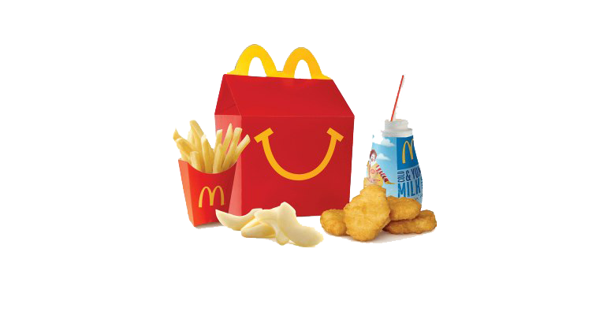
Sides | $983.18 | $887.57 | $946.44 | $2,817.19
Wraps | $365.00 | $470.71 | $385.92 | $1,221.63
Grand Total | $20,606.52 | $19,484.12 | $20,913.14 | $61,003.78

Month wise sale
 | Total
Jan | $20,606.52
Feb | $19,484.12
Mar | $20,913.14
 | Total
Friday | $9,112.26
Monday | $10,066.06
Thursday | $8,357.13
Tuesday | $8,909.68
Wednesday | $7,584.25
Saturday | $8,144.89
Sunday | $8,829.51

 | Total
Afternoon | $30,066.66
Evening | $23,211.91
Morning | $3,058.50
Night | $4,666.71

