update & cancellation
Test case id | Priority | Test Scenario | Test Cases | Test Steps | Expected Result | Actual Result | Pass/Fail | Screenshot

TC001 | High | Varify the URL of the website | varify the valide URL | 1- Open chrome Browser 2- Enter valid URL | It should be redirected to login page | It is redirected to login page | Pass
 |  |  | varify the invalide URL | 1- Open chrome Browser 2- Enter invalid URL | It should not be redirected to login page | It is not redirected to login page | Pass
TC002 | High | Varify the login page of website | enter the incorrect login ID and incorrect passord | 1- Open chrome Browser 2- Enter valid URL 3 -Enter incorrect login ID and Incorrect Password | Login should be failed and error message of invalid email or password should be seen in red letters | Login is failed and error message of invalid email or password is seen in red letters | Pass
 | High |  | enter the correct login ID and incorrect passord | 1- Open chrome Browser 2- Enter valid URL 3-Enter correct login ID and Incorrect Password | Login should be failed and error message of invalid email or password should be seen in red letters | Login is failed and error message of invalid email or password is seen in red letters | Pass
 | High |  | enter the incorrect login ID and correct passord | 1- Open chrome Browser 2- Enter valid URL 3-Enter incorrect login ID and correct Password | Login should be failed and error message of invalid email or password should be seen in red letters | Login is failed and error message of invalid email or password is seen in red letters | Pass
 | High |  | enter the correct login ID and correct passord | 1- Open chrome Browser 2- Enter valid URL 3-Enter correct login ID and correct Password | Login should be successful and redirect to home page of website | Login is successful and redirect to home page of website | Pass
TC003 | low | Verify person tab is clicable or not | Verify that "hi massage " shown at the right side | 1- Open chrome Browser 2- Enter valid URL 3-Enter correct login ID and correct Password 4-Click on person tab | "hi massage " should be shown at the right side | "hi massage " shown at the right side | Pass
TC004 | High | Verify the logging account is your or not | verify the your name is shown at the side of person tab or not | 1- Open chrome Browser 2- Enter valid URL 3-Enter correct login ID and correct Password 4-check your name | Your name is shown at the side of person tab | Your name is shown at the side of person tab | Pass | 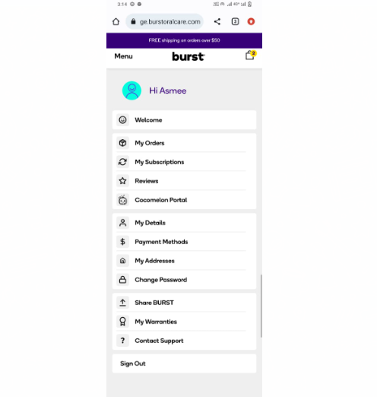
TC005 | High | Verify the my order tab | verify the order tab is clickable or not | 1- Open chrome Browser 2- Enter valid URL 3-Enter correct login ID and correct Password 4-Click on person tab 5-Click on order tab | My order page should be open | My order page is open | Pass
TC006 | Medium | Verify the existing order that is eligible for update and cancellation or not | Verify order "eligible for update and canceellation" or not | 1- Open chrome Browser 2- Enter valid URL 3-Enter correct login ID and correct Password 4-Click on person tab 5-Click on my order tab 6-check the order eligible for update and cancellation | Order eligible for update & cancellation | Remove & Edit Subscription shown | 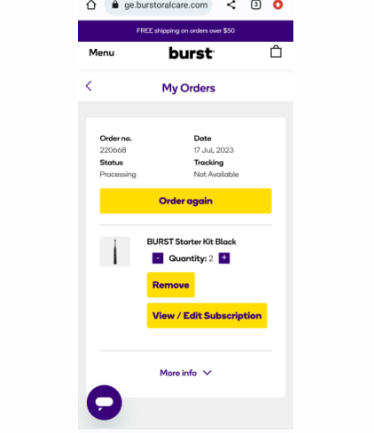 Pass
 | Medium |  | Verify edit subscription button is clickable or not | 1- Open chrome Browser 2- Enter valid URL 3-Enter correct login ID and correct Password 4-Click on person tab 5-Click on my order tab 6-check the order eligible for update & cancellation 7-Verify the Edit Subscription button | Edit Subscription button is clickable | Edit this Subscription is shown | 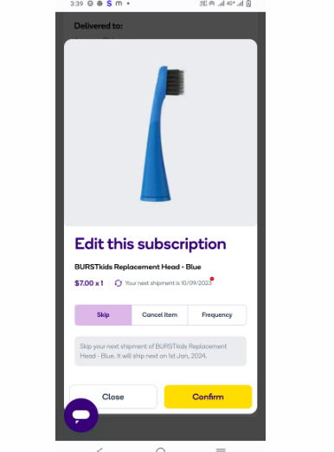 Pass
 | Medium |  | Verify the product color is change or not | 1- Open chrome Browser 2- Enter valid URL 3-Enter correct login ID and correct Password 4-Click on person tab 5-Click on my order tab 6-check the order eligible for update & cancellation 7-Verify the Edit Subscription button 8-Verify the product colour is changed | Product color is changed | Product color pink is shown | Pass | 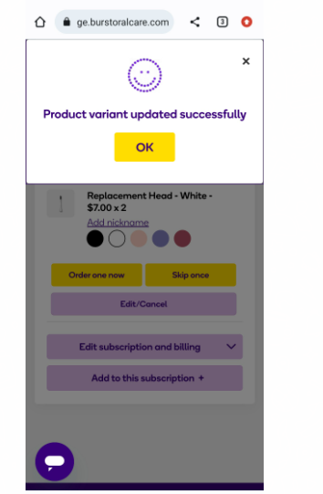
 | Medium |  | Verify the product quantity is change or not | 6-check the order eligible for update & cancellation 7-Verify the Edit Subscription button 8-Verify the product colour is change 9-Verify the product quantity is changed | Product quantity changed | Product quantity added is shown | 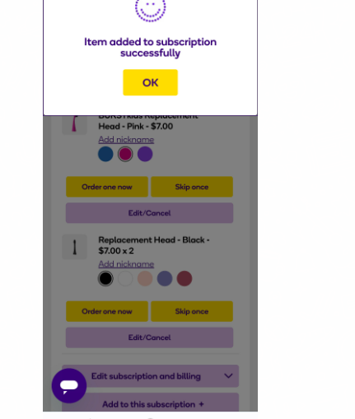 Pass
 | High |  | Verify the order details has successfully updated or not | 6-check the order eligible for update & cancellation 7-Verify the Edit Subscription button 8-Verify the product colour is change 9-Verify the product quantity is changed 10-verify the order details are successfully updated | order details are successfully updated | order details are successfully updated shown | Pass | 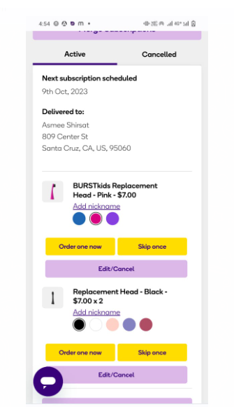
 | Medium |  | Verify the placed an order successfully or not | 6-check the order eligible for update & cancellation 7-Verify the Edit Subscription button 8-Verify the product colour is change 9-Verify the product quantity is changed 10-verify the order details are successfully updated 11- Verify the placed an order successfully | Placed an order successfully | Placed an order successfully shown | Pass | 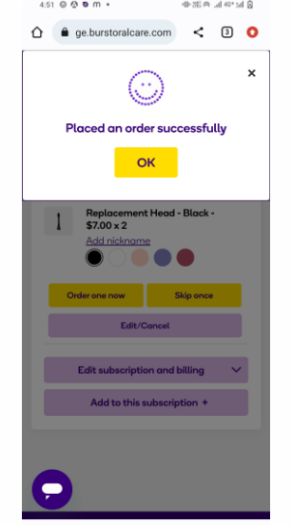
 | Medium |  | Verify the cancel item button is shown or not | 6-check the order eligible for update & cancellation 7-Verify the Edit Subscription button 8-Verify the cancel item button | Cancel item button is shown | Cancel item button is shown | pass | 
 | High |  | Verify the cancel item button is clickable or not | 6-check the order eligible for update & cancellation 7-Verify the Edit Subscription button 8-Verify the cancel item button 9-Verify the cancle item button is clickable | Cancel item button is clickable | Cancel item button is clickable | Pass
 | Medium |  | Verify the Provide a valid reason for cancellation or not | 6-check the order eligible for update & cancellation 7-Verify the Edit Subscription button 8-Verify the cancel item button 9-Verify the cancle item button is clickable 10-Provide the valid reason for cancellation | Provide the valid reason for cancellation shown | Provide the valid reason for cancellation shown | Pass | 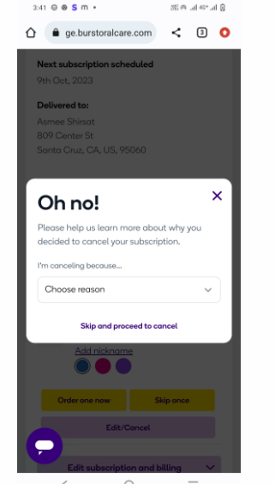
 | High |  | Verify confirm the cancellation or not | 6-check the order eligible for update & cancellation 7-Verify the Edit Subscription button 8-Verify the cancel item button 9-Verify the cancle item button is clickable 10-Provide the valid reason for cancellation 11-Verify the confirm cancellation | Cancellation Successfully Shown | Subscription Successfully cancelled shown | Pass | 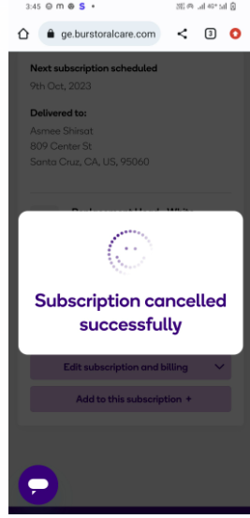
 | Medium |  | Verify that the order status has changed to cancel | 6-check the order eligible for update & cancellation 7-Verify the Edit Subscription button 8-Verify the cancel item button 9-Verify the cancle item button is clickable 10-Provide the valid reason for cancellation 11-Verify the confirm cancellation 12-Verify the order status has changed to cancel | Order Status has changed to cancel is shown | Order Status has changed to cancel is shown | Pass | 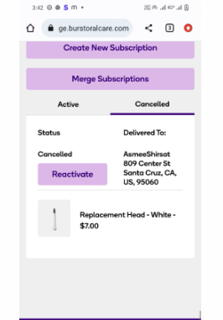
 | Medium |  | Verify the cancel order is no longer Visible in the my order Section | 6-check the order eligible for update & cancellation 7-Verify the Edit Subscription button 8-Verify the cancel item button 9-Verify the cancle item button is clickable 10-Provide the valid reason for cancellation 11-Verify the confirm cancellation 12-Verify the order status has changed to cancel 13-check the cancel order is no longer is visible in my order section | Cancel order is not shown in my order section | Cancel order is not shown in my order section | Pass | 