Dashboard
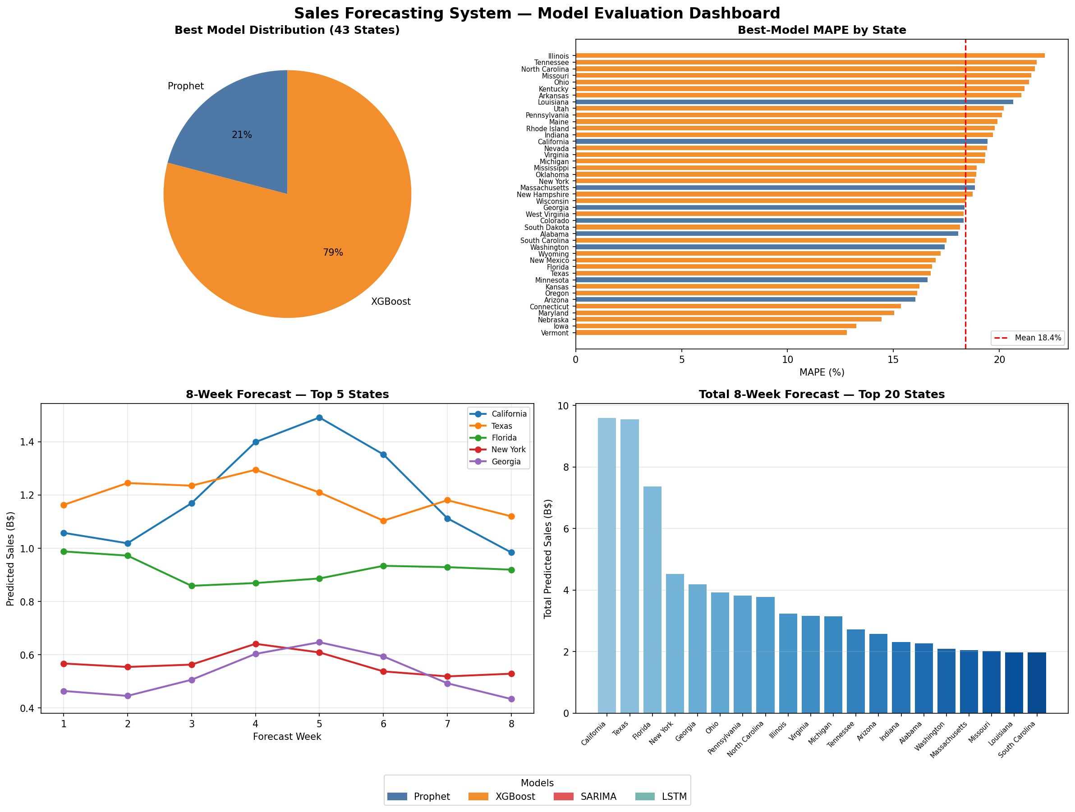
Model Evaluation Dashboard

