Sheet1
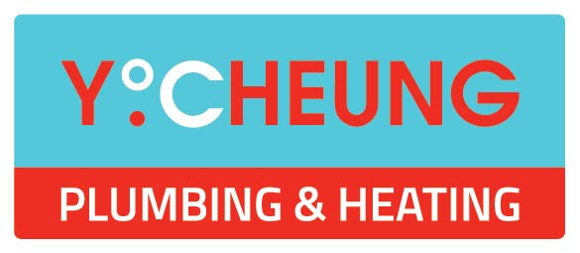
Foyle Hospice

All TMVs on site
RP: | Y. Cheung | C. Jeffrey
Calibrated EQ.: | Testo 925
 | Anton APM200
 | Thermapen 3

Date |  | Building | Location | Type | Temp. Celcius | Comments | NEW TEMP | COMMENTS

 |  | Main | Apartment 3 | WHB | 42
 |  | Main | Apartment 3 | Shower | - | Faulty shower
 |  | Main | Apartment 2 | WHB | - | TMV Fail
 |  | Main | Apartment 2 | Shower | 42
 |  | Main | Apartment 1 | WHB | 42
 |  | Main | Apartment 1 | Shower | 41
 |  | Main | Relatives WC | WHB | 41
 |  | Main | Disabled WC (opposite Committee Room) | WHB | - | Isolation valves faulty
 |  | Main | Toilet Reception | WHB | - | Isolation valves faulty
 |  | Main | Room 1 | WHB | 41 | Isolation valves in bad condition
 |  | Main | Room 1 | Shower | 42
 |  | Main | Room 1 | WHB | - | Isolation valves faulty
 |  | Main | Room 2 | WHB | 41
 |  | Main | Room 2 | Shower | - | Faulty shower
 |  | Main | Room 2 | WHB | 42
 |  | Main | Room 3 | WHB | - | Isolation valves faulty
 |  | Main | Room 3 | Shower | 41
 |  | Main | Room 3 | WHB | - | Isolation valves faulty
 |  | Main | WC Main Corridor | WHB | - | Isolation valves faulty
 |  | Main | Nurses Station | WHB | - | TMV Fail, isolation valves in bad condition
 |  | Main | Heather Room | WHB | - | No isolation
 |  | Main | Heather Room | Shower | 43
 |  | Main | Heather Room | WHB | - | No isolation
 |  | Main | Treatment Room | WHB | 44
 |  | Main | Alpine Room 1 | WHB | - | Isolation valves faulty
 |  | Main | Alpine Room 1 | Shower | 43
 |  | Main | Alpine Room 1 | WHB | 42
 |  | Main | Alpine Room 2 | WHB | 42
 |  | Main | Alpine Room 2 | Shower | 41
 |  | Main | Alpine Room 2 | WHB | 42
 |  | Main | Room 4 | WHB | - | Isolation valves faulty
 |  | Main | Room 4 | Shower | 41
 |  | Main | Room 4 | WHB | 42
 |  | Main | Room 5 | WHB | - | Isolation valves faulty
 |  | Main | Room 5 | Shower | 42
 |  | Main | Room 5 | WHB | - | Isolation valves faulty
 |  | Main | Jacuzzi Room | Bath | 41
 |  | Main | Jacuzzi Room | Spray WHB | 38
 |  | Main | Jacuzzi Room | WHB | 40
 |  | Main | Female Staff Changing | WHB | - | Isolation valves faulty
 |  | Main | Female Staff Changing | WHB | 43
 |  | Main | Male Staff Changing | Shower | - | Isolation valves faulty
 |  | Main | Male Staff Changing | Shower | - | Faulty shower, cartridge required
 |  | Main | Male Staff Changing | WHB | - | Isolation valves faulty

 |  | Day Centre | Staff WC | WHB | - | TMV Fail
 |  | Day Centre | Disabled WC | Shower | 47 | Shower Faulty
 |  | Day Centre | Therapy Room | WHB | - | TMV Fail
 |  | Day Centre | Doctors Office | WHB | 41
 |  | Day Centre | Hairdressing Room | WHB | 43
 |  | Day Centre | Nurses Office | WHB | - | TMV Fail
 |  | Day Centre | Assisted Bathroom | WHB | - | TMV Fail
 |  | Day Centre | Assisted Bathroom | Shower
 |  | Day Centre | Female WC | WHB | - | TMV Fail
 |  | Day Centre | Female WC | WHB | - | TMV Fail
 |  | Day Centre | Male WC | WHB | - | TMV Fail
 |  | Day Centre | Male WC | WHB | 43
 | r | Day Centre | Copper Room | WHB | 42
 |  | Day Centre | Ladies Room | WHB | 36 | -
 |  | Day Centre | Public WC | WHB | - | Tap Broken |  | 59

TOTAL COUNT - 59 |  | Recommend TMV to be fitted in Disabled WC WHB
 |  | Recommend dead legs to be removed from Assisted Bathroom
 |  | Recommend Failed TMVs to be replaced
 |  | Recommend Failed Showers to be replaced
 |  | Recommend isolation valves to be replaced / fitted where faulty/missing

