Reading_01
 | ROUGE 1 |  |  |  |  |  |  |  | ROUGE L
 | llama3-70b-8192 | mixtral-8x7b-32768 | gemma-7b-it | claude-3-opus | gpt-3.5-turbo |  |  |  | llama3-70b-8192 | mixtral-8x7b-32768 | gemma-7b-it | claude-3-opus | gpt-3.5-turbo
v0-unstruct | 0.72464906593 | 0.62761682408 | 0.38313274028 | 0 | 0 | 0.57846621009 | 2 | v0-unstruct | 0.55344223149 | 0.51475767149 | 0.30115122972 | 0 | 0 | 0.45645037757 | 2
v1-html | 0.49982578011 | 0.43523827852 | 0.30738522954 | 0 | 0 | 0.41414976272 | 9 | v1-html | 0.36036963582 | 0.27573187971 | 0.26347305389 | 0 | 0 | 0.29985818981 | 9
v1-json | 0.54521269983 | 0.46271629357 | 0.29395028452 | 0 | 0 | 0.43395975931 | 8 | v1-json | 0.36238976086 | 0.30778205122 | 0.25756214435 | 0 | 0 | 0.30924465214 | 8
v2-custom1 | 0.60989830995 | 0.54562314346 | 0.34161670988 | 0 | 0 | 0.49904605443 | 6 | v2-custom1 | 0.44434331003 | 0.41671048506 | 0.27364470502 | 0 | 0 | 0.37823283337 | 6
v2-custom2 | 0.68420650845 | 0.56550541657 | 0.35484567901 | 0 | 0 | 0.53485253468 | 4 | v2-custom2 | 0.53074301756 | 0.357831294 | 0.27904320988 | 0 | 0 | 0.38920584048 | 5
v2-html | 0.74671364674 | 0.5437852522 | 0.35456412706 | 0 | 0 | 0.548354342 | 3 | v2-html | 0.62230958749 | 0.41243377359 | 0.29028049784 | 0 | 0 | 0.44167461964 | 3
v2-json | 0.56245147783 | 0.43019750239 | 0.39773357461 | 0 | 0 | 0.46346085161 | 7 | v2-json | 0.42207427956 | 0.32910499681 | 0.33907803776 | 0 | 0 | 0.36341910471 | 7
v2-md | 0.68273115081 | 0.52807935013 | 0.36431921423 | 0 | 0 | 0.52504323839 | 5 | v2-md | 0.56385667282 | 0.34243817542 | 0.29144999634 | 0 | 0 | 0.39924828152 | 4
v2-toml | 0.67405256073 | 0.58713510561 | 0.48380330142 | 0 | 0 | 0.58166365592 | 1 | v2-toml | 0.56667539981 | 0.50320637502 | 0.38356826991 | 0 | 0 | 0.48448334825 | 1
 | v2-html | v0-unstruct | v2-toml |  |  | v2-toml |  |  | v2-html | v0-unstruct | v2-toml |  |  | v2-toml

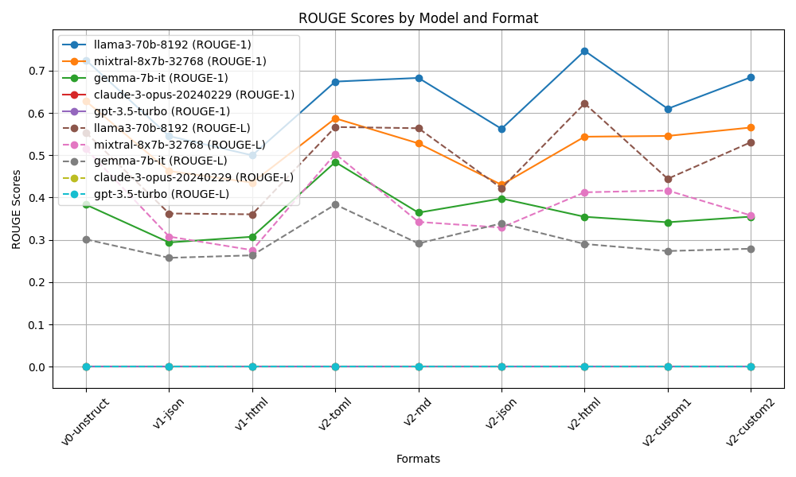
 | Notes:
 | V2-Custom1 : HTML Heads and JSON Body
 | V2-Custom1 : JSON Heads and HTML Body
 | V1-Extraction not good
 | V2-Toml and V2-HTML Outperformed
 | Rouge Scores taken 3 times and averaged output

Reading_02
 | ROUGE 1 |  |  |  |  |  |  |  |  | ROUGE L
 | llama3-70b-8192 | mixtral-8x7b-32768 | gemma-7b-it | claude-3-opus | gpt-3.5-turbo |  |  |  | llama3-70b-8192 | mixtral-8x7b-32768 | gemma-7b-it | claude-3-opus | gpt-3.5-turbo
v0-unstruct | 0.72791390884 | 0.60253356658 | 0.32055959022 | 0.68708153666 | 0 | 0.77936286743 | 6 | v0-unstruct | 0.60671315518 | 0.45125633677 | 0.25926026889 | 0.49117060711 | 0 | 0.60280012265 | 6
v2-custom1 | 0.72726746803 | 0.55395784463 | 0.3497314508 | 0.73702295671 | 0 | 0.78932657339 | 3 | v2-custom1 | 0.63882226303 | 0.45266754756 | 0.28065313835 | 0.62041916499 | 0 | 0.66418737131 | 1
v2-custom2 | 0.6242877897 | 0.5648496625 | 0.41646416528 | 0.65863661052 | 0 | 0.75474607601 | 7 | v2-custom2 | 0.46072637043 | 0.3522087193 | 0.3473273584 | 0.46537121242 | 0 | 0.54187788685 | 8
v2-custom3 | 0.77068830913 | 0.57707537347 | 0.33261983559 | 0.72476277931 | 0 | 0.8017154325 | 1 | v2-custom3 | 0.67501680765 | 0.50400579582 | 0.25305485372 | 0.54725028058 | 0 | 0.65977591259 | 2
v2-html | 0.73642280546 | 0.51518245663 | 0.41469292208 | 0.72292026664 | 0 | 0.79640615027 | 2 | v2-html | 0.61389278735 | 0.40567059168 | 0.33353475965 | 0.54386172757 | 0 | 0.63231995541 | 3
v2-json | 0.61681258476 | 0.63227715818 | 0.38030037019 | 0.72040200434 | 0 | 0.78326403916 | 5 | v2-json | 0.47027929041 | 0.47782541684 | 0.29178847515 | 0.56930702625 | 0 | 0.60306673622 | 5
v2-md | 0.69033316222 | 0.52663667503 | 0.3381517811 | 0.66278526902 | 0 | 0.73930229579 | 8 | v2-md | 0.54059290171 | 0.40178802936 | 0.26350255263 | 0.44932854179 | 0 | 0.55173734183 | 7
v2-toml | 0.70786525359 | 0.61043084207 | 0.35471960989 | 0.67888262952 | 0 | 0.78396611169 | 4 | v2-toml | 0.57249687272 | 0.5076956031 | 0.29313827935 | 0.46125335757 | 0 | 0.61152803758 | 4
 | v2-custom3 | v2-json | v2-custom2 | v2-custom1 |  | v2-custom3 |  |  | v2-custom3 | v2-toml | v2-custom2 | v2-custom1 |  | v2-custom1

 | Notes:
 | V2-Custom3 and V2-Toml, format takes up lot of input tokens, hence only 2 docs was parsed as context. (others 4 docs)
 | V2-Custom3 : Toml Heads and HTML Body Outperformed
 | Rouge Scores taken 3 times and averaged output
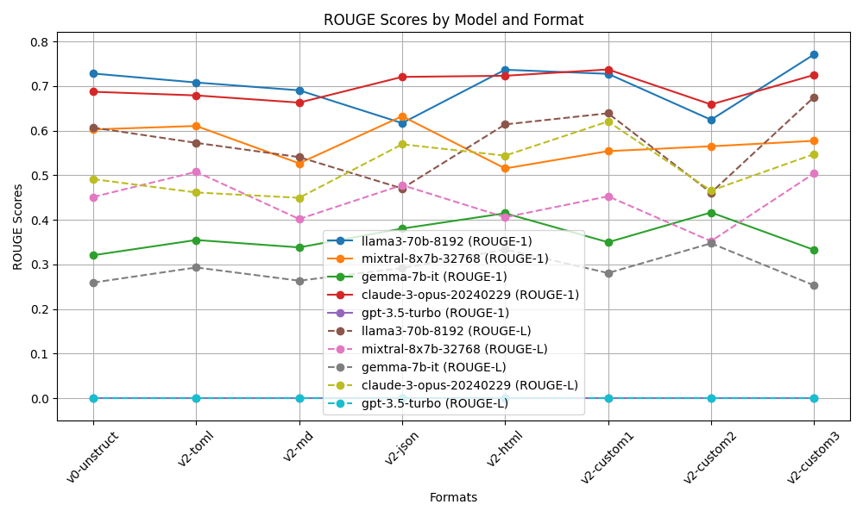

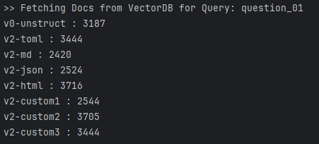

 | Input ContextToken Count

