Sheet10
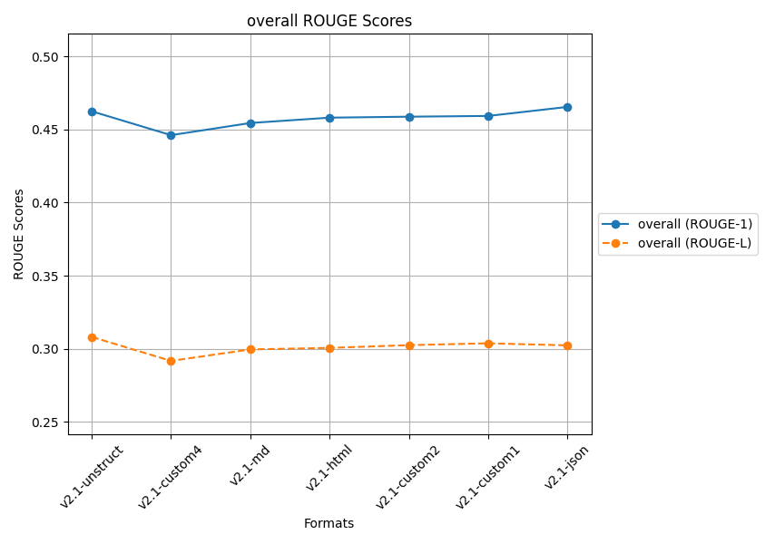
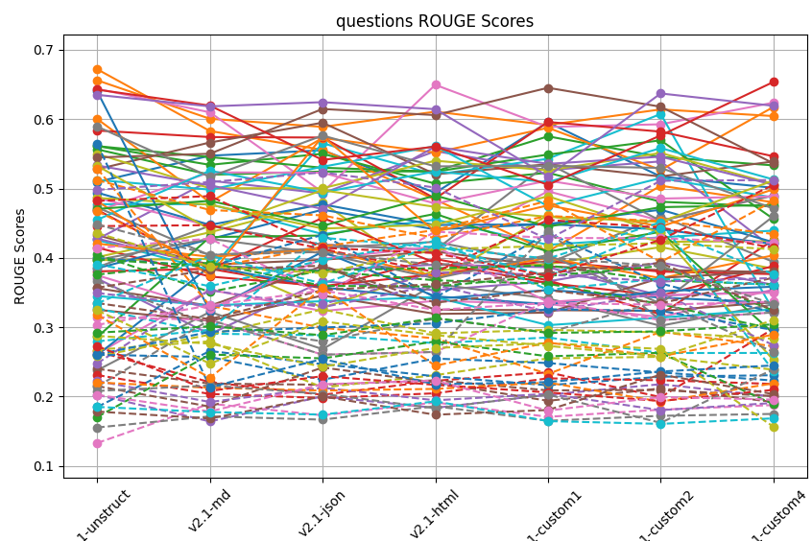
 | ROUGE 1
 | Q1 | Q2 | Q3 | Q4 | Q5 | Q6 | Q7 | Q8 | Q9 | Q10 | Q11 | Q12 | Q13 | Q14 | Q15 | Q16 | Q17 | Q18 | Q19 | Q20 | Q21 | Q22 | Q23 | Q24 | Q25 | Q26 | Q27 | Q28 | Q29 | Q30 | Q31 | Q32 | Q33 | Q34 | Q35 | Q36 | Q37 | Q38 | Q39 | Q40 | Q41 | Q42 | Q43 | Q44 | Q45 | Q46 | Q47 | Q48 | Q49 | Q50
v2.1-unstruct | 0.50955696984 | 0.65595952915 | 0.55643467823 | 0.38054069849 | 0.37022490852 | 0.43272417053 | 0.26174438687 | 0.23798452 | 0.39670351753 | 0.4773702662 | 0.25987077363 | 0.67191745917 | 0.56110988064 | 0.41491150242 | 0.42687357774 | 0.35633284452 | 0.64364143574 | 0.4727787742 | 0.40096554778 | 0.42578204862 | 0.38499926286 | 0.60027976516 | 0.56112356523 | 0.5835106105 | 0.42771783397 | 0.52769433781 | 0.48637172168 | 0.38637172168 | 0.54972069631 | 0.5123852485 | 0.49409109928 | 0.42060283163 | 0.28579965081 | 0.46927230779 | 0.533239139 | 0.54474995554 | 0.46745412252 | 0.39699264539 | 0.48635435467 | 0.45491997088 | 0.24005363059 | 0.48204260548 | 0.47048574207 | 0.64251609519 | 0.63500529789 | 0.32521938982 | 0.37494775458 | 0.58923774739 | 0.53265294612 | 0.34499940931 | 0.46248477899
v2.1-md | 0.54728189328 | 0.60054115222 | 0.51979225489 | 0.38429662748 | 0.29010842549 | 0.39014177309 | 0.3540350515 | 0.3221079147 | 0.39855610145 | 0.47738415554 | 0.38757344206 | 0.5829083684 | 0.53409902251 | 0.37310492283 | 0.51130172207 | 0.33097612176 | 0.60981216141 | 0.40380350866 | 0.43682407249 | 0.38259480705 | 0.42693489786 | 0.48025124908 | 0.54530346837 | 0.57415170109 | 0.38881110636 | 0.56631023598 | 0.44622067833 | 0.44622067833 | 0.50035837254 | 0.49839433809 | 0.4476184391 | 0.40153054321 | 0.43000907142 | 0.38375354889 | 0.50462626046 | 0.55008125534 | 0.52327481315 | 0.42759632266 | 0.47686161248 | 0.52558165362 | 0.32361397281 | 0.37463929683 | 0.48224345708 | 0.61950041501 | 0.61836504614 | 0.30924335472 | 0.3259450786 | 0.51681373659 | 0.44098386357 | 0.33153058373 | 0.45448025101
v2.1-json | 0.55506954625 | 0.58880249876 | 0.52442877397 | 0.35629337501 | 0.36620064061 | 0.39728178293 | 0.32340166598 | 0.2684507206 | 0.32825592684 | 0.43429856681 | 0.35733631934 | 0.55571960817 | 0.5500985599 | 0.35944075223 | 0.49299214853 | 0.38829878991 | 0.49463954195 | 0.41410661939 | 0.4794848974 | 0.56525943048 | 0.46953171852 | 0.57279833502 | 0.52991041811 | 0.57345364368 | 0.38196795605 | 0.59487673954 | 0.41911552272 | 0.41911552272 | 0.50034985773 | 0.53133969462 | 0.47711867294 | 0.41236596473 | 0.43216852439 | 0.45763904805 | 0.47061502154 | 0.6146212209 | 0.52278039719 | 0.40639206727 | 0.44223791515 | 0.49431431092 | 0.40893573487 | 0.57517323932 | 0.44615533763 | 0.54122443501 | 0.62443616635 | 0.34574856196 | 0.39874961051 | 0.57629386899 | 0.49752277442 | 0.33755228106 | 0.46548729454
v2.1-html | 0.49387467825 | 0.61072384316 | 0.52469923454 | 0.39847039817 | 0.35334086036 | 0.40927021534 | 0.33809273572 | 0.36232959094 | 0.38178912117 | 0.45516243612 | 0.3410644759 | 0.48400086444 | 0.50697023283 | 0.37647772799 | 0.5538789166 | 0.32528737573 | 0.64943334354 | 0.42311852633 | 0.3664939226 | 0.52004661991 | 0.44095137748 | 0.55170216055 | 0.52434578674 | 0.48551420284 | 0.3902750681 | 0.52062042508 | 0.41117090368 | 0.41117090368 | 0.54006939328 | 0.56112771562 | 0.44738594739 | 0.37268581152 | 0.46345906226 | 0.39288243751 | 0.56030910382 | 0.60582192124 | 0.47829768798 | 0.37039035952 | 0.44788523355 | 0.52460512707 | 0.34452866154 | 0.43790612476 | 0.4898386486 | 0.56041395995 | 0.61432355729 | 0.31925374908 | 0.41633523147 | 0.53190274215 | 0.4734853401 | 0.34348276428 | 0.45813333056
v2.1-custom1 | 0.59544688579 | 0.59158993467 | 0.57519019749 | 0.36771402154 | 0.36614269091 | 0.38750091658 | 0.33356412762 | 0.34146598687 | 0.39100195131 | 0.41883480825 | 0.3536333265 | 0.40941084804 | 0.52269747895 | 0.39536560498 | 0.52639870904 | 0.32462631433 | 0.58868215118 | 0.39194528707 | 0.46159655132 | 0.54287227473 | 0.44880251674 | 0.58750590797 | 0.54896193652 | 0.59587513559 | 0.38656099657 | 0.53497973395 | 0.495965649 | 0.535965649 | 0.52619409601 | 0.47458716508 | 0.44842199302 | 0.39977184685 | 0.40901927214 | 0.36373798185 | 0.53552181813 | 0.64515656607 | 0.51134546249 | 0.404112737 | 0.48879695242 | 0.5091564349 | 0.33336153514 | 0.47568943622 | 0.44506040094 | 0.50543636258 | 0.51759680812 | 0.32103730802 | 0.33642840882 | 0.53264249345 | 0.45924263018 | 0.30302965882 | 0.45931289922
v2.1-custom2 | 0.51718654929 | 0.61399184064 | 0.54545073275 | 0.31862440088 | 0.3934412518 | 0.3824822838 | 0.31446551909 | 0.30219349267 | 0.41553936925 | 0.42960372685 | 0.34289608802 | 0.503957767 | 0.48087018027 | 0.38020389728 | 0.53905851063 | 0.32365698315 | 0.59255034556 | 0.45991088576 | 0.42314203941 | 0.6073782843 | 0.46942056423 | 0.5266756426 | 0.56940304293 | 0.58197482179 | 0.3456019468 | 0.51731468936 | 0.45352431664 | 0.45352431664 | 0.55121622903 | 0.51505223034 | 0.44116806912 | 0.37078840599 | 0.43756622707 | 0.34560478993 | 0.54585835942 | 0.61786407927 | 0.48546194356 | 0.33414416076 | 0.43614333311 | 0.55828305348 | 0.35189059347 | 0.44508105691 | 0.47310023435 | 0.57649183296 | 0.63697549364 | 0.37118369088 | 0.34646493326 | 0.52970826453 | 0.45189911602 | 0.31391141117 | 0.45879801995
v2.1-custom4 | 0.50095715727 | 0.60444673363 | 0.53332010481 | 0.42582548971 | 0.36112600534 | 0.37960685944 | 0.35438886471 | 0.33306538213 | 0.38442582608 | 0.43930878805 | 0.33493808488 | 0.48012781506 | 0.47401250054 | 0.37661696351 | 0.41373740702 | 0.33621015341 | 0.62369465889 | 0.39423605003 | 0.42411706626 | 0.32405245065 | 0.42258308038 | 0.61744047077 | 0.45617053876 | 0.54638828187 | 0.35106646986 | 0.53899030194 | 0.48989717412 | 0.48989717412 | 0.50641552645 | 0.4869632665 | 0.41987824444 | 0.40364547841 | 0.29107699535 | 0.3882159174 | 0.50543973388 | 0.53629370418 | 0.48863813547 | 0.45996266604 | 0.25264966188 | 0.51300446438 | 0.35846091069 | 0.49883161665 | 0.4762153073 | 0.65354194641 | 0.61919281816 | 0.38048688479 | 0.34978409515 | 0.47112717238 | 0.51149185608 | 0.32581736792 | 0.44615563246
 | v2.1-custom1 | v2.1-unstruct | v2.1-custom1 | v2.1-custom4 | v2.1-custom2 | v2.1-unstruct | v2.1-custom4 | v2.1-html | v2.1-custom2 | v2.1-md | v2.1-md | v2.1-unstruct | v2.1-unstruct | v2.1-unstruct | v2.1-html | v2.1-json | v2.1-html | v2.1-unstruct | v2.1-json | v2.1-custom2 | v2.1-json | v2.1-custom4 | v2.1-custom2 | v2.1-custom1 | v2.1-unstruct | v2.1-json | v2.1-custom1 | v2.1-custom1 | v2.1-custom2 | v2.1-html | v2.1-unstruct | v2.1-unstruct | v2.1-html | v2.1-unstruct | v2.1-html | v2.1-custom1 | v2.1-md | v2.1-custom4 | v2.1-custom1 | v2.1-custom2 | v2.1-json | v2.1-json | v2.1-html | v2.1-custom4 | v2.1-custom2 | v2.1-custom4 | v2.1-html | v2.1-unstruct | v2.1-unstruct | v2.1-unstruct | v2.1-json

 | ROUGE L
 | Q1 | Q2 | Q3 | Q4 | Q5 | Q6 | Q7 | Q8 | Q9 | Q10 | Q11 | Q12 | Q13 | Q14 | Q15 | Q16 | Q17 | Q18 | Q19 | Q20 | Q21 | Q22 | Q23 | Q24 | Q25 | Q26 | Q27 | Q28 | Q29 | Q30 | Q31 | Q32 | Q33 | Q34 | Q35 | Q36 | Q37 | Q38 | Q39 | Q40 | Q41 | Q42 | Q43 | Q44 | Q45 | Q46 | Q47 | Q48 | Q49 | Q50
v2.1-unstruct | 0.39966185025 | 0.51205602317 | 0.40470783312 | 0.26508203503 | 0.20264062471 | 0.2401055582 | 0.13316947877 | 0.1555433399 | 0.2676526277 | 0.3273791854 | 0.18509293283 | 0.52877967112 | 0.3976818014 | 0.23110828602 | 0.24790983785 | 0.21522710727 | 0.41427437853 | 0.36688616901 | 0.25823714856 | 0.27965437132 | 0.26089406523 | 0.46749354217 | 0.37597107572 | 0.44576898845 | 0.22250242473 | 0.35705068981 | 0.31455627258 | 0.21455627258 | 0.43577751081 | 0.39078822412 | 0.2603888759 | 0.22040907286 | 0.170568745 | 0.27290696491 | 0.34938120581 | 0.3348561879 | 0.30343731127 | 0.20816725452 | 0.28760755759 | 0.33432177268 | 0.21482607956 | 0.31760949125 | 0.29216096072 | 0.4821324739 | 0.49802480731 | 0.17845922999 | 0.20259512327 | 0.44814243994 | 0.32451795551 | 0.18522900111 | 0.30807903675
v2.1-md | 0.38746214563 | 0.46902277743 | 0.35100102924 | 0.2208795585 | 0.16423436119 | 0.21874760754 | 0.18985786734 | 0.17156998363 | 0.27977636502 | 0.29075959563 | 0.26576034638 | 0.33100906664 | 0.38803700193 | 0.20388206831 | 0.35355233557 | 0.18561615208 | 0.42788533775 | 0.30375338225 | 0.28925726713 | 0.29647146374 | 0.29331267283 | 0.38567524284 | 0.39310622093 | 0.44713862945 | 0.19232716026 | 0.38291331681 | 0.31069054861 | 0.31069054861 | 0.38718408719 | 0.3592051748 | 0.25711431713 | 0.21277258604 | 0.26075969662 | 0.20826640912 | 0.33072799953 | 0.31172224856 | 0.3314949882 | 0.21608259674 | 0.27625748149 | 0.40315397857 | 0.21360158665 | 0.22718927146 | 0.30135538529 | 0.48907732562 | 0.50930728508 | 0.16848027959 | 0.17864572599 | 0.40455145438 | 0.24762856802 | 0.17774189657 | 0.29953420792
v2.1-json | 0.4333039686 | 0.46125387313 | 0.38210459009 | 0.2027098476 | 0.2003396205 | 0.21716715895 | 0.17318974665 | 0.16683477784 | 0.21327138415 | 0.28846620897 | 0.2468804789 | 0.29918845055 | 0.3809610424 | 0.19797154418 | 0.32891981944 | 0.24200874084 | 0.34656960435 | 0.27961919894 | 0.32582489617 | 0.4290342899 | 0.2996324425 | 0.41616846313 | 0.35967303771 | 0.41285063596 | 0.21280447794 | 0.38867162349 | 0.26047824563 | 0.26047824563 | 0.37811918833 | 0.39684052785 | 0.22443048034 | 0.20875105009 | 0.25512297116 | 0.22951440238 | 0.33320316762 | 0.35374821422 | 0.35312782045 | 0.20402352337 | 0.24307770876 | 0.36309871308 | 0.25429578853 | 0.35638078056 | 0.28850465478 | 0.41450867495 | 0.52322019656 | 0.20022784603 | 0.21789720901 | 0.40861886191 | 0.30845958098 | 0.17408482217 | 0.30231265195
v2.1-html | 0.34275334007 | 0.42862508002 | 0.38514217067 | 0.22281440591 | 0.18381068302 | 0.22352531212 | 0.19164027831 | 0.18619968072 | 0.23093078081 | 0.27705947319 | 0.22928054676 | 0.28387120534 | 0.36769188666 | 0.20483010711 | 0.36085343016 | 0.22043770991 | 0.4378384321 | 0.31250384976 | 0.29124832444 | 0.41504159545 | 0.30561934592 | 0.44027042077 | 0.35879671113 | 0.3793592224 | 0.19469612847 | 0.33541074273 | 0.2643621313 | 0.2643621313 | 0.41242540961 | 0.4244632587 | 0.25488400488 | 0.21114674378 | 0.27952637684 | 0.21697987455 | 0.37884296791 | 0.36222509931 | 0.32490604095 | 0.18328003097 | 0.27016598681 | 0.41817448014 | 0.21785956886 | 0.24459890088 | 0.31339262026 | 0.40689136787 | 0.50134741342 | 0.1739073839 | 0.22306462732 | 0.38983354304 | 0.28863272449 | 0.19320860916 | 0.3005746432
v2.1-custom1 | 0.4357907016 | 0.46039219856 | 0.38910270385 | 0.23508075001 | 0.20274765352 | 0.20902122846 | 0.17088284194 | 0.16520778006 | 0.25516105964 | 0.28524187354 | 0.21640264102 | 0.2326619303 | 0.36269196327 | 0.22637065158 | 0.32208252075 | 0.19392910889 | 0.42878649129 | 0.29248417076 | 0.29619897755 | 0.39900105244 | 0.3258967286 | 0.48233029617 | 0.37390605964 | 0.45464514867 | 0.20406614193 | 0.35344570703 | 0.33781216841 | 0.43781216841 | 0.41710381316 | 0.35412360968 | 0.24843499413 | 0.2202440123 | 0.25810018809 | 0.20610058929 | 0.37605016123 | 0.37837948586 | 0.33512832961 | 0.20289752475 | 0.27709352512 | 0.37362901717 | 0.2209146928 | 0.27786616987 | 0.29177350523 | 0.37382987383 | 0.42678487888 | 0.18076074141 | 0.17988185773 | 0.40019802563 | 0.27316127614 | 0.16471405867 | 0.30372646097
v2.1-custom2 | 0.36313417759 | 0.45311196185 | 0.36752974646 | 0.19927824483 | 0.21792360287 | 0.20964683465 | 0.18120443994 | 0.17236410745 | 0.25737245296 | 0.26288348097 | 0.2287355726 | 0.29335015953 | 0.33338685936 | 0.22360100794 | 0.34934574307 | 0.21186397278 | 0.42823645513 | 0.33810136426 | 0.29266867805 | 0.451370896 | 0.32355871854 | 0.39402518427 | 0.38819881299 | 0.44358217797 | 0.18053886933 | 0.33449318252 | 0.31026186463 | 0.31026186463 | 0.42120453755 | 0.36991978509 | 0.23485166361 | 0.19286302352 | 0.26316860737 | 0.19370163961 | 0.36583258177 | 0.39254682665 | 0.33244228545 | 0.16227585525 | 0.26873522297 | 0.44198855275 | 0.2362007977 | 0.25804774594 | 0.29408238592 | 0.42612844478 | 0.51109089106 | 0.23172673729 | 0.19937359219 | 0.38815955021 | 0.25781673916 | 0.16071656074 | 0.30245808919
v2.1-custom4 | 0.32130347129 | 0.43448364666 | 0.36174279239 | 0.29788575917 | 0.20011027654 | 0.20086539897 | 0.18784307162 | 0.17509810215 | 0.23880530886 | 0.26295760333 | 0.23086064728 | 0.27263324312 | 0.29744275209 | 0.21830867975 | 0.27433412251 | 0.19229843559 | 0.42179335947 | 0.26441420198 | 0.2834416341 | 0.23714057481 | 0.29617272462 | 0.4820630154 | 0.32406138359 | 0.41458273868 | 0.19088920873 | 0.37144301308 | 0.32138858523 | 0.32138858523 | 0.41253838656 | 0.36082815675 | 0.22321199827 | 0.21912269537 | 0.18909404083 | 0.20976625374 | 0.37095601601 | 0.32490694357 | 0.33687180731 | 0.23935746453 | 0.15665239072 | 0.37652880635 | 0.24500016822 | 0.28939044936 | 0.30418542026 | 0.50527616095 | 0.51219758452 | 0.20367884742 | 0.19578353895 | 0.33319647619 | 0.31036943279 | 0.16873783367 | 0.29166806417
 | v2.1-custom1 | v2.1-unstruct | v2.1-unstruct | v2.1-custom4 | v2.1-custom2 | v2.1-unstruct | v2.1-html | v2.1-html | v2.1-md | v2.1-unstruct | v2.1-md | v2.1-unstruct | v2.1-unstruct | v2.1-unstruct | v2.1-html | v2.1-json | v2.1-html | v2.1-unstruct | v2.1-json | v2.1-custom2 | v2.1-custom1 | v2.1-custom1 | v2.1-md | v2.1-custom1 | v2.1-unstruct | v2.1-json | v2.1-custom1 | v2.1-custom1 | v2.1-unstruct | v2.1-html | v2.1-unstruct | v2.1-unstruct | v2.1-html | v2.1-unstruct | v2.1-html | v2.1-custom2 | v2.1-json | v2.1-custom4 | v2.1-unstruct | v2.1-custom2 | v2.1-json | v2.1-json | v2.1-html | v2.1-custom4 | v2.1-json | v2.1-custom2 | v2.1-html | v2.1-unstruct | v2.1-unstruct | v2.1-html | v2.1-unstruct

Sheet9
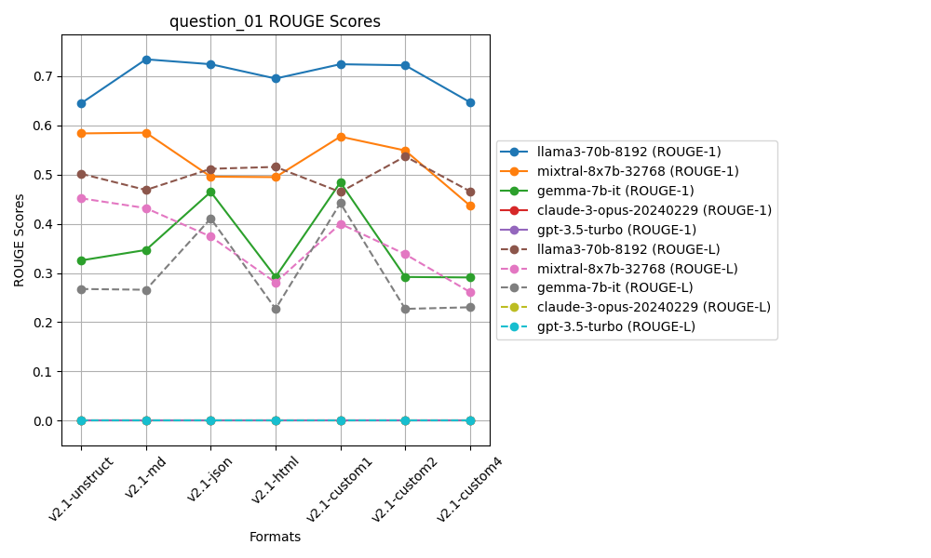
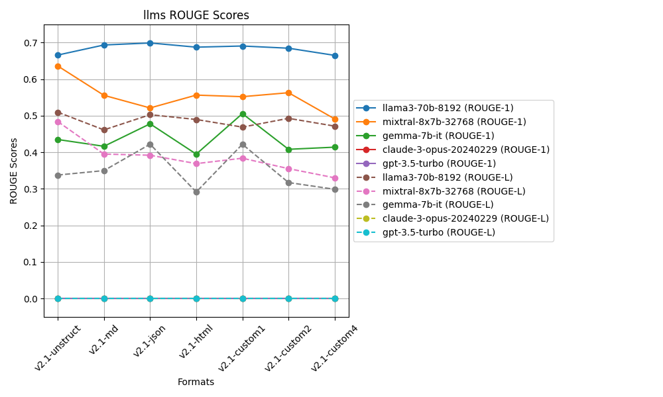
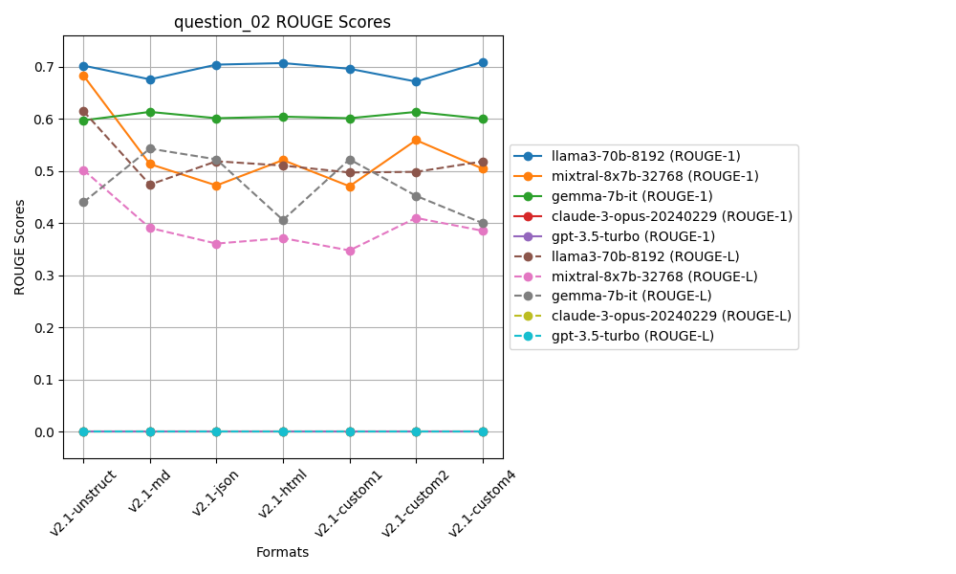
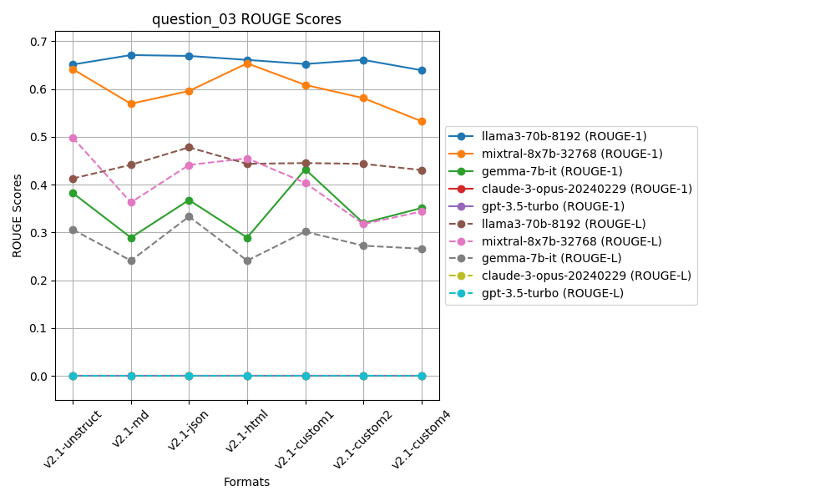
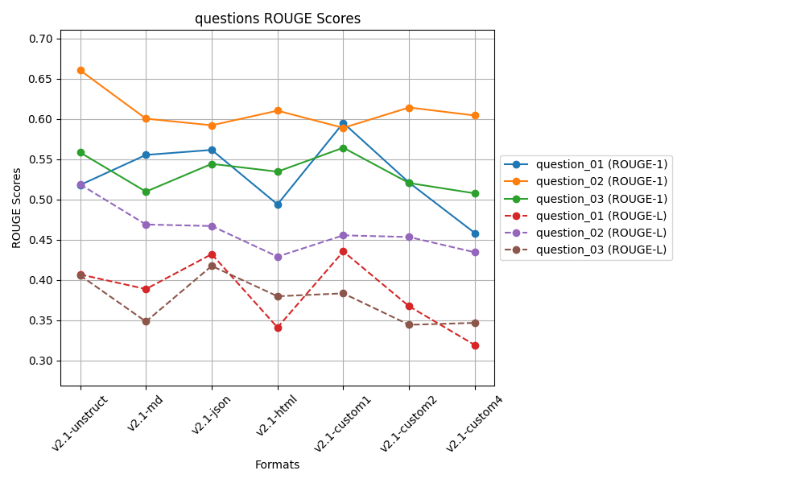
 | ROUGE 1 |  |  |  |  | ROUGE L
 | Question 01 | Question 02 | Question 03 |  |  | Question 01 | Question 02 | Question 03
v2.1-unstruct | 0.51812004419 | 0.66061902736 | 0.5585467275 | 0.57909526635 | v2.1-unstruct | 0.40697179177 | 0.51886605901 | 0.40578069641 | 0.44387284907
v2.1-md | 0.55547436066 | 0.60054115222 | 0.50986321821 | 0.55529291036 | v2.1-md | 0.38882137853 | 0.46902277743 | 0.34840169388 | 0.40208194995
v2.1-json | 0.56169634203 | 0.5922791555 | 0.54437577993 | 0.56611709249 | v2.1-json | 0.43218772652 | 0.46714290392 | 0.41756057591 | 0.43896373545
v2.1-html | 0.49403411703 | 0.61045794198 | 0.53469688215 | 0.54639631372 | v2.1-html | 0.34108809064 | 0.42912568001 | 0.37986890163 | 0.38336089076
v2.1-custom1 | 0.59527838834 | 0.58910712542 | 0.56442494245 | 0.58293681874 | v2.1-custom1 | 0.43555739743 | 0.45557770759 | 0.38346704937 | 0.4248673848
v2.1-custom2 | 0.52104457399 | 0.61441997901 | 0.52056519147 | 0.55200991482 | v2.1-custom2 | 0.36743311939 | 0.45346749139 | 0.34442385368 | 0.38844148815
v2.1-custom4 | 0.45838506488 | 0.60444673363 | 0.5077190418 | 0.52351694677 | v2.1-custom4 | 0.31922308012 | 0.43448364666 | 0.34678796567 | 0.36683156415
 | v2.1-custom1 | v2.1-unstruct | v2.1-custom1 | v2.1-custom1 |  | v2.1-custom1 | v2.1-unstruct | v2.1-json | v2.1-unstruct

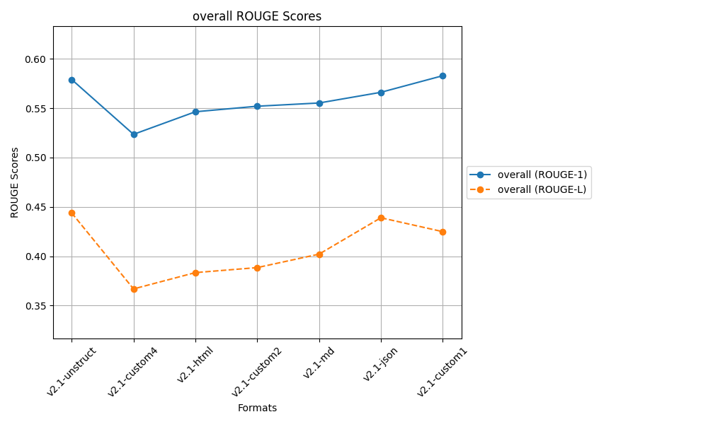
 |  |  | after controlled responses
 |  |  | temp 0.2, top_p=0.3

Sheet8
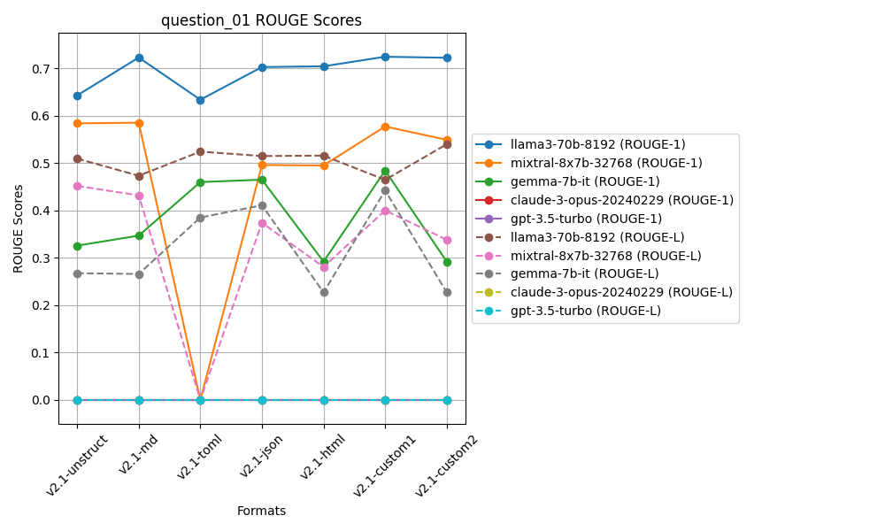
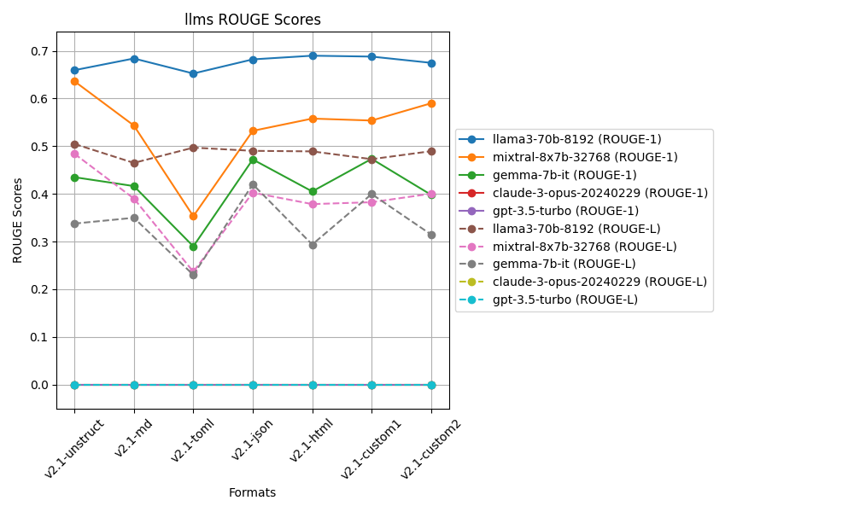
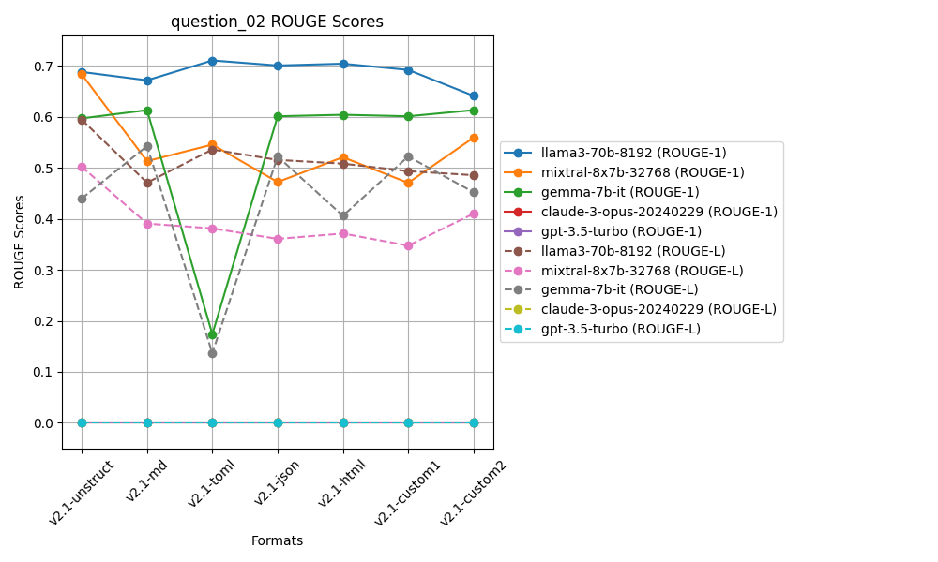
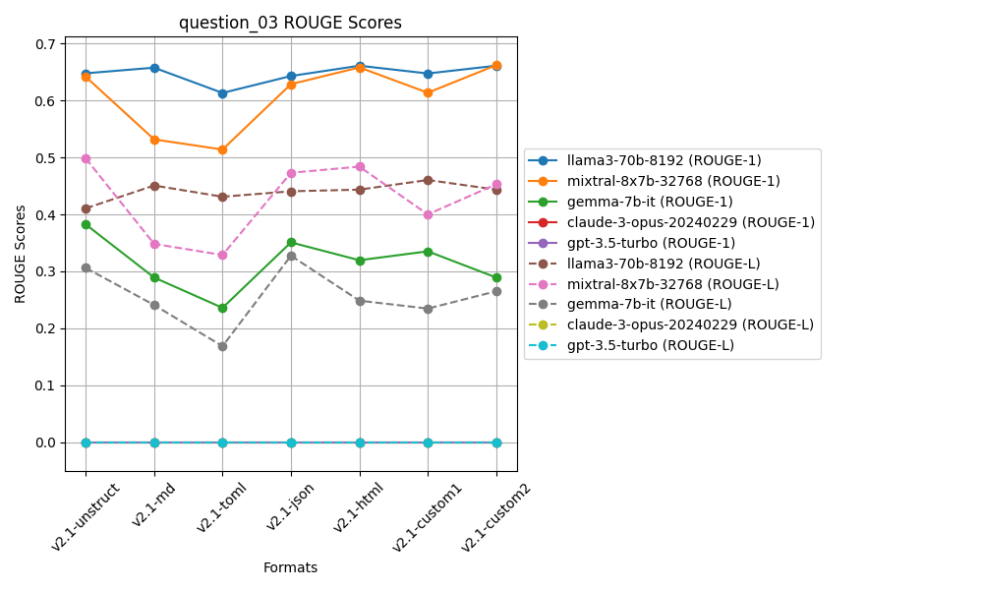
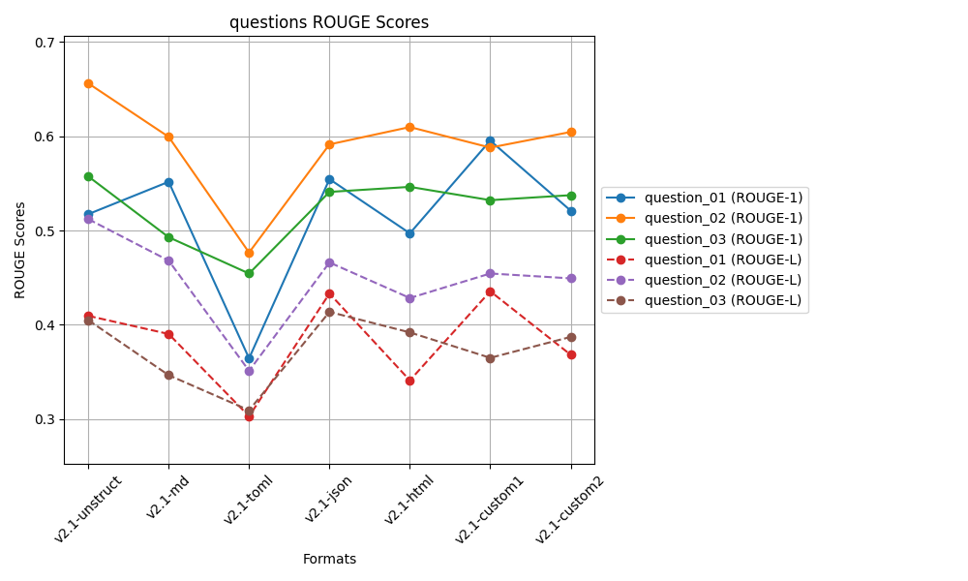
 | ROUGE 1 |  |  |  |  | ROUGE L
 | Question 01 | Question 02 | Question 03 |  |  | Question 01 | Question 02 | Question 03
v2.1-unstruct | 0.51732867597 | 0.65595952915 | 0.55734079035 | 0.57687633182 | v2.1-unstruct | 0.40951934517 | 0.51205602317 | 0.40501775658 | 0.4421977083
v2.1-md | 0.55160691681 | 0.59923595686 | 0.49286878978 | 0.54790388782 | v2.1-md | 0.39032199463 | 0.46810744563 | 0.34665734668 | 0.40169559565
v2.1-toml | 0.3645130638 | 0.47661611605 | 0.45437259915 | 0.43183392633 | v2.1-toml | 0.30305126492 | 0.3512425801 | 0.30942915926 | 0.32124100143
v2.1-json | 0.55443062693 | 0.59125034891 | 0.54088393776 | 0.56218830453 | v2.1-json | 0.43318226968 | 0.46611409734 | 0.41371385484 | 0.43767007395
v2.1-html | 0.49699652884 | 0.60961754205 | 0.54622633649 | 0.55094680246 | v2.1-html | 0.34111564796 | 0.42843267983 | 0.39196877405 | 0.38717236728
v2.1-custom1 | 0.59527838834 | 0.58784495449 | 0.53212539175 | 0.57174957819 | v2.1-custom1 | 0.43555739743 | 0.45441570895 | 0.36502284206 | 0.41833198282
v2.1-custom2 | 0.52104457399 | 0.60441090612 | 0.53742179951 | 0.55429242654 | v2.1-custom2 | 0.36831495361 | 0.44924888677 | 0.3871788526 | 0.40158089766
 | v2.1-custom1 | v2.1-unstruct | v2.1-unstruct | v2.1-unstruct |  | v2.1-custom1 | v2.1-unstruct | v2.1-json | v2.1-unstruct

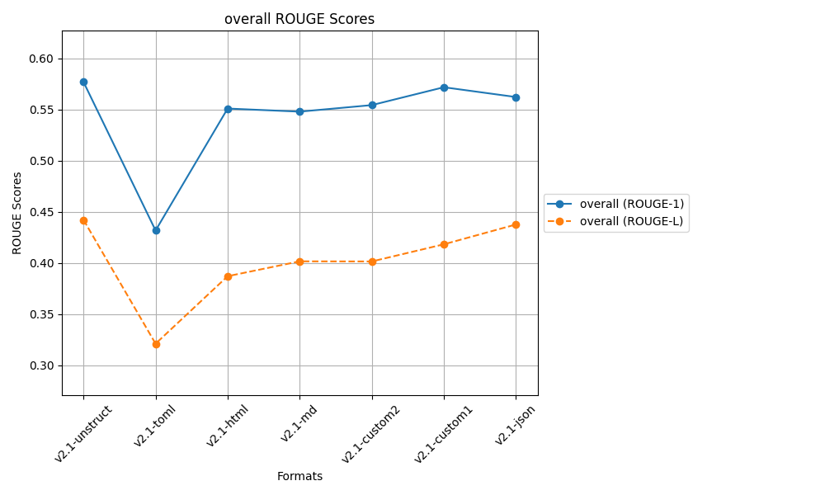
 |  |  | after controlled responses
 |  |  | temp 0.2, top_p=0.3

Sheet7
 | ROUGE 1 |  |  |  |  | ROUGE L
 | Question 01 | Question 02 | Question 03 |  |  | Question 01 | Question 02 | Question 03
v2.1-unstruct | 0.51418724135 | 0.65752632164 | 0.55939154721 | 0.57703503673 | v2.1-unstruct | 0.4009139363 | 0.51272474296 | 0.40620984173 | 0.439949507
v2.1-md | 0.55198222629 | 0.60014959361 | 0.54181469909 | 0.56464883966 | v2.1-md | 0.39034362505 | 0.46874817789 | 0.36825546705 | 0.40911575666
v2.1-toml | 0.36788831285 | 0.47544811104 | 0.48709566532 | 0.44347736307 | v2.1-toml | 0.30366929284 | 0.34937006414 | 0.30551202473 | 0.31951712724
v2.1-json | 0.55506954625 | 0.58665307519 | 0.53484418308 | 0.55885560151 | v2.1-json | 0.4333039686 | 0.4617055735 | 0.3845299648 | 0.42651316897
v2.1-html | 0.49393845376 | 0.61039622247 | 0.53539768189 | 0.54657745271 | v2.1-html | 0.3420872403 | 0.42878683998 | 0.3889312041 | 0.38660176146
v2.1-custom1 | 0.59527838834 | 0.58861056357 | 0.56606340562 | 0.58331745251 | v2.1-custom1 | 0.43555739743 | 0.4546148094 | 0.38865171499 | 0.42627464061
v2.1-custom2 | 0.51839037596 | 0.61663256651 | 0.51998983546 | 0.55167092598 | v2.1-custom2 | 0.36481862148 | 0.45340539501 | 0.34564809363 | 0.38795737004
 | v2.1-custom1 | v2.1-unstruct | v2.1-custom1 | v2.1-custom1 |  | v2.1-custom1 | v2.1-unstruct | v2.1-unstruct | v2.1-unstruct

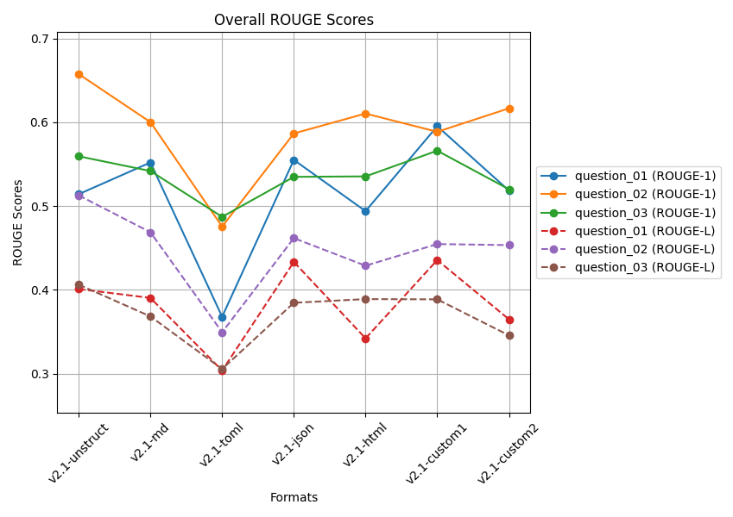
 |  |  | after controlled responses
 |  |  | temp 0.2, top_p=0.3

 |  |  | Q2 and Q3 docs is from a large file

 |  |  | 5 readings average

Sheet6
 | ROUGE 1 |  |  |  |  | ROUGE L
 | Question 01 | Question 02 | Question 03 |  |  | Question 01 | Question 02 | Question 03
v2.1-unstruct | 0.52476084843 | 0.65999540359 | 0.56065877676 | 0.58180500959 | v2.1-unstruct | 0.41352638792 | 0.51394939636 | 0.4068535597 | 0.44477644799
v2.1-md | 0.55089278224 | 0.59923595686 | 0.50660382284 | 0.55224418731 | v2.1-md | 0.38647731515 | 0.46810744563 | 0.35373233839 | 0.40277236639
v2.1-toml | 0.36602507637 | 0.47544811104 | 0.48371819017 | 0.44173045919 | v2.1-toml | 0.30318344457 | 0.34937006414 | 0.31032752053 | 0.32096034308
v2.1-json | 0.56169634203 | 0.58880249876 | 0.5495328979 | 0.56667724623 | v2.1-json | 0.43218772652 | 0.46125387313 | 0.42159584368 | 0.43834581444
v2.1-html | 0.49446461612 | 0.60926560641 | 0.58015886571 | 0.56129636275 | v2.1-html | 0.34251367781 | 0.42817672663 | 0.39993468717 | 0.39020836387
v2.1-custom1 | 0.59527838834 | 0.59158993467 | 0.58074092536 | 0.58920308279 | v2.1-custom1 | 0.43555739743 | 0.46039219856 | 0.3852800481 | 0.42707654803
v2.1-custom2 | 0.51718654929 | 0.62033605155 | 0.52221834806 | 0.55324698297 | v2.1-custom2 | 0.36313417759 | 0.45433168219 | 0.34185549891 | 0.3864404529
 | v2.1-custom1 | v2.1-unstruct | v2.1-custom1 | v2.1-custom1 |  | v2.1-custom1 | v2.1-unstruct | v2.1-json | v2.1-unstruct

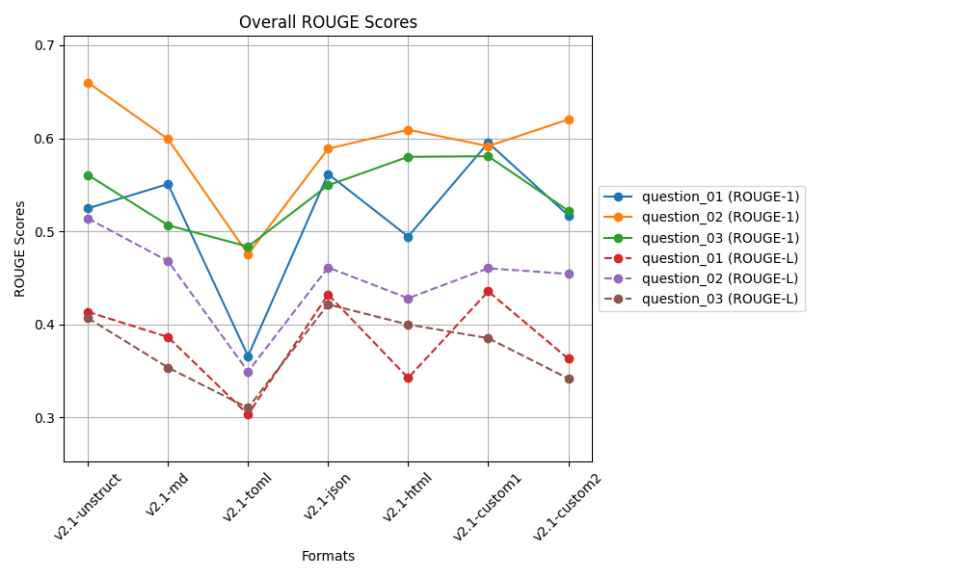

 |  |  | after controlled responses
 |  |  | temp 0.2, top_p=0.3

 |  |  | Q2 and Q3 docs is from a large file

 |  |  | 3 readings average

Sheet5
 | ROUGE 1 |  |  |  |  | ROUGE L
 | Question 01 | Question 02 | Question 03 |  |  | Question 01 | Question 02 | Question 03
v0-unstruct | 0.59483278226 | 0.64655269326 | 0.50553126986 | 0.58230558179 | v0-unstruct | 0.49316937028 | 0.47698746318 | 0.36475272781 | 0.44496985376
v2-md | 0.54188409095 | 0.57334421594 | 0.52062539038 | 0.54528456576 | v2-md | 0.42775880359 | 0.41232925157 | 0.40054528106 | 0.41354444541
v2-json | 0.60624233521 | 0.52304050584 | 0.53886560467 | 0.55604948191 | v2-json | 0.47743028388 | 0.35841287247 | 0.36587381513 | 0.40057232383
v2-html | 0.49314375506 | 0.61496835267 | 0.58580376308 | 0.5646386236 | v2-html | 0.4064388829 | 0.43625146871 | 0.41471007833 | 0.41913347665
v2-custom1 | 0.42342399871 | 0.50987605468 | 0.53264088454 | 0.48864697931 | v2-custom1 | 0.33864680802 | 0.34138622279 | 0.37378752187 | 0.35127351756
v2-custom2 | 0.55091786262 | 0.59039433733 | 0.5851183504 | 0.57547685011 | v2-custom2 | 0.399703081 | 0.3965473007 | 0.40898930254 | 0.40174656141
v2-toml | 0.50920813122 | 0.2613897252 | 0.31504409735 | 0.36188065126 | v2-toml | 0.41375574467 | 0.17964035837 | 0.22270358332 | 0.27203322879
v2-custom3 | 0.50920813122 | 0.2613897252 | 0.32918853922 | 0.36659546521 | v2-custom3 | 0.41375574467 | 0.17964035837 | 0.23607751536 | 0.27649120614
 | v2-json | v0-unstruct | v2-html | v0-unstruct |  | v0-unstruct | v0-unstruct | v2-html | v0-unstruct

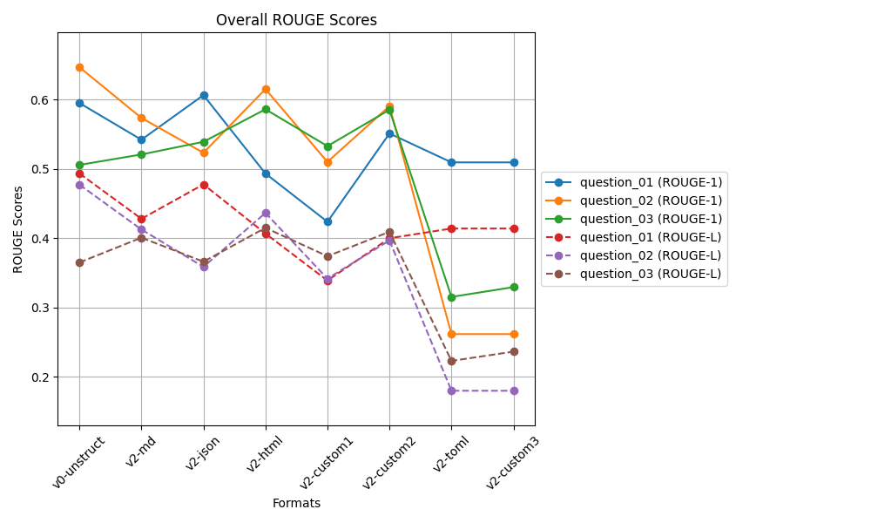
 |  |  | biased docs working on v2.1
 |  |  | after controlled responses
 |  |  | temp 0.2, top_p=0.3

 |  |  | Clearly V2-toml and v2-custom3
 |  |  | is not good for large file
 |  |  | Q2 and Q3 docs is from a large file

Sheet4
 | ROUGE 1 |  |  |  |  | ROUGE L
 | Question 01 | Question 02 | Question 03 |  |  | Question 01 | Question 02 | Question 03
v0-unstruct | 0.59743618141 | 0.64798102511 | 0.50553126986 | 0.58364949213 | v0-unstruct | 0.48882569352 | 0.48520961086 | 0.36475272781 | 0.4462626774
v2-md | 0.54679656286 | 0.57487360982 | 0.52038133024 | 0.54735050097 | v2-md | 0.43406129971 | 0.41329443914 | 0.3997293188 | 0.41569501922
v2-json | 0.60430330268 | 0.53036434002 | 0.5501576027 | 0.56160841513 | v2-json | 0.47554321872 | 0.35849364127 | 0.39583801209 | 0.40995829069
v2-html | 0.56333584694 | 0.60988494668 | 0.58501376134 | 0.58607818498 | v2-html | 0.45817228037 | 0.43174193594 | 0.41334074198 | 0.43441831943
v2-custom1 | 0.52217602656 | 0.49142492782 | 0.53264088454 | 0.51541394631 | v2-custom1 | 0.42126085659 | 0.32224982916 | 0.37378752187 | 0.37243273588
v2-custom2 | 0.55091786262 | 0.58505390693 | 0.58561704911 | 0.57386293955 | v2-custom2 | 0.399703081 | 0.39158522426 | 0.40879190097 | 0.40002673541
 | v2-json | v0-unstruct | v2-custom2 | v2-html |  | v0-unstruct | v0-unstruct | v2-html | v0-unstruct

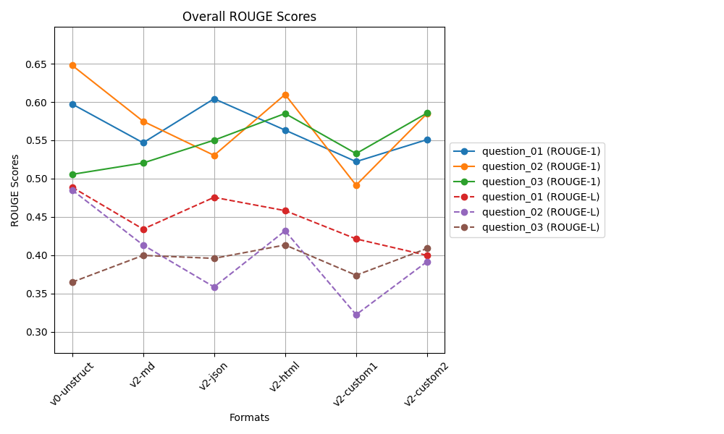
 |  |  | biased docs working on v2.1
 |  |  | after controlled responses
 |  |  | temp 0.2, top_p=0.3

Sheet2
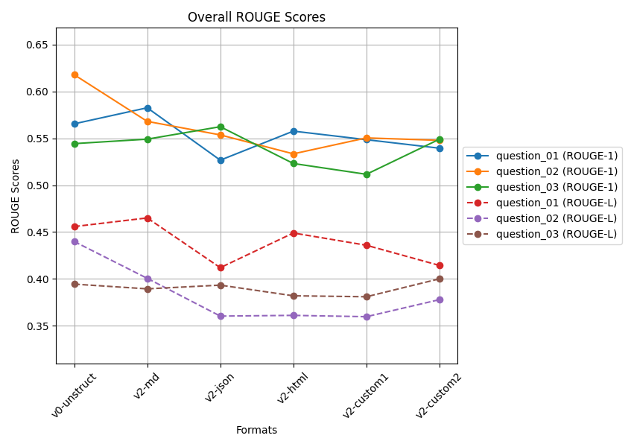
 | ROUGE 1 |  |  |  |  | ROUGE L
 | Question 01 | Question 02 | Question 03 |  |  | Question 01 | Question 02 | Question 03
v0-unstruct | 0.56539816205 | 0.61779956012 | 0.54427830553 | 0.57582534257 | v0-unstruct | 0.45581746171 | 0.43989533677 | 0.39445109765 | 0.43005463205
v2-custom1 | 0.54849027932 | 0.55040217008 | 0.51157312493 | 0.53682185811 | v2-custom1 | 0.43588936215 | 0.35970358856 | 0.38097258111 | 0.39218851061
v2-custom2 | 0.53942000134 | 0.54777236875 | 0.54903212579 | 0.5454081653 | v2-custom2 | 0.41437338807 | 0.37790010653 | 0.40010783882 | 0.39746044447
v2-html | 0.55762155439 | 0.53338608643 | 0.52308267395 | 0.53803010492 | v2-html | 0.44898007205 | 0.36110364745 | 0.38199644664 | 0.39736005538
v2-json | 0.52663633741 | 0.55357491916 | 0.56233939716 | 0.54751688458 | v2-json | 0.41198134509 | 0.36035445354 | 0.39336291157 | 0.38856623673
v2-md | 0.58252505533 | 0.5680145876 | 0.54905393118 | 0.56653119137 | v2-md | 0.46503710907 | 0.40061741481 | 0.38940439827 | 0.41835297405
 | v2-md | v0-unstruct | v2-json | v0-unstruct |  | v2-md | v0-unstruct | v2-custom2 | v0-unstruct

