Sheet13
LLAMA
 | ROUGE 1
 | Q1 | Q2 | Q3 | Q4 | Q5 | Q6 | Q7 | Q8 | Q9 | Q10 | Q11 | Q12 | Q13 | Q14 | Q15 | Q16 | Q17 | Q18 | Q19 | Q20 | Q21 | Q22 | Q23 | Q24 | Q25 | Q26 | Q27 | Q28 | Q29 | Q30 | Q31 | Q32 | Q33 | Q34 | Q35 | Q36 | Q37 | Q38 | Q39 | Q40 | Q41 | Q42 | Q43 | Q44 | Q45 | Q46 | Q47 | Q48 | Q49 | Q50
v2.1-unstruct | 0.70072992701 | 0.65354330709 | 0.65863453815 | 0.48630136986 | 0.43835616438 | 0.44357976654 | 0.53543307087 | 0.52941176471 | 0.76987447699 | 0.64492753623 | 0.49446494465 | 0.71034482759 | 0.61538461538 | 0.47249190939 | 0.57454545455 | 0.37777777778 | 0.66428571429 | 0.66028708134 | 0.51923076923 | 0.58219178082 | 0.56108597285 | 0.5572519084 | 0.63888888889 | 0.62903225806 | 0.58928571429 | 0.41434262948 | 0.64393939394 | 0.46290801187 | 0.57046979866 | 0.52380952381 | 0.46945337621 | 0.51315789474 | 0.62564102564 | 0.38225255973 | 0.70666666667 | 0.67469879518 | 0.5991902834 | 0.42647058824 | 0.53822629969 | 0.54074074074 | 0.65917602996 | 0.66666666667 | 0.55555555556 | 0.68345323741 | 0.68794326241 | 0.44444444444 | 0.47734138973 | 0.65843621399 | 0.49375 | 0.43312101911 | 0.56718393893 | 6
v2.1-md | 0.73643410853 | 0.67543859649 | 0.61146496815 | 0.52768729642 | 0.47715736041 | 0.36245954693 | 0.59259259259 | 0.4958677686 | 0.69 | 0.61176470588 | 0.51048951049 | 0.6582278481 | 0.61061946903 | 0.48916408669 | 0.56296296296 | 0.42402826855 | 0.61935483871 | 0.58874458874 | 0.45977011494 | 0.77852348993 | 0.52631578947 | 0.67248908297 | 0.57236842105 | 0.62790697674 | 0.663507109 | 0.63728813559 | 0.5618729097 | 0.48137535817 | 0.54125412541 | 0.59574468085 | 0.48829431438 | 0.51937984496 | 0.70967741935 | 0.3619047619 | 0.71523178808 | 0.61802575107 | 0.61410788382 | 0.4025974026 | 0.49685534591 | 0.55154639175 | 0.66666666667 | 0.66666666667 | 0.56505576208 | 0.6644295302 | 0.69230769231 | 0.38926174497 | 0.42133333333 | 0.65546218487 | 0.57575757576 | 0.40606060606 | 0.57086994756 | 5
v2.1-json | 0.75939849624 | 0.7037037037 | 0.6496350365 | 0.50657894737 | 0.39473684211 | 0.50526315789 | 0.60144927536 | 0.57034220532 | 0.76724137931 | 0.56445993031 | 0.54752851711 | 0.64492753623 | 0.64377682403 | 0.48297213622 | 0.56949152542 | 0.40138408304 | 0.67870036101 | 0.48062015504 | 0.5 | 0.80677966102 | 0.52631578947 | 0.66972477064 | 0.64918032787 | 0.60350877193 | 0.58634538153 | 0.64951768489 | 0.62783171521 | 0.34173669468 | 0.59493670886 | 0.52173913043 | 0.50943396226 | 0.51987767584 | 0.69714285714 | 0.45283018868 | 0.63087248322 | 0.65060240964 | 0.6393442623 | 0.42253521127 | 0.51211072664 | 0.59442724458 | 0.63636363636 | 0.69491525424 | 0.54347826087 | 0.66013071895 | 0.73103448276 | 0.43692307692 | 0.48829431438 | 0.72033898305 | 0.51359516616 | 0.41216216216 | 0.58032479652 | 2
v2.1-html | 0.69264069264 | 0.72340425532 | 0.66108786611 | 0.49295774648 | 0.47133757962 | 0.49264705882 | 0.56349206349 | 0.60714285714 | 0.69346733668 | 0.61224489796 | 0.47811447811 | 0.65771812081 | 0.64069264069 | 0.46779661017 | 0.58536585366 | 0.47445255474 | 0.64591439689 | 0.6 | 0.52325581395 | 0.76923076923 | 0.5504587156 | 0.69058295964 | 0.57425742574 | 0.64591439689 | 0.61467889908 | 0.63068181818 | 0.59305993691 | 0.43304843305 | 0.5835694051 | 0.50980392157 | 0.50793650794 | 0.52427184466 | 0.72631578947 | 0.40372670807 | 0.71621621622 | 0.62393162393 | 0.66386554622 | 0.46366782007 | 0.49411764706 | 0.45945945946 | 0.68181818182 | 0.66063348416 | 0.62686567164 | 0.68666666667 | 0.70103092784 | 0.47619047619 | 0.55238095238 | 0.67768595041 | 0.54545454545 | 0.4584717608 | 0.58659454569 | 1
v2.1-custom1 | 0.734375 | 0.70319634703 | 0.64748201439 | 0.48666666667 | 0.41048034934 | 0.48745519713 | 0.72727272727 | 0.56470588235 | 0.75949367089 | 0.55305466238 | 0.5376344086 | 0.66438356164 | 0.60792951542 | 0.50318471338 | 0.56747404844 | 0.38666666667 | 0.64102564103 | 0.592 | 0.43925233645 | 0.56209150327 | 0.56 | 0.71428571429 | 0.56484149856 | 0.63636363636 | 0.57142857143 | 0.63694267516 | 0.61635220126 | 0.42985074627 | 0.56765676568 | 0.56756756757 | 0.49056603774 | 0.54304635762 | 0.72631578947 | 0.42201834862 | 0.72727272727 | 0.62978723404 | 0.64489795918 | 0.36842105263 | 0.48028673835 | 0.56944444444 | 0.62773722628 | 0.69491525424 | 0.55849056604 | 0.6936026936 | 0.70229007634 | 0.48813559322 | 0.53987730061 | 0.70689655172 | 0.51700680272 | 0.38670694864 | 0.57917659983 | 3
v2.1-custom2 | 0.69879518072 | 0.68778280543 | 0.66108786611 | 0.48387096774 | 0.49696969697 | 0.42105263158 | 0.58208955224 | 0.58498023715 | 0.73059360731 | 0.58139534884 | 0.46557377049 | 0.6144200627 | 0.63829787234 | 0.54193548387 | 0.58181818182 | 0.43321299639 | 0.63225806452 | 0.575 | 0.34394904459 | 0.78596491228 | 0.5 | 0.64822134387 | 0.62179487179 | 0.65843621399 | 0.52459016393 | 0.62585034014 | 0.60317460317 | 0.34877384196 | 0.66 | 0.53658536585 | 0.51132686084 | 0.52491694352 | 0.72164948454 | 0.42953020134 | 0.70068027211 | 0.66666666667 | 0.64227642276 | 0.40277777778 | 0.50326797386 | 0.61818181818 | 0.70588235294 | 0.69491525424 | 0.53333333333 | 0.67763157895 | 0.71264367816 | 0.45592705167 | 0.5 | 0.61087866109 | 0.584 | 0.40356083086 | 0.57737044381 | 4
v2.1-custom4 | 0.73764258555 | 0.70909090909 | 0.63225806452 | 0.64233576642 | 0.39130434783 | 0.45360824742 | 0.60966542751 | 0.54545454545 | 0.59414225941 | 0.59090909091 | 0.43902439024 | 0.65131578947 | 0.52884615385 | 0.6 | 0.58219178082 | 0.42753623188 | 0.64102564103 | 0.51754385965 | 0.43689320388 | 0.58273381295 | 0.51948051948 | 0.55094339623 | 0.60066006601 | 0.56153846154 | 0.58964143426 | 0.54482758621 | 0.54362416107 | 0.41800643087 | 0.62458471761 | 0.49696969697 | 0.49169435216 | 0.54545454545 | 0.67708333333 | 0.41194029851 | 0.66261398176 | 0.61475409836 | 0.66666666667 | 0.44787644788 | 0.44680851064 | 0.55305466238 | 0.704 | 0.69841269841 | 0.57936507937 | 0.61224489796 | 0.66666666667 | 0.45637583893 | 0.53703703704 | 0.58369098712 | 0.50714285714 | 0.41194029851 | 0.56077243673 | 7
 | v2.1-json | v2.1-html | v2.1-html | v2.1-custom4 | v2.1-custom2 | v2.1-json | v2.1-custom1 | v2.1-html | v2.1-unstruct | v2.1-unstruct | v2.1-json | v2.1-unstruct | v2.1-json | v2.1-custom4 | v2.1-html | v2.1-html | v2.1-json | v2.1-unstruct | v2.1-html | v2.1-json | v2.1-unstruct | v2.1-custom1 | v2.1-json | v2.1-custom2 | v2.1-md | v2.1-json | v2.1-unstruct | v2.1-md | v2.1-custom2 | v2.1-md | v2.1-custom2 | v2.1-custom4 | v2.1-html | v2.1-json | v2.1-custom1 | v2.1-unstruct | v2.1-custom4 | v2.1-html | v2.1-unstruct | v2.1-custom2 | v2.1-custom2 | v2.1-custom4 | v2.1-html | v2.1-custom1 | v2.1-json | v2.1-custom1 | v2.1-html | v2.1-json | v2.1-custom2 | v2.1-html | v2.1-html

 | ROUGE L
 | Q1 | Q2 | Q3 | Q4 | Q5 | Q6 | Q7 | Q8 | Q9 | Q10 | Q11 | Q12 | Q13 | Q14 | Q15 | Q16 | Q17 | Q18 | Q19 | Q20 | Q21 | Q22 | Q23 | Q24 | Q25 | Q26 | Q27 | Q28 | Q29 | Q30 | Q31 | Q32 | Q33 | Q34 | Q35 | Q36 | Q37 | Q38 | Q39 | Q40 | Q41 | Q42 | Q43 | Q44 | Q45 | Q46 | Q47 | Q48 | Q49 | Q50
v2.1-unstruct | 0.46715328467 | 0.55905511811 | 0.46586345382 | 0.28082191781 | 0.3196347032 | 0.22568093385 | 0.36220472441 | 0.34453781513 | 0.45188284519 | 0.47101449275 | 0.31734317343 | 0.37931034483 | 0.47863247863 | 0.29773462783 | 0.34181818182 | 0.24444444444 | 0.5 | 0.57416267943 | 0.31730769231 | 0.46575342466 | 0.35294117647 | 0.41984732824 | 0.39583333333 | 0.47580645161 | 0.41964285714 | 0.21513944223 | 0.40151515152 | 0.21958456973 | 0.43624161074 | 0.39285714286 | 0.24437299035 | 0.28947368421 | 0.49230769231 | 0.21843003413 | 0.50666666667 | 0.36947791165 | 0.38866396761 | 0.19117647059 | 0.31804281346 | 0.31851851852 | 0.5393258427 | 0.34234234234 | 0.32679738562 | 0.53237410072 | 0.56028368794 | 0.24836601307 | 0.23564954683 | 0.44444444444 | 0.25625 | 0.22292993631 | 0.37279318899 | 6
v2.1-md | 0.48837209302 | 0.47368421053 | 0.42038216561 | 0.33876221498 | 0.3654822335 | 0.19417475728 | 0.44444444444 | 0.33884297521 | 0.57 | 0.41568627451 | 0.28671328671 | 0.3417721519 | 0.43362831858 | 0.28482972136 | 0.35555555556 | 0.22614840989 | 0.45806451613 | 0.51082251082 | 0.31034482759 | 0.63087248322 | 0.34449760766 | 0.5327510917 | 0.375 | 0.4496124031 | 0.5308056872 | 0.4 | 0.36120401338 | 0.22922636103 | 0.3696369637 | 0.46808510638 | 0.26086956522 | 0.27131782946 | 0.51612903226 | 0.21587301587 | 0.51655629139 | 0.31759656652 | 0.39004149378 | 0.18831168831 | 0.30817610063 | 0.4381443299 | 0.55 | 0.34234234234 | 0.32713754647 | 0.48993288591 | 0.56643356643 | 0.24161073826 | 0.21333333333 | 0.49579831933 | 0.29545454545 | 0.2 | 0.38188923152 | 4
v2.1-json | 0.48872180451 | 0.51851851852 | 0.4598540146 | 0.28289473684 | 0.30701754386 | 0.27368421053 | 0.45652173913 | 0.36501901141 | 0.51724137931 | 0.40418118467 | 0.30418250951 | 0.31884057971 | 0.48927038627 | 0.30959752322 | 0.3593220339 | 0.22837370242 | 0.49097472924 | 0.35658914729 | 0.3625 | 0.61694915254 | 0.34449760766 | 0.49541284404 | 0.4 | 0.41403508772 | 0.46586345382 | 0.38585209003 | 0.43365695793 | 0.20168067227 | 0.44303797468 | 0.4099378882 | 0.2641509434 | 0.24464831804 | 0.52571428571 | 0.2641509434 | 0.46979865772 | 0.35341365462 | 0.40983606557 | 0.19014084507 | 0.28373702422 | 0.48297213622 | 0.50757575758 | 0.33050847458 | 0.36956521739 | 0.52287581699 | 0.59310344828 | 0.26461538462 | 0.22742474916 | 0.52542372881 | 0.33232628399 | 0.21621621622 | 0.38564852871 | 2
v2.1-html | 0.48484848485 | 0.49361702128 | 0.44351464435 | 0.27464788732 | 0.3821656051 | 0.27205882353 | 0.42857142857 | 0.42857142857 | 0.57286432161 | 0.44081632653 | 0.32996632997 | 0.37583892617 | 0.45887445887 | 0.29830508475 | 0.35540069686 | 0.27737226277 | 0.44357976654 | 0.39166666667 | 0.27906976744 | 0.6220735786 | 0.35779816514 | 0.60986547085 | 0.3696369637 | 0.46692607004 | 0.50458715596 | 0.42613636364 | 0.42271293375 | 0.21082621083 | 0.42492917847 | 0.45751633987 | 0.24761904762 | 0.27184466019 | 0.55789473684 | 0.23602484472 | 0.56756756757 | 0.31623931624 | 0.44537815126 | 0.20761245675 | 0.29411764706 | 0.35135135135 | 0.5 | 0.3257918552 | 0.40298507463 | 0.52 | 0.56357388316 | 0.26530612245 | 0.28571428571 | 0.42148760331 | 0.29090909091 | 0.22591362126 | 0.39204179358 | 1
v2.1-custom1 | 0.46875 | 0.51141552511 | 0.46043165468 | 0.27333333333 | 0.28820960699 | 0.229390681 | 0.60079051383 | 0.36078431373 | 0.51476793249 | 0.37942122186 | 0.35125448029 | 0.32191780822 | 0.44933920705 | 0.31210191083 | 0.35294117647 | 0.21333333333 | 0.44871794872 | 0.408 | 0.2523364486 | 0.43790849673 | 0.37 | 0.6218487395 | 0.36887608069 | 0.4958677686 | 0.48083623693 | 0.35668789809 | 0.43396226415 | 0.22686567164 | 0.42244224422 | 0.40540540541 | 0.27672955975 | 0.2582781457 | 0.55789473684 | 0.23853211009 | 0.58585858586 | 0.31489361702 | 0.4 | 0.17293233083 | 0.27956989247 | 0.38194444444 | 0.51094890511 | 0.33050847458 | 0.34716981132 | 0.51851851852 | 0.61832061069 | 0.27118644068 | 0.26380368098 | 0.50862068966 | 0.27891156463 | 0.21752265861 | 0.38300165361 | 3
v2.1-custom2 | 0.52208835341 | 0.49773755656 | 0.44351464435 | 0.32258064516 | 0.35151515152 | 0.21052631579 | 0.40298507463 | 0.40316205534 | 0.5296803653 | 0.35658914729 | 0.28196721311 | 0.33855799373 | 0.46808510638 | 0.29677419355 | 0.34909090909 | 0.23826714801 | 0.45806451613 | 0.38333333333 | 0.28025477707 | 0.61052631579 | 0.31451612903 | 0.49802371542 | 0.40384615385 | 0.48559670782 | 0.41803278689 | 0.34013605442 | 0.4253968254 | 0.20163487738 | 0.47333333333 | 0.4756097561 | 0.23948220065 | 0.27242524917 | 0.53608247423 | 0.24832214765 | 0.45578231293 | 0.36947791165 | 0.41463414634 | 0.19444444444 | 0.30065359477 | 0.41454545455 | 0.55462184874 | 0.33050847458 | 0.35294117647 | 0.47368421053 | 0.61302681992 | 0.24924012158 | 0.30864197531 | 0.36820083682 | 0.312 | 0.21364985163 | 0.38007584814 | 5
v2.1-custom4 | 0.53231939163 | 0.51818181818 | 0.42580645161 | 0.45255474453 | 0.28695652174 | 0.19931271478 | 0.44609665428 | 0.29818181818 | 0.4769874477 | 0.43506493506 | 0.28048780488 | 0.38815789474 | 0.30769230769 | 0.31875 | 0.34931506849 | 0.22463768116 | 0.46153846154 | 0.34210526316 | 0.28155339806 | 0.48920863309 | 0.35497835498 | 0.45283018868 | 0.42904290429 | 0.36153846154 | 0.46215139442 | 0.32413793103 | 0.3355704698 | 0.23794212219 | 0.51162790698 | 0.4 | 0.2657807309 | 0.26623376623 | 0.48958333333 | 0.22686567164 | 0.45592705167 | 0.31967213115 | 0.42570281124 | 0.19305019305 | 0.29787234043 | 0.4115755627 | 0.552 | 0.40476190476 | 0.39682539683 | 0.47619047619 | 0.57142857143 | 0.26174496644 | 0.28395061728 | 0.36909871245 | 0.28571428571 | 0.20298507463 | 0.37083384685 | 7
 | v2.1-custom4 | v2.1-unstruct | v2.1-unstruct | v2.1-custom4 | v2.1-html | v2.1-json | v2.1-custom1 | v2.1-html | v2.1-html | v2.1-unstruct | v2.1-custom1 | v2.1-custom4 | v2.1-json | v2.1-custom4 | v2.1-json | v2.1-html | v2.1-unstruct | v2.1-unstruct | v2.1-json | v2.1-md | v2.1-custom1 | v2.1-custom1 | v2.1-custom4 | v2.1-custom1 | v2.1-md | v2.1-html | v2.1-custom1 | v2.1-custom4 | v2.1-custom4 | v2.1-custom2 | v2.1-custom1 | v2.1-unstruct | v2.1-html | v2.1-json | v2.1-custom1 | v2.1-unstruct | v2.1-html | v2.1-html | v2.1-unstruct | v2.1-json | v2.1-custom2 | v2.1-custom4 | v2.1-html | v2.1-unstruct | v2.1-custom1 | v2.1-custom1 | v2.1-custom2 | v2.1-json | v2.1-json | v2.1-html | v2.1-html

MIXTRAL
 | ROUGE 1
 | Q1 | Q2 | Q3 | Q4 | Q5 | Q6 | Q7 | Q8 | Q9 | Q10 | Q11 | Q12 | Q13 | Q14 | Q15 | Q16 | Q17 | Q18 | Q19 | Q20 | Q21 | Q22 | Q23 | Q24 | Q25 | Q26 | Q27 | Q28 | Q29 | Q30 | Q31 | Q32 | Q33 | Q34 | Q35 | Q36 | Q37 | Q38 | Q39 | Q40 | Q41 | Q42 | Q43 | Q44 | Q45 | Q46 | Q47 | Q48 | Q49 | Q50
v2.1-unstruct | 0.53012048193 | 0.45 | 0.66666666667 | 0.38497652582 | 0.31343283582 | 0.56357388316 | 0.57971014493 | 0.37866666667 | 0.7044534413 | 0.56470588235 | 0.0051254495102 | 0.50131926121 | 0.42261904762 | 0.50485436893 | 0.50764525994 | 0.44375 | 0.44100580271 | 0.40136054422 | 0.54008438819 | 0.52216748768 | 0.38144329897 | 0.60714285714 | 0.51670378619 | 0.5671641791 | 0.50289017341 | 0.4702970297 | 0.39631336406 | 0.32653061224 | 0.4578313253 | 0.27190332326 | 0.49090909091 | 0.5 | 0.64705882353 | 0.11299435028 | 0.48134328358 | 0.65949820789 | 0.59722222222 | 0.50909090909 | 0.46 | 0.50181818182 | 0.47169811321 | 0.51632047478 | 0.51490514905 | 0.19540229885 | 0.46028513238 | 0.46645367412 | 0.51442307692 | 0.47642679901 | 0.47201946472 | 0.53074433657 | 0.47006143354 | 6
v2.1-md | 0.60398860399 | 0.5138121547 | 0.66192170819 | 0.40371229698 | 0.32713754647 | 0.40625 | 0.52791878173 | 0.4432132964 | 0.56582633053 | 0.59689922481 | 0.39276485788 | 0.50124069479 | 0.47586206897 | 0.47 | 0.52088452088 | 0.37222222222 | 0.58791208791 | 0.43956043956 | 0.5046728972 | 0.54404145078 | 0.33009708738 | 0.52768729642 | 0.51440329218 | 0.58785942492 | 0.44009779951 | 0.45021645022 | 0.10884353741 | 0.3625 | 0.51690821256 | 0.49142857143 | 0.38976377953 | 0.47255369928 | 0.61386138614 | 0.15555555556 | 0.50197628458 | 0.49738219895 | 0.54952076677 | 0.41428571429 | 0.51662404092 | 0.51263537906 | 0.5382585752 | 0.48329048843 | 0.47846889952 | 0.5234375 | 0.59487179487 | 0.39583333333 | 0.41842610365 | 0.53443526171 | 0.46522781775 | 0.47619047619 | 0.47444963823 | 5
v2.1-json | 0.52654867257 | 0.39416058394 | 0.65146579805 | 0.39735099338 | 0.26592797784 | 0.50936329588 | 0.58375634518 | 0.44387755102 | 0.24324324324 | 0.53284671533 | 0.43010752688 | 0.49122807018 | 0.64957264957 | 0.45885286783 | 0.63606557377 | 0.33746898263 | 0.50352941176 | 0.38225255973 | 0.60425531915 | 0.52442159383 | 0.26829268293 | 0.5985915493 | 0.45632798574 | 0.58044164038 | 0.47323943662 | 0.5664160401 | 0.49357326478 | 0.37168141593 | 0.5010989011 | 0.37768240343 | 0.47109207709 | 0.42523364486 | 0.50381679389 | 0.11299435028 | 0.55679287305 | 0.66409266409 | 0.6013986014 | 0.44077134986 | 0.39157894737 | 0.50724637681 | 0.51908396947 | 0.50133333333 | 0.54794520548 | 0.65940054496 | 0.65 | 0.42073170732 | 0.46924829157 | 0.41437632135 | 0.49014084507 | 0.4289044289 | 0.48059646756 | 3
v2.1-html | 0.55786350148 | 0.52571428571 | 0.625 | 0.5269121813 | 0.35897435897 | 0.51735015773 | 0.54961832061 | 0.52145214521 | 0.52325581395 | 0.55084745763 | 0.40609137056 | 0.49779735683 | 0.43386243386 | 0.43701799486 | 0.53333333333 | 0.37772397094 | 0.63513513514 | 0.59558823529 | 0.39864864865 | 0.48062015504 | 0.30626450116 | 0.56747404844 | 0.55189873418 | 0.5652173913 | 0.13953488372 | 0.53333333333 | 0.51212938005 | 0.37689969605 | 0.49875311721 | 0.35471698113 | 0.3932853717 | 0.46522781775 | 0.64 | 0.15730337079 | 0.54919908467 | 0.6220735786 | 0.58862876254 | 0.43315508021 | 0.44811320755 | 0.46762589928 | 0.48687350835 | 0.51149425287 | 0.51461988304 | 0.71672354949 | 0.62258953168 | 0.31802120141 | 0.54187192118 | 0.49871465296 | 0.4537037037 | 0.40547945205 | 0.48587465507 | 1
v2.1-custom1 | 0.49452954048 | 0.54601226994 | 0.64 | 0.38686131387 | 0.34586466165 | 0.48275862069 | 0.53917050691 | 0.42105263158 | 0.61194029851 | 0.56227758007 | 0.41621621622 | 0.10526315789 | 0.49562682216 | 0.4331797235 | 0.57651245552 | 0.39093484419 | 0.55415617128 | 0.35649546828 | 0.54771784232 | 0.67605633803 | 0.29024943311 | 0.55405405405 | 0.48076923077 | 0.55786350148 | 0.52380952381 | 0.53753026634 | 0.4824120603 | 0.38444924406 | 0.43846153846 | 0.50306748466 | 0.42325581395 | 0.41747572816 | 0.64114832536 | 0.4168618267 | 0.5393258427 | 0.63468634686 | 0.61805555556 | 0.40172786177 | 0.4182194617 | 0.45251396648 | 0.52467532468 | 0.44498777506 | 0.54430379747 | 0.53594771242 | 0.50678733032 | 0.39669421488 | 0.47619047619 | 0.46596858639 | 0.49206349206 | 0.4039408867 | 0.48180246251 | 2
v2.1-custom2 | 0.51162790698 | 0.49582172702 | 0.62686567164 | 0.26178010471 | 0.29965156794 | 0.43930635838 | 0.67901234568 | 0.56790123457 | 0.57220708447 | 0.53429602888 | 0.29496402878 | 0.52505966587 | 0.45141065831 | 0.47642679901 | 0.63430420712 | 0.3949044586 | 0.54679802956 | 0.49814126394 | 0.47154471545 | 0.092715231788 | 0.31607629428 | 0.57142857143 | 0.59803921569 | 0.59863945578 | 0.13953488372 | 0.45479452055 | 0.49735449735 | 0.37333333333 | 0.52722063037 | 0.41860465116 | 0.4834605598 | 0.46808510638 | 0.57894736842 | 0.11299435028 | 0.53731343284 | 0.5923566879 | 0.64489795918 | 0.50256410256 | 0.48942598187 | 0.49748743719 | 0.57225433526 | 0.48467966574 | 0.47643979058 | 0.42546063652 | 0.72727272727 | 0.48214285714 | 0.51515151515 | 0.54491017964 | 0.46882793017 | 0.49084249084 | 0.47930560514 | 4
v2.1-custom4 | 0.52216748768 | 0.56571428571 | 0.56464379947 | 0.46376811594 | 0.34101382488 | 0.45806451613 | 0.55 | 0.45425867508 | 0.28165007112 | 0.60869565217 | 0.35756385069 | 0.41517857143 | 0.38392857143 | 0 | 0.60194174757 | 0.43010752688 | 0.45995893224 | 0.33416458853 | 0 | 0.65753424658 | 0.24333333333 | 0.57142857143 | 0.488 | 0.51871657754 | 0.47091412742 | 0.45040214477 | 0.45454545455 | 0.38410596026 | 0.38267148014 | 0.33884297521 | 0.42247191011 | 0.42825607064 | 0.49042145594 | 0.4976076555 | 0.50873786408 | 0.49122807018 | 0.63197026022 | 0.38683127572 | 0.50753768844 | 0.48936170213 | 0.74226804124 | 0.45454545455 | 0.51575931232 | 0.52192066806 | 0.45769230769 | 0.39577836412 | 0.50264550265 | 0.43981481481 | 0.42040816327 | 0.4347826087 | 0.44986708557 | 7
 | v2.1-md | v2.1-custom4 | v2.1-unstruct | v2.1-html | v2.1-html | v2.1-unstruct | v2.1-custom2 | v2.1-custom2 | v2.1-unstruct | v2.1-custom4 | v2.1-json | v2.1-custom2 | v2.1-json | v2.1-unstruct | v2.1-json | v2.1-unstruct | v2.1-html | v2.1-html | v2.1-json | v2.1-custom1 | v2.1-unstruct | v2.1-unstruct | v2.1-custom2 | v2.1-custom2 | v2.1-custom1 | v2.1-json | v2.1-html | v2.1-custom1 | v2.1-custom2 | v2.1-custom1 | v2.1-unstruct | v2.1-unstruct | v2.1-unstruct | v2.1-custom4 | v2.1-json | v2.1-json | v2.1-custom2 | v2.1-unstruct | v2.1-md | v2.1-md | v2.1-custom4 | v2.1-unstruct | v2.1-json | v2.1-html | v2.1-custom2 | v2.1-custom2 | v2.1-html | v2.1-custom2 | v2.1-custom1 | v2.1-unstruct | v2.1-html

 | ROUGE L
 | Q1 | Q2 | Q3 | Q4 | Q5 | Q6 | Q7 | Q8 | Q9 | Q10 | Q11 | Q12 | Q13 | Q14 | Q15 | Q16 | Q17 | Q18 | Q19 | Q20 | Q21 | Q22 | Q23 | Q24 | Q25 | Q26 | Q27 | Q28 | Q29 | Q30 | Q31 | Q32 | Q33 | Q34 | Q35 | Q36 | Q37 | Q38 | Q39 | Q40 | Q41 | Q42 | Q43 | Q44 | Q45 | Q46 | Q47 | Q48 | Q49 | Q50
v2.1-unstruct | 0.31927710843 | 0.35 | 0.48979591837 | 0.25821596244 | 0.20149253731 | 0.29553264605 | 0.42028985507 | 0.25066666667 | 0.44534412955 | 0.29019607843 | 0.0044641011863 | 0.30606860158 | 0.33333333333 | 0.2572815534 | 0.31804281346 | 0.275 | 0.32882011605 | 0.27891156463 | 0.34599156118 | 0.39408866995 | 0.22680412371 | 0.43571428571 | 0.36525612472 | 0.41791044776 | 0.43930635838 | 0.21287128713 | 0.21658986175 | 0.1892393321 | 0.31807228916 | 0.22356495468 | 0.25454545455 | 0.24736842105 | 0.4 | 0.079096045198 | 0.36194029851 | 0.40143369176 | 0.35416666667 | 0.24415584416 | 0.24 | 0.29818181818 | 0.35849056604 | 0.33827893175 | 0.33062330623 | 0.14942528736 | 0.39511201629 | 0.23642172524 | 0.28365384615 | 0.40198511166 | 0.29197080292 | 0.26537216828 | 0.30280728568 | 6
v2.1-md | 0.43304843305 | 0.37016574586 | 0.44128113879 | 0.25986078886 | 0.20817843866 | 0.23958333333 | 0.32487309645 | 0.27700831025 | 0.33053221289 | 0.31007751938 | 0.30490956072 | 0.317617866 | 0.33103448276 | 0.265 | 0.32432432432 | 0.25 | 0.40659340659 | 0.29304029304 | 0.31775700935 | 0.36269430052 | 0.19417475728 | 0.42345276873 | 0.35390946502 | 0.47284345048 | 0.38630806846 | 0.21212121212 | 0.068027210884 | 0.17916666667 | 0.35265700483 | 0.32 | 0.1968503937 | 0.25775656325 | 0.32673267327 | 0.11111111111 | 0.34782608696 | 0.32460732984 | 0.37060702875 | 0.2 | 0.2915601023 | 0.29602888087 | 0.42216358839 | 0.30848329049 | 0.30622009569 | 0.4140625 | 0.45641025641 | 0.19791666667 | 0.24952015355 | 0.38016528926 | 0.2829736211 | 0.24867724868 | 0.30639827491 | 5
v2.1-json | 0.38495575221 | 0.28710462287 | 0.41042345277 | 0.21633554084 | 0.14958448753 | 0.23970037453 | 0.42639593909 | 0.27551020408 | 0.17567567568 | 0.3795620438 | 0.31720430108 | 0.28571428571 | 0.40170940171 | 0.25436408978 | 0.4262295082 | 0.24813895782 | 0.36235294118 | 0.23208191126 | 0.36595744681 | 0.32390745501 | 0.16260162602 | 0.45774647887 | 0.32442067736 | 0.44794952681 | 0.38309859155 | 0.335839599 | 0.29305912596 | 0.21238938053 | 0.35164835165 | 0.24892703863 | 0.26980728051 | 0.2476635514 | 0.3893129771 | 0.079096045198 | 0.33853006682 | 0.46332046332 | 0.44055944056 | 0.21487603306 | 0.22315789474 | 0.28985507246 | 0.43256997455 | 0.34133333333 | 0.35616438356 | 0.50136239782 | 0.54375 | 0.26829268293 | 0.27790432802 | 0.32558139535 | 0.27605633803 | 0.2331002331 | 0.3178576536 | 3
v2.1-html | 0.45103857567 | 0.36571428571 | 0.36875 | 0.3059490085 | 0.20512820513 | 0.29022082019 | 0.39694656489 | 0.29702970297 | 0.38953488372 | 0.28813559322 | 0.27918781726 | 0.27753303965 | 0.28571428571 | 0.24164524422 | 0.33333333333 | 0.21791767554 | 0.37837837838 | 0.375 | 0.27027027027 | 0.37209302326 | 0.18561484919 | 0.44290657439 | 0.38987341772 | 0.42236024845 | 0.13953488372 | 0.304 | 0.4204851752 | 0.18844984802 | 0.34912718204 | 0.23396226415 | 0.20623501199 | 0.23980815348 | 0.53 | 0.12359550562 | 0.3295194508 | 0.4347826087 | 0.40133779264 | 0.21390374332 | 0.2641509434 | 0.31654676259 | 0.40095465394 | 0.31034482759 | 0.26315789474 | 0.51877133106 | 0.53994490358 | 0.17667844523 | 0.26600985222 | 0.30334190231 | 0.27777777778 | 0.24109589041 | 0.31647585204 | 4
v2.1-custom1 | 0.33698030635 | 0.41104294479 | 0.44923076923 | 0.22262773723 | 0.2030075188 | 0.25287356322 | 0.39170506912 | 0.26315789474 | 0.46268656716 | 0.4128113879 | 0.27027027027 | 0.092105263158 | 0.33236151603 | 0.23963133641 | 0.36298932384 | 0.2492917847 | 0.35264483627 | 0.25377643505 | 0.40663900415 | 0.56338028169 | 0.19501133787 | 0.43918918919 | 0.31923076923 | 0.42136498516 | 0.40136054422 | 0.29539951574 | 0.35175879397 | 0.22030237581 | 0.31538461538 | 0.41717791411 | 0.23720930233 | 0.22815533981 | 0.4019138756 | 0.22950819672 | 0.34606741573 | 0.39114391144 | 0.38194444444 | 0.19006479482 | 0.24016563147 | 0.31284916201 | 0.43636363636 | 0.30806845966 | 0.32278481013 | 0.40522875817 | 0.43891402715 | 0.20936639118 | 0.23558897243 | 0.31413612565 | 0.29100529101 | 0.21674876847 | 0.32085242331 | 1
v2.1-custom2 | 0.36744186047 | 0.31197771588 | 0.42388059701 | 0.20942408377 | 0.20209059233 | 0.21965317919 | 0.51234567901 | 0.40329218107 | 0.44686648501 | 0.28880866426 | 0.21582733813 | 0.28639618138 | 0.3197492163 | 0.26799007444 | 0.42718446602 | 0.22292993631 | 0.37438423645 | 0.40892193309 | 0.30081300813 | 0.092715231788 | 0.20163487738 | 0.44897959184 | 0.40196078431 | 0.44897959184 | 0.13953488372 | 0.26849315068 | 0.39153439153 | 0.20888888889 | 0.36103151862 | 0.2976744186 | 0.23918575064 | 0.24586288416 | 0.43859649123 | 0.079096045198 | 0.34115138593 | 0.43949044586 | 0.42448979592 | 0.22564102564 | 0.28398791541 | 0.42211055276 | 0.4450867052 | 0.32311977716 | 0.28795811518 | 0.31155778894 | 0.50649350649 | 0.24404761905 | 0.25454545455 | 0.37125748503 | 0.33416458853 | 0.25641025641 | 0.31891316694 | 2
v2.1-custom4 | 0.32019704433 | 0.41142857143 | 0.40633245383 | 0.29468599034 | 0.1935483871 | 0.27741935484 | 0.39285714286 | 0.27129337539 | 0.21906116643 | 0.44268774704 | 0.24754420432 | 0.23214285714 | 0.27678571429 | 0 | 0.36245954693 | 0.24193548387 | 0.33264887064 | 0.2144638404 | 0 | 0.55890410959 | 0.16 | 0.4025974026 | 0.316 | 0.38502673797 | 0.37673130194 | 0.24128686327 | 0.34632034632 | 0.19867549669 | 0.26714801444 | 0.2479338843 | 0.20224719101 | 0.24282560706 | 0.3908045977 | 0.26315789474 | 0.34174757282 | 0.36090225564 | 0.40892193309 | 0.1975308642 | 0.23618090452 | 0.29787234043 | 0.62886597938 | 0.2966507177 | 0.29226361032 | 0.40501043841 | 0.34615384615 | 0.20052770449 | 0.2328042328 | 0.31481481481 | 0.30612244898 | 0.20652173913 | 0.29620085203 | 7
 | v2.1-html | v2.1-custom4 | v2.1-unstruct | v2.1-html | v2.1-md | v2.1-unstruct | v2.1-custom2 | v2.1-custom2 | v2.1-custom1 | v2.1-custom4 | v2.1-json | v2.1-md | v2.1-json | v2.1-custom2 | v2.1-custom2 | v2.1-unstruct | v2.1-md | v2.1-custom2 | v2.1-custom1 | v2.1-custom1 | v2.1-unstruct | v2.1-json | v2.1-custom2 | v2.1-md | v2.1-unstruct | v2.1-json | v2.1-html | v2.1-custom1 | v2.1-custom2 | v2.1-custom1 | v2.1-json | v2.1-md | v2.1-html | v2.1-custom4 | v2.1-unstruct | v2.1-json | v2.1-json | v2.1-unstruct | v2.1-md | v2.1-custom2 | v2.1-custom4 | v2.1-json | v2.1-json | v2.1-html | v2.1-json | v2.1-json | v2.1-unstruct | v2.1-unstruct | v2.1-custom2 | v2.1-unstruct | v2.1-custom1

GEMMA
 | ROUGE 1
 | Q1 | Q2 | Q3 | Q4 | Q5 | Q6 | Q7 | Q8 | Q9 | Q10 | Q11 | Q12 | Q13 | Q14 | Q15 | Q16 | Q17 | Q18 | Q19 | Q20 | Q21 | Q22 | Q23 | Q24 | Q25 | Q26 | Q27 | Q28 | Q29 | Q30 | Q31 | Q32 | Q33 | Q34 | Q35 | Q36 | Q37 | Q38 | Q39 | Q40 | Q41 | Q42 | Q43 | Q44 | Q45 | Q46 | Q47 | Q48 | Q49 | Q50
v2.1-unstruct | 0.34682080925 | 0.61306532663 | 0.22641509434 | 0.15384615385 | 0.32 | 0.24 | 0.57009345794 | 0.52401746725 | 0.27972027972 | 0.3164556962 | 0.1975308642 | 0.42051282051 | 0.4 | 0.14285714286 | 0.43216080402 | 0.37810945274 | 0.42931937173 | 0.27210884354 | 0.32432432432 | 0.52212389381 | 0.45714285714 | 0.54117647059 | 0.55555555556 | 0.52083333333 | 0.53456221198 | 0.32456140351 | 0.33846153846 | 0.1756097561 | 0.50212765957 | 0.55118110236 | 0.43650793651 | 0.2722513089 | 0.49090909091 | 0.22105263158 | 0.36815920398 | 0.48351648352 | 0.34285714286 | 0.42063492063 | 0.34693877551 | 0.38418079096 | 0.62352941176 | 0.58285714286 | 0.31034482759 | 0.50557620818 | 0.65454545455 | 0.1797752809 | 0.17021276596 | 0.41558441558 | 0.27956989247 | 0.15642458101 | 0.38512243915 | 1
v2.1-md | 0.34682080925 | 0.61306532663 | 0.28915662651 | 0.15384615385 | 0.32 | 0.23863636364 | 0.35028248588 | 0.44198895028 | 0.39473684211 | 0.22972972973 | 0.1975308642 | 0.52014652015 | 0.47133757962 | 0.14207650273 | 0.40837696335 | 0.23312883436 | 0.65517241379 | 0.23448275862 | 0.29166666667 | 0.37158469945 | 0.44137931034 | 0.54545454545 | 0.5577689243 | 0.50777202073 | 0.61924686192 | 0.34615384615 | 0.32085561497 | 0.17475728155 | 0.49361702128 | 0.5 | 0.43382352941 | 0.2328042328 | 0.64705882353 | 0.18 | 0.4882629108 | 0.4972972973 | 0.36559139785 | 0.27927927928 | 0.34146341463 | 0.47524752475 | 0.68888888889 | 0.16901408451 | 0.33142857143 | 0.51555555556 | 0.68444444444 | 0.12865497076 | 0.17021276596 | 0.43137254902 | 0.30769230769 | 0.15642458101 | 0.37870579294 | 3
v2.1-json | 0.34682080925 | 0.60098522167 | 0.31952662722 | 0.15384615385 | 0.45045045045 | 0.23863636364 | 0.45595854922 | 0.38418079096 | 0.26573426573 | 0.28387096774 | 0.1975308642 | 0.47342995169 | 0.47133757962 | 0.19895287958 | 0.40837696335 | 0.22929936306 | 0.36666666667 | 0.3164556962 | 0.32432432432 | 0.36923076923 | 0.42944785276 | 0.49350649351 | 0.54980079681 | 0.46486486486 | 0.55021834061 | 0.38647342995 | 0.2967032967 | 0.18536585366 | 0.50427350427 | 0.64285714286 | 0.42471042471 | 0.2722513089 | 0.49090909091 | 0.21989528796 | 0.42452830189 | 0.59 | 0.35294117647 | 0.27192982456 | 0.3184079602 | 0.44329896907 | 0.69613259669 | 0.43870967742 | 0.27586206897 | 0.3961352657 | 0.57276995305 | 0.1797752809 | 0.17021276596 | 0.41558441558 | 0.53393665158 | 0.15642458101 | 0.3800708487 | 2
v2.1-html | 0.31952662722 | 0.60396039604 | 0.28915662651 | 0.15384615385 | 0.41441441441 | 0.28248587571 | 0.33333333333 | 0.375 | 0.27972027972 | 0.38554216867 | 0.20731707317 | 0.28415300546 | 0.4 | 0.19895287958 | 0.22099447514 | 0.18867924528 | 0.61883408072 | 0.23611111111 | 0.32432432432 | 0.34782608696 | 0.45070422535 | 0.42038216561 | 0.5306122449 | 0.46700507614 | 0.5291005291 | 0.34653465347 | 0.33879781421 | 0.18536585366 | 0.50434782609 | 0.54385964912 | 0.45864661654 | 0.22340425532 | 0.47272727273 | 0.18090452261 | 0.31088082902 | 0.32704402516 | 0.19047619048 | 0.24038461538 | 0.36274509804 | 0.51184834123 | 0.66285714286 | 0.16901408451 | 0.38383838384 | 0.57851239669 | 0.60663507109 | 0.11834319527 | 0.17021276596 | 0.45962732919 | 0.35555555556 | 0.15642458101 | 0.35441940935 | 6
v2.1-custom1 | 0.49473684211 | 0.60098522167 | 0.43216080402 | 0.18285714286 | 0.41441441441 | 0.28248587571 | 0.53658536585 | 0.37810945274 | 0.24285714286 | 0.3164556962 | 0.20731707317 | 0.46073298429 | 0.47133757962 | 0.14207650273 | 0.46305418719 | 0.18867924528 | 0.59821428571 | 0.22222222222 | 0.32432432432 | 0.37158469945 | 0.45070422535 | 0.56164383562 | 0.5306122449 | 0.50810810811 | 0.59459459459 | 0.34146341463 | 0.31111111111 | 0.17475728155 | 0.50434782609 | 0.48333333333 | 0.44615384615 | 0.22340425532 | 0.49090909091 | 0.18090452261 | 0.44651162791 | 0.47457627119 | 0.37634408602 | 0.44444444444 | 0.13829787234 | 0.33333333333 | 0.67403314917 | 0.20547945205 | 0.27586206897 | 0.3961352657 | 0.61261261261 | 0.11834319527 | 0.17021276596 | 0.45962732919 | 0.3981042654 | 0.15642458101 | 0.37627162147 | 5
v2.1-custom2 | 0.35294117647 | 0.61306532663 | 0.34482758621 | 0.18285714286 | 0.45045045045 | 0.23863636364 | 0.31034482759 | 0.375 | 0.27972027972 | 0.38554216867 | 0.20731707317 | 0.39393939394 | 0.4 | 0.2 | 0.38918918919 | 0.18867924528 | 0.61883408072 | 0.22535211268 | 0.32214765101 | 0.40425531915 | 0.48322147651 | 0.46575342466 | 0.55335968379 | 0.5 | 0.54393305439 | 0.3137254902 | 0.39175257732 | 0.18536585366 | 0.50216450216 | 0.56637168142 | 0.42023346304 | 0.25263157895 | 0.63235294118 | 0.17085427136 | 0.35532994924 | 0.53125 | 0.30588235294 | 0.3064516129 | 0.34259259259 | 0.42487046632 | 0.64406779661 | 0.20547945205 | 0.38383838384 | 0.59166666667 | 0.60093896714 | 0.1797752809 | 0.17021276596 | 0.46913580247 | 0.34042553191 | 0.15642458101 | 0.37746323177 | 4
v2.1-custom4 | 0.39106145251 | 0.6 | 0.35106382979 | 0.18285714286 | 0.45045045045 | 0.28409090909 | 0.26086956522 | 0.41025641026 | 0.22641509434 | 0.30379746835 | 0.20731707317 | 0.29508196721 | 0.4 | 0.19895287958 | 0.22099447514 | 0.18867924528 | 0.49514563107 | 0.23448275862 | 0.27777777778 | 0.36263736264 | 0.44137931034 | 0.39705882353 | 0.23387096774 | 0.52791878173 | 0.6 | 0.33497536946 | 0.33879781421 | 0.17475728155 | 0.49565217391 | 0.55 | 0.38636363636 | 0.22340425532 | 0.36 | 0.17 | 0.4 | 0.3125 | 0.19047619048 | 0.25862068966 | 0.30841121495 | 0.19161676647 | 0.68539325843 | 0.16901408451 | 0.3606557377 | 0.42105263158 | 0.60633484163 | 0.1797752809 | 0.18947368421 | 0.46625766871 | 0.51260504202 | 0.15642458101 | 0.3396944316 | 7
 | v2.1-custom1 | v2.1-unstruct | v2.1-custom1 | v2.1-custom1 | v2.1-json | v2.1-custom4 | v2.1-unstruct | v2.1-unstruct | v2.1-md | v2.1-html | v2.1-html | v2.1-md | v2.1-md | v2.1-custom2 | v2.1-custom1 | v2.1-unstruct | v2.1-md | v2.1-json | v2.1-unstruct | v2.1-unstruct | v2.1-custom2 | v2.1-custom1 | v2.1-md | v2.1-custom4 | v2.1-md | v2.1-json | v2.1-custom2 | v2.1-json | v2.1-html | v2.1-json | v2.1-html | v2.1-unstruct | v2.1-md | v2.1-unstruct | v2.1-md | v2.1-json | v2.1-custom1 | v2.1-custom1 | v2.1-html | v2.1-html | v2.1-json | v2.1-unstruct | v2.1-html | v2.1-custom2 | v2.1-md | v2.1-unstruct | v2.1-custom4 | v2.1-custom2 | v2.1-json | v2.1-unstruct | v2.1-unstruct

 | ROUGE L
 | Q1 | Q2 | Q3 | Q4 | Q5 | Q6 | Q7 | Q8 | Q9 | Q10 | Q11 | Q12 | Q13 | Q14 | Q15 | Q16 | Q17 | Q18 | Q19 | Q20 | Q21 | Q22 | Q23 | Q24 | Q25 | Q26 | Q27 | Q28 | Q29 | Q30 | Q31 | Q32 | Q33 | Q34 | Q35 | Q36 | Q37 | Q38 | Q39 | Q40 | Q41 | Q42 | Q43 | Q44 | Q45 | Q46 | Q47 | Q48 | Q49 | Q50
v2.1-unstruct | 0.26589595376 | 0.54271356784 | 0.18867924528 | 0.082840236686 | 0.24 | 0.17142857143 | 0.44859813084 | 0.3056768559 | 0.22377622378 | 0.24050632911 | 0.13580246914 | 0.28717948718 | 0.25714285714 | 0.087912087912 | 0.3216080402 | 0.24875621891 | 0.32460732984 | 0.24489795918 | 0.22972972973 | 0.38053097345 | 0.38571428571 | 0.35294117647 | 0.38888888889 | 0.45833333333 | 0.39631336406 | 0.19298245614 | 0.19487179487 | 0.11707317073 | 0.4170212766 | 0.42519685039 | 0.25396825397 | 0.16753926702 | 0.49090909091 | 0.16842105263 | 0.22885572139 | 0.2967032967 | 0.25142857143 | 0.21428571429 | 0.22448979592 | 0.32768361582 | 0.6 | 0.41142857143 | 0.2183908046 | 0.38661710037 | 0.51818181818 | 0.11235955056 | 0.10638297872 | 0.36363636364 | 0.21505376344 | 0.08938547486 | 0.28406679341 | 1
v2.1-md | 0.26589595376 | 0.54271356784 | 0.24096385542 | 0.082840236686 | 0.24 | 0.17045454545 | 0.23728813559 | 0.33149171271 | 0.30263157895 | 0.16216216216 | 0.13580246914 | 0.30769230769 | 0.29299363057 | 0.087431693989 | 0.33507853403 | 0.1472392638 | 0.43965517241 | 0.19310344828 | 0.22222222222 | 0.29508196721 | 0.33103448276 | 0.41212121212 | 0.41434262948 | 0.44559585492 | 0.50209205021 | 0.18269230769 | 0.18181818182 | 0.11650485437 | 0.4170212766 | 0.34375 | 0.25 | 0.13756613757 | 0.58823529412 | 0.1 | 0.34741784038 | 0.29189189189 | 0.23655913978 | 0.16216216216 | 0.24390243902 | 0.40594059406 | 0.66666666667 | 0.11267605634 | 0.22857142857 | 0.41777777778 | 0.56 | 0.070175438596 | 0.1170212766 | 0.3660130719 | 0.18681318681 | 0.08938547486 | 0.2791698237 | 3
v2.1-json | 0.26589595376 | 0.52216748768 | 0.27218934911 | 0.082840236686 | 0.36036036036 | 0.17045454545 | 0.26943005181 | 0.31638418079 | 0.20979020979 | 0.24516129032 | 0.13580246914 | 0.27053140097 | 0.29299363057 | 0.11518324607 | 0.33507853403 | 0.20382165605 | 0.26666666667 | 0.21518987342 | 0.22972972973 | 0.27692307692 | 0.31901840491 | 0.32467532468 | 0.39043824701 | 0.36756756757 | 0.39301310044 | 0.24154589372 | 0.1978021978 | 0.11707317073 | 0.4188034188 | 0.54761904762 | 0.23166023166 | 0.15706806283 | 0.49090909091 | 0.16753926702 | 0.32075471698 | 0.31 | 0.26737967914 | 0.16666666667 | 0.22885572139 | 0.41237113402 | 0.59668508287 | 0.32258064516 | 0.19540229885 | 0.26086956522 | 0.46009389671 | 0.11235955056 | 0.10638297872 | 0.36363636364 | 0.34389140271 | 0.08938547486 | 0.27957284305 | 2
v2.1-html | 0.27218934911 | 0.40594059406 | 0.24096385542 | 0.082840236686 | 0.28828828829 | 0.19209039548 | 0.22988505747 | 0.28409090909 | 0.22377622378 | 0.25301204819 | 0.13414634146 | 0.17486338798 | 0.25714285714 | 0.11518324607 | 0.1546961326 | 0.11320754717 | 0.466367713 | 0.19444444444 | 0.22972972973 | 0.27173913043 | 0.33802816901 | 0.33121019108 | 0.37551020408 | 0.3654822335 | 0.40211640212 | 0.18811881188 | 0.19672131148 | 0.11707317073 | 0.41739130435 | 0.45614035088 | 0.24812030075 | 0.13829787234 | 0.47272727273 | 0.10050251256 | 0.21761658031 | 0.21383647799 | 0.16666666667 | 0.13461538462 | 0.23529411765 | 0.41706161137 | 0.64 | 0.098591549296 | 0.24242424242 | 0.47933884298 | 0.51184834123 | 0.07100591716 | 0.1170212766 | 0.37267080745 | 0.22222222222 | 0.08938547486 | 0.25923274216 | 6
v2.1-custom1 | 0.45263157895 | 0.52216748768 | 0.30150753769 | 0.11428571429 | 0.28828828829 | 0.19209039548 | 0.42926829268 | 0.26865671642 | 0.22857142857 | 0.24050632911 | 0.13414634146 | 0.2722513089 | 0.29299363057 | 0.087431693989 | 0.3645320197 | 0.11320754717 | 0.45535714286 | 0.19444444444 | 0.22972972973 | 0.29508196721 | 0.33802816901 | 0.45205479452 | 0.37551020408 | 0.43243243243 | 0.45405405405 | 0.21463414634 | 0.18888888889 | 0.11650485437 | 0.41739130435 | 0.38333333333 | 0.21538461538 | 0.13829787234 | 0.49090909091 | 0.10050251256 | 0.32558139535 | 0.29378531073 | 0.22580645161 | 0.20444444444 | 0.10638297872 | 0.29885057471 | 0.58563535912 | 0.15068493151 | 0.19540229885 | 0.26086956522 | 0.46846846847 | 0.07100591716 | 0.10638297872 | 0.37267080745 | 0.22748815166 | 0.08938547486 | 0.27555841953 | 5
v2.1-custom2 | 0.29411764706 | 0.45226130653 | 0.27586206897 | 0.11428571429 | 0.36036036036 | 0.17045454545 | 0.2183908046 | 0.28409090909 | 0.22377622378 | 0.25301204819 | 0.13414634146 | 0.26262626263 | 0.25714285714 | 0.11578947368 | 0.32432432432 | 0.11320754717 | 0.466367713 | 0.18309859155 | 0.22818791946 | 0.32978723404 | 0.36241610738 | 0.35616438356 | 0.395256917 | 0.42708333333 | 0.44351464435 | 0.19607843137 | 0.21649484536 | 0.11707317073 | 0.41558441558 | 0.46017699115 | 0.24124513619 | 0.13684210526 | 0.57352941176 | 0.10050251256 | 0.24365482234 | 0.30208333333 | 0.22352941176 | 0.17741935484 | 0.18518518519 | 0.36269430052 | 0.63276836158 | 0.15068493151 | 0.24242424242 | 0.5 | 0.47887323944 | 0.11235955056 | 0.10638297872 | 0.37037037037 | 0.20212765957 | 0.08938547486 | 0.27766391031 | 4
v2.1-custom4 | 0.2905027933 | 0.4 | 0.26595744681 | 0.11428571429 | 0.36036036036 | 0.18181818182 | 0.1847826087 | 0.26666666667 | 0.16352201258 | 0.24050632911 | 0.13414634146 | 0.18579234973 | 0.25714285714 | 0.11518324607 | 0.1546961326 | 0.11320754717 | 0.34951456311 | 0.19310344828 | 0.22222222222 | 0.23076923077 | 0.31724137931 | 0.32352941176 | 0.16935483871 | 0.46700507614 | 0.50833333333 | 0.19704433498 | 0.19672131148 | 0.11650485437 | 0.42608695652 | 0.45 | 0.19696969697 | 0.13829787234 | 0.36 | 0.1 | 0.31428571429 | 0.1875 | 0.16666666667 | 0.16379310345 | 0.17757009346 | 0.14371257485 | 0.62921348315 | 0.11267605634 | 0.24043715847 | 0.34449760766 | 0.45248868778 | 0.11235955056 | 0.11578947368 | 0.39263803681 | 0.28571428571 | 0.08938547486 | 0.24639994172 | 7
 | v2.1-custom1 | v2.1-unstruct | v2.1-custom1 | v2.1-custom1 | v2.1-json | v2.1-html | v2.1-unstruct | v2.1-md | v2.1-md | v2.1-html | v2.1-unstruct | v2.1-md | v2.1-md | v2.1-custom2 | v2.1-custom1 | v2.1-unstruct | v2.1-html | v2.1-unstruct | v2.1-unstruct | v2.1-unstruct | v2.1-unstruct | v2.1-custom1 | v2.1-md | v2.1-custom4 | v2.1-custom4 | v2.1-json | v2.1-custom2 | v2.1-unstruct | v2.1-custom4 | v2.1-json | v2.1-unstruct | v2.1-unstruct | v2.1-md | v2.1-unstruct | v2.1-md | v2.1-json | v2.1-json | v2.1-unstruct | v2.1-md | v2.1-html | v2.1-md | v2.1-unstruct | v2.1-html | v2.1-custom2 | v2.1-md | v2.1-unstruct | v2.1-md | v2.1-custom4 | v2.1-json | v2.1-unstruct | v2.1-unstruct

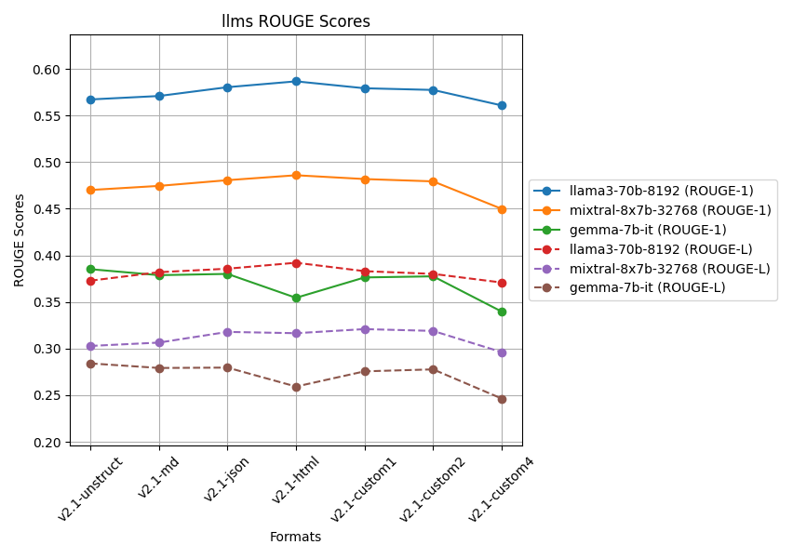
Metric | ROUGE 1 |  |  |  | ROUGE L
LLM | Llama3 | Mixtral | Gemma | Overall | Llama3 | Mixtral | Gemma | Overall
v2.1-unstruct | 0.56718393893 | 0.47006143354 | 0.38512243915 | 0.47412260388 | 0.37279318899 | 0.30280728568 | 0.28406679341 | 0.31988908936
v2.1-md | 0.57086994756 | 0.47444963823 | 0.37870579294 | 0.47467512624 | 0.38188923152 | 0.30639827491 | 0.2791698237 | 0.32248577671
v2.1-json | 0.58032479652 | 0.48059646756 | 0.3800708487 | 0.48033070426 | 0.38564852871 | 0.3178576536 | 0.27957284305 | 0.32769300845
v2.1-html | 0.58659454569 | 0.48587465507 | 0.35441940935 | 0.4756295367 | 0.39204179358 | 0.31647585204 | 0.25923274216 | 0.32258346259
v2.1-custom1 | 0.57917659983 | 0.48180246251 | 0.37627162147 | 0.47908356127 | 0.38300165361 | 0.32085242331 | 0.27555841953 | 0.32647083215
v2.1-custom2 | 0.57737044381 | 0.47930560514 | 0.37746323177 | 0.47804642691 | 0.38007584814 | 0.31891316694 | 0.27766391031 | 0.32555097513
v2.1-custom4 | 0.56077243673 | 0.44986708557 | 0.3396944316 | 0.45011131796 | 0.37083384685 | 0.29620085203 | 0.24639994172 | 0.30447821353
Table: Average Rouge Scores of LLM responses for various data formats [Questions = 50]

Metric | ROUGE 1 |  |  |  | ROUGE L
LLM | Llama3 | Mixtral | Gemma | Overall | Llama3 | Mixtral | Gemma | Overall
v1-html | 0.49982578011 | 0.43523827852 | 0.30738522954 | 0.41414976272 | 0.36036963582 | 0.27573187971 | 0.26347305389 | 0.29985818981
v1-json | 0.54521269983 | 0.46271629357 | 0.29395028452 | 0.43395975931 | 0.36238976086 | 0.30778205122 | 0.25756214435 | 0.30924465214
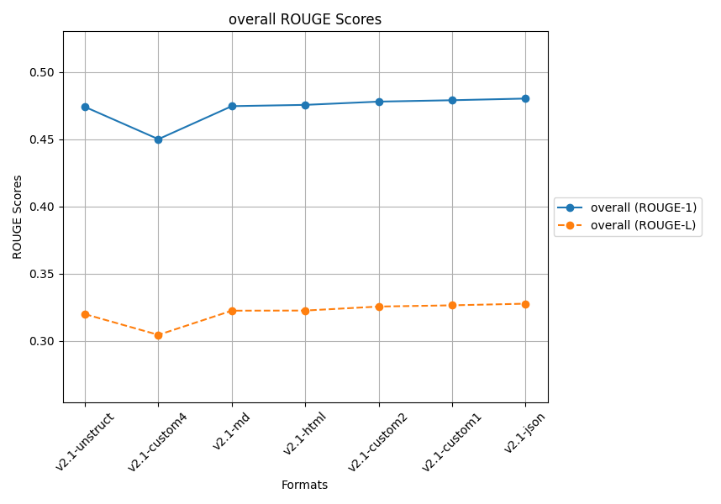
v2-html | 0.64671364674 | 0.5437852522 | 0.35456412706 | 0.51502100867 | 0.51309587488 | 0.37243377359 | 0.29028049784 | 0.39193671543
v2-json | 0.59245147783 | 0.50019750239 | 0.39773357461 | 0.49679418494 | 0.42207427956 | 0.32910499681 | 0.33907803776 | 0.36341910471
Table: Average Rouge Scores of LLM responses for 2 Extraction Techniques [Questions = 5]

Sheet12
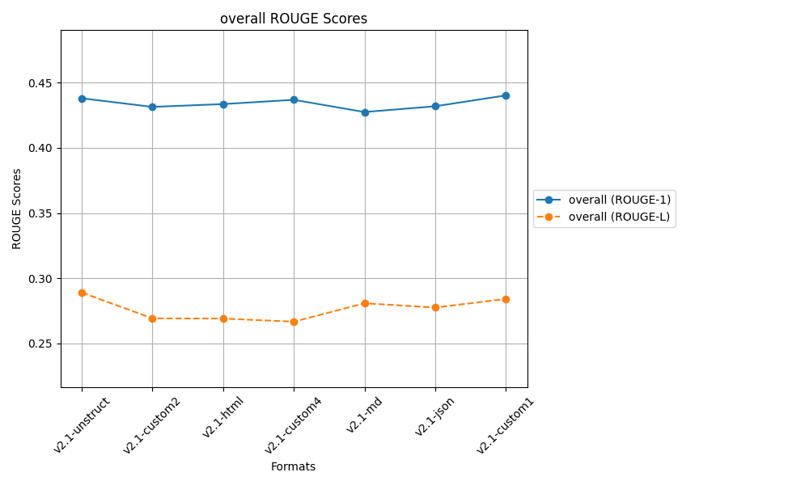
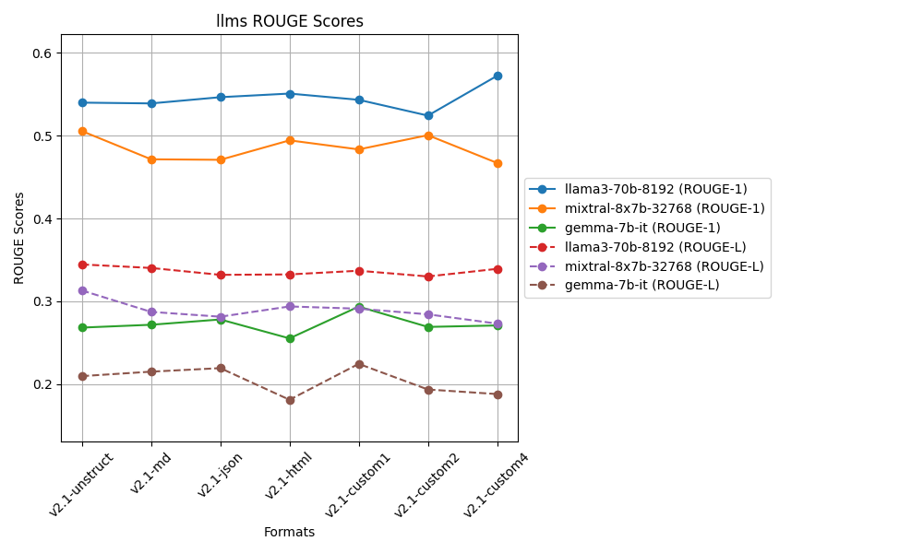
LLAMA
 | ROUGE 1
 | Q1 | Q2 | Q3 | Q4 | Q5 | Q6 | Q7 | Q8 | Q9 | Q10
v2.1-unstruct | 0.73076923077 | 0.67741935484 | 0.67479674797 | 0.49645390071 | 0.48562300319 | 0.51245551601 | 0.37623762376 | 0.35158501441 | 0.52666666667 | 0.56818181818 | 0.54001888765
v2.1-md | 0.68217054264 | 0.67543859649 | 0.6213592233 | 0.53947368421 | 0.48076923077 | 0.44290657439 | 0.42033898305 | 0.40143369176 | 0.53691275168 | 0.58988764045 | 0.53906909187
v2.1-json | 0.70682730924 | 0.7037037037 | 0.66932270916 | 0.50657894737 | 0.45222929936 | 0.4984984985 | 0.42367601246 | 0.45398773006 | 0.56151419558 | 0.48955223881 | 0.54658906442
v2.1-html | 0.6953125 | 0.72340425532 | 0.66108786611 | 0.54545454545 | 0.46575342466 | 0.48648648649 | 0.4115755627 | 0.41142857143 | 0.53086419753 | 0.57831325301 | 0.55096806627
v2.1-custom1 | 0.72440944882 | 0.70319634703 | 0.64748201439 | 0.4668989547 | 0.47648902821 | 0.52434456929 | 0.38461538462 | 0.35338345865 | 0.54785478548 | 0.60567823344 | 0.54343522246
v2.1-custom2 | 0.71146245059 | 0.68778280543 | 0.66108786611 | 0.51685393258 | 0.52447552448 | 0.42807017544 | 0.36789297659 | 0.29343629344 | 0.49552238806 | 0.55696202532 | 0.5243546438
v2.1-custom4 | 0.77490774908 | 0.70909090909 | 0.66216216216 | 0.63736263736 | 0.51873198847 | 0.43125 | 0.55172413793 | 0.32128514056 | 0.52564102564 | 0.59210526316 | 0.57242610135
 | v2.1-custom4 | v2.1-html | v2.1-unstruct | v2.1-custom4 | v2.1-custom2 | v2.1-custom1 | v2.1-custom4 | v2.1-json | v2.1-json | v2.1-custom1 | v2.1-custom4

 | ROUGE L
 | Q1 | Q2 | Q3 | Q4 | Q5 | Q6 | Q7 | Q8 | Q9 | Q10
v2.1-unstruct | 0.47692307692 | 0.56451612903 | 0.47967479675 | 0.29787234043 | 0.24920127796 | 0.2846975089 | 0.19141914191 | 0.1613832853 | 0.35333333333 | 0.38636363636 | 0.34453845269
v2.1-md | 0.49612403101 | 0.47368421053 | 0.42718446602 | 0.32894736842 | 0.26923076923 | 0.24221453287 | 0.21016949153 | 0.20071684588 | 0.35570469799 | 0.39887640449 | 0.3402852818
v2.1-json | 0.52208835341 | 0.51851851852 | 0.4780876494 | 0.30263157895 | 0.1974522293 | 0.21621621622 | 0.23052959502 | 0.19018404908 | 0.3596214511 | 0.30447761194 | 0.33198072529
v2.1-html | 0.515625 | 0.49361702128 | 0.44351464435 | 0.29467084639 | 0.19863013699 | 0.25482625483 | 0.21864951768 | 0.22285714286 | 0.32716049383 | 0.35542168675 | 0.3324972745
v2.1-custom1 | 0.46456692913 | 0.51141552511 | 0.46043165468 | 0.26480836237 | 0.25078369906 | 0.24719101124 | 0.21153846154 | 0.18045112782 | 0.33663366337 | 0.44164037855 | 0.33694608129
v2.1-custom2 | 0.54545454545 | 0.49773755656 | 0.44351464435 | 0.28464419476 | 0.26573426573 | 0.21052631579 | 0.21404682274 | 0.18532818533 | 0.29253731343 | 0.36075949367 | 0.33002833378
v2.1-custom4 | 0.47232472325 | 0.51818181818 | 0.43918918919 | 0.44688644689 | 0.23631123919 | 0.225 | 0.24451410658 | 0.15261044177 | 0.27564102564 | 0.38157894737 | 0.33922379381
 | v2.1-custom2 | v2.1-unstruct | v2.1-unstruct | v2.1-custom4 | v2.1-md | v2.1-unstruct | v2.1-custom4 | v2.1-html | v2.1-json | v2.1-custom1 | v2.1-unstruct

MIXTRAL
 | ROUGE 1
 | Q1 | Q2 | Q3 | Q4 | Q5 | Q6 | Q7 | Q8 | Q9 | Q10
v2.1-unstruct | 0.6174863388 | 0.51724137931 | 0.63636363636 | 0.47792207792 | 0.44444444444 | 0.56643356643 | 0.33668341709 | 0.47133757962 | 0.48843187661 | 0.5 | 0.50563443166
v2.1-md | 0.48456057007 | 0.51311953353 | 0.66192170819 | 0.375 | 0.47249190939 | 0.43044619423 | 0.39050131926 | 0.4289276808 | 0.43127962085 | 0.5274151436 | 0.47156636799
v2.1-json | 0.49579831933 | 0.47214854111 | 0.61356932153 | 0.42924528302 | 0.43835616438 | 0.45544554455 | 0.43406593407 | 0.38647342995 | 0.51212938005 | 0.47228915663 | 0.47095210746
v2.1-html | 0.49489795918 | 0.52077562327 | 0.65594855305 | 0.49329758713 | 0.44134078212 | 0.52037617555 | 0.35858585859 | 0.37899543379 | 0.43544303797 | 0.64473684211 | 0.49443978528
v2.1-custom1 | 0.57721518987 | 0.47058823529 | 0.65551839465 | 0.47921760391 | 0.40883977901 | 0.39240506329 | 0.37096774194 | 0.52367688022 | 0.47321428571 | 0.48351648352 | 0.48351596574
v2.1-custom2 | 0.54901960784 | 0.55900621118 | 0.6798679868 | 0.45161290323 | 0.40449438202 | 0.42937853107 | 0.42105263158 | 0.53074433657 | 0.47555555556 | 0.50620347395 | 0.50069356198
v2.1-custom4 | 0.43705463183 | 0.50424929178 | 0.50909090909 | 0.453125 | 0.44552058111 | 0.44444444444 | 0.40601503759 | 0.45789473684 | 0.48768472906 | 0.52657004831 | 0.46716494101
 | v2.1-unstruct | v2.1-custom2 | v2.1-custom2 | v2.1-html | v2.1-md | v2.1-unstruct | v2.1-json | v2.1-custom2 | v2.1-json | v2.1-html | v2.1-unstruct

 | ROUGE L
 | Q1 | Q2 | Q3 | Q4 | Q5 | Q6 | Q7 | Q8 | Q9 | Q10
v2.1-unstruct | 0.41530054645 | 0.37356321839 | 0.39160839161 | 0.38961038961 | 0.22822822823 | 0.28671328671 | 0.18592964824 | 0.25477707006 | 0.28791773779 | 0.31739130435 | 0.31310398214
v2.1-md | 0.30878859857 | 0.39067055394 | 0.44128113879 | 0.25 | 0.23948220065 | 0.23622047244 | 0.20580474934 | 0.20947630923 | 0.25118483412 | 0.33942558747 | 0.28723344445
v2.1-json | 0.37394957983 | 0.36074270557 | 0.42477876106 | 0.2641509434 | 0.20821917808 | 0.21782178218 | 0.18131868132 | 0.21256038647 | 0.29110512129 | 0.27951807229 | 0.28141652115
v2.1-html | 0.2806122449 | 0.37119113573 | 0.47588424437 | 0.30026809651 | 0.19553072626 | 0.25705329154 | 0.21212121212 | 0.2100456621 | 0.27341772152 | 0.36184210526 | 0.29379664403
v2.1-custom1 | 0.4 | 0.34759358289 | 0.48829431438 | 0.30806845966 | 0.22099447514 | 0.21097046414 | 0.16666666667 | 0.22841225627 | 0.23660714286 | 0.3032967033 | 0.29109040653
v2.1-custom2 | 0.33823529412 | 0.4099378882 | 0.41584158416 | 0.2534562212 | 0.20224719101 | 0.20338983051 | 0.23268698061 | 0.25242718447 | 0.26666666667 | 0.26799007444 | 0.28428789154
v2.1-custom4 | 0.26128266033 | 0.38526912181 | 0.32272727273 | 0.27083333333 | 0.24697336562 | 0.21728395062 | 0.20050125313 | 0.22631578947 | 0.26600985222 | 0.33333333333 | 0.27305299326
 | v2.1-unstruct | v2.1-custom2 | v2.1-custom1 | v2.1-unstruct | v2.1-custom4 | v2.1-unstruct | v2.1-custom2 | v2.1-unstruct | v2.1-json | v2.1-html | v2.1-unstruct

GEMMA
 | ROUGE 1
 | Q1 | Q2 | Q3 | Q4 | Q5 | Q6 | Q7 | Q8 | Q9 | Q10
v2.1-unstruct | 0.34682080925 | 0.61306532663 | 0.22641509434 | 0.15384615385 | 0.18285714286 | 0.16766467066 | 0.21111111111 | 0.14583333333 | 0.17341040462 | 0.46153846154 | 0.26825625082
v2.1-md | 0.48421052632 | 0.61306532663 | 0.28915662651 | 0.18285714286 | 0.16091954023 | 0.23863636364 | 0.21111111111 | 0.14583333333 | 0.17341040462 | 0.21761658031 | 0.27168169556
v2.1-json | 0.45405405405 | 0.60098522167 | 0.36781609195 | 0.15384615385 | 0.18285714286 | 0.28248587571 | 0.21111111111 | 0.14583333333 | 0.17341040462 | 0.20833333333 | 0.27807327225
v2.1-html | 0.29189189189 | 0.60396039604 | 0.28915662651 | 0.15384615385 | 0.18285714286 | 0.28248587571 | 0.21111111111 | 0.14583333333 | 0.17341040462 | 0.21761658031 | 0.25521695162
v2.1-custom1 | 0.48421052632 | 0.60098522167 | 0.46231155779 | 0.18285714286 | 0.18285714286 | 0.28409090909 | 0.21111111111 | 0.14583333333 | 0.17341040462 | 0.20833333333 | 0.2936000683
v2.1-custom2 | 0.29189189189 | 0.61306532663 | 0.31952662722 | 0.18285714286 | 0.18285714286 | 0.28409090909 | 0.21111111111 | 0.14583333333 | 0.24309392265 | 0.21649484536 | 0.2690822253
v2.1-custom4 | 0.29090909091 | 0.6 | 0.35106382979 | 0.18285714286 | 0.18285714286 | 0.28409090909 | 0.21111111111 | 0.14583333333 | 0.24309392265 | 0.21649484536 | 0.2708311328
 | v2.1-md | v2.1-unstruct | v2.1-custom1 | v2.1-md | v2.1-unstruct | v2.1-custom1 | v2.1-unstruct | v2.1-unstruct | v2.1-custom2 | v2.1-unstruct | v2.1-custom1

 | ROUGE L
 | Q1 | Q2 | Q3 | Q4 | Q5 | Q6 | Q7 | Q8 | Q9 | Q10
v2.1-unstruct | 0.26589595376 | 0.54271356784 | 0.18867924528 | 0.082840236686 | 0.14857142857 | 0.10778443114 | 0.13333333333 | 0.09375 | 0.16184971098 | 0.37104072398 | 0.20964586316
v2.1-md | 0.44210526316 | 0.54271356784 | 0.24096385542 | 0.11428571429 | 0.12643678161 | 0.17045454545 | 0.13333333333 | 0.09375 | 0.16184971098 | 0.12435233161 | 0.21502451037
v2.1-json | 0.4 | 0.52216748768 | 0.33333333333 | 0.082840236686 | 0.14857142857 | 0.19209039548 | 0.13333333333 | 0.09375 | 0.16184971098 | 0.125 | 0.21929359261
v2.1-html | 0.22702702703 | 0.40594059406 | 0.24096385542 | 0.082840236686 | 0.14857142857 | 0.19209039548 | 0.13333333333 | 0.09375 | 0.16184971098 | 0.12435233161 | 0.18107189132
v2.1-custom1 | 0.44210526316 | 0.52216748768 | 0.3216080402 | 0.11428571429 | 0.14857142857 | 0.18181818182 | 0.13333333333 | 0.09375 | 0.16184971098 | 0.125 | 0.224448916
v2.1-custom2 | 0.22702702703 | 0.45226130653 | 0.27218934911 | 0.11428571429 | 0.14857142857 | 0.18181818182 | 0.13333333333 | 0.09375 | 0.18784530387 | 0.12371134021 | 0.19347929848
v2.1-custom4 | 0.2303030303 | 0.4 | 0.26595744681 | 0.11428571429 | 0.14857142857 | 0.18181818182 | 0.13333333333 | 0.09375 | 0.18784530387 | 0.12371134021 | 0.18795757792
 | v2.1-md | v2.1-unstruct | v2.1-json | v2.1-md | v2.1-unstruct | v2.1-json | v2.1-unstruct | v2.1-unstruct | v2.1-custom2 | v2.1-unstruct | v2.1-custom1

Sheet11
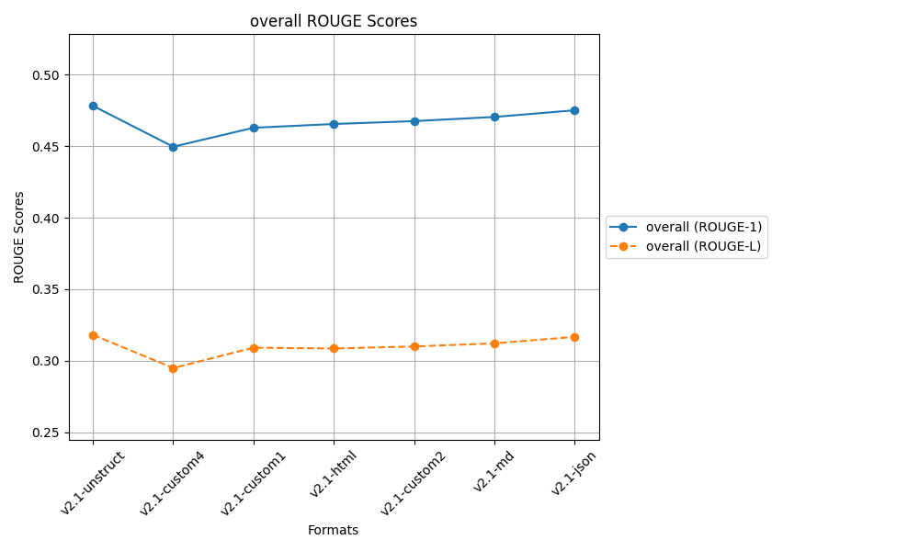
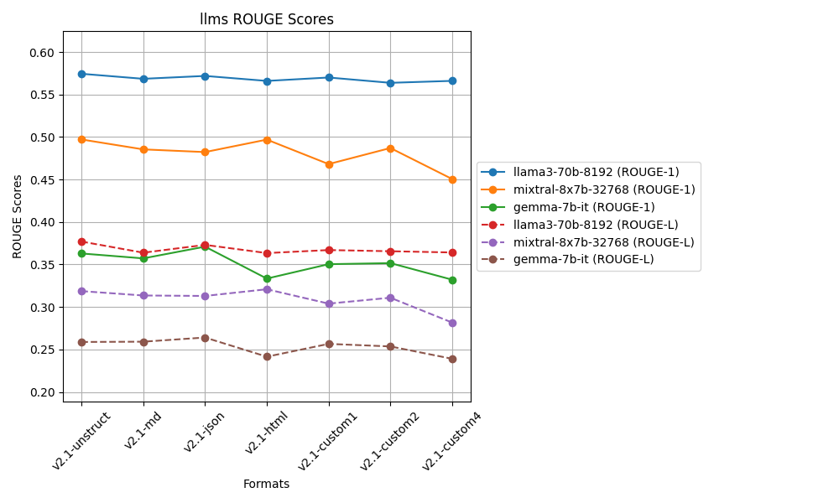
LLAMA
 | ROUGE 1
 | Q1 | Q2 | Q3 | Q4 | Q5 | Q6 | Q7 | Q8 | Q9 | Q10 | Q11 | Q12 | Q13 | Q14 | Q15 | Q16 | Q17 | Q18 | Q19 | Q20 | Q21 | Q22 | Q23 | Q24 | Q25 | Q26 | Q27 | Q28 | Q29 | Q30 | Q31 | Q32 | Q33 | Q34 | Q35 | Q36 | Q37 | Q38 | Q39 | Q40 | Q41 | Q42 | Q43 | Q44 | Q45 | Q46 | Q47 | Q48 | Q49 | Q50
v2.1-unstruct | 0.66917293233 | 0.7 | 0.65771812081 | 0.58208955224 | 0.44637681159 | 0.47352024922 | 0.41666666667 | 0.24454148472 | 0.59442724458 | 0.49099099099 | 0.44186046512 | 0.77490774908 | 0.64888888889 | 0.54485049834 | 0.53191489362 | 0.44230769231 | 0.70671378092 | 0.592 | 0.49107142857 | 0.75342465753 | 0.5350877193 | 0.72146118721 | 0.63897763578 | 0.64591439689 | 0.51590106007 | 0.6204620462 | 0.63970588235 | 0.47305389222 | 0.60983606557 | 0.52564102564 | 0.53242320819 | 0.59076923077 | 0.48466257669 | 0.55319148936 | 0.72903225806 | 0.63291139241 | 0.59622641509 | 0.4 | 0.54153846154 | 0.55862068966 | 0.703125 | 0.69527896996 | 0.5468164794 | 0.70945945946 | 0.67549668874 | 0.44285714286 | 0.57049180328 | 0.70119521912 | 0.52142857143 | 0.40939597315 | 0.57448812096
v2.1-md | 0.734375 | 0.67543859649 | 0.6496350365 | 0.50169491525 | 0.46864686469 | 0.47887323944 | 0.38607594937 | 0.36363636364 | 0.51773049645 | 0.58988764045 | 0.51048951049 | 0.68789808917 | 0.6036036036 | 0.52201257862 | 0.58 | 0.44137931034 | 0.61736334405 | 0.59227467811 | 0.57416267943 | 0.58020477816 | 0.57142857143 | 0.67248908297 | 0.57236842105 | 0.62790697674 | 0.51757188498 | 0.67615658363 | 0.57249070632 | 0.44910179641 | 0.54125412541 | 0.57894736842 | 0.49358974359 | 0.5574912892 | 0.49079754601 | 0.4578313253 | 0.67132867133 | 0.61666666667 | 0.60504201681 | 0.64661654135 | 0.49006622517 | 0.60641399417 | 0.65185185185 | 0.66666666667 | 0.60583941606 | 0.72240802676 | 0.69230769231 | 0.44147157191 | 0.47507331378 | 0.69827586207 | 0.57792207792 | 0.40625 | 0.56858017381
v2.1-json | 0.70454545455 | 0.7037037037 | 0.66932270916 | 0.47868852459 | 0.46357615894 | 0.42580645161 | 0.41196013289 | 0.27192982456 | 0.57419354839 | 0.57761732852 | 0.50169491525 | 0.60365853659 | 0.64377682403 | 0.46835443038 | 0.57337883959 | 0.39726027397 | 0.6642599278 | 0.48062015504 | 0.57894736842 | 0.80952380952 | 0.58878504673 | 0.67906976744 | 0.64918032787 | 0.66159695817 | 0.44137931034 | 0.69152542373 | 0.50303030303 | 0.41744548287 | 0.53459119497 | 0.5 | 0.48902821317 | 0.47457627119 | 0.54437869822 | 0.45578231293 | 0.65972222222 | 0.65060240964 | 0.65853658537 | 0.6821192053 | 0.49190938511 | 0.62 | 0.74897119342 | 0.69491525424 | 0.54347826087 | 0.7491638796 | 0.73103448276 | 0.46875 | 0.56875 | 0.72033898305 | 0.56944444444 | 0.40718562874 | 0.57196220326
v2.1-html | 0.6953125 | 0.69683257919 | 0.66108786611 | 0.49295774648 | 0.44520547945 | 0.45756457565 | 0.41059602649 | 0.40880503145 | 0.54225352113 | 0.58171745152 | 0.47811447811 | 0.64981949458 | 0.64655172414 | 0.5047318612 | 0.57677902622 | 0.3320754717 | 0.64591439689 | 0.45967741935 | 0.51046025105 | 0.76923076923 | 0.59701492537 | 0.69058295964 | 0.57425742574 | 0.64591439689 | 0.45878136201 | 0.6936026936 | 0.48745519713 | 0.42553191489 | 0.5835694051 | 0.54901960784 | 0.51315789474 | 0.52027027027 | 0.54485049834 | 0.5 | 0.66894197952 | 0.62393162393 | 0.58008658009 | 0.6231884058 | 0.51006711409 | 0.59615384615 | 0.71146245059 | 0.65765765766 | 0.59479553903 | 0.59863945578 | 0.69172932331 | 0.48231511254 | 0.55828220859 | 0.67768595041 | 0.57246376812 | 0.40718562874 | 0.56608565732
v2.1-custom1 | 0.72440944882 | 0.70319634703 | 0.64748201439 | 0.45205479452 | 0.47557003257 | 0.52398523985 | 0.38461538462 | 0.46645367412 | 0.5358490566 | 0.60946745562 | 0.48375451264 | 0.63601532567 | 0.60792951542 | 0.44137931034 | 0.57352941176 | 0.43445692884 | 0.63665594855 | 0.50393700787 | 0.54237288136 | 0.76056338028 | 0.55769230769 | 0.7423580786 | 0.56484149856 | 0.63114754098 | 0.4275862069 | 0.65780730897 | 0.50187265918 | 0.44705882353 | 0.56765676568 | 0.59722222222 | 0.46666666667 | 0.54355400697 | 0.45614035088 | 0.41693811075 | 0.70714285714 | 0.62978723404 | 0.6694214876 | 0.63799283154 | 0.50825082508 | 0.57718120805 | 0.6887966805 | 0.69491525424 | 0.59786476868 | 0.74074074074 | 0.70229007634 | 0.43225806452 | 0.50314465409 | 0.70689655172 | 0.58362989324 | 0.40236686391 | 0.5700980042
v2.1-custom2 | 0.72222222222 | 0.68778280543 | 0.66108786611 | 0.49541284404 | 0.52296819788 | 0.46357615894 | 0.38225255973 | 0.2734375 | 0.5652173913 | 0.58402203857 | 0.45954692557 | 0.6144200627 | 0.63829787234 | 0.50158730159 | 0.56115107914 | 0.41577060932 | 0.63225806452 | 0.575 | 0.50458715596 | 0.79858657244 | 0.53658536585 | 0.671875 | 0.62179487179 | 0.65289256198 | 0.42857142857 | 0.6976744186 | 0.49822064057 | 0.36245954693 | 0.66 | 0.50561797753 | 0.41666666667 | 0.51612903226 | 0.50149253731 | 0.52396166134 | 0.6524822695 | 0.66666666667 | 0.64377682403 | 0.6231884058 | 0.4926686217 | 0.53012048193 | 0.76394849785 | 0.65765765766 | 0.53333333333 | 0.70987654321 | 0.71264367816 | 0.45592705167 | 0.53824362606 | 0.59016393443 | 0.5447761194 | 0.42345276873 | 0.56384106835
v2.1-custom4 | 0.68461538462 | 0.70909090909 | 0.65762711864 | 0.64233576642 | 0.47826086957 | 0.41401273885 | 0.47557003257 | 0.40714285714 | 0.55621301775 | 0.59863945578 | 0.43452380952 | 0.66666666667 | 0.56310679612 | 0.51194539249 | 0.5910652921 | 0.37748344371 | 0.64102564103 | 0.50632911392 | 0.53543307087 | 0.6511627907 | 0.6261682243 | 0.6724137931 | 0.60066006601 | 0.56153846154 | 0.53287197232 | 0.55445544554 | 0.61151079137 | 0.38953488372 | 0.61341853035 | 0.59459459459 | 0.51757188498 | 0.54482758621 | 0.45967741935 | 0.50282485876 | 0.65634674923 | 0.61475409836 | 0.65322580645 | 0.65441176471 | 0.45487364621 | 0.52173913043 | 0.72103004292 | 0.71296296296 | 0.6015037594 | 0.60927152318 | 0.66666666667 | 0.44078947368 | 0.50574712644 | 0.59227467811 | 0.56666666667 | 0.45070422535 | 0.56614574001
 | v2.1-md | v2.1-custom4 | v2.1-json | v2.1-custom4 | v2.1-custom2 | v2.1-custom1 | v2.1-custom4 | v2.1-custom1 | v2.1-unstruct | v2.1-custom1 | v2.1-md | v2.1-unstruct | v2.1-unstruct | v2.1-unstruct | v2.1-custom4 | v2.1-unstruct | v2.1-unstruct | v2.1-md | v2.1-json | v2.1-json | v2.1-custom4 | v2.1-custom1 | v2.1-json | v2.1-json | v2.1-custom4 | v2.1-custom2 | v2.1-unstruct | v2.1-unstruct | v2.1-custom2 | v2.1-custom1 | v2.1-unstruct | v2.1-unstruct | v2.1-html | v2.1-unstruct | v2.1-unstruct | v2.1-custom2 | v2.1-custom1 | v2.1-json | v2.1-unstruct | v2.1-json | v2.1-custom2 | v2.1-custom4 | v2.1-md | v2.1-json | v2.1-json | v2.1-html | v2.1-unstruct | v2.1-json | v2.1-custom1 | v2.1-custom4 | v2.1-unstruct

 | ROUGE L
 | Q1 | Q2 | Q3 | Q4 | Q5 | Q6 | Q7 | Q8 | Q9 | Q10 | Q11 | Q12 | Q13 | Q14 | Q15 | Q16 | Q17 | Q18 | Q19 | Q20 | Q21 | Q22 | Q23 | Q24 | Q25 | Q26 | Q27 | Q28 | Q29 | Q30 | Q31 | Q32 | Q33 | Q34 | Q35 | Q36 | Q37 | Q38 | Q39 | Q40 | Q41 | Q42 | Q43 | Q44 | Q45 | Q46 | Q47 | Q48 | Q49 | Q50
v2.1-unstruct | 0.52631578947 | 0.6 | 0.41610738255 | 0.44776119403 | 0.23768115942 | 0.29906542056 | 0.19230769231 | 0.17467248908 | 0.40866873065 | 0.34234234234 | 0.29069767442 | 0.63468634686 | 0.50666666667 | 0.3122923588 | 0.29787234043 | 0.23717948718 | 0.45229681979 | 0.44 | 0.30357142857 | 0.52739726027 | 0.36842105263 | 0.56621004566 | 0.37699680511 | 0.4513618677 | 0.26855123675 | 0.3498349835 | 0.43382352941 | 0.22155688623 | 0.47868852459 | 0.42307692308 | 0.27303754266 | 0.30153846154 | 0.27607361963 | 0.32218844985 | 0.50322580645 | 0.32067510549 | 0.36226415094 | 0.23272727273 | 0.31384615385 | 0.37931034483 | 0.6484375 | 0.34334763948 | 0.3595505618 | 0.53378378378 | 0.51655629139 | 0.25714285714 | 0.31475409836 | 0.52589641434 | 0.28571428571 | 0.19463087248 | 0.37701611301
v2.1-md | 0.46875 | 0.47368421053 | 0.44525547445 | 0.27118644068 | 0.23102310231 | 0.22535211268 | 0.19620253165 | 0.18909090909 | 0.3475177305 | 0.39887640449 | 0.28671328671 | 0.36942675159 | 0.41441441441 | 0.30188679245 | 0.36666666667 | 0.23448275862 | 0.45659163987 | 0.47210300429 | 0.35406698565 | 0.45733788396 | 0.36866359447 | 0.5327510917 | 0.375 | 0.4496124031 | 0.19808306709 | 0.46263345196 | 0.38661710037 | 0.20958083832 | 0.3696369637 | 0.43421052632 | 0.24358974359 | 0.2787456446 | 0.30061349693 | 0.25903614458 | 0.41958041958 | 0.31666666667 | 0.39495798319 | 0.51127819549 | 0.27814569536 | 0.50728862974 | 0.57777777778 | 0.34234234234 | 0.37226277372 | 0.52173913043 | 0.56643356643 | 0.2474916388 | 0.27565982405 | 0.48275862069 | 0.35714285714 | 0.19375 | 0.36389358577
v2.1-json | 0.51515151515 | 0.51851851852 | 0.4780876494 | 0.30163934426 | 0.21854304636 | 0.22580645161 | 0.21262458472 | 0.17543859649 | 0.34838709677 | 0.41155234657 | 0.29152542373 | 0.30487804878 | 0.48927038627 | 0.28481012658 | 0.34129692833 | 0.23287671233 | 0.46931407942 | 0.35658914729 | 0.35964912281 | 0.61904761905 | 0.42056074766 | 0.5023255814 | 0.4 | 0.44866920152 | 0.2275862069 | 0.4813559322 | 0.33333333333 | 0.22429906542 | 0.39622641509 | 0.36956521739 | 0.25705329154 | 0.25762711864 | 0.30769230769 | 0.2380952381 | 0.42361111111 | 0.35341365462 | 0.41463414634 | 0.5298013245 | 0.33009708738 | 0.46666666667 | 0.64197530864 | 0.33050847458 | 0.36956521739 | 0.54180602007 | 0.59310344828 | 0.25625 | 0.26875 | 0.52542372881 | 0.36805555556 | 0.22155688623 | 0.37309230063
v2.1-html | 0.515625 | 0.50678733032 | 0.44351464435 | 0.27464788732 | 0.19863013699 | 0.23616236162 | 0.25165562914 | 0.18238993711 | 0.33098591549 | 0.40443213296 | 0.32996632997 | 0.38267148014 | 0.47413793103 | 0.25867507886 | 0.37453183521 | 0.20377358491 | 0.44357976654 | 0.34677419355 | 0.32635983264 | 0.6220735786 | 0.39800995025 | 0.60986547085 | 0.3696369637 | 0.46692607004 | 0.20071684588 | 0.46464646465 | 0.33691756272 | 0.2188449848 | 0.42492917847 | 0.43137254902 | 0.22368421053 | 0.26351351351 | 0.33887043189 | 0.26829268293 | 0.41638225256 | 0.31623931624 | 0.38095238095 | 0.48550724638 | 0.28859060403 | 0.39743589744 | 0.51383399209 | 0.32432432432 | 0.3717472119 | 0.47619047619 | 0.59398496241 | 0.26366559486 | 0.26380368098 | 0.42148760331 | 0.31884057971 | 0.21556886228 | 0.36344312903
v2.1-custom1 | 0.46456692913 | 0.51141552511 | 0.46043165468 | 0.25342465753 | 0.26058631922 | 0.24354243542 | 0.21153846154 | 0.19808306709 | 0.36226415094 | 0.37278106509 | 0.26714801444 | 0.31417624521 | 0.44933920705 | 0.25517241379 | 0.33823529412 | 0.23970037453 | 0.4501607717 | 0.40157480315 | 0.31355932203 | 0.61267605634 | 0.375 | 0.64628820961 | 0.36887608069 | 0.49180327869 | 0.22068965517 | 0.43853820598 | 0.32958801498 | 0.21176470588 | 0.42244224422 | 0.45833333333 | 0.26 | 0.27177700348 | 0.29239766082 | 0.24755700326 | 0.42142857143 | 0.31489361702 | 0.42975206612 | 0.49462365591 | 0.2904290429 | 0.40939597315 | 0.59751037344 | 0.33050847458 | 0.37722419929 | 0.52525252525 | 0.61832061069 | 0.24516129032 | 0.23899371069 | 0.50862068966 | 0.31316725979 | 0.21893491124 | 0.36699298271
v2.1-custom2 | 0.53968253968 | 0.49773755656 | 0.44351464435 | 0.2752293578 | 0.26855123675 | 0.2582781457 | 0.23208191126 | 0.1796875 | 0.31055900621 | 0.39669421488 | 0.2783171521 | 0.33228840125 | 0.46808510638 | 0.31111111111 | 0.34532374101 | 0.20788530466 | 0.45806451613 | 0.38333333333 | 0.29357798165 | 0.62190812721 | 0.36585365854 | 0.484375 | 0.40384615385 | 0.48760330579 | 0.21804511278 | 0.45182724252 | 0.32740213523 | 0.22006472492 | 0.47333333333 | 0.39325842697 | 0.24358974359 | 0.27565982405 | 0.28059701493 | 0.25559105431 | 0.45390070922 | 0.36947791165 | 0.47210300429 | 0.48550724638 | 0.2991202346 | 0.35542168675 | 0.669527897 | 0.32432432432 | 0.35294117647 | 0.49382716049 | 0.61302681992 | 0.24924012158 | 0.28328611898 | 0.37704918033 | 0.28358208955 | 0.21498371336 | 0.36560554027
v2.1-custom4 | 0.5 | 0.51818181818 | 0.4406779661 | 0.45255474453 | 0.24637681159 | 0.22929936306 | 0.2671009772 | 0.19285714286 | 0.31952662722 | 0.36054421769 | 0.27976190476 | 0.37623762376 | 0.33009708738 | 0.30034129693 | 0.35738831615 | 0.19205298013 | 0.46153846154 | 0.32911392405 | 0.31496062992 | 0.51162790698 | 0.45794392523 | 0.56034482759 | 0.42904290429 | 0.36153846154 | 0.26989619377 | 0.39603960396 | 0.37410071942 | 0.22674418605 | 0.47923322684 | 0.44594594595 | 0.2428115016 | 0.26896551724 | 0.29838709677 | 0.27118644068 | 0.42724458204 | 0.31967213115 | 0.41129032258 | 0.46323529412 | 0.31046931408 | 0.3602484472 | 0.56652360515 | 0.41666666667 | 0.37593984962 | 0.4701986755 | 0.57142857143 | 0.25657894737 | 0.27011494253 | 0.36051502146 | 0.30666666667 | 0.25915492958 | 0.36416736636
 | v2.1-custom2 | v2.1-unstruct | v2.1-json | v2.1-custom4 | v2.1-custom2 | v2.1-unstruct | v2.1-custom4 | v2.1-custom1 | v2.1-unstruct | v2.1-json | v2.1-html | v2.1-unstruct | v2.1-unstruct | v2.1-unstruct | v2.1-html | v2.1-custom1 | v2.1-json | v2.1-md | v2.1-json | v2.1-html | v2.1-custom4 | v2.1-custom1 | v2.1-custom4 | v2.1-custom1 | v2.1-custom4 | v2.1-json | v2.1-unstruct | v2.1-custom4 | v2.1-custom4 | v2.1-custom1 | v2.1-unstruct | v2.1-unstruct | v2.1-html | v2.1-unstruct | v2.1-unstruct | v2.1-custom2 | v2.1-custom2 | v2.1-json | v2.1-json | v2.1-md | v2.1-custom2 | v2.1-custom4 | v2.1-custom1 | v2.1-json | v2.1-custom1 | v2.1-html | v2.1-unstruct | v2.1-unstruct | v2.1-json | v2.1-custom4 | v2.1-unstruct

MIXTRAL
 | ROUGE 1
 | Q1 | Q2 | Q3 | Q4 | Q5 | Q6 | Q7 | Q8 | Q9 | Q10 | Q11 | Q12 | Q13 | Q14 | Q15 | Q16 | Q17 | Q18 | Q19 | Q20 | Q21 | Q22 | Q23 | Q24 | Q25 | Q26 | Q27 | Q28 | Q29 | Q30 | Q31 | Q32 | Q33 | Q34 | Q35 | Q36 | Q37 | Q38 | Q39 | Q40 | Q41 | Q42 | Q43 | Q44 | Q45 | Q46 | Q47 | Q48 | Q49 | Q50
v2.1-unstruct | 0.58375634518 | 0.68312757202 | 0.64174454829 | 0.36257309942 | 0.41826923077 | 0.54933333333 | 0.41687344913 | 0.34589800443 | 0.43055555556 | 0.52914798206 | 0.13043478261 | 0.66855524079 | 0.62015503876 | 0.5667752443 | 0.52892561983 | 0.38968481375 | 0.68421052632 | 0.58955223881 | 0.40601503759 | 0.59477124183 | 0.33888888889 | 0.58273381295 | 0.50101832994 | 0.58860759494 | 0.49864498645 | 0.44111349036 | 0.48607594937 | 0.39821029083 | 0.55474452555 | 0.39423076923 | 0.43939393939 | 0.4920993228 | 0.054794520548 | 0.50363196126 | 0.57519788918 | 0.57057057057 | 0.55421686747 | 0.43391521197 | 0.4858044164 | 0.43099273608 | 0.55096418733 | 0.52117263844 | 0.47688564477 | 0.67731629393 | 0.61764705882 | 0.41445783133 | 0.55710306407 | 0.6220735786 | 0.48947368421 | 0.46607669617 | 0.49716831313
v2.1-md | 0.58522727273 | 0.51311953353 | 0.60702875399 | 0.45738045738 | 0.45481049563 | 0.47904191617 | 0.42051282051 | 0.45791245791 | 0.48369565217 | 0.58139534884 | 0.43596730245 | 0.54408060453 | 0.43927648579 | 0.45505617978 | 0.55688622754 | 0.40771349862 | 0.55690072639 | 0.41590214067 | 0.45333333333 | 0.51960784314 | 0.35632183908 | 0.56426332288 | 0.48484848485 | 0.60784313725 | 0.36979166667 | 0.54800936768 | 0.50480769231 | 0.42613636364 | 0.46436781609 | 0.31046931408 | 0.43822843823 | 0.45036319613 | 0.36930455635 | 0.41152263374 | 0.60377358491 | 0.51895043732 | 0.65289256198 | 0.61111111111 | 0.4923857868 | 0.42339832869 | 0.58934169279 | 0.5138121547 | 0.51724137931 | 0.56279069767 | 0.54589371981 | 0.25142857143 | 0.50120481928 | 0.54084507042 | 0.41493775934 | 0.40366972477 | 0.48549608561
v2.1-json | 0.49579831933 | 0.47214854111 | 0.63829787234 | 0.39845261122 | 0.45333333333 | 0.49152542373 | 0.37849462366 | 0.37054631829 | 0.45433255269 | 0.52130325815 | 0.37108433735 | 0.54155495979 | 0.53383458647 | 0.39069767442 | 0.58146964856 | 0.39053254438 | 0.46934460888 | 0.41807909605 | 0.56 | 0.64117647059 | 0.35854341737 | 0.61486486486 | 0.43291592129 | 0.61794019934 | 0.46031746032 | 0.59064327485 | 0.46534653465 | 0.43309002433 | 0.46218487395 | 0.5974025974 | 0.4381443299 | 0.54601226994 | 0.40750670241 | 0.16574585635 | 0.57142857143 | 0.64233576642 | 0.60633484163 | 0.54922279793 | 0.43373493976 | 0.41361256545 | 0.50259067358 | 0.52887537994 | 0.51912568306 | 0.5668202765 | 0.58510638298 | 0.20731707317 | 0.46191646192 | 0.42639593909 | 0.51851851852 | 0.4204851752 | 0.48232972308
v2.1-html | 0.49489795918 | 0.52077562327 | 0.66233766234 | 0.48362720403 | 0.45478036176 | 0.46892655367 | 0.36496350365 | 0.4 | 0.47663551402 | 0.56020942408 | 0.33560090703 | 0.52130325815 | 0.47580645161 | 0.44967880086 | 0.64583333333 | 0.36184210526 | 0.68531468531 | 0.57564575646 | 0.37714285714 | 0.51630434783 | 0.37931034483 | 0.66666666667 | 0.44755244755 | 0.56024096386 | 0.44730077121 | 0.50952380952 | 0.46411483254 | 0.35922330097 | 0.55665024631 | 0.55696202532 | 0.39429928741 | 0.48441247002 | 0.46194225722 | 0.51781472684 | 0.61728395062 | 0.62837837838 | 0.6218487395 | 0.59850374065 | 0.50549450549 | 0.29764065336 | 0.515625 | 0.51940298507 | 0.49142857143 | 0.65671641791 | 0.54545454545 | 0.4347826087 | 0.45801526718 | 0.44986449864 | 0.41547861507 | 0.45682451253 | 0.49700766898
v2.1-custom1 | 0.57721518987 | 0.47058823529 | 0.64951768489 | 0.46411483254 | 0.46418338109 | 0.43333333333 | 0.36496350365 | 0.48603351955 | 0.47715736041 | 0.39768339768 | 0.38938053097 | 0.12987012987 | 0.38219895288 | 0.50385604113 | 0.55688622754 | 0.35675675676 | 0.52680652681 | 0.40571428571 | 0.42613636364 | 0.46685878963 | 0.39884393064 | 0.56129032258 | 0.52444444444 | 0.64615384615 | 0.45918367347 | 0.46187363834 | 0.50909090909 | 0.3347107438 | 0.51833740831 | 0.31468531469 | 0.43555555556 | 0.48 | 0.42335766423 | 0.43927648579 | 0.35561497326 | 0.66923076923 | 0.68461538462 | 0.51239669421 | 0.40081799591 | 0.42342342342 | 0.49268292683 | 0.53097345133 | 0.47826086957 | 0.72258064516 | 0.62921348315 | 0.37810945274 | 0.38602941176 | 0.41791044776 | 0.45631067961 | 0.43498817967 | 0.46818435537
v2.1-custom2 | 0.54901960784 | 0.55900621118 | 0.56537102473 | 0.45089285714 | 0.44186046512 | 0.4802259887 | 0.4465408805 | 0.43362831858 | 0.48293963255 | 0.51724137931 | 0.36049382716 | 0.48484848485 | 0.43352601156 | 0.43902439024 | 0.61486486486 | 0.34730538922 | 0.52655889145 | 0.54480286738 | 0.50557620818 | 0.52298850575 | 0.37195121951 | 0.54430379747 | 0.52436194896 | 0.58552631579 | 0.32727272727 | 0.48356807512 | 0.52551020408 | 0.41379310345 | 0.49148418491 | 0.38938053097 | 0.50445103858 | 0.48 | 0.41075794621 | 0.15730337079 | 0.61306532663 | 0.58620689655 | 0.5787965616 | 0.595 | 0.48275862069 | 0.56973293769 | 0.5325443787 | 0.11570247934 | 0.46997389034 | 0.57395143488 | 0.6968641115 | 0.50991501416 | 0.52956298201 | 0.68725868726 | 0.45248868778 | 0.44496487119 | 0.487103343
...
 |  |  | 0.24096385542 | 0.082840236686 | 0.12643678161 | 0.17045454545 | 0.13333333333 | 0.09375 | 0.16184971098 | 0.12435233161 | 0.13580246914 | 0.30769230769 | 0.29299363057 | 0.11578947368 | 0.33507853403 | 0.076923076923 | 0.43965517241 | 0.19310344828 | 0.24817518248 | 0.29508196721 | 0.32624113475 | 0.42424242424 | 0.41434262948 | 0.44559585492 | 0.1511627907 | 0.32173913043
 |  |  | 0.33333333333 | 0.082840236686 | 0.14857142857 | 0.17045454545 | 0.13333333333 | 0.09375 | 0.16184971098 | 0.125 | 0.13580246914 | 0.27053140097 | 0.29299363057 | 0.11578947368 | 0.23728813559 | 0.23913043478 | 0.26666666667 | 0.21518987342 | 0.25899280576 | 0.27692307692 | 0.35632183908 | 0.34666666667 | 0.39043824701 | 0.36756756757 | 0.15204678363 | 0.3813559322
v2.1-html | 0.22702702703 | 0.40594059406 | 0.24096385542 | 0.082840236686 | 0.14857142857 | 0.19209039548 | 0.13333333333 | 0.09375 | 0.16184971098 | 0.12435233161 | 0.13414634146 | 0.17486338798 | 0.25714285714 | 0.11578947368 | 0.31219512195 | 0.19161676647 | 0.466367713 | 0.19444444444 | 0.29577464789 | 0.32978723404 | 0.33802816901 | 0.35971223022 | 0.37551020408 | 0.3654822335 | 0.15204678363 | 0.29245283019
v2.1-custom1 | 0.44210526316 | 0.52216748768 | 0.30841121495 | 0.11428571429 | 0.14857142857 | 0.19209039548 | 0.13333333333 | 0.09375 | 0.16184971098 | 0.12435233161 | 0.13414634146 | 0.2722513089 | 0.29299363057 | 0.11578947368 | 0.29268292683 | 0.19277108434 | 0.45535714286 | 0.19444444444 | 0.2676056338 | 0.23463687151 | 0.39160839161 | 0.40540540541 | 0.37551020408 | 0.43243243243 | 0.15204678363 | 0.32876712329
v2.1-custom2 | 0.22702702703 | 0.45226130653 | 0.27586206897 | 0.11428571429 | 0.14857142857 | 0.17045454545 | 0.13333333333 | 0.09375 | 0.18784530387 | 0.12371134021 | 0.13414634146 | 0.26262626263 | 0.25714285714 | 0.11578947368 | 0.28292682927 | 0.20382165605 | 0.466367713 | 0.18309859155 | 0.29577464789 | 0.32978723404 | 0.3724137931 | 0.30573248408 | 0.395256917 | 0.42708333333 | 0.15028901734 | 0.31775700935
v2.1-custom4 | 0.2303030303 | 0.4 | 0.26595744681 | 0.11428571429 | 0.14857142857 | 0.18181818182 | 0.13333333333 | 0.09375 | 0.18784530387 | 0.12371134021 | 0.13414634146 | 0.18579234973 | 0.25714285714 | 0.11518324607 | 0.1546961326 | 0.13664596273 | 0.34951456311 | 0.19310344828 | 0.20588235294 | 0.28260869565 | 0.33802816901 | 0.45517241379 | 0.16935483871 | 0.46700507614 | 0.15204678363 | 0.37004405286
 | v2.1-custom1 | v2.1-md | v2.1-json | v2.1-unstruct | v2.1-unstruct | v2.1-html | v2.1-unstruct | v2.1-unstruct | v2.1-custom2 | v2.1-unstruct | v2.1-md | v2.1-unstruct | v2.1-unstruct | v2.1-md | v2.1-md | v2.1-json | v2.1-html | v2.1-unstruct | v2.1-html | v2.1-html | v2.1-custom1 | v2.1-custom4 | v2.1-md | v2.1-custom4 | v2.1-unstruct | v2.1-json

Sheet10
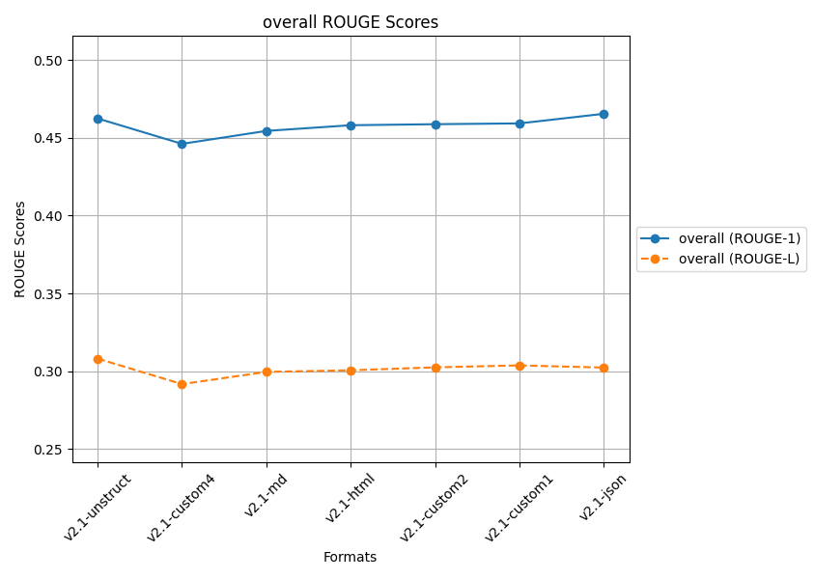
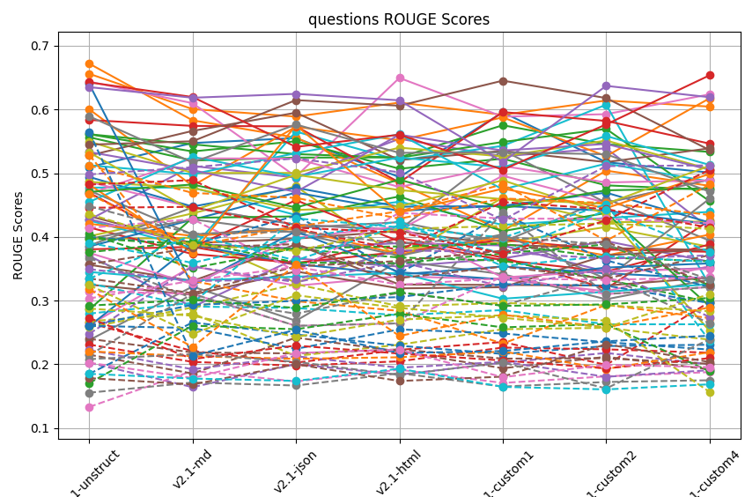
...
 | ROUGE L
 | Q1 | Q2 | Q3 | Q4 | Q5 | Q6 | Q7 | Q8 | Q9 | Q10 | Q11 | Q12 | Q13 | Q14 | Q15 | Q16 | Q17 | Q18 | Q19 | Q20 | Q21 | Q22 | Q23 | Q24 | Q25 | Q26 | Q27 | Q28 | Q29 | Q30 | Q31 | Q32
v2.1-unstruct | 0.39966185025 | 0.51205602317 | 0.40470783312 | 0.26508203503 | 0.20264062471 | 0.2401055582 | 0.13316947877 | 0.1555433399 | 0.2676526277 | 0.3273791854 | 0.18509293283 | 0.52877967112 | 0.3976818014 | 0.23110828602 | 0.24790983785 | 0.21522710727 | 0.41427437853 | 0.36688616901 | 0.25823714856 | 0.27965437132 | 0.26089406523 | 0.46749354217 | 0.37597107572 | 0.44576898845 | 0.22250242473 | 0.35705068981 | 0.31455627258 | 0.21455627258 | 0.43577751081 | 0.39078822412 | 0.2603888759 | 0.22040907286
v2.1-md | 0.38746214563 | 0.46902277743 | 0.35100102924 | 0.2208795585 | 0.16423436119 | 0.21874760754 | 0.18985786734 | 0.17156998363 | 0.27977636502 | 0.29075959563 | 0.26576034638 | 0.33100906664 | 0.38803700193 | 0.20388206831 | 0.35355233557 | 0.18561615208 | 0.42788533775 | 0.30375338225 | 0.28925726713 | 0.29647146374 | 0.29331267283 | 0.38567524284 | 0.39310622093 | 0.44713862945 | 0.19232716026 | 0.38291331681 | 0.31069054861 | 0.31069054861 | 0.38718408719 | 0.3592051748 | 0.25711431713 | 0.21277258604
v2.1-json | 0.4333039686 | 0.46125387313 | 0.38210459009 | 0.2027098476 | 0.2003396205 | 0.21716715895 | 0.17318974665 | 0.16683477784 | 0.21327138415 | 0.28846620897 | 0.2468804789 | 0.29918845055 | 0.3809610424 | 0.19797154418 | 0.32891981944 | 0.24200874084 | 0.34656960435 | 0.27961919894 | 0.32582489617 | 0.4290342899 | 0.2996324425 | 0.41616846313 | 0.35967303771 | 0.41285063596 | 0.21280447794 | 0.38867162349 | 0.26047824563 | 0.26047824563 | 0.37811918833 | 0.39684052785 | 0.22443048034 | 0.20875105009
v2.1-html | 0.34275334007 | 0.42862508002 | 0.38514217067 | 0.22281440591 | 0.18381068302 | 0.22352531212 | 0.19164027831 | 0.18619968072 | 0.23093078081 | 0.27705947319 | 0.22928054676 | 0.28387120534 | 0.36769188666 | 0.20483010711 | 0.36085343016 | 0.22043770991 | 0.4378384321 | 0.31250384976 | 0.29124832444 | 0.41504159545 | 0.30561934592 | 0.44027042077 | 0.35879671113 | 0.3793592224 | 0.19469612847 | 0.33541074273 | 0.2643621313 | 0.2643621313 | 0.41242540961 | 0.4244632587 | 0.25488400488 | 0.21114674378
v2.1-custom1 | 0.4357907016 | 0.46039219856 | 0.38910270385 | 0.23508075001 | 0.20274765352 | 0.20902122846 | 0.17088284194 | 0.16520778006 | 0.25516105964 | 0.28524187354 | 0.21640264102 | 0.2326619303 | 0.36269196327 | 0.22637065158 | 0.32208252075 | 0.19392910889 | 0.42878649129 | 0.29248417076 | 0.29619897755 | 0.39900105244 | 0.3258967286 | 0.48233029617 | 0.37390605964 | 0.45464514867 | 0.20406614193 | 0.35344570703 | 0.33781216841 | 0.43781216841 | 0.41710381316 | 0.35412360968 | 0.24843499413 | 0.2202440123
v2.1-custom2 | 0.36313417759 | 0.45311196185 | 0.36752974646 | 0.19927824483 | 0.21792360287 | 0.20964683465 | 0.18120443994 | 0.17236410745 | 0.25737245296 | 0.26288348097 | 0.2287355726 | 0.29335015953 | 0.33338685936 | 0.22360100794 | 0.34934574307 | 0.21186397278 | 0.42823645513 | 0.33810136426 | 0.29266867805 | 0.451370896 | 0.32355871854 | 0.39402518427 | 0.38819881299 | 0.44358217797 | 0.18053886933 | 0.33449318252 | 0.31026186463 | 0.31026186463 | 0.42120453755 | 0.36991978509 | 0.23485166361 | 0.19286302352
v2.1-custom4 | 0.32130347129 | 0.43448364666 | 0.36174279239 | 0.29788575917 | 0.20011027654 | 0.20086539897 | 0.18784307162 | 0.17509810215 | 0.23880530886 | 0.26295760333 | 0.23086064728 | 0.27263324312 | 0.29744275209 | 0.21830867975 | 0.27433412251 | 0.19229843559 | 0.42179335947 | 0.26441420198 | 0.2834416341 | 0.23714057481 | 0.29617272462 | 0.4820630154 | 0.32406138359 | 0.41458273868 | 0.19088920873 | 0.37144301308 | 0.32138858523 | 0.32138858523 | 0.41253838656 | 0.36082815675 | 0.22321199827 | 0.21912269537
 | v2.1-custom1 | v2.1-unstruct | v2.1-unstruct | v2.1-custom4 | v2.1-custom2 | v2.1-unstruct | v2.1-html | v2.1-html | v2.1-md | v2.1-unstruct | v2.1-md | v2.1-unstruct | v2.1-unstruct | v2.1-unstruct | v2.1-html | v2.1-json | v2.1-html | v2.1-unstruct | v2.1-json | v2.1-custom2 | v2.1-custom1 | v2.1-custom1 | v2.1-md | v2.1-custom1 | v2.1-unstruct | v2.1-json | v2.1-custom1 | v2.1-custom1 | v2.1-unstruct | v2.1-html | v2.1-unstruct | v2.1-unstruct

 | v2.1-unstruct | v2.1-md | v2.1-json | v2.1-html | v2.1-custom1 | v2.1-custom2 | v2.1-custom4
Q1 | 0.50955696984 | 0.54728189328 | 0.55506954625 | 0.49387467825 | 0.59544688579 | 0.51718654929 | 0.50095715727
Q2 | 0.65595952915 | 0.60054115222 | 0.58880249876 | 0.61072384316 | 0.59158993467 | 0.61399184064 | 0.60444673363
Q3 | 0.55643467823 | 0.51979225489 | 0.52442877397 | 0.52469923454 | 0.57519019749 | 0.54545073275 | 0.53332010481
Q4 | 0.38054069849 | 0.38429662748 | 0.35629337501 | 0.39847039817 | 0.36771402154 | 0.31862440088 | 0.42582548971
Q5 | 0.37022490852 | 0.29010842549 | 0.36620064061 | 0.35334086036 | 0.36614269091 | 0.3934412518 | 0.36112600534
Q6 | 0.43272417053 | 0.39014177309 | 0.39728178293 | 0.40927021534 | 0.38750091658 | 0.3824822838 | 0.37960685944
Q7 | 0.26174438687 | 0.3540350515 | 0.32340166598 | 0.33809273572 | 0.33356412762 | 0.31446551909 | 0.35438886471
Q8 | 0.23798452 | 0.3221079147 | 0.2684507206 | 0.36232959094 | 0.34146598687 | 0.30219349267 | 0.33306538213
Q9 | 0.39670351753 | 0.39855610145 | 0.32825592684 | 0.38178912117 | 0.39100195131 | 0.41553936925 | 0.38442582608
Q10 | 0.4773702662 | 0.47738415554 | 0.43429856681 | 0.45516243612 | 0.41883480825 | 0.42960372685 | 0.43930878805
Q11 | 0.25987077363 | 0.38757344206 | 0.35733631934 | 0.3410644759 | 0.3536333265 | 0.34289608802 | 0.33493808488
Q12 | 0.67191745917 | 0.5829083684 | 0.55571960817 | 0.48400086444 | 0.40941084804 | 0.503957767 | 0.48012781506
Q13 | 0.56110988064 | 0.53409902251 | 0.5500985599 | 0.50697023283 | 0.52269747895 | 0.48087018027 | 0.47401250054
Q14 | 0.41491150242 | 0.37310492283 | 0.35944075223 | 0.37647772799 | 0.39536560498 | 0.38020389728 | 0.37661696351
Q15 | 0.42687357774 | 0.51130172207 | 0.49299214853 | 0.5538789166 | 0.52639870904 | 0.53905851063 | 0.41373740702
Q16 | 0.35633284452 | 0.33097612176 | 0.38829878991 | 0.32528737573 | 0.32462631433 | 0.32365698315 | 0.33621015341
Q17 | 0.64364143574 | 0.60981216141 | 0.49463954195 | 0.64943334354 | 0.58868215118 | 0.59255034556 | 0.62369465889
Q18 | 0.4727787742 | 0.40380350866 | 0.41410661939 | 0.42311852633 | 0.39194528707 | 0.45991088576 | 0.39423605003
Q19 | 0.40096554778 | 0.43682407249 | 0.4794848974 | 0.3664939226 | 0.46159655132 | 0.42314203941 | 0.42411706626
Q20 | 0.42578204862 | 0.38259480705 | 0.56525943048 | 0.52004661991 | 0.54287227473 | 0.6073782843 | 0.32405245065
Q21 | 0.38499926286 | 0.42693489786 | 0.46953171852 | 0.44095137748 | 0.44880251674 | 0.46942056423 | 0.42258308038
Q22 | 0.60027976516 | 0.48025124908 | 0.57279833502 | 0.55170216055 | 0.58750590797 | 0.5266756426 | 0.61744047077
Q23 | 0.56112356523 | 0.54530346837 | 0.52991041811 | 0.52434578674 | 0.54896193652 | 0.56940304293 | 0.45617053876
Q24 | 0.5835106105 | 0.57415170109 | 0.57345364368 | 0.48551420284 | 0.59587513559 | 0.58197482179 | 0.54638828187
Q25 | 0.42771783397 | 0.38881110636 | 0.38196795605 | 0.3902750681 | 0.38656099657 | 0.3456019468 | 0.35106646986
Q26 | 0.52769433781 | 0.56631023598 | 0.59487673954 | 0.52062042508 | 0.53497973395 | 0.51731468936 | 0.53899030194
Q27 | 0.48637172168 | 0.44622067833 | 0.41911552272 | 0.41117090368 | 0.495965649 | 0.45352431664 | 0.48989717412
Q28 | 0.38637172168 | 0.44622067833 | 0.41911552272 | 0.41117090368 | 0.535965649 | 0.45352431664 | 0.48989717412
Q29 | 0.54972069631 | 0.50035837254 | 0.50034985773 | 0.54006939328 | 0.52619409601 | 0.55121622903 | 0.50641552645
Q30 | 0.5123852485 | 0.49839433809 | 0.53133969462 | 0.56112771562 | 0.47458716508 | 0.51505223034 | 0.4869632665
Q31 | 0.49409109928 | 0.4476184391 | 0.47711867294 | 0.44738594739 | 0.44842199302 | 0.44116806912 | 0.41987824444
Q32 | 0.42060283163 | 0.40153054321 | 0.41236596473 | 0.37268581152 | 0.39977184685 | 0.37078840599 | 0.40364547841
Q33 | 0.28579965081 | 0.43000907142 | 0.43216852439 | 0.46345906226 | 0.40901927214 | 0.43756622707 | 0.29107699535
Q34 | 0.46927230779 | 0.38375354889 | 0.45763904805 | 0.39288243751 | 0.36373798185 | 0.34560478993 | 0.3882159174
Q35 | 0.533239139 | 0.50462626046 | 0.47061502154 | 0.56030910382 | 0.53552181813 | 0.54585835942 | 0.50543973388
Q36 | 0.54474995554 | 0.55008125534 | 0.6146212209 | 0.60582192124 | 0.64515656607 | 0.61786407927 | 0.53629370418
Q37 | 0.46745412252 | 0.52327481315 | 0.52278039719 | 0.47829768798 | 0.51134546249 | 0.48546194356 | 0.48863813547
Q38 | 0.39699264539 | 0.42759632266 | 0.40639206727 | 0.37039035952 | 0.404112737 | 0.33414416076 | 0.45996266604
Q39 | 0.48635435467 | 0.47686161248 | 0.44223791515 | 0.44788523355 | 0.48879695242 | 0.43614333311 | 0.25264966188
Q40 | 0.45491997088 | 0.52558165362 | 0.49431431092 | 0.52460512707 | 0.5091564349 | 0.55828305348 | 0.51300446438
Q41 | 0.24005363059 | 0.32361397281 | 0.40893573487 | 0.34452866154 | 0.33336153514 | 0.35189059347 | 0.35846091069
Q42 | 0.48204260548 | 0.37463929683 | 0.57517323932 | 0.43790612476 | 0.47568943622 | 0.44508105691 | 0.49883161665
Q43 | 0.47048574207 | 0.48224345708 | 0.44615533763 | 0.4898386486 | 0.44506040094 | 0.47310023435 | 0.4762153073
Q44 | 0.64251609519 | 0.61950041501 | 0.54122443501 | 0.56041395995 | 0.50543636258 | 0.57649183296 | 0.65354194641
Q45 | 0.63500529789 | 0.61836504614 | 0.62443616635 | 0.61432355729 | 0.51759680812 | 0.63697549364 | 0.61919281816
Q46 | 0.32521938982 | 0.30924335472 | 0.34574856196 | 0.31925374908 | 0.32103730802 | 0.37118369088 | 0.38048688479
Q47 | 0.37494775458 | 0.3259450786 | 0.39874961051 | 0.41633523147 | 0.33642840882 | 0.34646493326 | 0.34978409515
Q48 | 0.58923774739 | 0.51681373659 | 0.57629386899 | 0.53190274215 | 0.53264249345 | 0.52970826453 | 0.47112717238
Q49 | 0.53265294612 | 0.44098386357 | 0.49752277442 | 0.4734853401 | 0.45924263018 | 0.45189911602 | 0.51149185608
Q50 | 0.34499940931 | 0.33153058373 | 0.33755228106 | 0.34348276428 | 0.30302965882 | 0.31391141117 | 0.32581736792

Sheet9
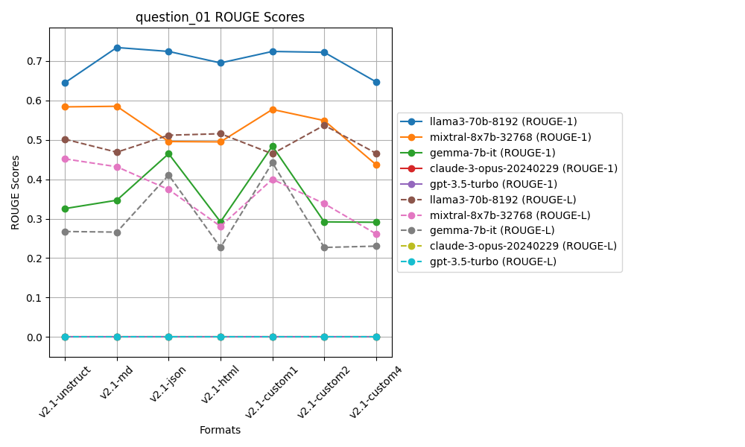
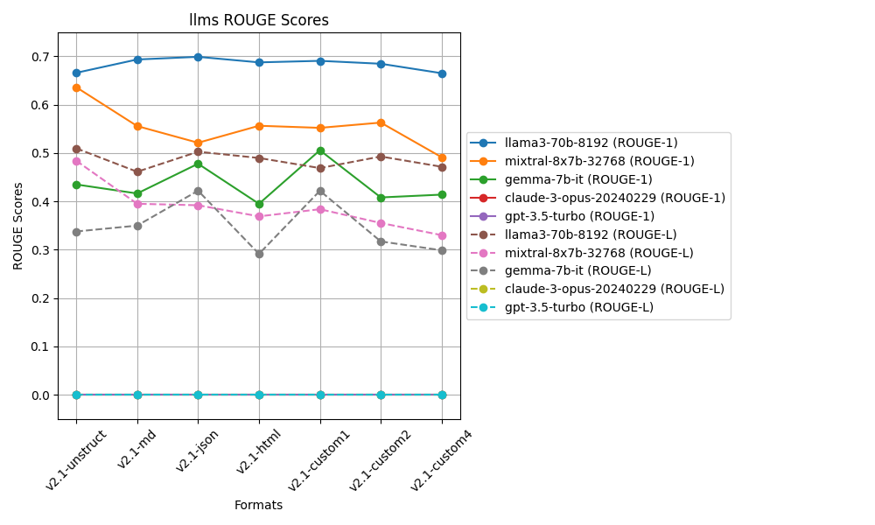
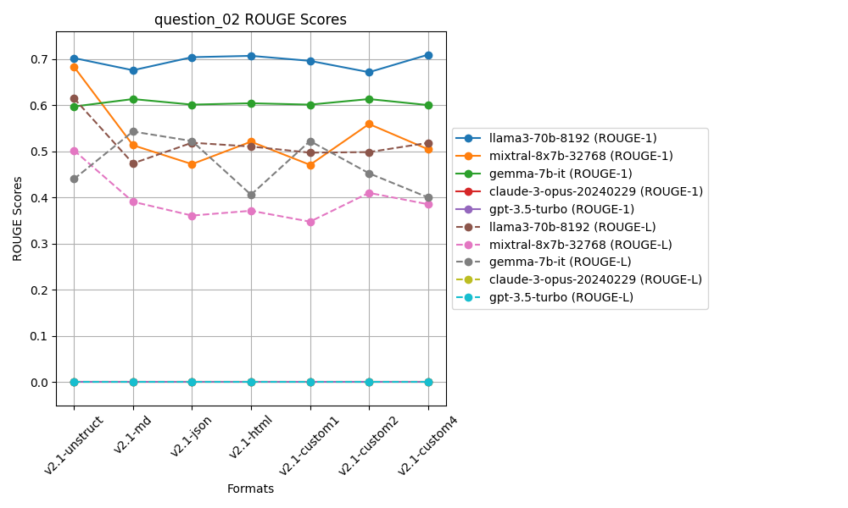
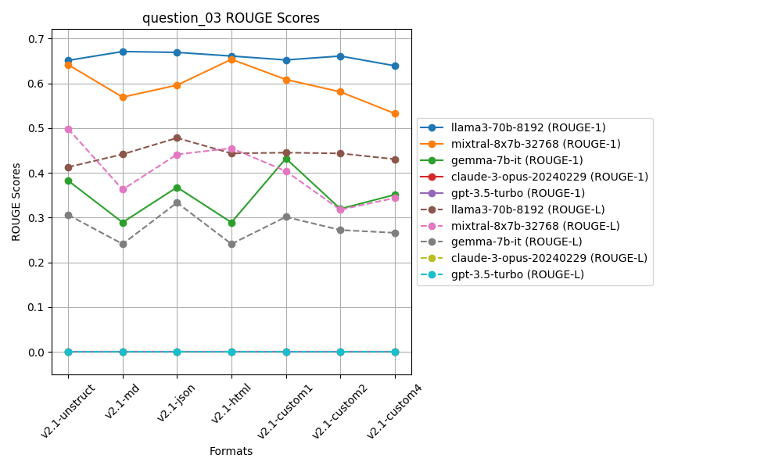
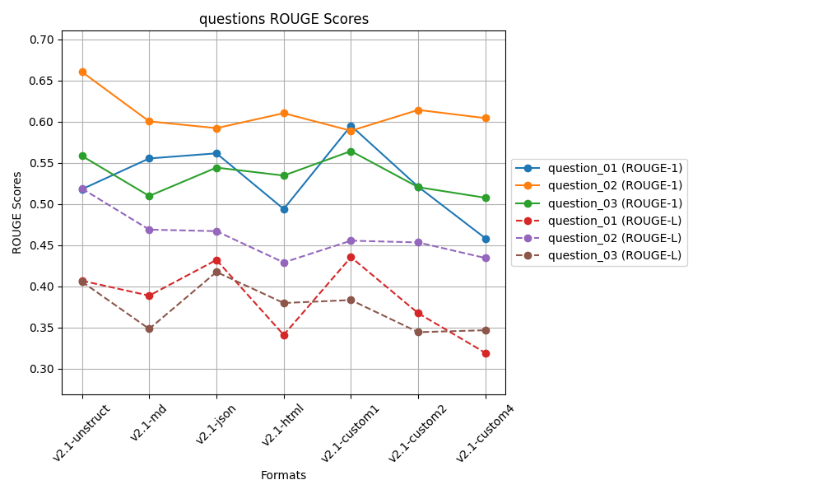
 |  |  |  |  |  | ROUGE L
 |  |  |  |  |  | Question 01 | Question 02 | Question 03
 |  |  |  |  |  | 0.40697179177 | 0.51886605901 | 0.40578069641 | 0.44387284907
 |  | 0.60054115222 | 0.50986321821 | 0.55529291036 | v2.1-md | 0.38882137853 | 0.46902277743 | 0.34840169388 | 0.40208194995
 |  | 0.5922791555 | 0.54437577993 | 0.56611709249 | v2.1-json | 0.43218772652 | 0.46714290392 | 0.41756057591 | 0.43896373545
 |  | 0.61045794198 | 0.53469688215 | 0.54639631372 | v2.1-html | 0.34108809064 | 0.42912568001 | 0.37986890163 | 0.38336089076
v2.1-custom1 | 0.59527838834 | 0.58910712542 | 0.56442494245 | 0.58293681874 | v2.1-custom1 | 0.43555739743 | 0.45557770759 | 0.38346704937 | 0.4248673848
v2.1-custom2 | 0.52104457399 | 0.61441997901 | 0.52056519147 | 0.55200991482 | v2.1-custom2 | 0.36743311939 | 0.45346749139 | 0.34442385368 | 0.38844148815
v2.1-custom4 | 0.45838506488 | 0.60444673363 | 0.5077190418 | 0.52351694677 | v2.1-custom4 | 0.31922308012 | 0.43448364666 | 0.34678796567 | 0.36683156415
 | v2.1-custom1 | v2.1-unstruct | v2.1-custom1 | v2.1-custom1 |  | v2.1-custom1 | v2.1-unstruct | v2.1-json | v2.1-unstruct

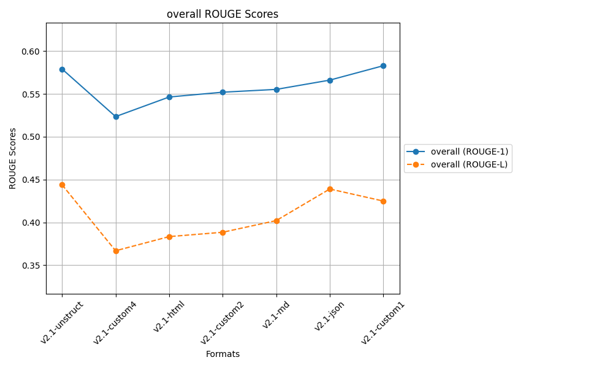
 |  |  | after controlled responses
 |  |  | temp 0.2, top_p=0.3

Sheet8
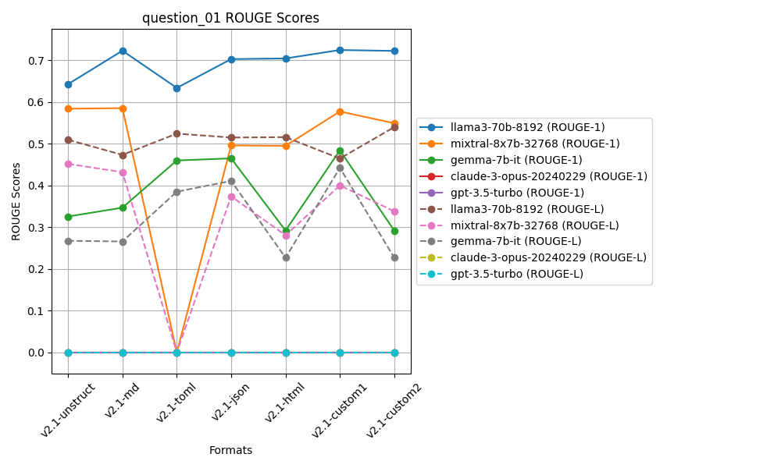
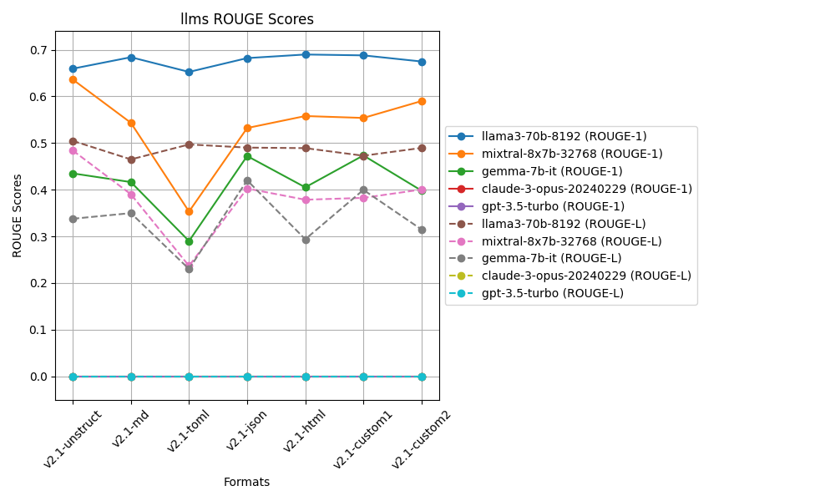
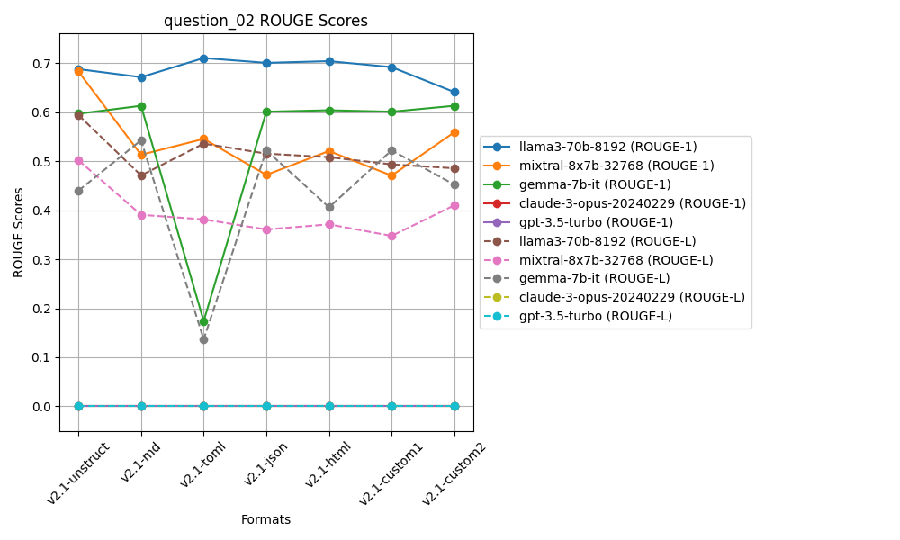
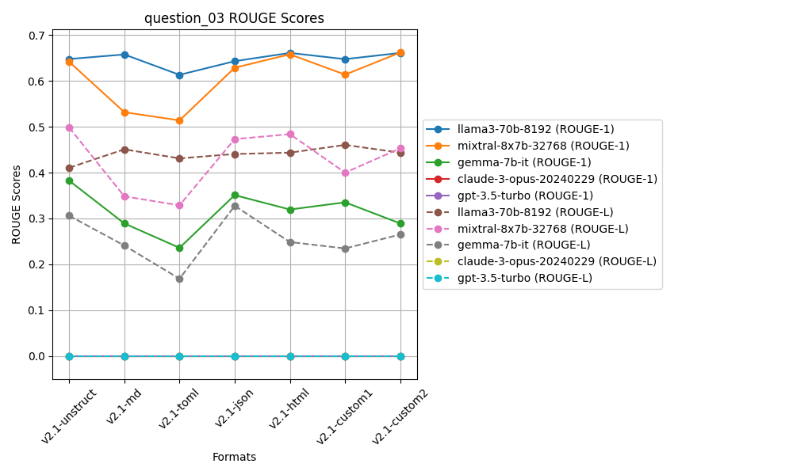
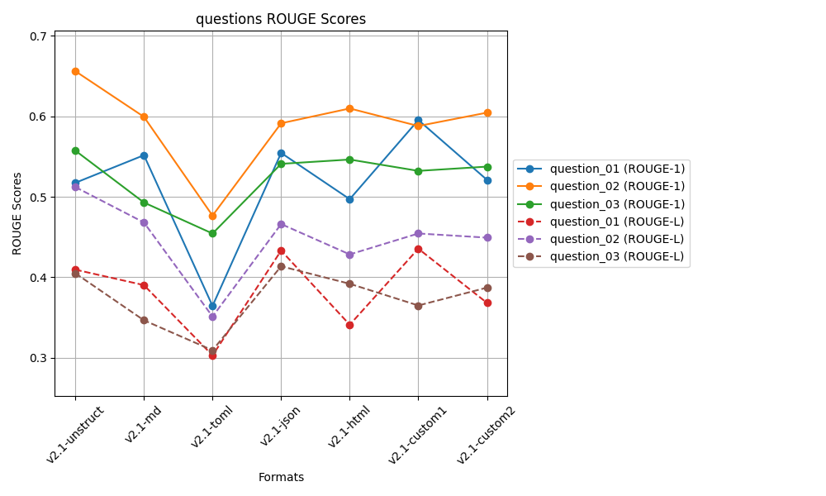
...
 |  |  |  |  |  |  |  | Question 03
 |  |  |  |  |  |  |  | 0.40501775658 | 0.4421977083
 |  |  |  |  |  |  |  | 0.34665734668 | 0.40169559565
 | 0.3645130638 | 0.47661611605 | 0.45437259915 | 0.43183392633 | v2.1-toml | 0.30305126492 | 0.3512425801 | 0.30942915926 | 0.32124100143
 | 0.55443062693 | 0.59125034891 | 0.54088393776 | 0.56218830453 | v2.1-json | 0.43318226968 | 0.46611409734 | 0.41371385484 | 0.43767007395
v2.1-html | 0.49699652884 | 0.60961754205 | 0.54622633649 | 0.55094680246 | v2.1-html | 0.34111564796 | 0.42843267983 | 0.39196877405 | 0.38717236728
v2.1-custom1 | 0.59527838834 | 0.58784495449 | 0.53212539175 | 0.57174957819 | v2.1-custom1 | 0.43555739743 | 0.45441570895 | 0.36502284206 | 0.41833198282
v2.1-custom2 | 0.52104457399 | 0.60441090612 | 0.53742179951 | 0.55429242654 | v2.1-custom2 | 0.36831495361 | 0.44924888677 | 0.3871788526 | 0.40158089766
 | v2.1-custom1 | v2.1-unstruct | v2.1-unstruct | v2.1-unstruct |  | v2.1-custom1 | v2.1-unstruct | v2.1-json | v2.1-unstruct

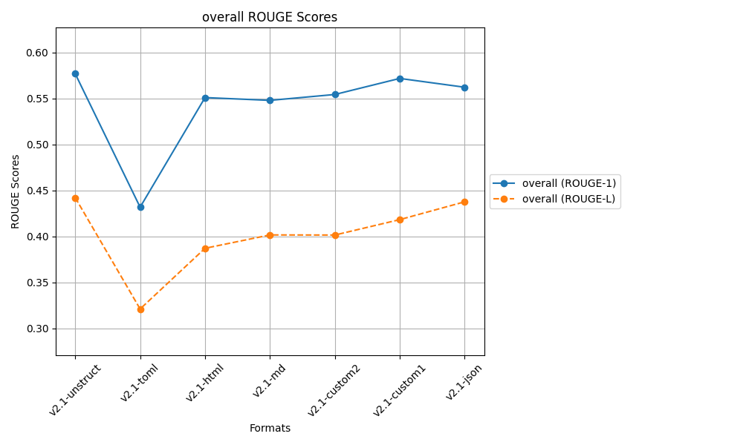
 |  |  | after controlled responses
 |  |  | temp 0.2, top_p=0.3

Sheet7
...
ROUGE 1 |  |  |  |  | ROUGE L
0.51418724135 | 0.65752632164 | 0.55939154721 | 0.57703503673 | v2.1-unstruct | 0.4009139363 | 0.51272474296 | 0.40620984173 | 0.439949507
0.55198222629 | 0.60014959361 | 0.54181469909 | 0.56464883966 | v2.1-md | 0.39034362505 | 0.46874817789 | 0.36825546705 | 0.40911575666
0.36788831285 | 0.47544811104 | 0.48709566532 | 0.44347736307 | v2.1-toml | 0.30366929284 | 0.34937006414 | 0.30551202473 | 0.31951712724
0.55506954625 | 0.58665307519 | 0.53484418308 | 0.55885560151 | v2.1-json | 0.4333039686 | 0.4617055735 | 0.3845299648 | 0.42651316897
0.49393845376 | 0.61039622247 | 0.53539768189 | 0.54657745271 | v2.1-html | 0.3420872403 | 0.42878683998 | 0.3889312041 | 0.38660176146
0.59527838834 | 0.58861056357 | 0.56606340562 | 0.58331745251 | v2.1-custom1 | 0.43555739743 | 0.4546148094 | 0.38865171499 | 0.42627464061
0.51839037596 | 0.61663256651 | 0.51998983546 | 0.55167092598 | v2.1-custom2 | 0.36481862148 | 0.45340539501 | 0.34564809363 | 0.38795737004
v2.1-custom1 | v2.1-unstruct | v2.1-custom1 | v2.1-custom1 |  | v2.1-custom1 | v2.1-unstruct | v2.1-unstruct | v2.1-unstruct

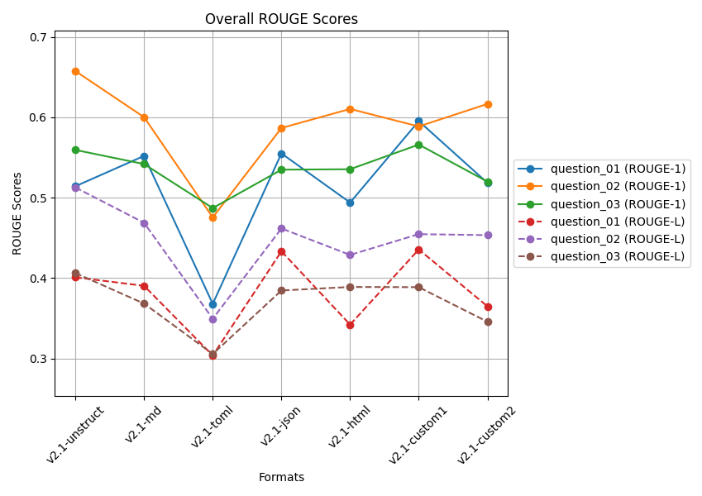
 |  | after controlled responses
 |  | temp 0.2, top_p=0.3

 |  | Q2 and Q3 docs is from a large file

 |  | 5 readings average

Sheet6
 | ROUGE 1 |  |  |  |  | ROUGE L
 | Question 01 | Question 02 | Question 03 |  |  | Question 01 | Question 02 | Question 03
v2.1-unstruct | 0.52476084843 | 0.65999540359 | 0.56065877676 | 0.58180500959 | v2.1-unstruct | 0.41352638792 | 0.51394939636 | 0.4068535597 | 0.44477644799
v2.1-md | 0.55089278224 | 0.59923595686 | 0.50660382284 | 0.55224418731 | v2.1-md | 0.38647731515 | 0.46810744563 | 0.35373233839 | 0.40277236639
v2.1-toml | 0.36602507637 | 0.47544811104 | 0.48371819017 | 0.44173045919 | v2.1-toml | 0.30318344457 | 0.34937006414 | 0.31032752053 | 0.32096034308
v2.1-json | 0.56169634203 | 0.58880249876 | 0.5495328979 | 0.56667724623 | v2.1-json | 0.43218772652 | 0.46125387313 | 0.42159584368 | 0.43834581444
v2.1-html | 0.49446461612 | 0.60926560641 | 0.58015886571 | 0.56129636275 | v2.1-html | 0.34251367781 | 0.42817672663 | 0.39993468717 | 0.39020836387
v2.1-custom1 | 0.59527838834 | 0.59158993467 | 0.58074092536 | 0.58920308279 | v2.1-custom1 | 0.43555739743 | 0.46039219856 | 0.3852800481 | 0.42707654803
v2.1-custom2 | 0.51718654929 | 0.62033605155 | 0.52221834806 | 0.55324698297 | v2.1-custom2 | 0.36313417759 | 0.45433168219 | 0.34185549891 | 0.3864404529
 | v2.1-custom1 | v2.1-unstruct | v2.1-custom1 | v2.1-custom1 |  | v2.1-custom1 | v2.1-unstruct | v2.1-json | v2.1-unstruct

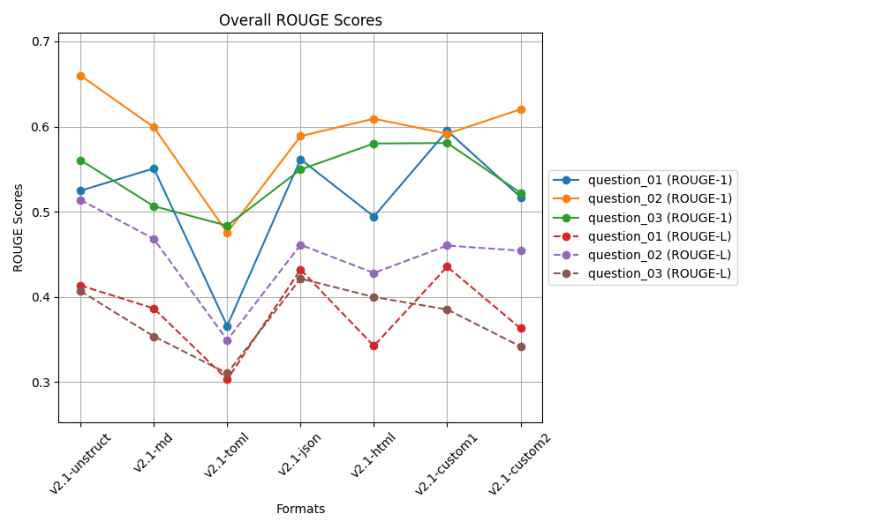

 |  |  | after controlled responses
 |  |  | temp 0.2, top_p=0.3

 |  |  | Q2 and Q3 docs is from a large file

 |  |  | 3 readings average

Sheet5
...
 | ROUGE 1 |  |  |  |  | ROUGE L
v2-md | 0.54188409095 | 0.57334421594 | 0.52062539038 | 0.54528456576 | v2-md | 0.42775880359 | 0.41232925157 | 0.40054528106 | 0.41354444541
v2-json | 0.60624233521 | 0.52304050584 | 0.53886560467 | 0.55604948191 | v2-json | 0.47743028388 | 0.35841287247 | 0.36587381513 | 0.40057232383
v2-html | 0.49314375506 | 0.61496835267 | 0.58580376308 | 0.5646386236 | v2-html | 0.4064388829 | 0.43625146871 | 0.41471007833 | 0.41913347665
v2-custom1 | 0.42342399871 | 0.50987605468 | 0.53264088454 | 0.48864697931 | v2-custom1 | 0.33864680802 | 0.34138622279 | 0.37378752187 | 0.35127351756
v2-custom2 | 0.55091786262 | 0.59039433733 | 0.5851183504 | 0.57547685011 | v2-custom2 | 0.399703081 | 0.3965473007 | 0.40898930254 | 0.40174656141
v2-toml | 0.50920813122 | 0.2613897252 | 0.31504409735 | 0.36188065126 | v2-toml | 0.41375574467 | 0.17964035837 | 0.22270358332 | 0.27203322879
v2-custom3 | 0.50920813122 | 0.2613897252 | 0.32918853922 | 0.36659546521 | v2-custom3 | 0.41375574467 | 0.17964035837 | 0.23607751536 | 0.27649120614
 | v2-json | v0-unstruct | v2-html | v0-unstruct |  | v0-unstruct | v0-unstruct | v2-html | v0-unstruct

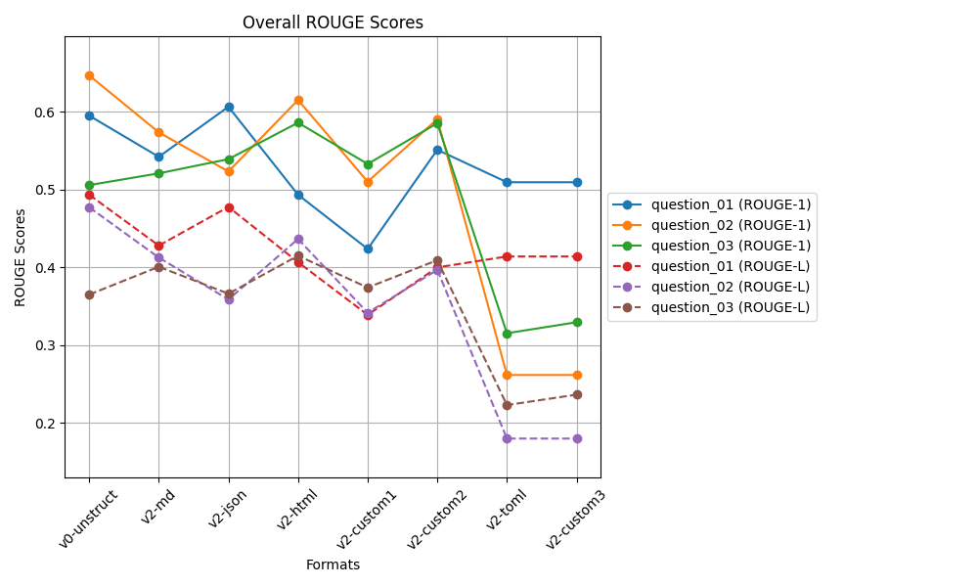
 |  |  | biased docs working on v2.1
 |  |  | after controlled responses
 |  |  | temp 0.2, top_p=0.3

 |  |  | Clearly V2-toml and v2-custom3
 |  |  | is not good for large file
 |  |  | Q2 and Q3 docs is from a large file

Sheet4
 | ROUGE 1 |  |  |  |  | ROUGE L
 | Question 01 | Question 02 | Question 03 |  |  | Question 01 | Question 02 | Question 03
v0-unstruct | 0.59743618141 | 0.64798102511 | 0.50553126986 | 0.58364949213 | v0-unstruct | 0.48882569352 | 0.48520961086 | 0.36475272781 | 0.4462626774
v2-md | 0.54679656286 | 0.57487360982 | 0.52038133024 | 0.54735050097 | v2-md | 0.43406129971 | 0.41329443914 | 0.3997293188 | 0.41569501922
v2-json | 0.60430330268 | 0.53036434002 | 0.5501576027 | 0.56160841513 | v2-json | 0.47554321872 | 0.35849364127 | 0.39583801209 | 0.40995829069
v2-html | 0.56333584694 | 0.60988494668 | 0.58501376134 | 0.58607818498 | v2-html | 0.45817228037 | 0.43174193594 | 0.41334074198 | 0.43441831943
v2-custom1 | 0.52217602656 | 0.49142492782 | 0.53264088454 | 0.51541394631 | v2-custom1 | 0.42126085659 | 0.32224982916 | 0.37378752187 | 0.37243273588
v2-custom2 | 0.55091786262 | 0.58505390693 | 0.58561704911 | 0.57386293955 | v2-custom2 | 0.399703081 | 0.39158522426 | 0.40879190097 | 0.40002673541
 | v2-json | v0-unstruct | v2-custom2 | v2-html |  | v0-unstruct | v0-unstruct | v2-html | v0-unstruct

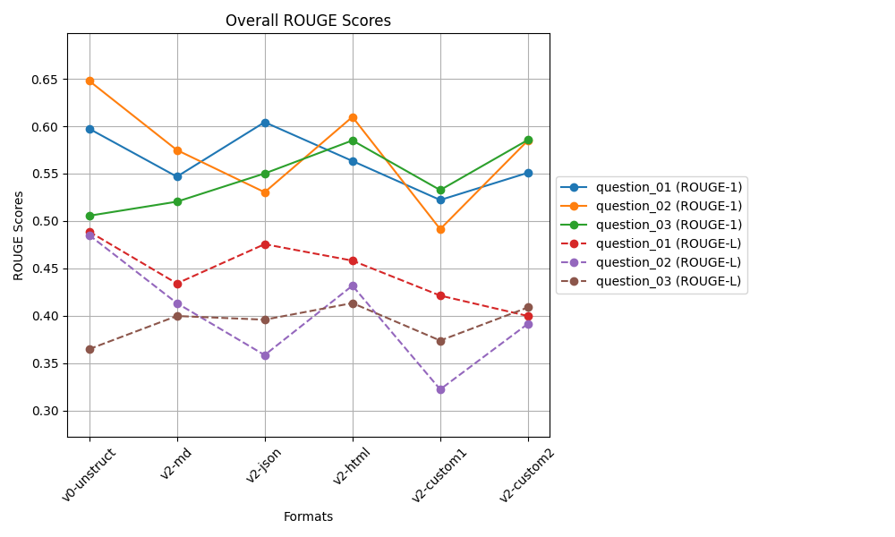
 |  |  | biased docs working on v2.1
 |  |  | after controlled responses
 |  |  | temp 0.2, top_p=0.3

Sheet2
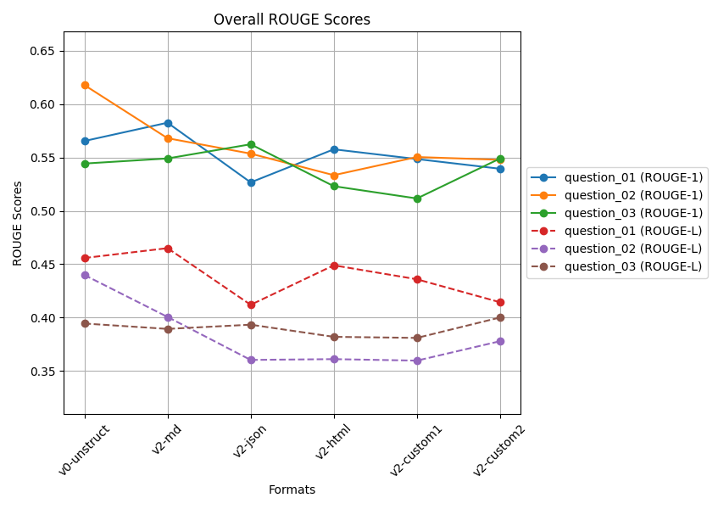
 | ROUGE 1 |  |  |  |  | ROUGE L
 | Question 01 | Question 02 | Question 03 |  |  | Question 01 | Question 02 | Question 03
v0-unstruct | 0.56539816205 | 0.61779956012 | 0.54427830553 | 0.57582534257 | v0-unstruct | 0.45581746171 | 0.43989533677 | 0.39445109765 | 0.43005463205
v2-custom1 | 0.54849027932 | 0.55040217008 | 0.51157312493 | 0.53682185811 | v2-custom1 | 0.43588936215 | 0.35970358856 | 0.38097258111 | 0.39218851061
v2-custom2 | 0.53942000134 | 0.54777236875 | 0.54903212579 | 0.5454081653 | v2-custom2 | 0.41437338807 | 0.37790010653 | 0.40010783882 | 0.39746044447
v2-html | 0.55762155439 | 0.53338608643 | 0.52308267395 | 0.53803010492 | v2-html | 0.44898007205 | 0.36110364745 | 0.38199644664 | 0.39736005538
v2-json | 0.52663633741 | 0.55357491916 | 0.56233939716 | 0.54751688458 | v2-json | 0.41198134509 | 0.36035445354 | 0.39336291157 | 0.38856623673
v2-md | 0.58252505533 | 0.5680145876 | 0.54905393118 | 0.56653119137 | v2-md | 0.46503710907 | 0.40061741481 | 0.38940439827 | 0.41835297405
 | v2-md | v0-unstruct | v2-json | v0-unstruct |  | v2-md | v0-unstruct | v2-custom2 | v0-unstruct

