Sheet9
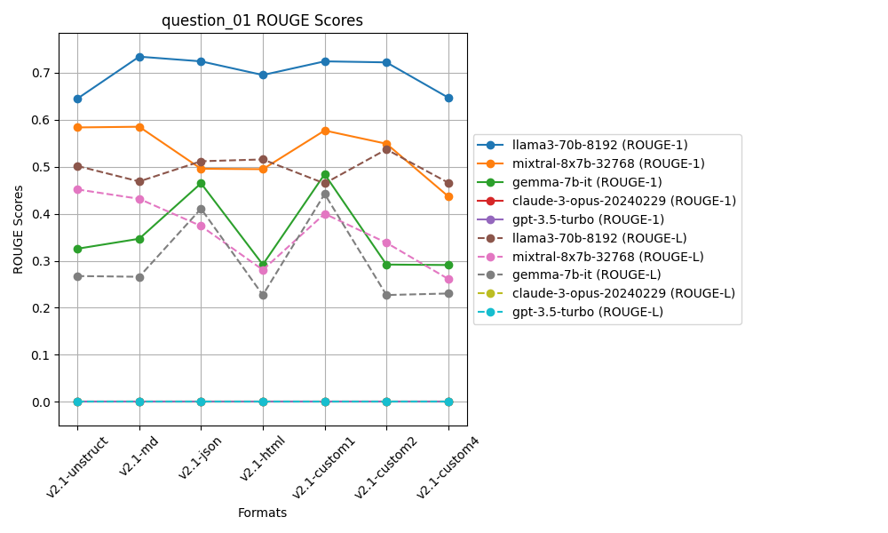
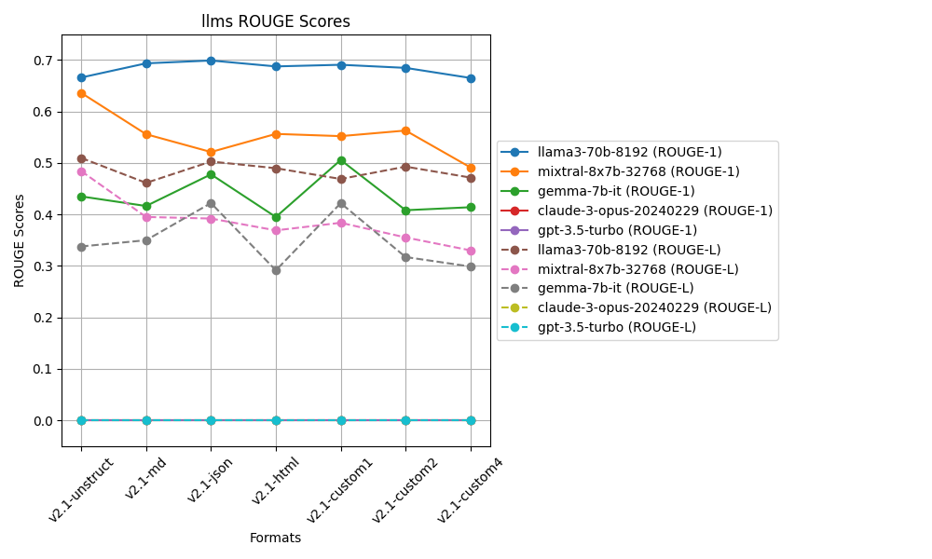
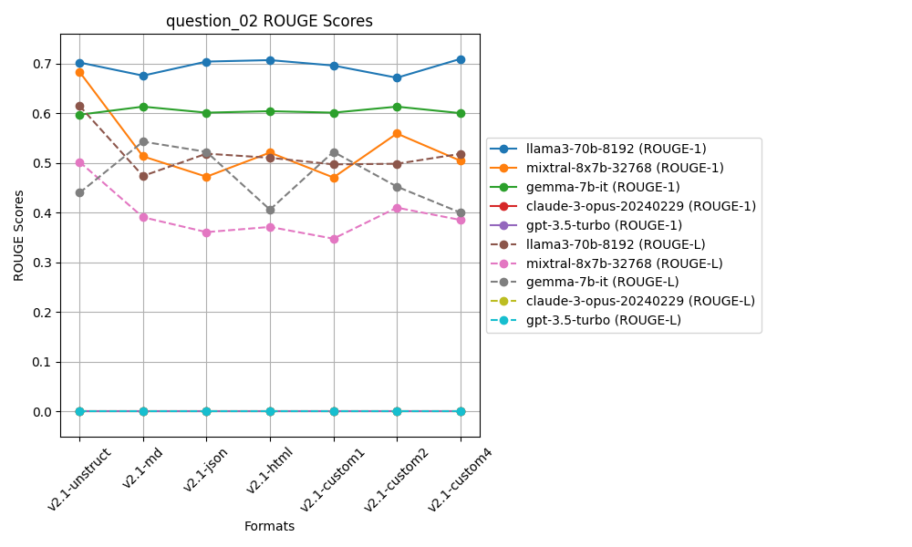
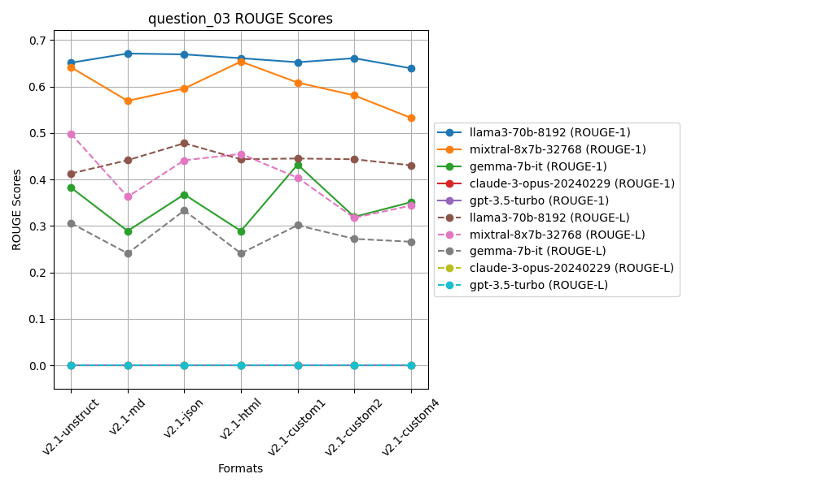
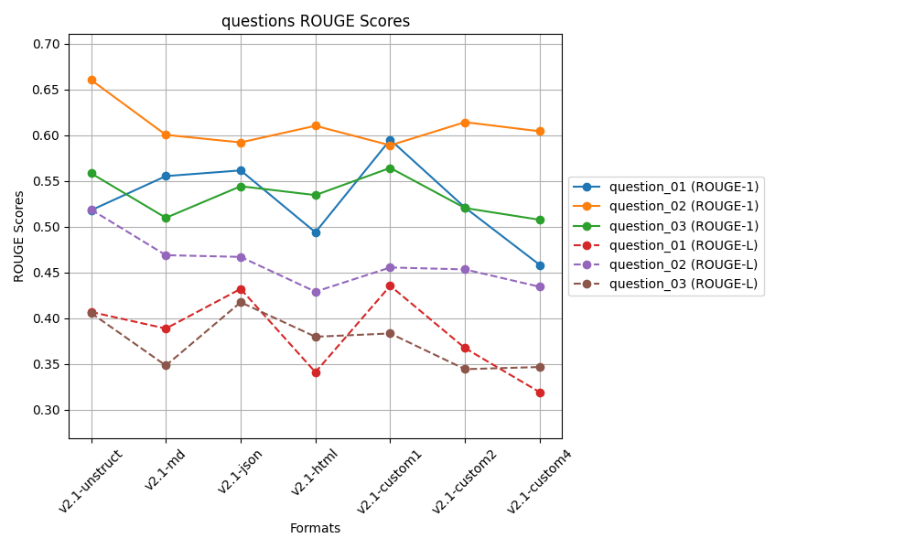
 | ROUGE 1 |  |  |  |  | ROUGE L
 | Question 01 | Question 02 | Question 03 |  |  | Question 01 | Question 02 | Question 03
v2.1-unstruct | 0.51812004419 | 0.66061902736 | 0.5585467275 | 0.57909526635 | v2.1-unstruct | 0.40697179177 | 0.51886605901 | 0.40578069641 | 0.44387284907
v2.1-md | 0.55547436066 | 0.60054115222 | 0.50986321821 | 0.55529291036 | v2.1-md | 0.38882137853 | 0.46902277743 | 0.34840169388 | 0.40208194995
v2.1-json | 0.56169634203 | 0.5922791555 | 0.54437577993 | 0.56611709249 | v2.1-json | 0.43218772652 | 0.46714290392 | 0.41756057591 | 0.43896373545
v2.1-html | 0.49403411703 | 0.61045794198 | 0.53469688215 | 0.54639631372 | v2.1-html | 0.34108809064 | 0.42912568001 | 0.37986890163 | 0.38336089076
v2.1-custom1 | 0.59527838834 | 0.58910712542 | 0.56442494245 | 0.58293681874 | v2.1-custom1 | 0.43555739743 | 0.45557770759 | 0.38346704937 | 0.4248673848
v2.1-custom2 | 0.52104457399 | 0.61441997901 | 0.52056519147 | 0.55200991482 | v2.1-custom2 | 0.36743311939 | 0.45346749139 | 0.34442385368 | 0.38844148815
v2.1-custom4 | 0.45838506488 | 0.60444673363 | 0.5077190418 | 0.52351694677 | v2.1-custom4 | 0.31922308012 | 0.43448364666 | 0.34678796567 | 0.36683156415
 | v2.1-custom1 | v2.1-unstruct | v2.1-custom1 | v2.1-custom1 |  | v2.1-custom1 | v2.1-unstruct | v2.1-json | v2.1-unstruct

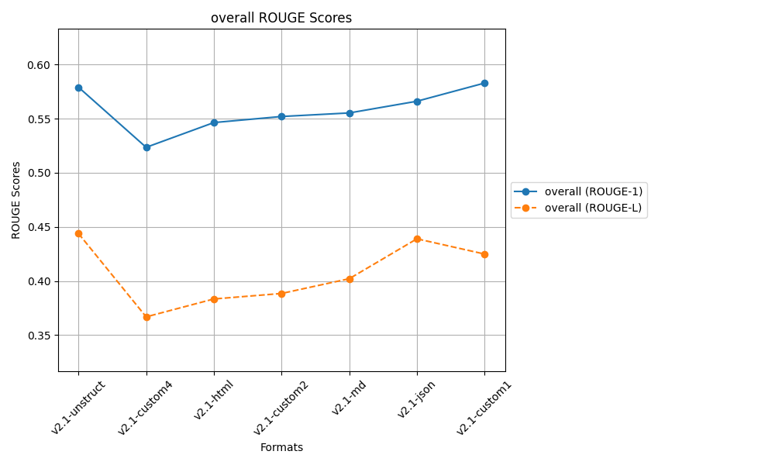
 |  |  | after controlled responses
 |  |  | temp 0.2, top_p=0.3

Sheet8
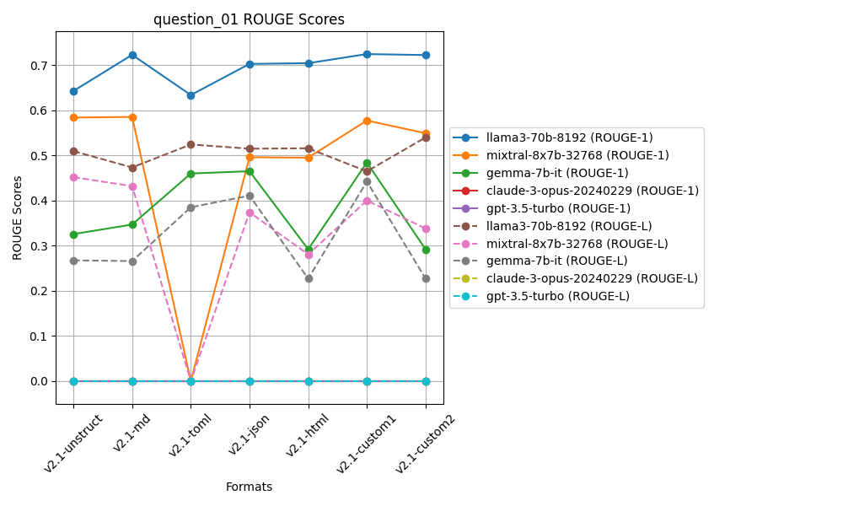
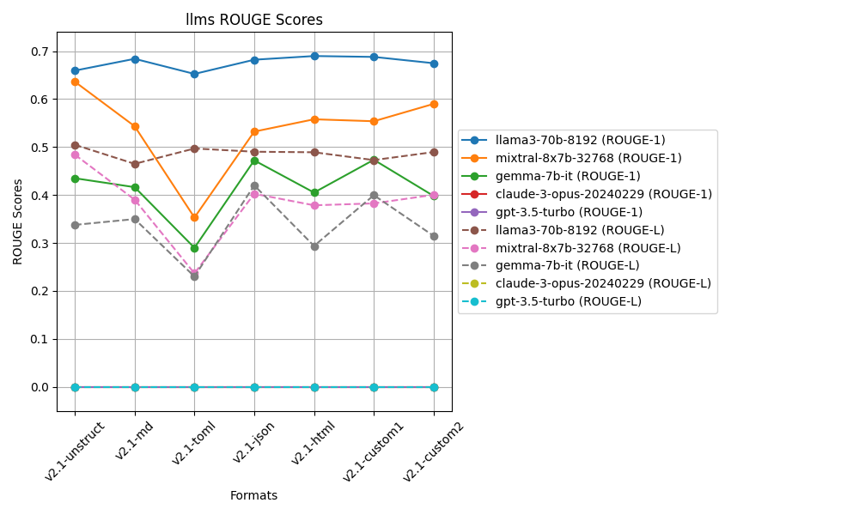
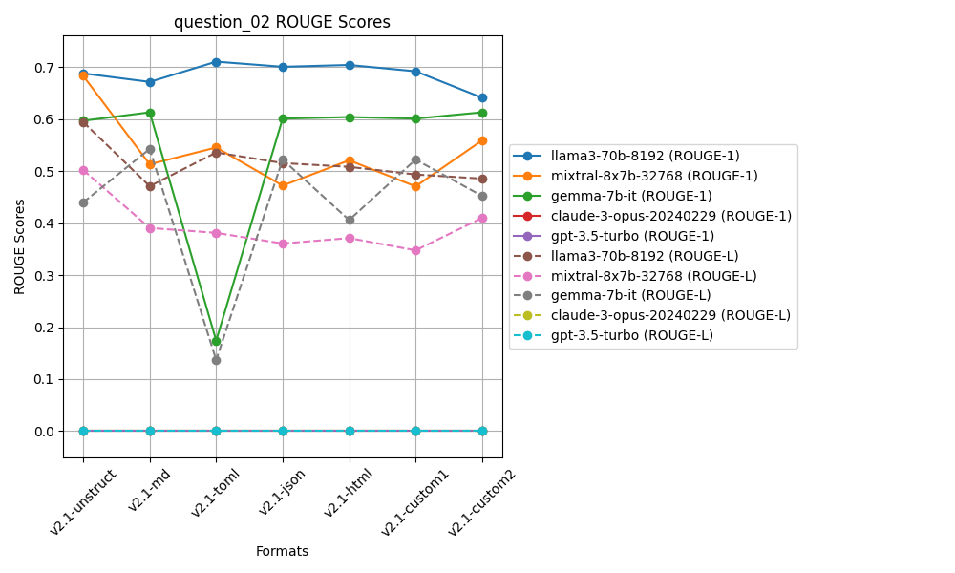
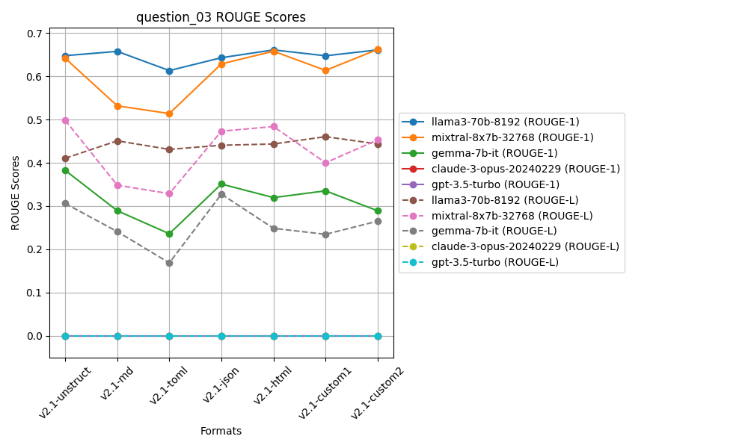
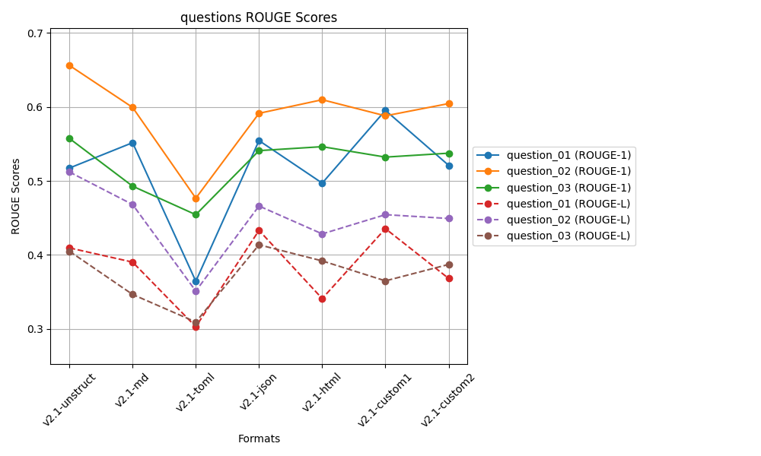
 | ROUGE 1 |  |  |  |  | ROUGE L
 | Question 01 | Question 02 | Question 03 |  |  | Question 01 | Question 02 | Question 03
v2.1-unstruct | 0.51732867597 | 0.65595952915 | 0.55734079035 | 0.57687633182 | v2.1-unstruct | 0.40951934517 | 0.51205602317 | 0.40501775658 | 0.4421977083
v2.1-md | 0.55160691681 | 0.59923595686 | 0.49286878978 | 0.54790388782 | v2.1-md | 0.39032199463 | 0.46810744563 | 0.34665734668 | 0.40169559565
v2.1-toml | 0.3645130638 | 0.47661611605 | 0.45437259915 | 0.43183392633 | v2.1-toml | 0.30305126492 | 0.3512425801 | 0.30942915926 | 0.32124100143
v2.1-json | 0.55443062693 | 0.59125034891 | 0.54088393776 | 0.56218830453 | v2.1-json | 0.43318226968 | 0.46611409734 | 0.41371385484 | 0.43767007395
v2.1-html | 0.49699652884 | 0.60961754205 | 0.54622633649 | 0.55094680246 | v2.1-html | 0.34111564796 | 0.42843267983 | 0.39196877405 | 0.38717236728
v2.1-custom1 | 0.59527838834 | 0.58784495449 | 0.53212539175 | 0.57174957819 | v2.1-custom1 | 0.43555739743 | 0.45441570895 | 0.36502284206 | 0.41833198282
v2.1-custom2 | 0.52104457399 | 0.60441090612 | 0.53742179951 | 0.55429242654 | v2.1-custom2 | 0.36831495361 | 0.44924888677 | 0.3871788526 | 0.40158089766
 | v2.1-custom1 | v2.1-unstruct | v2.1-unstruct | v2.1-unstruct |  | v2.1-custom1 | v2.1-unstruct | v2.1-json | v2.1-unstruct

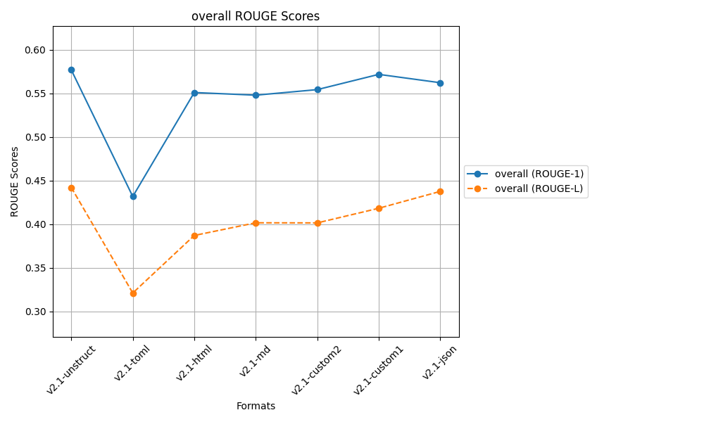
 |  |  | after controlled responses
 |  |  | temp 0.2, top_p=0.3

Sheet7
 | ROUGE 1 |  |  |  |  | ROUGE L
 | Question 01 | Question 02 | Question 03 |  |  | Question 01 | Question 02 | Question 03
v2.1-unstruct | 0.51418724135 | 0.65752632164 | 0.55939154721 | 0.57703503673 | v2.1-unstruct | 0.4009139363 | 0.51272474296 | 0.40620984173 | 0.439949507
v2.1-md | 0.55198222629 | 0.60014959361 | 0.54181469909 | 0.56464883966 | v2.1-md | 0.39034362505 | 0.46874817789 | 0.36825546705 | 0.40911575666
v2.1-toml | 0.36788831285 | 0.47544811104 | 0.48709566532 | 0.44347736307 | v2.1-toml | 0.30366929284 | 0.34937006414 | 0.30551202473 | 0.31951712724
v2.1-json | 0.55506954625 | 0.58665307519 | 0.53484418308 | 0.55885560151 | v2.1-json | 0.4333039686 | 0.4617055735 | 0.3845299648 | 0.42651316897
v2.1-html | 0.49393845376 | 0.61039622247 | 0.53539768189 | 0.54657745271 | v2.1-html | 0.3420872403 | 0.42878683998 | 0.3889312041 | 0.38660176146
v2.1-custom1 | 0.59527838834 | 0.58861056357 | 0.56606340562 | 0.58331745251 | v2.1-custom1 | 0.43555739743 | 0.4546148094 | 0.38865171499 | 0.42627464061
v2.1-custom2 | 0.51839037596 | 0.61663256651 | 0.51998983546 | 0.55167092598 | v2.1-custom2 | 0.36481862148 | 0.45340539501 | 0.34564809363 | 0.38795737004
 | v2.1-custom1 | v2.1-unstruct | v2.1-custom1 | v2.1-custom1 |  | v2.1-custom1 | v2.1-unstruct | v2.1-unstruct | v2.1-unstruct

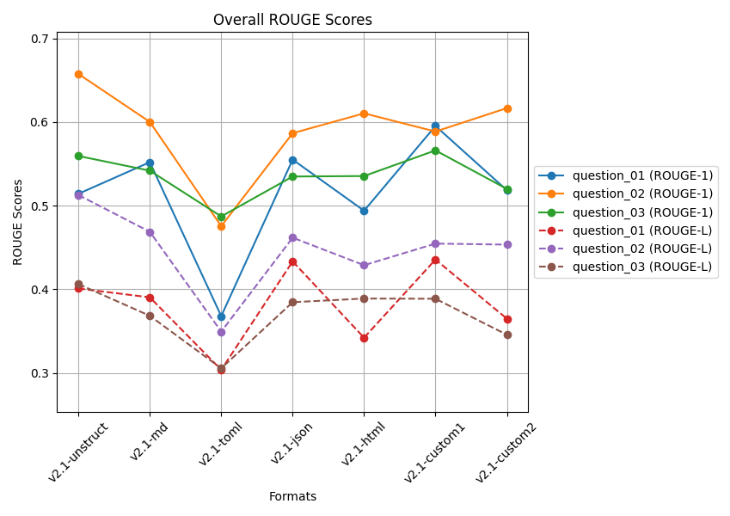
 |  |  | after controlled responses
 |  |  | temp 0.2, top_p=0.3

 |  |  | Q2 and Q3 docs is from a large file

 |  |  | 5 readings average

Sheet6
 | ROUGE 1 |  |  |  |  | ROUGE L
 | Question 01 | Question 02 | Question 03 |  |  | Question 01 | Question 02 | Question 03
v2.1-unstruct | 0.52476084843 | 0.65999540359 | 0.56065877676 | 0.58180500959 | v2.1-unstruct | 0.41352638792 | 0.51394939636 | 0.4068535597 | 0.44477644799
v2.1-md | 0.55089278224 | 0.59923595686 | 0.50660382284 | 0.55224418731 | v2.1-md | 0.38647731515 | 0.46810744563 | 0.35373233839 | 0.40277236639
v2.1-toml | 0.36602507637 | 0.47544811104 | 0.48371819017 | 0.44173045919 | v2.1-toml | 0.30318344457 | 0.34937006414 | 0.31032752053 | 0.32096034308
v2.1-json | 0.56169634203 | 0.58880249876 | 0.5495328979 | 0.56667724623 | v2.1-json | 0.43218772652 | 0.46125387313 | 0.42159584368 | 0.43834581444
v2.1-html | 0.49446461612 | 0.60926560641 | 0.58015886571 | 0.56129636275 | v2.1-html | 0.34251367781 | 0.42817672663 | 0.39993468717 | 0.39020836387
v2.1-custom1 | 0.59527838834 | 0.59158993467 | 0.58074092536 | 0.58920308279 | v2.1-custom1 | 0.43555739743 | 0.46039219856 | 0.3852800481 | 0.42707654803
v2.1-custom2 | 0.51718654929 | 0.62033605155 | 0.52221834806 | 0.55324698297 | v2.1-custom2 | 0.36313417759 | 0.45433168219 | 0.34185549891 | 0.3864404529
 | v2.1-custom1 | v2.1-unstruct | v2.1-custom1 | v2.1-custom1 |  | v2.1-custom1 | v2.1-unstruct | v2.1-json | v2.1-unstruct

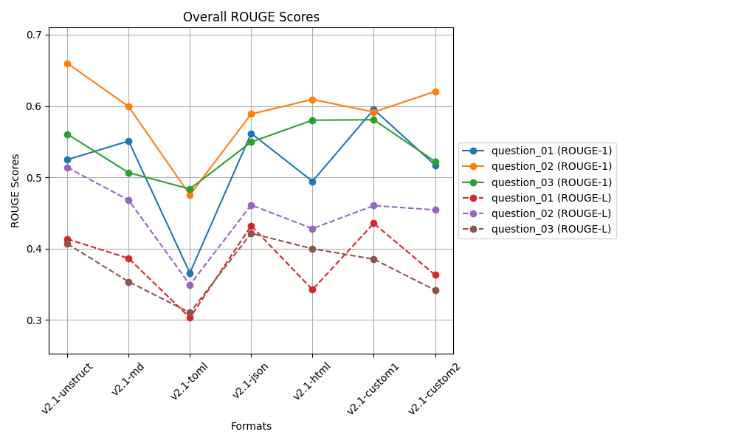

 |  |  | after controlled responses
 |  |  | temp 0.2, top_p=0.3

 |  |  | Q2 and Q3 docs is from a large file

 |  |  | 3 readings average

Sheet5
 | ROUGE 1 |  |  |  |  | ROUGE L
 | Question 01 | Question 02 | Question 03 |  |  | Question 01 | Question 02 | Question 03
v0-unstruct | 0.59483278226 | 0.64655269326 | 0.50553126986 | 0.58230558179 | v0-unstruct | 0.49316937028 | 0.47698746318 | 0.36475272781 | 0.44496985376
v2-md | 0.54188409095 | 0.57334421594 | 0.52062539038 | 0.54528456576 | v2-md | 0.42775880359 | 0.41232925157 | 0.40054528106 | 0.41354444541
v2-json | 0.60624233521 | 0.52304050584 | 0.53886560467 | 0.55604948191 | v2-json | 0.47743028388 | 0.35841287247 | 0.36587381513 | 0.40057232383
v2-html | 0.49314375506 | 0.61496835267 | 0.58580376308 | 0.5646386236 | v2-html | 0.4064388829 | 0.43625146871 | 0.41471007833 | 0.41913347665
v2-custom1 | 0.42342399871 | 0.50987605468 | 0.53264088454 | 0.48864697931 | v2-custom1 | 0.33864680802 | 0.34138622279 | 0.37378752187 | 0.35127351756
v2-custom2 | 0.55091786262 | 0.59039433733 | 0.5851183504 | 0.57547685011 | v2-custom2 | 0.399703081 | 0.3965473007 | 0.40898930254 | 0.40174656141
v2-toml | 0.50920813122 | 0.2613897252 | 0.31504409735 | 0.36188065126 | v2-toml | 0.41375574467 | 0.17964035837 | 0.22270358332 | 0.27203322879
v2-custom3 | 0.50920813122 | 0.2613897252 | 0.32918853922 | 0.36659546521 | v2-custom3 | 0.41375574467 | 0.17964035837 | 0.23607751536 | 0.27649120614
 | v2-json | v0-unstruct | v2-html | v0-unstruct |  | v0-unstruct | v0-unstruct | v2-html | v0-unstruct

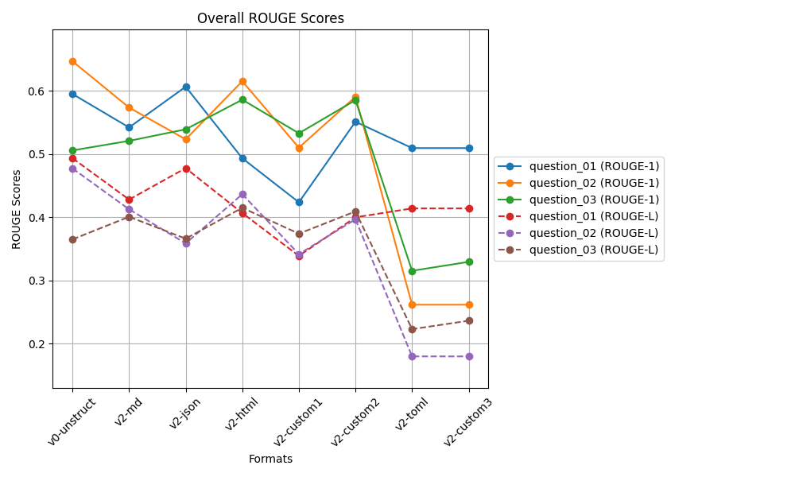
 |  |  | biased docs working on v2.1
 |  |  | after controlled responses
 |  |  | temp 0.2, top_p=0.3

 |  |  | Clearly V2-toml and v2-custom3
 |  |  | is not good for large file
 |  |  | Q2 and Q3 docs is from a large file

Sheet4
 | ROUGE 1 |  |  |  |  | ROUGE L
 | Question 01 | Question 02 | Question 03 |  |  | Question 01 | Question 02 | Question 03
v0-unstruct | 0.59743618141 | 0.64798102511 | 0.50553126986 | 0.58364949213 | v0-unstruct | 0.48882569352 | 0.48520961086 | 0.36475272781 | 0.4462626774
v2-md | 0.54679656286 | 0.57487360982 | 0.52038133024 | 0.54735050097 | v2-md | 0.43406129971 | 0.41329443914 | 0.3997293188 | 0.41569501922
v2-json | 0.60430330268 | 0.53036434002 | 0.5501576027 | 0.56160841513 | v2-json | 0.47554321872 | 0.35849364127 | 0.39583801209 | 0.40995829069
v2-html | 0.56333584694 | 0.60988494668 | 0.58501376134 | 0.58607818498 | v2-html | 0.45817228037 | 0.43174193594 | 0.41334074198 | 0.43441831943
v2-custom1 | 0.52217602656 | 0.49142492782 | 0.53264088454 | 0.51541394631 | v2-custom1 | 0.42126085659 | 0.32224982916 | 0.37378752187 | 0.37243273588
v2-custom2 | 0.55091786262 | 0.58505390693 | 0.58561704911 | 0.57386293955 | v2-custom2 | 0.399703081 | 0.39158522426 | 0.40879190097 | 0.40002673541
 | v2-json | v0-unstruct | v2-custom2 | v2-html |  | v0-unstruct | v0-unstruct | v2-html | v0-unstruct

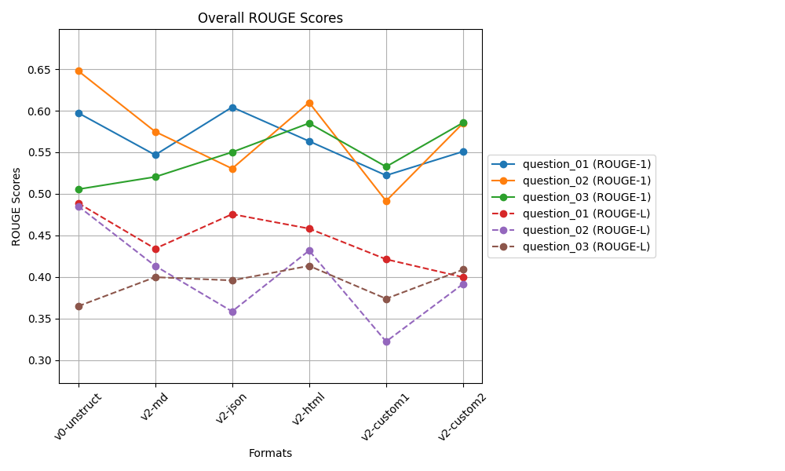
 |  |  | biased docs working on v2.1
 |  |  | after controlled responses
 |  |  | temp 0.2, top_p=0.3

Sheet2
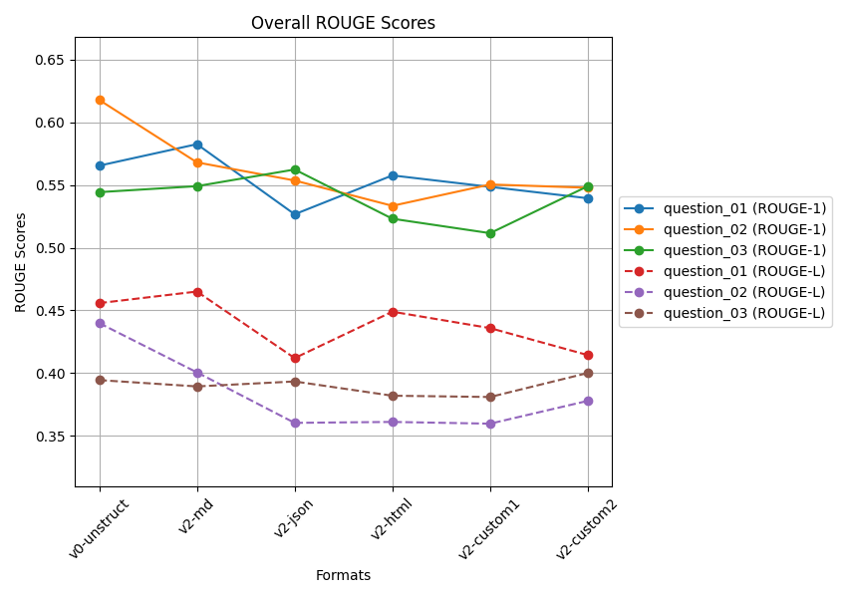
 | ROUGE 1 |  |  |  |  | ROUGE L
 | Question 01 | Question 02 | Question 03 |  |  | Question 01 | Question 02 | Question 03
v0-unstruct | 0.56539816205 | 0.61779956012 | 0.54427830553 | 0.57582534257 | v0-unstruct | 0.45581746171 | 0.43989533677 | 0.39445109765 | 0.43005463205
v2-custom1 | 0.54849027932 | 0.55040217008 | 0.51157312493 | 0.53682185811 | v2-custom1 | 0.43588936215 | 0.35970358856 | 0.38097258111 | 0.39218851061
v2-custom2 | 0.53942000134 | 0.54777236875 | 0.54903212579 | 0.5454081653 | v2-custom2 | 0.41437338807 | 0.37790010653 | 0.40010783882 | 0.39746044447
v2-html | 0.55762155439 | 0.53338608643 | 0.52308267395 | 0.53803010492 | v2-html | 0.44898007205 | 0.36110364745 | 0.38199644664 | 0.39736005538
v2-json | 0.52663633741 | 0.55357491916 | 0.56233939716 | 0.54751688458 | v2-json | 0.41198134509 | 0.36035445354 | 0.39336291157 | 0.38856623673
v2-md | 0.58252505533 | 0.5680145876 | 0.54905393118 | 0.56653119137 | v2-md | 0.46503710907 | 0.40061741481 | 0.38940439827 | 0.41835297405
 | v2-md | v0-unstruct | v2-json | v0-unstruct |  | v2-md | v0-unstruct | v2-custom2 | v0-unstruct

