Sheet12
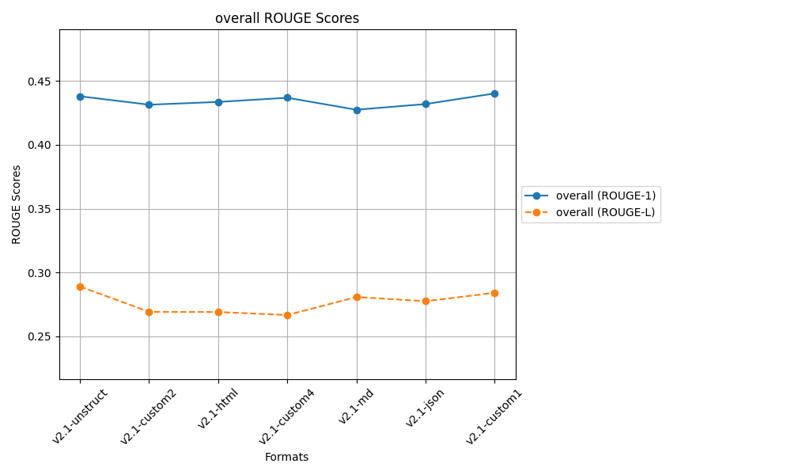
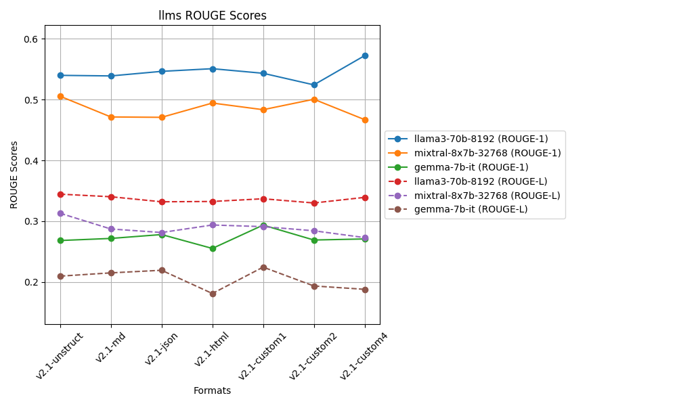
LLAMA
 | ROUGE 1
 | Q1 | Q2 | Q3 | Q4 | Q5 | Q6 | Q7 | Q8 | Q9 | Q10
v2.1-unstruct | 0.73076923077 | 0.67741935484 | 0.67479674797 | 0.49645390071 | 0.48562300319 | 0.51245551601 | 0.37623762376 | 0.35158501441 | 0.52666666667 | 0.56818181818 | 0.54001888765
v2.1-md | 0.68217054264 | 0.67543859649 | 0.6213592233 | 0.53947368421 | 0.48076923077 | 0.44290657439 | 0.42033898305 | 0.40143369176 | 0.53691275168 | 0.58988764045 | 0.53906909187
v2.1-json | 0.70682730924 | 0.7037037037 | 0.66932270916 | 0.50657894737 | 0.45222929936 | 0.4984984985 | 0.42367601246 | 0.45398773006 | 0.56151419558 | 0.48955223881 | 0.54658906442
v2.1-html | 0.6953125 | 0.72340425532 | 0.66108786611 | 0.54545454545 | 0.46575342466 | 0.48648648649 | 0.4115755627 | 0.41142857143 | 0.53086419753 | 0.57831325301 | 0.55096806627
v2.1-custom1 | 0.72440944882 | 0.70319634703 | 0.64748201439 | 0.4668989547 | 0.47648902821 | 0.52434456929 | 0.38461538462 | 0.35338345865 | 0.54785478548 | 0.60567823344 | 0.54343522246
v2.1-custom2 | 0.71146245059 | 0.68778280543 | 0.66108786611 | 0.51685393258 | 0.52447552448 | 0.42807017544 | 0.36789297659 | 0.29343629344 | 0.49552238806 | 0.55696202532 | 0.5243546438
v2.1-custom4 | 0.77490774908 | 0.70909090909 | 0.66216216216 | 0.63736263736 | 0.51873198847 | 0.43125 | 0.55172413793 | 0.32128514056 | 0.52564102564 | 0.59210526316 | 0.57242610135
 | v2.1-custom4 | v2.1-html | v2.1-unstruct | v2.1-custom4 | v2.1-custom2 | v2.1-custom1 | v2.1-custom4 | v2.1-json | v2.1-json | v2.1-custom1 | v2.1-custom4

 | ROUGE L
 | Q1 | Q2 | Q3 | Q4 | Q5 | Q6 | Q7 | Q8 | Q9 | Q10
v2.1-unstruct | 0.47692307692 | 0.56451612903 | 0.47967479675 | 0.29787234043 | 0.24920127796 | 0.2846975089 | 0.19141914191 | 0.1613832853 | 0.35333333333 | 0.38636363636 | 0.34453845269
v2.1-md | 0.49612403101 | 0.47368421053 | 0.42718446602 | 0.32894736842 | 0.26923076923 | 0.24221453287 | 0.21016949153 | 0.20071684588 | 0.35570469799 | 0.39887640449 | 0.3402852818
v2.1-json | 0.52208835341 | 0.51851851852 | 0.4780876494 | 0.30263157895 | 0.1974522293 | 0.21621621622 | 0.23052959502 | 0.19018404908 | 0.3596214511 | 0.30447761194 | 0.33198072529
v2.1-html | 0.515625 | 0.49361702128 | 0.44351464435 | 0.29467084639 | 0.19863013699 | 0.25482625483 | 0.21864951768 | 0.22285714286 | 0.32716049383 | 0.35542168675 | 0.3324972745
v2.1-custom1 | 0.46456692913 | 0.51141552511 | 0.46043165468 | 0.26480836237 | 0.25078369906 | 0.24719101124 | 0.21153846154 | 0.18045112782 | 0.33663366337 | 0.44164037855 | 0.33694608129
v2.1-custom2 | 0.54545454545 | 0.49773755656 | 0.44351464435 | 0.28464419476 | 0.26573426573 | 0.21052631579 | 0.21404682274 | 0.18532818533 | 0.29253731343 | 0.36075949367 | 0.33002833378
v2.1-custom4 | 0.47232472325 | 0.51818181818 | 0.43918918919 | 0.44688644689 | 0.23631123919 | 0.225 | 0.24451410658 | 0.15261044177 | 0.27564102564 | 0.38157894737 | 0.33922379381
 | v2.1-custom2 | v2.1-unstruct | v2.1-unstruct | v2.1-custom4 | v2.1-md | v2.1-unstruct | v2.1-custom4 | v2.1-html | v2.1-json | v2.1-custom1 | v2.1-unstruct

MIXTRAL
 | ROUGE 1
 | Q1 | Q2 | Q3 | Q4 | Q5 | Q6 | Q7 | Q8 | Q9 | Q10
v2.1-unstruct | 0.6174863388 | 0.51724137931 | 0.63636363636 | 0.47792207792 | 0.44444444444 | 0.56643356643 | 0.33668341709 | 0.47133757962 | 0.48843187661 | 0.5 | 0.50563443166
v2.1-md | 0.48456057007 | 0.51311953353 | 0.66192170819 | 0.375 | 0.47249190939 | 0.43044619423 | 0.39050131926 | 0.4289276808 | 0.43127962085 | 0.5274151436 | 0.47156636799
v2.1-json | 0.49579831933 | 0.47214854111 | 0.61356932153 | 0.42924528302 | 0.43835616438 | 0.45544554455 | 0.43406593407 | 0.38647342995 | 0.51212938005 | 0.47228915663 | 0.47095210746
v2.1-html | 0.49489795918 | 0.52077562327 | 0.65594855305 | 0.49329758713 | 0.44134078212 | 0.52037617555 | 0.35858585859 | 0.37899543379 | 0.43544303797 | 0.64473684211 | 0.49443978528
v2.1-custom1 | 0.57721518987 | 0.47058823529 | 0.65551839465 | 0.47921760391 | 0.40883977901 | 0.39240506329 | 0.37096774194 | 0.52367688022 | 0.47321428571 | 0.48351648352 | 0.48351596574
v2.1-custom2 | 0.54901960784 | 0.55900621118 | 0.6798679868 | 0.45161290323 | 0.40449438202 | 0.42937853107 | 0.42105263158 | 0.53074433657 | 0.47555555556 | 0.50620347395 | 0.50069356198
v2.1-custom4 | 0.43705463183 | 0.50424929178 | 0.50909090909 | 0.453125 | 0.44552058111 | 0.44444444444 | 0.40601503759 | 0.45789473684 | 0.48768472906 | 0.52657004831 | 0.46716494101
 | v2.1-unstruct | v2.1-custom2 | v2.1-custom2 | v2.1-html | v2.1-md | v2.1-unstruct | v2.1-json | v2.1-custom2 | v2.1-json | v2.1-html | v2.1-unstruct

 | ROUGE L
 | Q1 | Q2 | Q3 | Q4 | Q5 | Q6 | Q7 | Q8 | Q9 | Q10
v2.1-unstruct | 0.41530054645 | 0.37356321839 | 0.39160839161 | 0.38961038961 | 0.22822822823 | 0.28671328671 | 0.18592964824 | 0.25477707006 | 0.28791773779 | 0.31739130435 | 0.31310398214
v2.1-md | 0.30878859857 | 0.39067055394 | 0.44128113879 | 0.25 | 0.23948220065 | 0.23622047244 | 0.20580474934 | 0.20947630923 | 0.25118483412 | 0.33942558747 | 0.28723344445
v2.1-json | 0.37394957983 | 0.36074270557 | 0.42477876106 | 0.2641509434 | 0.20821917808 | 0.21782178218 | 0.18131868132 | 0.21256038647 | 0.29110512129 | 0.27951807229 | 0.28141652115
v2.1-html | 0.2806122449 | 0.37119113573 | 0.47588424437 | 0.30026809651 | 0.19553072626 | 0.25705329154 | 0.21212121212 | 0.2100456621 | 0.27341772152 | 0.36184210526 | 0.29379664403
v2.1-custom1 | 0.4 | 0.34759358289 | 0.48829431438 | 0.30806845966 | 0.22099447514 | 0.21097046414 | 0.16666666667 | 0.22841225627 | 0.23660714286 | 0.3032967033 | 0.29109040653
v2.1-custom2 | 0.33823529412 | 0.4099378882 | 0.41584158416 | 0.2534562212 | 0.20224719101 | 0.20338983051 | 0.23268698061 | 0.25242718447 | 0.26666666667 | 0.26799007444 | 0.28428789154
v2.1-custom4 | 0.26128266033 | 0.38526912181 | 0.32272727273 | 0.27083333333 | 0.24697336562 | 0.21728395062 | 0.20050125313 | 0.22631578947 | 0.26600985222 | 0.33333333333 | 0.27305299326
 | v2.1-unstruct | v2.1-custom2 | v2.1-custom1 | v2.1-unstruct | v2.1-custom4 | v2.1-unstruct | v2.1-custom2 | v2.1-unstruct | v2.1-json | v2.1-html | v2.1-unstruct

GEMMA
 | ROUGE 1
 | Q1 | Q2 | Q3 | Q4 | Q5 | Q6 | Q7 | Q8 | Q9 | Q10
v2.1-unstruct | 0.34682080925 | 0.61306532663 | 0.22641509434 | 0.15384615385 | 0.18285714286 | 0.16766467066 | 0.21111111111 | 0.14583333333 | 0.17341040462 | 0.46153846154 | 0.26825625082
v2.1-md | 0.48421052632 | 0.61306532663 | 0.28915662651 | 0.18285714286 | 0.16091954023 | 0.23863636364 | 0.21111111111 | 0.14583333333 | 0.17341040462 | 0.21761658031 | 0.27168169556
v2.1-json | 0.45405405405 | 0.60098522167 | 0.36781609195 | 0.15384615385 | 0.18285714286 | 0.28248587571 | 0.21111111111 | 0.14583333333 | 0.17341040462 | 0.20833333333 | 0.27807327225
v2.1-html | 0.29189189189 | 0.60396039604 | 0.28915662651 | 0.15384615385 | 0.18285714286 | 0.28248587571 | 0.21111111111 | 0.14583333333 | 0.17341040462 | 0.21761658031 | 0.25521695162
v2.1-custom1 | 0.48421052632 | 0.60098522167 | 0.46231155779 | 0.18285714286 | 0.18285714286 | 0.28409090909 | 0.21111111111 | 0.14583333333 | 0.17341040462 | 0.20833333333 | 0.2936000683
v2.1-custom2 | 0.29189189189 | 0.61306532663 | 0.31952662722 | 0.18285714286 | 0.18285714286 | 0.28409090909 | 0.21111111111 | 0.14583333333 | 0.24309392265 | 0.21649484536 | 0.2690822253
v2.1-custom4 | 0.29090909091 | 0.6 | 0.35106382979 | 0.18285714286 | 0.18285714286 | 0.28409090909 | 0.21111111111 | 0.14583333333 | 0.24309392265 | 0.21649484536 | 0.2708311328
 | v2.1-md | v2.1-unstruct | v2.1-custom1 | v2.1-md | v2.1-unstruct | v2.1-custom1 | v2.1-unstruct | v2.1-unstruct | v2.1-custom2 | v2.1-unstruct | v2.1-custom1

 | ROUGE L
 | Q1 | Q2 | Q3 | Q4 | Q5 | Q6 | Q7 | Q8 | Q9 | Q10
v2.1-unstruct | 0.26589595376 | 0.54271356784 | 0.18867924528 | 0.082840236686 | 0.14857142857 | 0.10778443114 | 0.13333333333 | 0.09375 | 0.16184971098 | 0.37104072398 | 0.20964586316
v2.1-md | 0.44210526316 | 0.54271356784 | 0.24096385542 | 0.11428571429 | 0.12643678161 | 0.17045454545 | 0.13333333333 | 0.09375 | 0.16184971098 | 0.12435233161 | 0.21502451037
v2.1-json | 0.4 | 0.52216748768 | 0.33333333333 | 0.082840236686 | 0.14857142857 | 0.19209039548 | 0.13333333333 | 0.09375 | 0.16184971098 | 0.125 | 0.21929359261
v2.1-html | 0.22702702703 | 0.40594059406 | 0.24096385542 | 0.082840236686 | 0.14857142857 | 0.19209039548 | 0.13333333333 | 0.09375 | 0.16184971098 | 0.12435233161 | 0.18107189132
v2.1-custom1 | 0.44210526316 | 0.52216748768 | 0.3216080402 | 0.11428571429 | 0.14857142857 | 0.18181818182 | 0.13333333333 | 0.09375 | 0.16184971098 | 0.125 | 0.224448916
v2.1-custom2 | 0.22702702703 | 0.45226130653 | 0.27218934911 | 0.11428571429 | 0.14857142857 | 0.18181818182 | 0.13333333333 | 0.09375 | 0.18784530387 | 0.12371134021 | 0.19347929848
v2.1-custom4 | 0.2303030303 | 0.4 | 0.26595744681 | 0.11428571429 | 0.14857142857 | 0.18181818182 | 0.13333333333 | 0.09375 | 0.18784530387 | 0.12371134021 | 0.18795757792
 | v2.1-md | v2.1-unstruct | v2.1-json | v2.1-md | v2.1-unstruct | v2.1-json | v2.1-unstruct | v2.1-unstruct | v2.1-custom2 | v2.1-unstruct | v2.1-custom1

Sheet11
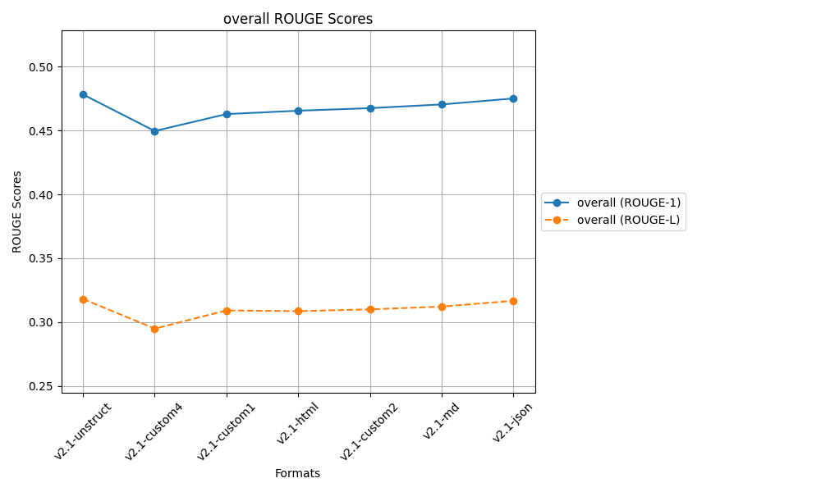
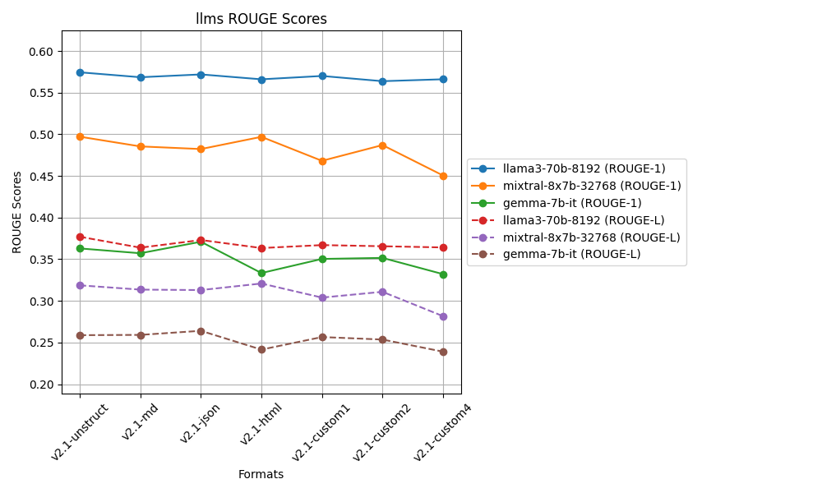
LLAMA
 | ROUGE 1
 | Q1 | Q2 | Q3 | Q4 | Q5 | Q6 | Q7 | Q8 | Q9 | Q10 | Q11 | Q12 | Q13 | Q14 | Q15 | Q16 | Q17 | Q18 | Q19 | Q20 | Q21 | Q22 | Q23 | Q24 | Q25 | Q26 | Q27 | Q28 | Q29 | Q30 | Q31 | Q32 | Q33 | Q34 | Q35 | Q36 | Q37 | Q38 | Q39 | Q40 | Q41 | Q42 | Q43 | Q44 | Q45 | Q46 | Q47 | Q48 | Q49 | Q50
v2.1-unstruct | 0.66917293233 | 0.7 | 0.65771812081 | 0.58208955224 | 0.44637681159 | 0.47352024922 | 0.41666666667 | 0.24454148472 | 0.59442724458 | 0.49099099099 | 0.44186046512 | 0.77490774908 | 0.64888888889 | 0.54485049834 | 0.53191489362 | 0.44230769231 | 0.70671378092 | 0.592 | 0.49107142857 | 0.75342465753 | 0.5350877193 | 0.72146118721 | 0.63897763578 | 0.64591439689 | 0.51590106007 | 0.6204620462 | 0.63970588235 | 0.47305389222 | 0.60983606557 | 0.52564102564 | 0.53242320819 | 0.59076923077 | 0.48466257669 | 0.55319148936 | 0.72903225806 | 0.63291139241 | 0.59622641509 | 0.4 | 0.54153846154 | 0.55862068966 | 0.703125 | 0.69527896996 | 0.5468164794 | 0.70945945946 | 0.67549668874 | 0.44285714286 | 0.57049180328 | 0.70119521912 | 0.52142857143 | 0.40939597315 | 0.57448812096
v2.1-md | 0.734375 | 0.67543859649 | 0.6496350365 | 0.50169491525 | 0.46864686469 | 0.47887323944 | 0.38607594937 | 0.36363636364 | 0.51773049645 | 0.58988764045 | 0.51048951049 | 0.68789808917 | 0.6036036036 | 0.52201257862 | 0.58 | 0.44137931034 | 0.61736334405 | 0.59227467811 | 0.57416267943 | 0.58020477816 | 0.57142857143 | 0.67248908297 | 0.57236842105 | 0.62790697674 | 0.51757188498 | 0.67615658363 | 0.57249070632 | 0.44910179641 | 0.54125412541 | 0.57894736842 | 0.49358974359 | 0.5574912892 | 0.49079754601 | 0.4578313253 | 0.67132867133 | 0.61666666667 | 0.60504201681 | 0.64661654135 | 0.49006622517 | 0.60641399417 | 0.65185185185 | 0.66666666667 | 0.60583941606 | 0.72240802676 | 0.69230769231 | 0.44147157191 | 0.47507331378 | 0.69827586207 | 0.57792207792 | 0.40625 | 0.56858017381
v2.1-json | 0.70454545455 | 0.7037037037 | 0.66932270916 | 0.47868852459 | 0.46357615894 | 0.42580645161 | 0.41196013289 | 0.27192982456 | 0.57419354839 | 0.57761732852 | 0.50169491525 | 0.60365853659 | 0.64377682403 | 0.46835443038 | 0.57337883959 | 0.39726027397 | 0.6642599278 | 0.48062015504 | 0.57894736842 | 0.80952380952 | 0.58878504673 | 0.67906976744 | 0.64918032787 | 0.66159695817 | 0.44137931034 | 0.69152542373 | 0.50303030303 | 0.41744548287 | 0.53459119497 | 0.5 | 0.48902821317 | 0.47457627119 | 0.54437869822 | 0.45578231293 | 0.65972222222 | 0.65060240964 | 0.65853658537 | 0.6821192053 | 0.49190938511 | 0.62 | 0.74897119342 | 0.69491525424 | 0.54347826087 | 0.7491638796 | 0.73103448276 | 0.46875 | 0.56875 | 0.72033898305 | 0.56944444444 | 0.40718562874 | 0.57196220326
v2.1-html | 0.6953125 | 0.69683257919 | 0.66108786611 | 0.49295774648 | 0.44520547945 | 0.45756457565 | 0.41059602649 | 0.40880503145 | 0.54225352113 | 0.58171745152 | 0.47811447811 | 0.64981949458 | 0.64655172414 | 0.5047318612 | 0.57677902622 | 0.3320754717 | 0.64591439689 | 0.45967741935 | 0.51046025105 | 0.76923076923 | 0.59701492537 | 0.69058295964 | 0.57425742574 | 0.64591439689 | 0.45878136201 | 0.6936026936 | 0.48745519713 | 0.42553191489 | 0.5835694051 | 0.54901960784 | 0.51315789474 | 0.52027027027 | 0.54485049834 | 0.5 | 0.66894197952 | 0.62393162393 | 0.58008658009 | 0.6231884058 | 0.51006711409 | 0.59615384615 | 0.71146245059 | 0.65765765766 | 0.59479553903 | 0.59863945578 | 0.69172932331 | 0.48231511254 | 0.55828220859 | 0.67768595041 | 0.57246376812 | 0.40718562874 | 0.56608565732
v2.1-custom1 | 0.72440944882 | 0.70319634703 | 0.64748201439 | 0.45205479452 | 0.47557003257 | 0.52398523985 | 0.38461538462 | 0.46645367412 | 0.5358490566 | 0.60946745562 | 0.48375451264 | 0.63601532567 | 0.60792951542 | 0.44137931034 | 0.57352941176 | 0.43445692884 | 0.63665594855 | 0.50393700787 | 0.54237288136 | 0.76056338028 | 0.55769230769 | 0.7423580786 | 0.56484149856 | 0.63114754098 | 0.4275862069 | 0.65780730897 | 0.50187265918 | 0.44705882353 | 0.56765676568 | 0.59722222222 | 0.46666666667 | 0.54355400697 | 0.45614035088 | 0.41693811075 | 0.70714285714 | 0.62978723404 | 0.6694214876 | 0.63799283154 | 0.50825082508 | 0.57718120805 | 0.6887966805 | 0.69491525424 | 0.59786476868 | 0.74074074074 | 0.70229007634 | 0.43225806452 | 0.50314465409 | 0.70689655172 | 0.58362989324 | 0.40236686391 | 0.5700980042
v2.1-custom2 | 0.72222222222 | 0.68778280543 | 0.66108786611 | 0.49541284404 | 0.52296819788 | 0.46357615894 | 0.38225255973 | 0.2734375 | 0.5652173913 | 0.58402203857 | 0.45954692557 | 0.6144200627 | 0.63829787234 | 0.50158730159 | 0.56115107914 | 0.41577060932 | 0.63225806452 | 0.575 | 0.50458715596 | 0.79858657244 | 0.53658536585 | 0.671875 | 0.62179487179 | 0.65289256198 | 0.42857142857 | 0.6976744186 | 0.49822064057 | 0.36245954693 | 0.66 | 0.50561797753 | 0.41666666667 | 0.51612903226 | 0.50149253731 | 0.52396166134 | 0.6524822695 | 0.66666666667 | 0.64377682403 | 0.6231884058 | 0.4926686217 | 0.53012048193 | 0.76394849785 | 0.65765765766 | 0.53333333333 | 0.70987654321 | 0.71264367816 | 0.45592705167 | 0.53824362606 | 0.59016393443 | 0.5447761194 | 0.42345276873 | 0.56384106835
v2.1-custom4 | 0.68461538462 | 0.70909090909 | 0.65762711864 | 0.64233576642 | 0.47826086957 | 0.41401273885 | 0.47557003257 | 0.40714285714 | 0.55621301775 | 0.59863945578 | 0.43452380952 | 0.66666666667 | 0.56310679612 | 0.51194539249 | 0.5910652921 | 0.37748344371 | 0.64102564103 | 0.50632911392 | 0.53543307087 | 0.6511627907 | 0.6261682243 | 0.6724137931 | 0.60066006601 | 0.56153846154 | 0.53287197232 | 0.55445544554 | 0.61151079137 | 0.38953488372 | 0.61341853035 | 0.59459459459 | 0.51757188498 | 0.54482758621 | 0.45967741935 | 0.50282485876 | 0.65634674923 | 0.61475409836 | 0.65322580645 | 0.65441176471 | 0.45487364621 | 0.52173913043 | 0.72103004292 | 0.71296296296 | 0.6015037594 | 0.60927152318 | 0.66666666667 | 0.44078947368 | 0.50574712644 | 0.59227467811 | 0.56666666667 | 0.45070422535 | 0.56614574001
 | v2.1-md | v2.1-custom4 | v2.1-json | v2.1-custom4 | v2.1-custom2 | v2.1-custom1 | v2.1-custom4 | v2.1-custom1 | v2.1-unstruct | v2.1-custom1 | v2.1-md | v2.1-unstruct | v2.1-unstruct | v2.1-unstruct | v2.1-custom4 | v2.1-unstruct | v2.1-unstruct | v2.1-md | v2.1-json | v2.1-json | v2.1-custom4 | v2.1-custom1 | v2.1-json | v2.1-json | v2.1-custom4 | v2.1-custom2 | v2.1-unstruct | v2.1-unstruct | v2.1-custom2 | v2.1-custom1 | v2.1-unstruct | v2.1-unstruct | v2.1-html | v2.1-unstruct | v2.1-unstruct | v2.1-custom2 | v2.1-custom1 | v2.1-json | v2.1-unstruct | v2.1-json | v2.1-custom2 | v2.1-custom4 | v2.1-md | v2.1-json | v2.1-json | v2.1-html | v2.1-unstruct | v2.1-json | v2.1-custom1 | v2.1-custom4 | v2.1-unstruct

 | ROUGE L
 | Q1 | Q2 | Q3 | Q4 | Q5 | Q6 | Q7 | Q8 | Q9 | Q10 | Q11 | Q12 | Q13 | Q14 | Q15 | Q16 | Q17 | Q18 | Q19 | Q20 | Q21 | Q22 | Q23 | Q24 | Q25 | Q26 | Q27 | Q28 | Q29 | Q30 | Q31 | Q32 | Q33 | Q34 | Q35 | Q36 | Q37 | Q38 | Q39 | Q40 | Q41 | Q42 | Q43 | Q44 | Q45 | Q46 | Q47 | Q48 | Q49 | Q50
v2.1-unstruct | 0.52631578947 | 0.6 | 0.41610738255 | 0.44776119403 | 0.23768115942 | 0.29906542056 | 0.19230769231 | 0.17467248908 | 0.40866873065 | 0.34234234234 | 0.29069767442 | 0.63468634686 | 0.50666666667 | 0.3122923588 | 0.29787234043 | 0.23717948718 | 0.45229681979 | 0.44 | 0.30357142857 | 0.52739726027 | 0.36842105263 | 0.56621004566 | 0.37699680511 | 0.4513618677 | 0.26855123675 | 0.3498349835 | 0.43382352941 | 0.22155688623 | 0.47868852459 | 0.42307692308 | 0.27303754266 | 0.30153846154 | 0.27607361963 | 0.32218844985 | 0.50322580645 | 0.32067510549 | 0.36226415094 | 0.23272727273 | 0.31384615385 | 0.37931034483 | 0.6484375 | 0.34334763948 | 0.3595505618 | 0.53378378378 | 0.51655629139 | 0.25714285714 | 0.31475409836 | 0.52589641434 | 0.28571428571 | 0.19463087248 | 0.37701611301
v2.1-md | 0.46875 | 0.47368421053 | 0.44525547445 | 0.27118644068 | 0.23102310231 | 0.22535211268 | 0.19620253165 | 0.18909090909 | 0.3475177305 | 0.39887640449 | 0.28671328671 | 0.36942675159 | 0.41441441441 | 0.30188679245 | 0.36666666667 | 0.23448275862 | 0.45659163987 | 0.47210300429 | 0.35406698565 | 0.45733788396 | 0.36866359447 | 0.5327510917 | 0.375 | 0.4496124031 | 0.19808306709 | 0.46263345196 | 0.38661710037 | 0.20958083832 | 0.3696369637 | 0.43421052632 | 0.24358974359 | 0.2787456446 | 0.30061349693 | 0.25903614458 | 0.41958041958 | 0.31666666667 | 0.39495798319 | 0.51127819549 | 0.27814569536 | 0.50728862974 | 0.57777777778 | 0.34234234234 | 0.37226277372 | 0.52173913043 | 0.56643356643 | 0.2474916388 | 0.27565982405 | 0.48275862069 | 0.35714285714 | 0.19375 | 0.36389358577
v2.1-json | 0.51515151515 | 0.51851851852 | 0.4780876494 | 0.30163934426 | 0.21854304636 | 0.22580645161 | 0.21262458472 | 0.17543859649 | 0.34838709677 | 0.41155234657 | 0.29152542373 | 0.30487804878 | 0.48927038627 | 0.28481012658 | 0.34129692833 | 0.23287671233 | 0.46931407942 | 0.35658914729 | 0.35964912281 | 0.61904761905 | 0.42056074766 | 0.5023255814 | 0.4 | 0.44866920152 | 0.2275862069 | 0.4813559322 | 0.33333333333 | 0.22429906542 | 0.39622641509 | 0.36956521739 | 0.25705329154 | 0.25762711864 | 0.30769230769 | 0.2380952381 | 0.42361111111 | 0.35341365462 | 0.41463414634 | 0.5298013245 | 0.33009708738 | 0.46666666667 | 0.64197530864 | 0.33050847458 | 0.36956521739 | 0.54180602007 | 0.59310344828 | 0.25625 | 0.26875 | 0.52542372881 | 0.36805555556 | 0.22155688623 | 0.37309230063
v2.1-html | 0.515625 | 0.50678733032 | 0.44351464435 | 0.27464788732 | 0.19863013699 | 0.23616236162 | 0.25165562914 | 0.18238993711 | 0.33098591549 | 0.40443213296 | 0.32996632997 | 0.38267148014 | 0.47413793103 | 0.25867507886 | 0.37453183521 | 0.20377358491 | 0.44357976654 | 0.34677419355 | 0.32635983264 | 0.6220735786 | 0.39800995025 | 0.60986547085 | 0.3696369637 | 0.46692607004 | 0.20071684588 | 0.46464646465 | 0.33691756272 | 0.2188449848 | 0.42492917847 | 0.43137254902 | 0.22368421053 | 0.26351351351 | 0.33887043189 | 0.26829268293 | 0.41638225256 | 0.31623931624 | 0.38095238095 | 0.48550724638 | 0.28859060403 | 0.39743589744 | 0.51383399209 | 0.32432432432 | 0.3717472119 | 0.47619047619 | 0.59398496241 | 0.26366559486 | 0.26380368098 | 0.42148760331 | 0.31884057971 | 0.21556886228 | 0.36344312903
v2.1-custom1 | 0.46456692913 | 0.51141552511 | 0.46043165468 | 0.25342465753 | 0.26058631922 | 0.24354243542 | 0.21153846154 | 0.19808306709 | 0.36226415094 | 0.37278106509 | 0.26714801444 | 0.31417624521 | 0.44933920705 | 0.25517241379 | 0.33823529412 | 0.23970037453 | 0.4501607717 | 0.40157480315 | 0.31355932203 | 0.61267605634 | 0.375 | 0.64628820961 | 0.36887608069 | 0.49180327869 | 0.22068965517 | 0.43853820598 | 0.32958801498 | 0.21176470588 | 0.42244224422 | 0.45833333333 | 0.26 | 0.27177700348 | 0.29239766082 | 0.24755700326 | 0.42142857143 | 0.31489361702 | 0.42975206612 | 0.49462365591 | 0.2904290429 | 0.40939597315 | 0.59751037344 | 0.33050847458 | 0.37722419929 | 0.52525252525 | 0.61832061069 | 0.24516129032 | 0.23899371069 | 0.50862068966 | 0.31316725979 | 0.21893491124 | 0.36699298271
v2.1-custom2 | 0.53968253968 | 0.49773755656 | 0.44351464435 | 0.2752293578 | 0.26855123675 | 0.2582781457 | 0.23208191126 | 0.1796875 | 0.31055900621 | 0.39669421488 | 0.2783171521 | 0.33228840125 | 0.46808510638 | 0.31111111111 | 0.34532374101 | 0.20788530466 | 0.45806451613 | 0.38333333333 | 0.29357798165 | 0.62190812721 | 0.36585365854 | 0.484375 | 0.40384615385 | 0.48760330579 | 0.21804511278 | 0.45182724252 | 0.32740213523 | 0.22006472492 | 0.47333333333 | 0.39325842697 | 0.24358974359 | 0.27565982405 | 0.28059701493 | 0.25559105431 | 0.45390070922 | 0.36947791165 | 0.47210300429 | 0.48550724638 | 0.2991202346 | 0.35542168675 | 0.669527897 | 0.32432432432 | 0.35294117647 | 0.49382716049 | 0.61302681992 | 0.24924012158 | 0.28328611898 | 0.37704918033 | 0.28358208955 | 0.21498371336 | 0.36560554027
v2.1-custom4 | 0.5 | 0.51818181818 | 0.4406779661 | 0.45255474453 | 0.24637681159 | 0.22929936306 | 0.2671009772 | 0.19285714286 | 0.31952662722 | 0.36054421769 | 0.27976190476 | 0.37623762376 | 0.33009708738 | 0.30034129693 | 0.35738831615 | 0.19205298013 | 0.46153846154 | 0.32911392405 | 0.31496062992 | 0.51162790698 | 0.45794392523 | 0.56034482759 | 0.42904290429 | 0.36153846154 | 0.26989619377 | 0.39603960396 | 0.37410071942 | 0.22674418605 | 0.47923322684 | 0.44594594595 | 0.2428115016 | 0.26896551724 | 0.29838709677 | 0.27118644068 | 0.42724458204 | 0.31967213115 | 0.41129032258 | 0.46323529412 | 0.31046931408 | 0.3602484472 | 0.56652360515 | 0.41666666667 | 0.37593984962 | 0.4701986755 | 0.57142857143 | 0.25657894737 | 0.27011494253 | 0.36051502146 | 0.30666666667 | 0.25915492958 | 0.36416736636
 | v2.1-custom2 | v2.1-unstruct | v2.1-json | v2.1-custom4 | v2.1-custom2 | v2.1-unstruct | v2.1-custom4 | v2.1-custom1 | v2.1-unstruct | v2.1-json | v2.1-html | v2.1-unstruct | v2.1-unstruct | v2.1-unstruct | v2.1-html | v2.1-custom1 | v2.1-json | v2.1-md | v2.1-json | v2.1-html | v2.1-custom4 | v2.1-custom1 | v2.1-custom4 | v2.1-custom1 | v2.1-custom4 | v2.1-json | v2.1-unstruct | v2.1-custom4 | v2.1-custom4 | v2.1-custom1 | v2.1-unstruct | v2.1-unstruct | v2.1-html | v2.1-unstruct | v2.1-unstruct | v2.1-custom2 | v2.1-custom2 | v2.1-json | v2.1-json | v2.1-md | v2.1-custom2 | v2.1-custom4 | v2.1-custom1 | v2.1-json | v2.1-custom1 | v2.1-html | v2.1-unstruct | v2.1-unstruct | v2.1-json | v2.1-custom4 | v2.1-unstruct

MIXTRAL
 | ROUGE 1
 | Q1 | Q2 | Q3 | Q4 | Q5 | Q6 | Q7 | Q8 | Q9 | Q10 | Q11 | Q12 | Q13 | Q14 | Q15 | Q16 | Q17 | Q18 | Q19 | Q20 | Q21 | Q22 | Q23 | Q24 | Q25 | Q26 | Q27 | Q28 | Q29 | Q30 | Q31 | Q32 | Q33 | Q34 | Q35 | Q36 | Q37 | Q38 | Q39 | Q40 | Q41 | Q42 | Q43 | Q44 | Q45 | Q46 | Q47 | Q48 | Q49 | Q50
v2.1-unstruct | 0.58375634518 | 0.68312757202 | 0.64174454829 | 0.36257309942 | 0.41826923077 | 0.54933333333 | 0.41687344913 | 0.34589800443 | 0.43055555556 | 0.52914798206 | 0.13043478261 | 0.66855524079 | 0.62015503876 | 0.5667752443 | 0.52892561983 | 0.38968481375 | 0.68421052632 | 0.58955223881 | 0.40601503759 | 0.59477124183 | 0.33888888889 | 0.58273381295 | 0.50101832994 | 0.58860759494 | 0.49864498645 | 0.44111349036 | 0.48607594937 | 0.39821029083 | 0.55474452555 | 0.39423076923 | 0.43939393939 | 0.4920993228 | 0.054794520548 | 0.50363196126 | 0.57519788918 | 0.57057057057 | 0.55421686747 | 0.43391521197 | 0.4858044164 | 0.43099273608 | 0.55096418733 | 0.52117263844 | 0.47688564477 | 0.67731629393 | 0.61764705882 | 0.41445783133 | 0.55710306407 | 0.6220735786 | 0.48947368421 | 0.46607669617 | 0.49716831313
v2.1-md | 0.58522727273 | 0.51311953353 | 0.60702875399 | 0.45738045738 | 0.45481049563 | 0.47904191617 | 0.42051282051 | 0.45791245791 | 0.48369565217 | 0.58139534884 | 0.43596730245 | 0.54408060453 | 0.43927648579 | 0.45505617978 | 0.55688622754 | 0.40771349862 | 0.55690072639 | 0.41590214067 | 0.45333333333 | 0.51960784314 | 0.35632183908 | 0.56426332288 | 0.48484848485 | 0.60784313725 | 0.36979166667 | 0.54800936768 | 0.50480769231 | 0.42613636364 | 0.46436781609 | 0.31046931408 | 0.43822843823 | 0.45036319613 | 0.36930455635 | 0.41152263374 | 0.60377358491 | 0.51895043732 | 0.65289256198 | 0.61111111111 | 0.4923857868 | 0.42339832869 | 0.58934169279 | 0.5138121547 | 0.51724137931 | 0.56279069767 | 0.54589371981 | 0.25142857143 | 0.50120481928 | 0.54084507042 | 0.41493775934 | 0.40366972477 | 0.48549608561
v2.1-json | 0.49579831933 | 0.47214854111 | 0.63829787234 | 0.39845261122 | 0.45333333333 | 0.49152542373 | 0.37849462366 | 0.37054631829 | 0.45433255269 | 0.52130325815 | 0.37108433735 | 0.54155495979 | 0.53383458647 | 0.39069767442 | 0.58146964856 | 0.39053254438 | 0.46934460888 | 0.41807909605 | 0.56 | 0.64117647059 | 0.35854341737 | 0.61486486486 | 0.43291592129 | 0.61794019934 | 0.46031746032 | 0.59064327485 | 0.46534653465 | 0.43309002433 | 0.46218487395 | 0.5974025974 | 0.4381443299 | 0.54601226994 | 0.40750670241 | 0.16574585635 | 0.57142857143 | 0.64233576642 | 0.60633484163 | 0.54922279793 | 0.43373493976 | 0.41361256545 | 0.50259067358 | 0.52887537994 | 0.51912568306 | 0.5668202765 | 0.58510638298 | 0.20731707317 | 0.46191646192 | 0.42639593909 | 0.51851851852 | 0.4204851752 | 0.48232972308
v2.1-html | 0.49489795918 | 0.52077562327 | 0.66233766234 | 0.48362720403 | 0.45478036176 | 0.46892655367 | 0.36496350365 | 0.4 | 0.47663551402 | 0.56020942408 | 0.33560090703 | 0.52130325815 | 0.47580645161 | 0.44967880086 | 0.64583333333 | 0.36184210526 | 0.68531468531 | 0.57564575646 | 0.37714285714 | 0.51630434783 | 0.37931034483 | 0.66666666667 | 0.44755244755 | 0.56024096386 | 0.44730077121 | 0.50952380952 | 0.46411483254 | 0.35922330097 | 0.55665024631 | 0.55696202532 | 0.39429928741 | 0.48441247002 | 0.46194225722 | 0.51781472684 | 0.61728395062 | 0.62837837838 | 0.6218487395 | 0.59850374065 | 0.50549450549 | 0.29764065336 | 0.515625 | 0.51940298507 | 0.49142857143 | 0.65671641791 | 0.54545454545 | 0.4347826087 | 0.45801526718 | 0.44986449864 | 0.41547861507 | 0.45682451253 | 0.49700766898
v2.1-custom1 | 0.57721518987 | 0.47058823529 | 0.64951768489 | 0.46411483254 | 0.46418338109 | 0.43333333333 | 0.36496350365 | 0.48603351955 | 0.47715736041 | 0.39768339768 | 0.38938053097 | 0.12987012987 | 0.38219895288 | 0.50385604113 | 0.55688622754 | 0.35675675676 | 0.52680652681 | 0.40571428571 | 0.42613636364 | 0.46685878963 | 0.39884393064 | 0.56129032258 | 0.52444444444 | 0.64615384615 | 0.45918367347 | 0.46187363834 | 0.50909090909 | 0.3347107438 | 0.51833740831 | 0.31468531469 | 0.43555555556 | 0.48 | 0.42335766423 | 0.43927648579 | 0.35561497326 | 0.66923076923 | 0.68461538462 | 0.51239669421 | 0.40081799591 | 0.42342342342 | 0.49268292683 | 0.53097345133 | 0.47826086957 | 0.72258064516 | 0.62921348315 | 0.37810945274 | 0.38602941176 | 0.41791044776 | 0.45631067961 | 0.43498817967 | 0.46818435537
v2.1-custom2 | 0.54901960784 | 0.55900621118 | 0.56537102473 | 0.45089285714 | 0.44186046512 | 0.4802259887 | 0.4465408805 | 0.43362831858 | 0.48293963255 | 0.51724137931 | 0.36049382716 | 0.48484848485 | 0.43352601156 | 0.43902439024 | 0.61486486486 | 0.34730538922 | 0.52655889145 | 0.54480286738 | 0.50557620818 | 0.52298850575 | 0.37195121951 | 0.54430379747 | 0.52436194896 | 0.58552631579 | 0.32727272727 | 0.48356807512 | 0.52551020408 | 0.41379310345 | 0.49148418491 | 0.38938053097 | 0.50445103858 | 0.48 | 0.41075794621 | 0.15730337079 | 0.61306532663 | 0.58620689655 | 0.5787965616 | 0.595 | 0.48275862069 | 0.56973293769 | 0.5325443787 | 0.11570247934 | 0.46997389034 | 0.57395143488 | 0.6968641115 | 0.50991501416 | 0.52956298201 | 0.68725868726 | 0.45248868778 | 0.44496487119 | 0.487103343
v2.1-custom4 | 0.43705463183 | 0.50424929178 | 0.51567944251 | 0.46522781775 | 0.40586797066 | 0.47980997625 | 0.39074550129 | 0.55131964809 | 0.44545454545 | 0.59162303665 | 0.3611738149 | 0.48404255319 | 0.37470725995 | 0.41895261845 | 0.45454545455 | 0.42038216561 | 0.56330749354 | 0.44327176781 | 0.45697329377 | 0 | 0.37113402062 | 0.56849315068 | 0.53398058252 | 0.54970760234 | 0.39351851852 | 0.52173913043 | 0.49148418491 | 0.38046272494 | 0.41827768014 | 0.2962962963 | 0.39467849224 | 0.46543778802 | 0.29173419773 | 0.3667953668 | 0.52134831461 | 0.47887323944 | 0.46601941748 | 0.59585492228 | 0.49746192893 | 0.50675675676 | 0.53296703297 | 0.49738219895 | 0.48039215686 | 0.55377574371 | 0.43545279383 | 0.35730858469 | 0.47297297297 | 0.47466666667 | 0.40639269406 | 0.44327176781 | 0.45058050424
 | v2.1-md | v2.1-unstruct | v2.1-html | v2.1-html | v2.1-custom1 | v2.1-unstruct | v2.1-custom2 | v2.1-custom4 | v2.1-md | v2.1-custom4 | v2.1-md | v2.1-unstruct | v2.1-unstruct | v2.1-unstruct | v2.1-html | v2.1-custom4 | v2.1-html | v2.1-unstruct | v2.1-json | v2.1-json | v2.1-custom1 | v2.1-html | v2.1-custom4 | v2.1-custom1 | v2.1-unstruct | v2.1-json | v2.1-custom2 | v2.1-json | v2.1-html | v2.1-json | v2.1-custom2 | v2.1-json | v2.1-html | v2.1-html | v2.1-html | v2.1-custom1 | v2.1-custom1 | v2.1-md | v2.1-html | v2.1-custom2 | v2.1-md | v2.1-custom1 | v2.1-json | v2.1-custom1 | v2.1-custom2 | v2.1-custom2 | v2.1-unstruct | v2.1-custom2 | v2.1-json | v2.1-unstruct | v2.1-unstruct

 | ROUGE L
 | Q1 | Q2 | Q3 | Q4 | Q5 | Q6 | Q7 | Q8 | Q9 | Q10 | Q11 | Q12 | Q13 | Q14 | Q15 | Q16 | Q17 | Q18 | Q19 | Q20 | Q21 | Q22 | Q23 | Q24 | Q25 | Q26 | Q27 | Q28 | Q29 | Q30 | Q31 | Q32 | Q33 | Q34 | Q35 | Q36 | Q37 | Q38 | Q39 | Q40 | Q41 | Q42 | Q43 | Q44 | Q45 | Q46 | Q47 | Q48 | Q49 | Q50
v2.1-unstruct | 0.45177664975 | 0.50205761317 | 0.4984423676 | 0.23001949318 | 0.20673076923 | 0.23466666667 | 0.1935483871 | 0.20399113082 | 0.25 | 0.33632286996 | 0.13043478261 | 0.54957507082 | 0.37209302326 | 0.29315960912 | 0.29201101928 | 0.23495702006 | 0.46052631579 | 0.41044776119 | 0.24812030075 | 0.32026143791 | 0.2 | 0.46043165468 | 0.34215885947 | 0.43670886076 | 0.23848238482 | 0.32976445396 | 0.29873417722 | 0.20581655481 | 0.42335766423 | 0.23076923077 | 0.26262626263 | 0.25733634312 | 0.041095890411 | 0.27602905569 | 0.31662269129 | 0.41441441441 | 0.32128514056 | 0.20448877805 | 0.27129337539 | 0.30024213075 | 0.46280991736 | 0.36482084691 | 0.28223844282 | 0.49201277955 | 0.51176470588 | 0.20722891566 | 0.3008356546 | 0.44816053512 | 0.35263157895 | 0.25958702065 | 0.31865781218
v2.1-md | 0.43181818182 | 0.39067055394 | 0.35782747604 | 0.23700623701 | 0.2332361516 | 0.26347305389 | 0.22564102564 | 0.23569023569 | 0.26630434783 | 0.33139534884 | 0.34332425068 | 0.31738035264 | 0.34625322997 | 0.23595505618 | 0.37125748503 | 0.23140495868 | 0.38740920097 | 0.28134556575 | 0.30666666667 | 0.34803921569 | 0.20114942529 | 0.43887147335 | 0.38095238095 | 0.47058823529 | 0.19791666667 | 0.3700234192 | 0.375 | 0.22159090909 | 0.34942528736 | 0.20938628159 | 0.25174825175 | 0.24697336562 | 0.23980815348 | 0.25102880658 | 0.39892183288 | 0.27988338192 | 0.42975206612 | 0.41919191919 | 0.28426395939 | 0.25069637883 | 0.43260188088 | 0.33149171271 | 0.31034482759 | 0.4 | 0.45410628019 | 0.19428571429 | 0.24578313253 | 0.40563380282 | 0.29045643154 | 0.20183486239 | 0.31351618868
v2.1-json | 0.37394957983 | 0.36074270557 | 0.48024316109 | 0.25918762089 | 0.20266666667 | 0.27118644068 | 0.15913978495 | 0.19002375297 | 0.28571428571 | 0.27568922306 | 0.29879518072 | 0.30563002681 | 0.35338345865 | 0.2 | 0.4089456869 | 0.2426035503 | 0.31712473573 | 0.27118644068 | 0.36444444444 | 0.54705882353 | 0.22408963585 | 0.4527027027 | 0.29338103757 | 0.43853820598 | 0.28042328042 | 0.30409356725 | 0.27227722772 | 0.22384428224 | 0.31932773109 | 0.4025974026 | 0.24742268041 | 0.25153374233 | 0.25737265416 | 0.13259668508 | 0.41723356009 | 0.49635036496 | 0.407239819 | 0.32124352332 | 0.25060240964 | 0.29319371728 | 0.36269430052 | 0.38905775076 | 0.30054644809 | 0.41013824885 | 0.5 | 0.19512195122 | 0.23095823096 | 0.28934010152 | 0.2962962963 | 0.22102425876 | 0.31297914772
v2.1-html | 0.2806122449 | 0.37119113573 | 0.47402597403 | 0.36272040302 | 0.21188630491 | 0.21468926554 | 0.20437956204 | 0.20210526316 | 0.29439252336 | 0.33507853403 | 0.22675736961 | 0.29072681704 | 0.34677419355 | 0.24411134904 | 0.39583333333 | 0.25 | 0.40559440559 | 0.39852398524 | 0.20571428571 | 0.39673913043 | 0.22988505747 | 0.54222222222 | 0.31118881119 | 0.4578313253 | 0.22622107969 | 0.32380952381 | 0.25358851675 | 0.19417475728 | 0.4039408867 | 0.53164556962 | 0.22327790974 | 0.24940047962 | 0.2782152231 | 0.30403800475 | 0.44938271605 | 0.42567567568 | 0.40336134454 | 0.43890274314 | 0.27472527473 | 0.17422867514 | 0.41145833333 | 0.3223880597 | 0.32571428571 | 0.4776119403 | 0.44717444717 | 0.21118012422 | 0.23918575064 | 0.31436314363 | 0.25254582485 | 0.23398328691 | 0.32086354147
v2.1-custom1 | 0.4 | 0.34759358289 | 0.39871382637 | 0.25837320574 | 0.22922636103 | 0.23333333333 | 0.18491484185 | 0.22346368715 | 0.28426395939 | 0.28957528958 | 0.24778761062 | 0.11688311688 | 0.29842931937 | 0.29305912596 | 0.33532934132 | 0.25945945946 | 0.38228438228 | 0.26857142857 | 0.27840909091 | 0.27089337176 | 0.25433526012 | 0.4 | 0.35555555556 | 0.44615384615 | 0.22959183673 | 0.28758169935 | 0.34805194805 | 0.19834710744 | 0.39119804401 | 0.21678321678 | 0.22666666667 | 0.265 | 0.23844282238 | 0.25322997416 | 0.29679144385 | 0.45384615385 | 0.42307692308 | 0.37603305785 | 0.24948875256 | 0.27477477477 | 0.40975609756 | 0.37758112094 | 0.30434782609 | 0.49032258065 | 0.48314606742 | 0.24378109453 | 0.24632352941 | 0.32409381663 | 0.28155339806 | 0.25059101655 | 0.30394019931
v2.1-custom2 | 0.33823529412 | 0.4099378882 | 0.29681978799 | 0.24553571429 | 0.20930232558 | 0.22033898305 | 0.21383647799 | 0.20796460177 | 0.28871391076 | 0.30049261084 | 0.27160493827 | 0.26262626263 | 0.29479768786 | 0.24390243902 | 0.41216216216 | 0.22754491018 | 0.36027713626 | 0.41577060932 | 0.28996282528 | 0.41379310345 | 0.21341463415 | 0.38607594937 | 0.37587006961 | 0.43421052632 | 0.16363636364 | 0.30985915493 | 0.39285714286 | 0.21609195402 | 0.37469586375 | 0.27433628319 | 0.24925816024 | 0.24533333333 | 0.25916870416 | 0.12359550562 | 0.38190954774 | 0.36551724138 | 0.36103151862 | 0.42 | 0.28116710875 | 0.51038575668 | 0.43786982249 | 0.11570247934 | 0.2819843342 | 0.40618101545 | 0.52961672474 | 0.29461756374 | 0.24678663239 | 0.4555984556 | 0.29411764706 | 0.22014051522 | 0.31089299355
v2.1-custom4 | 0.26128266033 | 0.38526912181 | 0.28571428571 | 0.24940047962 | 0.20537897311 | 0.21852731591 | 0.20565552699 | 0.25806451613 | 0.25 | 0.31937172775 | 0.26636568849 | 0.26063829787 | 0.22482435597 | 0.23940149626 | 0.31818181818 | 0.24840764331 | 0.37209302326 | 0.2691292876 | 0.33234421365 | 0 | 0.21649484536 | 0.44520547945 | 0.37378640777 | 0.41520467836 | 0.22222222222 | 0.34347826087 | 0.31143552311 | 0.22622107969 | 0.32688927944 | 0.20202020202 | 0.22172949002 | 0.23963133641 | 0.18152350081 | 0.21621621622 | 0.30112359551 | 0.33333333333 | 0.27669902913 | 0.38341968912 | 0.25888324873 | 0.31081081081 | 0.43406593407 | 0.3612565445 | 0.29411764706 | 0.43020594966 | 0.31599229287 | 0.19489559165 | 0.26126126126 | 0.32533333333 | 0.25114155251 | 0.23746701847 | 0.28164231571
 | v2.1-unstruct | v2.1-unstruct | v2.1-unstruct | v2.1-html | v2.1-md | v2.1-json | v2.1-md | v2.1-custom4 | v2.1-html | v2.1-unstruct | v2.1-md | v2.1-unstruct | v2.1-unstruct | v2.1-unstruct | v2.1-custom2 | v2.1-custom1 | v2.1-unstruct | v2.1-custom2 | v2.1-json | v2.1-json | v2.1-custom1 | v2.1-html | v2.1-md | v2.1-md | v2.1-json | v2.1-md | v2.1-custom2 | v2.1-custom4 | v2.1-unstruct | v2.1-html | v2.1-unstruct | v2.1-custom1 | v2.1-html | v2.1-html | v2.1-html | v2.1-json | v2.1-md | v2.1-html | v2.1-md | v2.1-custom2 | v2.1-unstruct | v2.1-json | v2.1-html | v2.1-unstruct | v2.1-custom2 | v2.1-custom2 | v2.1-unstruct | v2.1-custom2 | v2.1-unstruct | v2.1-unstruct | v2.1-html

GEMMA
 | ROUGE 1
 | Q1 | Q2 | Q3 | Q4 | Q5 | Q6 | Q7 | Q8 | Q9 | Q10 | Q11 | Q12 | Q13 | Q14 | Q15 | Q16 | Q17 | Q18 | Q19 | Q20 | Q21 | Q22 | Q23 | Q24 | Q25 | Q26 | Q27 | Q28 | Q29 | Q30 | Q31 | Q32 | Q33 | Q34 | Q35 | Q36 | Q37 | Q38 | Q39 | Q40 | Q41 | Q42 | Q43 | Q44 | Q45 | Q46 | Q47 | Q48 | Q49 | Q50
v2.1-unstruct | 0.32558139535 | 0.59685863874 | 0.3825136612 | 0.18285714286 | 0.20571428571 | 0.23225806452 | 0.21111111111 | 0.14583333333 | 0.17341040462 | 0.37810945274 | 0.20731707317 | 0.54545454545 | 0.41428571429 | 0.14364640884 | 0.21978021978 | 0.26506024096 | 0.54 | 0.25850340136 | 0.29931972789 | 0.32432432432 | 0.28571428571 | 0.4966442953 | 0.55813953488 | 0.5 | 0.26900584795 | 0.52066115702 | 0.33333333333 | 0.18536585366 | 0.4845814978 | 0.61728395062 | 0.48275862069 | 0.25263157895 | 0.32608695652 | 0.36290322581 | 0.33507853403 | 0.43428571429 | 0.25609756098 | 0.44615384615 | 0.41148325359 | 0.37714285714 | 0.69565217391 | 0.49056603774 | 0.38775510204 | 0.54077253219 | 0.61187214612 | 0.11834319527 | 0.17021276596 | 0.44444444444 | 0.54545454545 | 0.15642458101 | 0.3629757715
v2.1-md | 0.34682080925 | 0.61306532663 | 0.28915662651 | 0.15384615385 | 0.16091954023 | 0.23863636364 | 0.21111111111 | 0.14583333333 | 0.17341040462 | 0.21761658031 | 0.1975308642 | 0.52014652015 | 0.47133757962 | 0.2 | 0.40837696335 | 0.15384615385 | 0.65517241379 | 0.23448275862 | 0.29197080292 | 0.37158469945 | 0.41134751773 | 0.58181818182 | 0.5577689243 | 0.50777202073 | 0.27906976744 | 0.47826086957 | 0.26136363636 | 0.17475728155 | 0.49361702128 | 0.47368421053 | 0.4598540146 | 0.2722513089 | 0.35106382979 | 0.18 | 0.41474654378 | 0.4972972973 | 0.36363636364 | 0.44239631336 | 0.3963963964 | 0.41836734694 | 0.71204188482 | 0.20547945205 | 0.33142857143 | 0.50909090909 | 0.68444444444 | 0.11834319527 | 0.17021276596 | 0.43137254902 | 0.47058823529 | 0.15642458101 | 0.3571952088
v2.1-json | 0.45405405405 | 0.60098522167 | 0.36781609195 | 0.15384615385 | 0.18285714286 | 0.23863636364 | 0.21111111111 | 0.14583333333 | 0.17341040462 | 0.20833333333 | 0.1975308642 | 0.47342995169 | 0.47133757962 | 0.21052631579 | 0.31638418079 | 0.34782608696 | 0.36666666667 | 0.3164556962 | 0.30215827338 | 0.36923076923 | 0.55172413793 | 0.48 | 0.54980079681 | 0.46486486486 | 0.26900584795 | 0.50847457627 | 0.26373626374 | 0.18536585366 | 0.50427350427 | 0.55462184874 | 0.4598540146 | 0.28421052632 | 0.34920634921 | 0.17 | 0.41509433962 | 0.59 | 0.38095238095 | 0.56445993031 | 0.40566037736 | 0.50943396226 | 0.68508287293 | 0.43870967742 | 0.27586206897 | 0.52678571429 | 0.57276995305 | 0.1797752809 | 0.17021276596 | 0.41558441558 | 0.56 | 0.15642458101 | 0.37100753
v2.1-html | 0.29189189189 | 0.60396039604 | 0.28915662651 | 0.15384615385 | 0.18285714286 | 0.28248587571 | 0.21111111111 | 0.14583333333 | 0.17341040462 | 0.21761658031 | 0.20731707317 | 0.28415300546 | 0.4 | 0.2 | 0.43902439024 | 0.2754491018 | 0.61883408072 | 0.23611111111 | 0.33802816901 | 0.40425531915 | 0.42253521127 | 0.41726618705 | 0.5306122449 | 0.46700507614 | 0.26900584795 | 0.40566037736 | 0.26136363636 | 0.18536585366 | 0.50434782609 | 0.49152542373 | 0.43262411348 | 0.2722513089 | 0.3422459893 | 0.17085427136 | 0.33165829146 | 0.32704402516 | 0.21428571429 | 0.26178010471 | 0.37914691943 | 0.48401826484 | 0.61176470588 | 0.16901408451 | 0.38383838384 | 0.52444444444 | 0.60093896714 | 0.11834319527 | 0.17021276596 | 0.45962732919 | 0.35028248588 | 0.15642458101 | 0.33341658795
v2.1-custom1 | 0.48421052632 | 0.60098522167 | 0.39252336449 | 0.18285714286 | 0.18285714286 | 0.28248587571 | 0.21111111111 | 0.14583333333 | 0.17341040462 | 0.21761658031 | 0.20731707317 | 0.46073298429 | 0.47133757962 | 0.21052631579 | 0.4487804878 | 0.26506024096 | 0.59821428571 | 0.22222222222 | 0.28169014085 | 0.31284916201 | 0.46153846154 | 0.54054054054 | 0.5306122449 | 0.50810810811 | 0.26900584795 | 0.45662100457 | 0.47222222222 | 0.18536585366 | 0.50434782609 | 0.544 | 0.4094488189 | 0.24338624339 | 0.35106382979 | 0.18905472637 | 0.40566037736 | 0.47457627119 | 0.19047619048 | 0.3961352657 | 0.27 | 0.44559585492 | 0.64406779661 | 0.16901408451 | 0.27586206897 | 0.29743589744 | 0.60273972603 | 0.11834319527 | 0.17021276596 | 0.45962732919 | 0.42424242424 | 0.15642458101 | 0.35036701505
v2.1-custom2 | 0.29189189189 | 0.61306532663 | 0.34482758621 | 0.18285714286 | 0.18285714286 | 0.23863636364 | 0.21111111111 | 0.14583333333 | 0.24309392265 | 0.21649484536 | 0.20731707317 | 0.39393939394 | 0.4 | 0.2 | 0.43902439024 | 0.22929936306 | 0.61883408072 | 0.22535211268 | 0.33802816901 | 0.40425531915 | 0.48275862069 | 0.42038216561 | 0.55335968379 | 0.5 | 0.2774566474 | 0.42990654206 | 0.33684210526 | 0.18536585366 | 0.50216450216 | 0.63291139241 | 0.42687747036 | 0.42342342342 | 0.3422459893 | 0.18905472637 | 0.38383838384 | 0.53125 | 0.22485207101 | 0.39252336449 | 0.36279069767 | 0.37714285714 | 0.67415730337 | 0.16901408451 | 0.38383838384 | 0.38235294118 | 0.50746268657 | 0.1797752809 | 0.17021276596 | 0.46913580247 | 0.38709677419 | 0.15642458101 | 0.35162671338
v2.1-custom4 | 0.29090909091 | 0.6 | 0.35106382979 | 0.18285714286 | 0.18285714286 | 0.28409090909 | 0.21111111111 | 0.14583333333 | 0.24309392265 | 0.21649484536 | 0.20731707317 | 0.29508196721 | 0.4 | 0.19895287958 | 0.20994475138 | 0.21118012422 | 0.49514563107 | 0.23448275862 | 0.25 | 0.35869565217 | 0.42253521127 | 0.55172413793 | 0.23387096774 | 0.52791878173 | 0.26900584795 | 0.4845814978 | 0.37755102041 | 0.18536585366 | 0.49565217391 | 0.53333333333 | 0.40282685512 | 0.22340425532 | 0.3422459893 | 0.19801980198 | 0.29946524064 | 0.3125 | 0.21301775148 | 0.20879120879 | 0.35849056604 | 0.50717703349 | 0.71351351351 | 0.16901408451 | 0.3606557377 | 0.59166666667 | 0.61061946903 | 0.1797752809 | 0.18947368421 | 0.46625766871 | 0.45128205128 | 0.15642458101 | 0.33210544862
 | v2.1-custom1 | v2.1-md | v2.1-custom1 | v2.1-unstruct | v2.1-unstruct | v2.1-custom4 | v2.1-unstruct | v2.1-unstruct | v2.1-custom2 | v2.1-unstruct | v2.1-unstruct | v2.1-unstruct | v2.1-md | v2.1-json | v2.1-custom1 | v2.1-json | v2.1-md | v2.1-json | v2.1-html | v2.1-html | v2.1-json | v2.1-md | v2.1-unstruct | v2.1-custom4 | v2.1-md | v2.1-unstruct | v2.1-custom1 | v2.1-unstruct | v2.1-html | v2.1-custom2 | v2.1-unstruct | v2.1-custom2 | v2.1-md | v2.1-unstruct | v2.1-json | v2.1-json | v2.1-json | v2.1-json | v2.1-unstruct | v2.1-json | v2.1-custom4 | v2.1-unstruct | v2.1-unstruct | v2.1-custom4 | v2.1-md | v2.1-json | v2.1-custom4 | v2.1-custom2 | v2.1-json | v2.1-unstruct | v2.1-json

 | ROUGE L
 | Q1 | Q2 | Q3 | Q4 | Q5 | Q6 | Q7 | Q8 | Q9 | Q10 | Q11 | Q12 | Q13 | Q14 | Q15 | Q16 | Q17 | Q18 | Q19 | Q20 | Q21 | Q22 | Q23 | Q24 | Q25 | Q26 | Q27 | Q28 | Q29 | Q30 | Q31 | Q32 | Q33 | Q34 | Q35 | Q36 | Q37 | Q38 | Q39 | Q40 | Q41 | Q42 | Q43 | Q44 | Q45 | Q46 | Q47 | Q48 | Q49 | Q50
v2.1-unstruct | 0.26744186047 | 0.43979057592 | 0.30601092896 | 0.11428571429 | 0.14857142857 | 0.18064516129 | 0.13333333333 | 0.09375 | 0.16184971098 | 0.28855721393 | 0.13414634146 | 0.33636363636 | 0.31428571429 | 0.088397790055 | 0.15384615385 | 0.19277108434 | 0.33 | 0.24489795918 | 0.23129251701 | 0.19459459459 | 0.22222222222 | 0.37583892617 | 0.40310077519 | 0.42708333333 | 0.15204678363 | 0.3305785124 | 0.21111111111 | 0.11707317073 | 0.40528634361 | 0.51851851852 | 0.23754789272 | 0.13684210526 | 0.19565217391 | 0.23387096774 | 0.24083769634 | 0.26285714286 | 0.20731707317 | 0.23076923077 | 0.27751196172 | 0.33142857143 | 0.64130434783 | 0.36477987421 | 0.23469387755 | 0.42060085837 | 0.46575342466 | 0.07100591716 | 0.1170212766 | 0.37037037037 | 0.29292929293 | 0.08938547486 | 0.25880341892
v2.1-md | 0.26589595376 | 0.54271356784 | 0.24096385542 | 0.082840236686 | 0.12643678161 | 0.17045454545 | 0.13333333333 | 0.09375 | 0.16184971098 | 0.12435233161 | 0.13580246914 | 0.30769230769 | 0.29299363057 | 0.11578947368 | 0.33507853403 | 0.076923076923 | 0.43965517241 | 0.19310344828 | 0.24817518248 | 0.29508196721 | 0.32624113475 | 0.42424242424 | 0.41434262948 | 0.44559585492 | 0.1511627907 | 0.32173913043 | 0.17045454545 | 0.12621359223 | 0.4170212766 | 0.38596491228 | 0.21897810219 | 0.15706806283 | 0.22340425532 | 0.1 | 0.32258064516 | 0.29189189189 | 0.22727272727 | 0.29493087558 | 0.27027027027 | 0.38775510204 | 0.67015706806 | 0.15068493151 | 0.22857142857 | 0.36363636364 | 0.56 | 0.07100591716 | 0.1170212766 | 0.3660130719 | 0.28054298643 | 0.08938547486 | 0.25914068643
v2.1-json | 0.4 | 0.52216748768 | 0.33333333333 | 0.082840236686 | 0.14857142857 | 0.17045454545 | 0.13333333333 | 0.09375 | 0.16184971098 | 0.125 | 0.13580246914 | 0.27053140097 | 0.29299363057 | 0.11578947368 | 0.23728813559 | 0.23913043478 | 0.26666666667 | 0.21518987342 | 0.25899280576 | 0.27692307692 | 0.35632183908 | 0.34666666667 | 0.39043824701 | 0.36756756757 | 0.15204678363 | 0.3813559322 | 0.17582417582 | 0.11707317073 | 0.4188034188 | 0.43697478992 | 0.23357664234 | 0.15789473684 | 0.2328042328 | 0.1 | 0.33962264151 | 0.31 | 0.2328042328 | 0.35540069686 | 0.2641509434 | 0.41509433962 | 0.57458563536 | 0.32258064516 | 0.19540229885 | 0.41071428571 | 0.46009389671 | 0.11235955056 | 0.10638297872 | 0.36363636364 | 0.30222222222 | 0.08938547486 | 0.26404784906
v2.1-html | 0.22702702703 | 0.40594059406 | 0.24096385542 | 0.082840236686 | 0.14857142857 | 0.19209039548 | 0.13333333333 | 0.09375 | 0.16184971098 | 0.12435233161 | 0.13414634146 | 0.17486338798 | 0.25714285714 | 0.11578947368 | 0.31219512195 | 0.19161676647 | 0.466367713 | 0.19444444444 | 0.29577464789 | 0.32978723404 | 0.33802816901 | 0.35971223022 | 0.37551020408 | 0.3654822335 | 0.15204678363 | 0.29245283019 | 0.17045454545 | 0.11707317073 | 0.41739130435 | 0.38983050847 | 0.22695035461 | 0.15706806283 | 0.21390374332 | 0.10050251256 | 0.23115577889 | 0.21383647799 | 0.16666666667 | 0.15706806283 | 0.25592417062 | 0.40182648402 | 0.57647058824 | 0.098591549296 | 0.24242424242 | 0.42666666667 | 0.47887323944 | 0.07100591716 | 0.1170212766 | 0.37267080745 | 0.21468926554 | 0.08938547486 | 0.24147060446
v2.1-custom1 | 0.44210526316 | 0.52216748768 | 0.30841121495 | 0.11428571429 | 0.14857142857 | 0.19209039548 | 0.13333333333 | 0.09375 | 0.16184971098 | 0.12435233161 | 0.13414634146 | 0.2722513089 | 0.29299363057 | 0.11578947368 | 0.29268292683 | 0.19277108434 | 0.45535714286 | 0.19444444444 | 0.2676056338 | 0.23463687151 | 0.39160839161 | 0.40540540541 | 0.37551020408 | 0.43243243243 | 0.15204678363 | 0.32876712329 | 0.34259259259 | 0.11707317073 | 0.41739130435 | 0.416 | 0.22047244094 | 0.15873015873 | 0.22340425532 | 0.10945273632 | 0.30188679245 | 0.29378531073 | 0.16666666667 | 0.24154589372 | 0.2 | 0.40414507772 | 0.54237288136 | 0.11267605634 | 0.19540229885 | 0.2358974359 | 0.45662100457 | 0.07100591716 | 0.1170212766 | 0.37267080745 | 0.24242424242 | 0.08938547486 | 0.25655979749
v2.1-custom2 | 0.22702702703 | 0.45226130653 | 0.27586206897 | 0.11428571429 | 0.14857142857 | 0.17045454545 | 0.13333333333 | 0.09375 | 0.18784530387 | 0.12371134021 | 0.13414634146 | 0.26262626263 | 0.25714285714 | 0.11578947368 | 0.28292682927 | 0.20382165605 | 0.466367713 | 0.18309859155 | 0.29577464789 | 0.32978723404 | 0.3724137931 | 0.30573248408 | 0.395256917 | 0.42708333333 | 0.15028901734 | 0.31775700935 | 0.21052631579 | 0.11707317073 | 0.41558441558 | 0.53164556962 | 0.24505928854 | 0.23423423423 | 0.22459893048 | 0.10945273632 | 0.25252525253 | 0.30208333333 | 0.16568047337 | 0.20560747664 | 0.23255813953 | 0.33142857143 | 0.65168539326 | 0.11267605634 | 0.24242424242 | 0.3137254902 | 0.44776119403 | 0.11235955056 | 0.10638297872 | 0.37037037037 | 0.22580645161 | 0.08938547486 | 0.25355502679
v2.1-custom4 | 0.2303030303 | 0.4 | 0.26595744681 | 0.11428571429 | 0.14857142857 | 0.18181818182 | 0.13333333333 | 0.09375 | 0.18784530387 | 0.12371134021 | 0.13414634146 | 0.18579234973 | 0.25714285714 | 0.11518324607 | 0.1546961326 | 0.13664596273 | 0.34951456311 | 0.19310344828 | 0.20588235294 | 0.28260869565 | 0.33802816901 | 0.45517241379 | 0.16935483871 | 0.46700507614 | 0.15204678363 | 0.37004405286 | 0.27551020408 | 0.11707317073 | 0.42608695652 | 0.35 | 0.21201413428 | 0.13829787234 | 0.22459893048 | 0.10891089109 | 0.22459893048 | 0.1875 | 0.16568047337 | 0.12087912088 | 0.2358490566 | 0.42105263158 | 0.58378378378 | 0.11267605634 | 0.24043715847 | 0.49166666667 | 0.46017699115 | 0.11235955056 | 0.11578947368 | 0.39263803681 | 0.29743589744 | 0.08938547486 | 0.23900689051
 | v2.1-custom1 | v2.1-md | v2.1-json | v2.1-unstruct | v2.1-unstruct | v2.1-html | v2.1-unstruct | v2.1-unstruct | v2.1-custom2 | v2.1-unstruct | v2.1-md | v2.1-unstruct | v2.1-unstruct | v2.1-md | v2.1-md | v2.1-json | v2.1-html | v2.1-unstruct | v2.1-html | v2.1-html | v2.1-custom1 | v2.1-custom4 | v2.1-md | v2.1-custom4 | v2.1-unstruct | v2.1-json | v2.1-custom1 | v2.1-md | v2.1-custom4 | v2.1-custom2 | v2.1-custom2 | v2.1-custom2 | v2.1-json | v2.1-unstruct | v2.1-json | v2.1-json | v2.1-json | v2.1-json | v2.1-unstruct | v2.1-custom4 | v2.1-md | v2.1-unstruct | v2.1-html | v2.1-custom4 | v2.1-md | v2.1-json | v2.1-unstruct | v2.1-custom4 | v2.1-json | v2.1-unstruct | v2.1-json

Sheet10
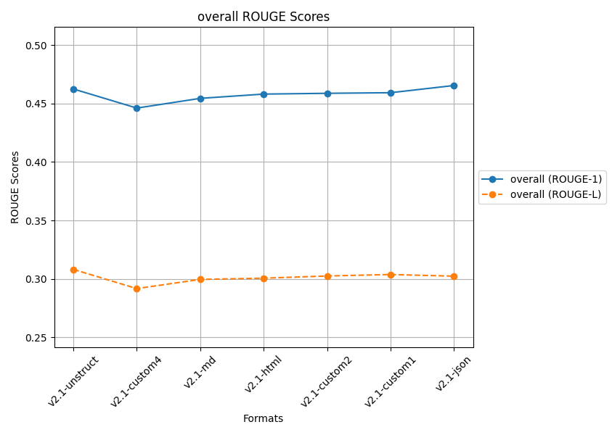
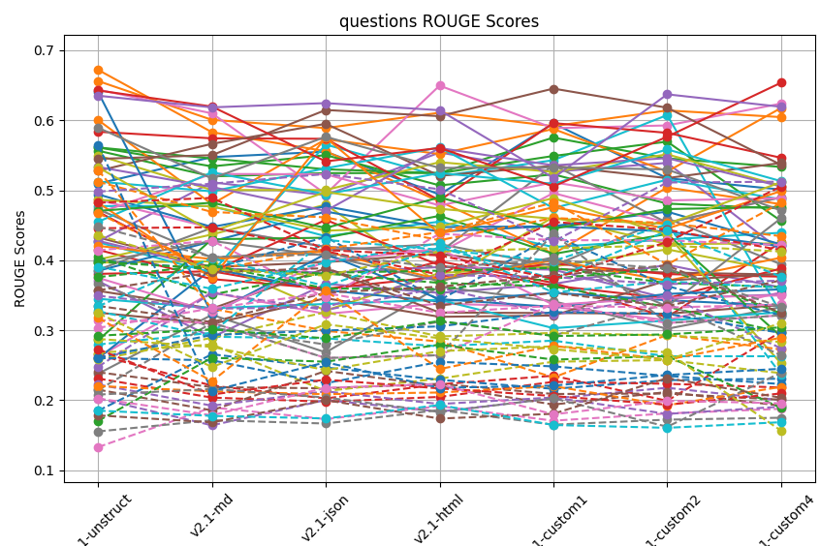
 | ROUGE 1
 | Q1 | Q2 | Q3 | Q4 | Q5 | Q6 | Q7 | Q8 | Q9 | Q10 | Q11 | Q12 | Q13 | Q14 | Q15 | Q16 | Q17 | Q18 | Q19 | Q20 | Q21 | Q22 | Q23 | Q24 | Q25 | Q26 | Q27 | Q28 | Q29 | Q30 | Q31 | Q32 | Q33 | Q34 | Q35 | Q36 | Q37 | Q38 | Q39 | Q40 | Q41 | Q42 | Q43 | Q44 | Q45 | Q46 | Q47 | Q48 | Q49 | Q50
v2.1-unstruct | 0.50955696984 | 0.65595952915 | 0.55643467823 | 0.38054069849 | 0.37022490852 | 0.43272417053 | 0.26174438687 | 0.23798452 | 0.39670351753 | 0.4773702662 | 0.25987077363 | 0.67191745917 | 0.56110988064 | 0.41491150242 | 0.42687357774 | 0.35633284452 | 0.64364143574 | 0.4727787742 | 0.40096554778 | 0.42578204862 | 0.38499926286 | 0.60027976516 | 0.56112356523 | 0.5835106105 | 0.42771783397 | 0.52769433781 | 0.48637172168 | 0.38637172168 | 0.54972069631 | 0.5123852485 | 0.49409109928 | 0.42060283163 | 0.28579965081 | 0.46927230779 | 0.533239139 | 0.54474995554 | 0.46745412252 | 0.39699264539 | 0.48635435467 | 0.45491997088 | 0.24005363059 | 0.48204260548 | 0.47048574207 | 0.64251609519 | 0.63500529789 | 0.32521938982 | 0.37494775458 | 0.58923774739 | 0.53265294612 | 0.34499940931 | 0.46248477899
v2.1-md | 0.54728189328 | 0.60054115222 | 0.51979225489 | 0.38429662748 | 0.29010842549 | 0.39014177309 | 0.3540350515 | 0.3221079147 | 0.39855610145 | 0.47738415554 | 0.38757344206 | 0.5829083684 | 0.53409902251 | 0.37310492283 | 0.51130172207 | 0.33097612176 | 0.60981216141 | 0.40380350866 | 0.43682407249 | 0.38259480705 | 0.42693489786 | 0.48025124908 | 0.54530346837 | 0.57415170109 | 0.38881110636 | 0.56631023598 | 0.44622067833 | 0.44622067833 | 0.50035837254 | 0.49839433809 | 0.4476184391 | 0.40153054321 | 0.43000907142 | 0.38375354889 | 0.50462626046 | 0.55008125534 | 0.52327481315 | 0.42759632266 | 0.47686161248 | 0.52558165362 | 0.32361397281 | 0.37463929683 | 0.48224345708 | 0.61950041501 | 0.61836504614 | 0.30924335472 | 0.3259450786 | 0.51681373659 | 0.44098386357 | 0.33153058373 | 0.45448025101
v2.1-json | 0.55506954625 | 0.58880249876 | 0.52442877397 | 0.35629337501 | 0.36620064061 | 0.39728178293 | 0.32340166598 | 0.2684507206 | 0.32825592684 | 0.43429856681 | 0.35733631934 | 0.55571960817 | 0.5500985599 | 0.35944075223 | 0.49299214853 | 0.38829878991 | 0.49463954195 | 0.41410661939 | 0.4794848974 | 0.56525943048 | 0.46953171852 | 0.57279833502 | 0.52991041811 | 0.57345364368 | 0.38196795605 | 0.59487673954 | 0.41911552272 | 0.41911552272 | 0.50034985773 | 0.53133969462 | 0.47711867294 | 0.41236596473 | 0.43216852439 | 0.45763904805 | 0.47061502154 | 0.6146212209 | 0.52278039719 | 0.40639206727 | 0.44223791515 | 0.49431431092 | 0.40893573487 | 0.57517323932 | 0.44615533763 | 0.54122443501 | 0.62443616635 | 0.34574856196 | 0.39874961051 | 0.57629386899 | 0.49752277442 | 0.33755228106 | 0.46548729454
v2.1-html | 0.49387467825 | 0.61072384316 | 0.52469923454 | 0.39847039817 | 0.35334086036 | 0.40927021534 | 0.33809273572 | 0.36232959094 | 0.38178912117 | 0.45516243612 | 0.3410644759 | 0.48400086444 | 0.50697023283 | 0.37647772799 | 0.5538789166 | 0.32528737573 | 0.64943334354 | 0.42311852633 | 0.3664939226 | 0.52004661991 | 0.44095137748 | 0.55170216055 | 0.52434578674 | 0.48551420284 | 0.3902750681 | 0.52062042508 | 0.41117090368 | 0.41117090368 | 0.54006939328 | 0.56112771562 | 0.44738594739 | 0.37268581152 | 0.46345906226 | 0.39288243751 | 0.56030910382 | 0.60582192124 | 0.47829768798 | 0.37039035952 | 0.44788523355 | 0.52460512707 | 0.34452866154 | 0.43790612476 | 0.4898386486 | 0.56041395995 | 0.61432355729 | 0.31925374908 | 0.41633523147 | 0.53190274215 | 0.4734853401 | 0.34348276428 | 0.45813333056
v2.1-custom1 | 0.59544688579 | 0.59158993467 | 0.57519019749 | 0.36771402154 | 0.36614269091 | 0.38750091658 | 0.33356412762 | 0.34146598687 | 0.39100195131 | 0.41883480825 | 0.3536333265 | 0.40941084804 | 0.52269747895 | 0.39536560498 | 0.52639870904 | 0.32462631433 | 0.58868215118 | 0.39194528707 | 0.46159655132 | 0.54287227473 | 0.44880251674 | 0.58750590797 | 0.54896193652 | 0.59587513559 | 0.38656099657 | 0.53497973395 | 0.495965649 | 0.535965649 | 0.52619409601 | 0.47458716508 | 0.44842199302 | 0.39977184685 | 0.40901927214 | 0.36373798185 | 0.53552181813 | 0.64515656607 | 0.51134546249 | 0.404112737 | 0.48879695242 | 0.5091564349 | 0.33336153514 | 0.47568943622 | 0.44506040094 | 0.50543636258 | 0.51759680812 | 0.32103730802 | 0.33642840882 | 0.53264249345 | 0.45924263018 | 0.30302965882 | 0.45931289922
v2.1-custom2 | 0.51718654929 | 0.61399184064 | 0.54545073275 | 0.31862440088 | 0.3934412518 | 0.3824822838 | 0.31446551909 | 0.30219349267 | 0.41553936925 | 0.42960372685 | 0.34289608802 | 0.503957767 | 0.48087018027 | 0.38020389728 | 0.53905851063 | 0.32365698315 | 0.59255034556 | 0.45991088576 | 0.42314203941 | 0.6073782843 | 0.46942056423 | 0.5266756426 | 0.56940304293 | 0.58197482179 | 0.3456019468 | 0.51731468936 | 0.45352431664 | 0.45352431664 | 0.55121622903 | 0.51505223034 | 0.44116806912 | 0.37078840599 | 0.43756622707 | 0.34560478993 | 0.54585835942 | 0.61786407927 | 0.48546194356 | 0.33414416076 | 0.43614333311 | 0.55828305348 | 0.35189059347 | 0.44508105691 | 0.47310023435 | 0.57649183296 | 0.63697549364 | 0.37118369088 | 0.34646493326 | 0.52970826453 | 0.45189911602 | 0.31391141117 | 0.45879801995
v2.1-custom4 | 0.50095715727 | 0.60444673363 | 0.53332010481 | 0.42582548971 | 0.36112600534 | 0.37960685944 | 0.35438886471 | 0.33306538213 | 0.38442582608 | 0.43930878805 | 0.33493808488 | 0.48012781506 | 0.47401250054 | 0.37661696351 | 0.41373740702 | 0.33621015341 | 0.62369465889 | 0.39423605003 | 0.42411706626 | 0.32405245065 | 0.42258308038 | 0.61744047077 | 0.45617053876 | 0.54638828187 | 0.35106646986 | 0.53899030194 | 0.48989717412 | 0.48989717412 | 0.50641552645 | 0.4869632665 | 0.41987824444 | 0.40364547841 | 0.29107699535 | 0.3882159174 | 0.50543973388 | 0.53629370418 | 0.48863813547 | 0.45996266604 | 0.25264966188 | 0.51300446438 | 0.35846091069 | 0.49883161665 | 0.4762153073 | 0.65354194641 | 0.61919281816 | 0.38048688479 | 0.34978409515 | 0.47112717238 | 0.51149185608 | 0.32581736792 | 0.44615563246
 | v2.1-custom1 | v2.1-unstruct | v2.1-custom1 | v2.1-custom4 | v2.1-custom2 | v2.1-unstruct | v2.1-custom4 | v2.1-html | v2.1-custom2 | v2.1-md | v2.1-md | v2.1-unstruct | v2.1-unstruct | v2.1-unstruct | v2.1-html | v2.1-json | v2.1-html | v2.1-unstruct | v2.1-json | v2.1-custom2 | v2.1-json | v2.1-custom4 | v2.1-custom2 | v2.1-custom1 | v2.1-unstruct | v2.1-json | v2.1-custom1 | v2.1-custom1 | v2.1-custom2 | v2.1-html | v2.1-unstruct | v2.1-unstruct | v2.1-html | v2.1-unstruct | v2.1-html | v2.1-custom1 | v2.1-md | v2.1-custom4 | v2.1-custom1 | v2.1-custom2 | v2.1-json | v2.1-json | v2.1-html | v2.1-custom4 | v2.1-custom2 | v2.1-custom4 | v2.1-html | v2.1-unstruct | v2.1-unstruct | v2.1-unstruct | v2.1-json

 | ROUGE L
 | Q1 | Q2 | Q3 | Q4 | Q5 | Q6 | Q7 | Q8 | Q9 | Q10 | Q11 | Q12 | Q13 | Q14 | Q15 | Q16 | Q17 | Q18 | Q19 | Q20 | Q21 | Q22 | Q23 | Q24 | Q25 | Q26 | Q27 | Q28 | Q29 | Q30 | Q31 | Q32 | Q33 | Q34 | Q35 | Q36 | Q37 | Q38 | Q39 | Q40 | Q41 | Q42 | Q43 | Q44 | Q45 | Q46 | Q47 | Q48 | Q49 | Q50
v2.1-unstruct | 0.39966185025 | 0.51205602317 | 0.40470783312 | 0.26508203503 | 0.20264062471 | 0.2401055582 | 0.13316947877 | 0.1555433399 | 0.2676526277 | 0.3273791854 | 0.18509293283 | 0.52877967112 | 0.3976818014 | 0.23110828602 | 0.24790983785 | 0.21522710727 | 0.41427437853 | 0.36688616901 | 0.25823714856 | 0.27965437132 | 0.26089406523 | 0.46749354217 | 0.37597107572 | 0.44576898845 | 0.22250242473 | 0.35705068981 | 0.31455627258 | 0.21455627258 | 0.43577751081 | 0.39078822412 | 0.2603888759 | 0.22040907286 | 0.170568745 | 0.27290696491 | 0.34938120581 | 0.3348561879 | 0.30343731127 | 0.20816725452 | 0.28760755759 | 0.33432177268 | 0.21482607956 | 0.31760949125 | 0.29216096072 | 0.4821324739 | 0.49802480731 | 0.17845922999 | 0.20259512327 | 0.44814243994 | 0.32451795551 | 0.18522900111 | 0.30807903675
v2.1-md | 0.38746214563 | 0.46902277743 | 0.35100102924 | 0.2208795585 | 0.16423436119 | 0.21874760754 | 0.18985786734 | 0.17156998363 | 0.27977636502 | 0.29075959563 | 0.26576034638 | 0.33100906664 | 0.38803700193 | 0.20388206831 | 0.35355233557 | 0.18561615208 | 0.42788533775 | 0.30375338225 | 0.28925726713 | 0.29647146374 | 0.29331267283 | 0.38567524284 | 0.39310622093 | 0.44713862945 | 0.19232716026 | 0.38291331681 | 0.31069054861 | 0.31069054861 | 0.38718408719 | 0.3592051748 | 0.25711431713 | 0.21277258604 | 0.26075969662 | 0.20826640912 | 0.33072799953 | 0.31172224856 | 0.3314949882 | 0.21608259674 | 0.27625748149 | 0.40315397857 | 0.21360158665 | 0.22718927146 | 0.30135538529 | 0.48907732562 | 0.50930728508 | 0.16848027959 | 0.17864572599 | 0.40455145438 | 0.24762856802 | 0.17774189657 | 0.29953420792
v2.1-json | 0.4333039686 | 0.46125387313 | 0.38210459009 | 0.2027098476 | 0.2003396205 | 0.21716715895 | 0.17318974665 | 0.16683477784 | 0.21327138415 | 0.28846620897 | 0.2468804789 | 0.29918845055 | 0.3809610424 | 0.19797154418 | 0.32891981944 | 0.24200874084 | 0.34656960435 | 0.27961919894 | 0.32582489617 | 0.4290342899 | 0.2996324425 | 0.41616846313 | 0.35967303771 | 0.41285063596 | 0.21280447794 | 0.38867162349 | 0.26047824563 | 0.26047824563 | 0.37811918833 | 0.39684052785 | 0.22443048034 | 0.20875105009 | 0.25512297116 | 0.22951440238 | 0.33320316762 | 0.35374821422 | 0.35312782045 | 0.20402352337 | 0.24307770876 | 0.36309871308 | 0.25429578853 | 0.35638078056 | 0.28850465478 | 0.41450867495 | 0.52322019656 | 0.20022784603 | 0.21789720901 | 0.40861886191 | 0.30845958098 | 0.17408482217 | 0.30231265195
v2.1-html | 0.34275334007 | 0.42862508002 | 0.38514217067 | 0.22281440591 | 0.18381068302 | 0.22352531212 | 0.19164027831 | 0.18619968072 | 0.23093078081 | 0.27705947319 | 0.22928054676 | 0.28387120534 | 0.36769188666 | 0.20483010711 | 0.36085343016 | 0.22043770991 | 0.4378384321 | 0.31250384976 | 0.29124832444 | 0.41504159545 | 0.30561934592 | 0.44027042077 | 0.35879671113 | 0.3793592224 | 0.19469612847 | 0.33541074273 | 0.2643621313 | 0.2643621313 | 0.41242540961 | 0.4244632587 | 0.25488400488 | 0.21114674378 | 0.27952637684 | 0.21697987455 | 0.37884296791 | 0.36222509931 | 0.32490604095 | 0.18328003097 | 0.27016598681 | 0.41817448014 | 0.21785956886 | 0.24459890088 | 0.31339262026 | 0.40689136787 | 0.50134741342 | 0.1739073839 | 0.22306462732 | 0.38983354304 | 0.28863272449 | 0.19320860916 | 0.3005746432
v2.1-custom1 | 0.4357907016 | 0.46039219856 | 0.38910270385 | 0.23508075001 | 0.20274765352 | 0.20902122846 | 0.17088284194 | 0.16520778006 | 0.25516105964 | 0.28524187354 | 0.21640264102 | 0.2326619303 | 0.36269196327 | 0.22637065158 | 0.32208252075 | 0.19392910889 | 0.42878649129 | 0.29248417076 | 0.29619897755 | 0.39900105244 | 0.3258967286 | 0.48233029617 | 0.37390605964 | 0.45464514867 | 0.20406614193 | 0.35344570703 | 0.33781216841 | 0.43781216841 | 0.41710381316 | 0.35412360968 | 0.24843499413 | 0.2202440123 | 0.25810018809 | 0.20610058929 | 0.37605016123 | 0.37837948586 | 0.33512832961 | 0.20289752475 | 0.27709352512 | 0.37362901717 | 0.2209146928 | 0.27786616987 | 0.29177350523 | 0.37382987383 | 0.42678487888 | 0.18076074141 | 0.17988185773 | 0.40019802563 | 0.27316127614 | 0.16471405867 | 0.30372646097
v2.1-custom2 | 0.36313417759 | 0.45311196185 | 0.36752974646 | 0.19927824483 | 0.21792360287 | 0.20964683465 | 0.18120443994 | 0.17236410745 | 0.25737245296 | 0.26288348097 | 0.2287355726 | 0.29335015953 | 0.33338685936 | 0.22360100794 | 0.34934574307 | 0.21186397278 | 0.42823645513 | 0.33810136426 | 0.29266867805 | 0.451370896 | 0.32355871854 | 0.39402518427 | 0.38819881299 | 0.44358217797 | 0.18053886933 | 0.33449318252 | 0.31026186463 | 0.31026186463 | 0.42120453755 | 0.36991978509 | 0.23485166361 | 0.19286302352 | 0.26316860737 | 0.19370163961 | 0.36583258177 | 0.39254682665 | 0.33244228545 | 0.16227585525 | 0.26873522297 | 0.44198855275 | 0.2362007977 | 0.25804774594 | 0.29408238592 | 0.42612844478 | 0.51109089106 | 0.23172673729 | 0.19937359219 | 0.38815955021 | 0.25781673916 | 0.16071656074 | 0.30245808919
v2.1-custom4 | 0.32130347129 | 0.43448364666 | 0.36174279239 | 0.29788575917 | 0.20011027654 | 0.20086539897 | 0.18784307162 | 0.17509810215 | 0.23880530886 | 0.26295760333 | 0.23086064728 | 0.27263324312 | 0.29744275209 | 0.21830867975 | 0.27433412251 | 0.19229843559 | 0.42179335947 | 0.26441420198 | 0.2834416341 | 0.23714057481 | 0.29617272462 | 0.4820630154 | 0.32406138359 | 0.41458273868 | 0.19088920873 | 0.37144301308 | 0.32138858523 | 0.32138858523 | 0.41253838656 | 0.36082815675 | 0.22321199827 | 0.21912269537 | 0.18909404083 | 0.20976625374 | 0.37095601601 | 0.32490694357 | 0.33687180731 | 0.23935746453 | 0.15665239072 | 0.37652880635 | 0.24500016822 | 0.28939044936 | 0.30418542026 | 0.50527616095 | 0.51219758452 | 0.20367884742 | 0.19578353895 | 0.33319647619 | 0.31036943279 | 0.16873783367 | 0.29166806417
 | v2.1-custom1 | v2.1-unstruct | v2.1-unstruct | v2.1-custom4 | v2.1-custom2 | v2.1-unstruct | v2.1-html | v2.1-html | v2.1-md | v2.1-unstruct | v2.1-md | v2.1-unstruct | v2.1-unstruct | v2.1-unstruct | v2.1-html | v2.1-json | v2.1-html | v2.1-unstruct | v2.1-json | v2.1-custom2 | v2.1-custom1 | v2.1-custom1 | v2.1-md | v2.1-custom1 | v2.1-unstruct | v2.1-json | v2.1-custom1 | v2.1-custom1 | v2.1-unstruct | v2.1-html | v2.1-unstruct | v2.1-unstruct | v2.1-html | v2.1-unstruct | v2.1-html | v2.1-custom2 | v2.1-json | v2.1-custom4 | v2.1-unstruct | v2.1-custom2 | v2.1-json | v2.1-json | v2.1-html | v2.1-custom4 | v2.1-json | v2.1-custom2 | v2.1-html | v2.1-unstruct | v2.1-unstruct | v2.1-html | v2.1-unstruct

Sheet9
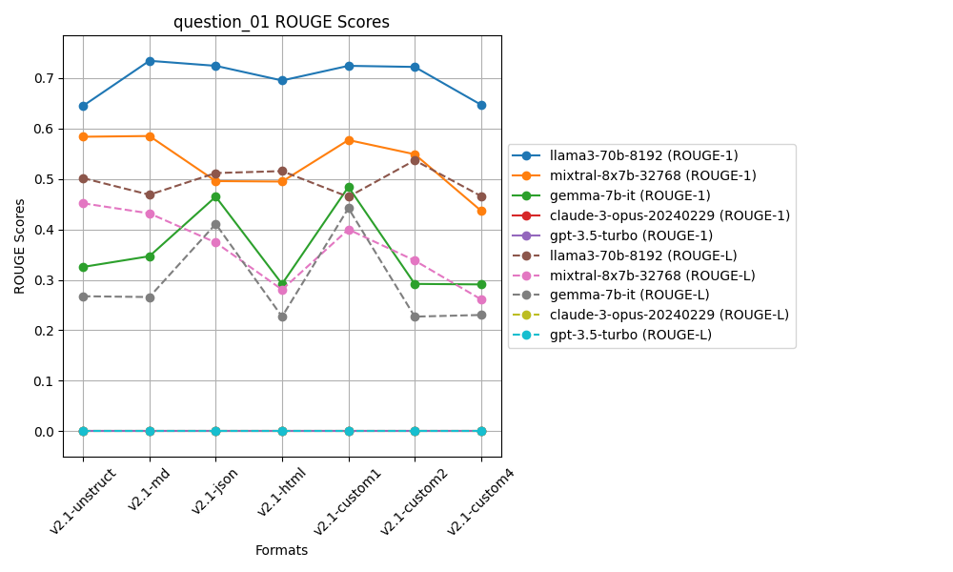
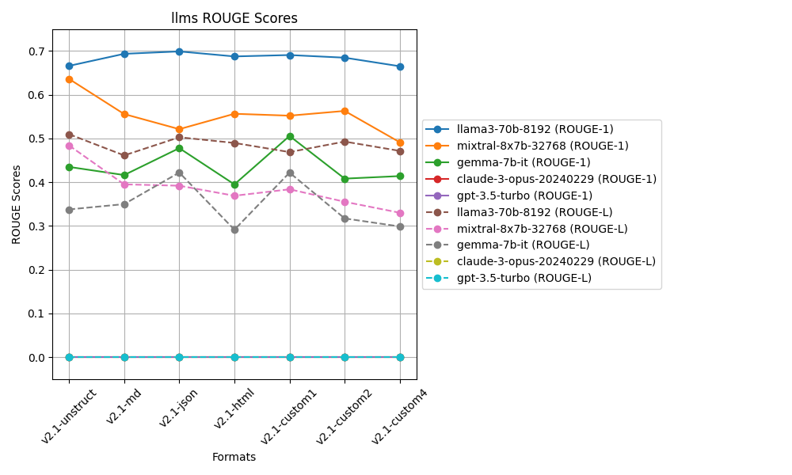
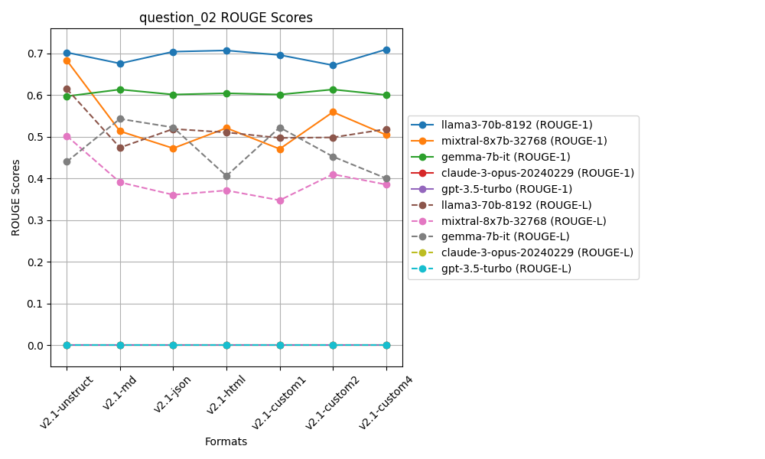
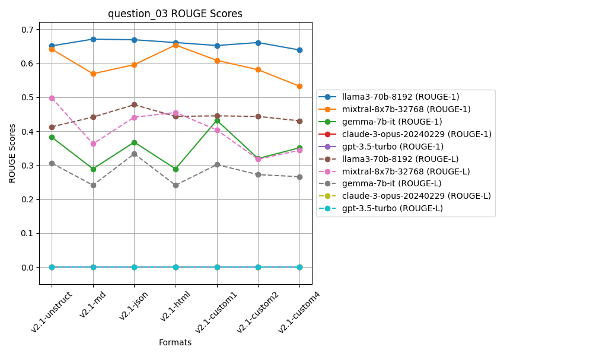
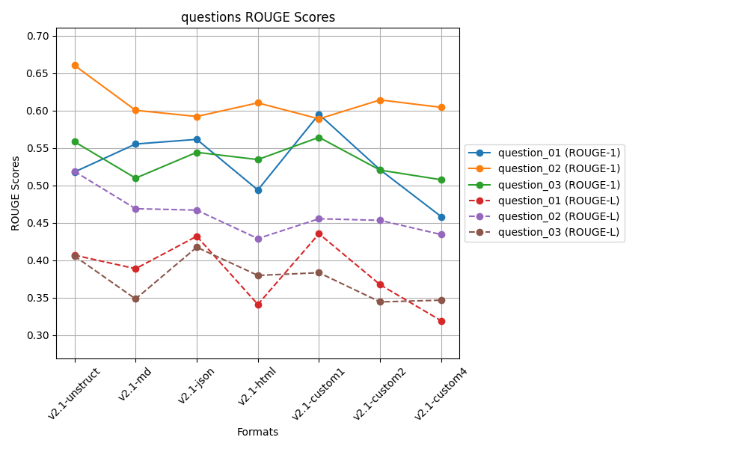
 | ROUGE 1 |  |  |  |  | ROUGE L
 | Question 01 | Question 02 | Question 03 |  |  | Question 01 | Question 02 | Question 03
v2.1-unstruct | 0.51812004419 | 0.66061902736 | 0.5585467275 | 0.57909526635 | v2.1-unstruct | 0.40697179177 | 0.51886605901 | 0.40578069641 | 0.44387284907
v2.1-md | 0.55547436066 | 0.60054115222 | 0.50986321821 | 0.55529291036 | v2.1-md | 0.38882137853 | 0.46902277743 | 0.34840169388 | 0.40208194995
v2.1-json | 0.56169634203 | 0.5922791555 | 0.54437577993 | 0.56611709249 | v2.1-json | 0.43218772652 | 0.46714290392 | 0.41756057591 | 0.43896373545
v2.1-html | 0.49403411703 | 0.61045794198 | 0.53469688215 | 0.54639631372 | v2.1-html | 0.34108809064 | 0.42912568001 | 0.37986890163 | 0.38336089076
v2.1-custom1 | 0.59527838834 | 0.58910712542 | 0.56442494245 | 0.58293681874 | v2.1-custom1 | 0.43555739743 | 0.45557770759 | 0.38346704937 | 0.4248673848
v2.1-custom2 | 0.52104457399 | 0.61441997901 | 0.52056519147 | 0.55200991482 | v2.1-custom2 | 0.36743311939 | 0.45346749139 | 0.34442385368 | 0.38844148815
v2.1-custom4 | 0.45838506488 | 0.60444673363 | 0.5077190418 | 0.52351694677 | v2.1-custom4 | 0.31922308012 | 0.43448364666 | 0.34678796567 | 0.36683156415
 | v2.1-custom1 | v2.1-unstruct | v2.1-custom1 | v2.1-custom1 |  | v2.1-custom1 | v2.1-unstruct | v2.1-json | v2.1-unstruct

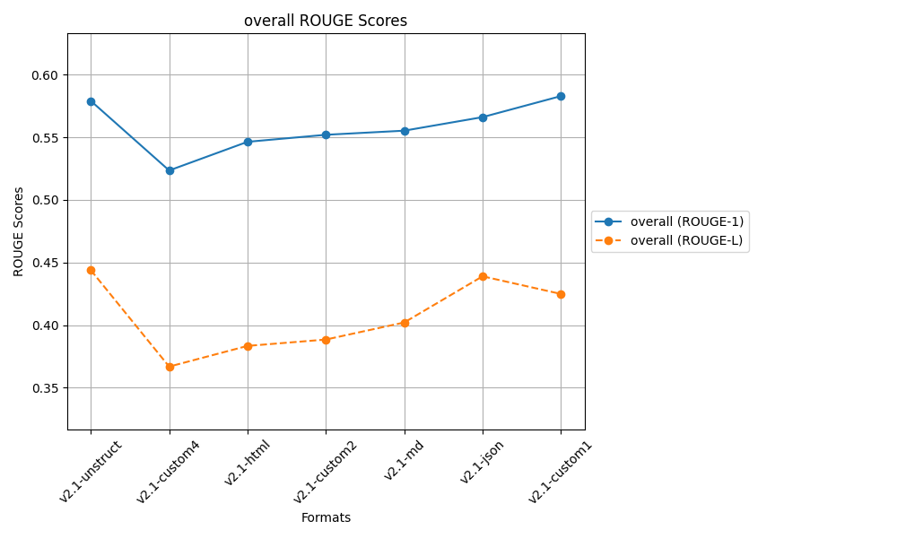
 |  |  | after controlled responses
 |  |  | temp 0.2, top_p=0.3

Sheet8
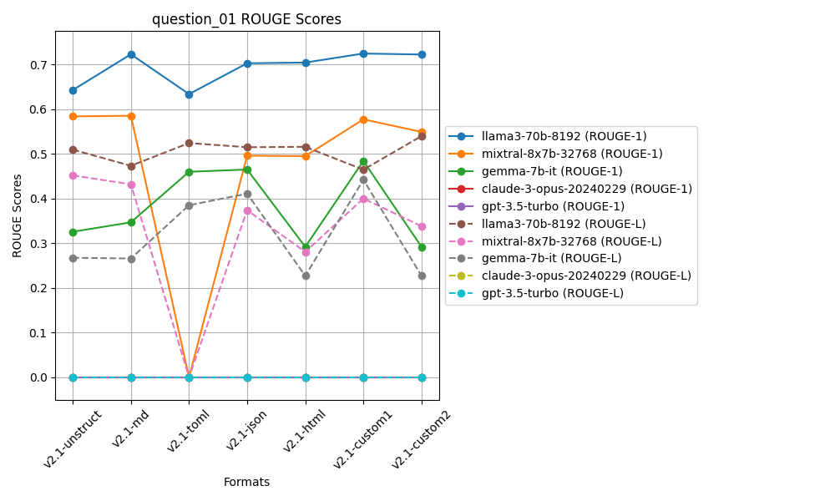
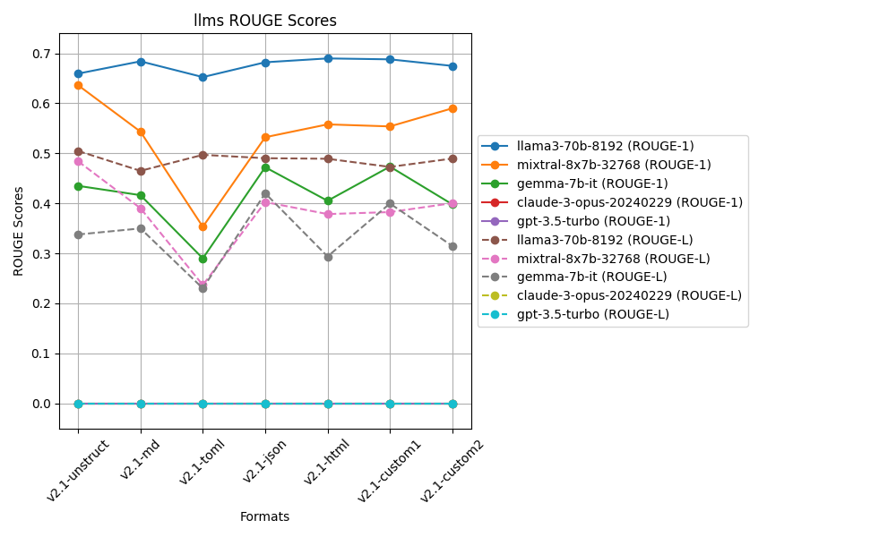
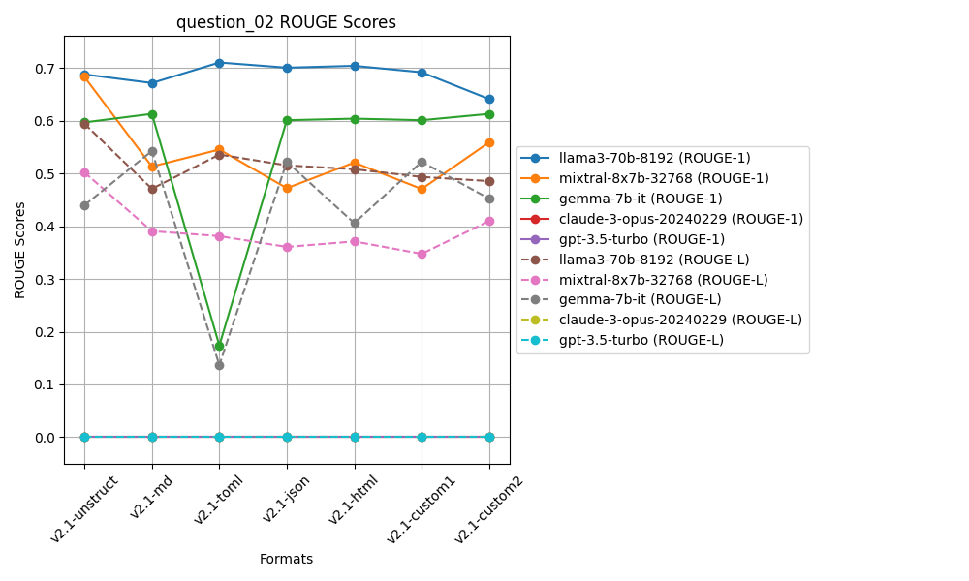
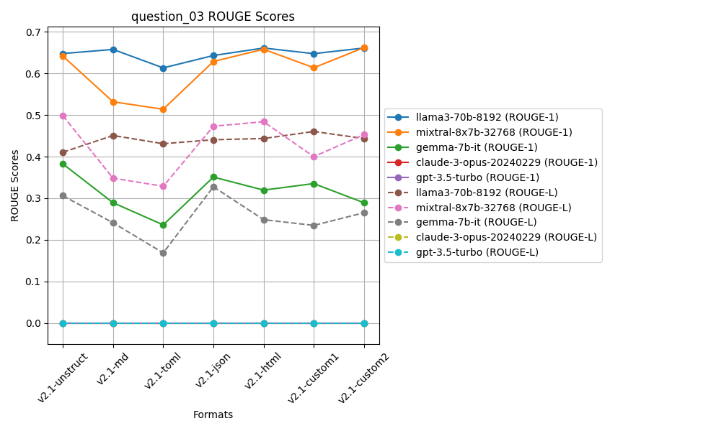
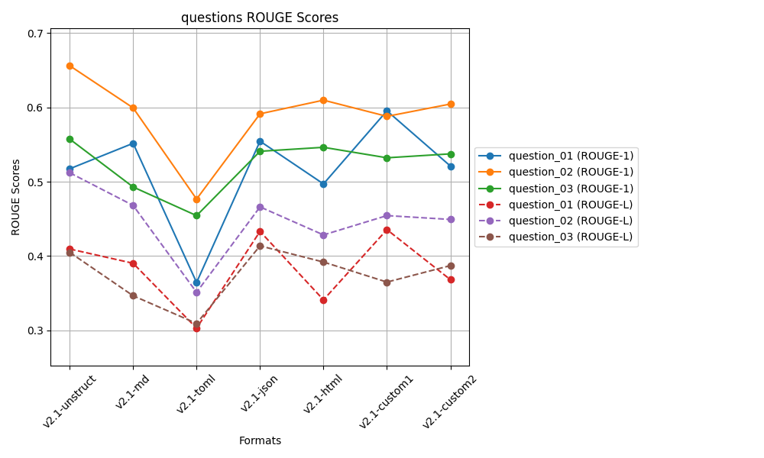
 | ROUGE 1 |  |  |  |  | ROUGE L
 | Question 01 | Question 02 | Question 03 |  |  | Question 01 | Question 02 | Question 03
v2.1-unstruct | 0.51732867597 | 0.65595952915 | 0.55734079035 | 0.57687633182 | v2.1-unstruct | 0.40951934517 | 0.51205602317 | 0.40501775658 | 0.4421977083
v2.1-md | 0.55160691681 | 0.59923595686 | 0.49286878978 | 0.54790388782 | v2.1-md | 0.39032199463 | 0.46810744563 | 0.34665734668 | 0.40169559565
v2.1-toml | 0.3645130638 | 0.47661611605 | 0.45437259915 | 0.43183392633 | v2.1-toml | 0.30305126492 | 0.3512425801 | 0.30942915926 | 0.32124100143
v2.1-json | 0.55443062693 | 0.59125034891 | 0.54088393776 | 0.56218830453 | v2.1-json | 0.43318226968 | 0.46611409734 | 0.41371385484 | 0.43767007395
v2.1-html | 0.49699652884 | 0.60961754205 | 0.54622633649 | 0.55094680246 | v2.1-html | 0.34111564796 | 0.42843267983 | 0.39196877405 | 0.38717236728
v2.1-custom1 | 0.59527838834 | 0.58784495449 | 0.53212539175 | 0.57174957819 | v2.1-custom1 | 0.43555739743 | 0.45441570895 | 0.36502284206 | 0.41833198282
v2.1-custom2 | 0.52104457399 | 0.60441090612 | 0.53742179951 | 0.55429242654 | v2.1-custom2 | 0.36831495361 | 0.44924888677 | 0.3871788526 | 0.40158089766
 | v2.1-custom1 | v2.1-unstruct | v2.1-unstruct | v2.1-unstruct |  | v2.1-custom1 | v2.1-unstruct | v2.1-json | v2.1-unstruct

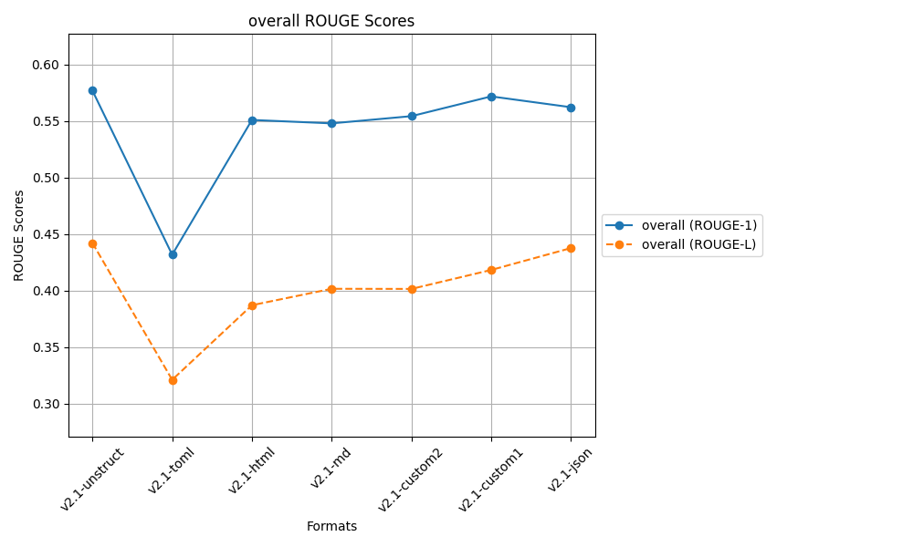
 |  |  | after controlled responses
 |  |  | temp 0.2, top_p=0.3

Sheet7
 | ROUGE 1 |  |  |  |  | ROUGE L
 | Question 01 | Question 02 | Question 03 |  |  | Question 01 | Question 02 | Question 03
v2.1-unstruct | 0.51418724135 | 0.65752632164 | 0.55939154721 | 0.57703503673 | v2.1-unstruct | 0.4009139363 | 0.51272474296 | 0.40620984173 | 0.439949507
v2.1-md | 0.55198222629 | 0.60014959361 | 0.54181469909 | 0.56464883966 | v2.1-md | 0.39034362505 | 0.46874817789 | 0.36825546705 | 0.40911575666
v2.1-toml | 0.36788831285 | 0.47544811104 | 0.48709566532 | 0.44347736307 | v2.1-toml | 0.30366929284 | 0.34937006414 | 0.30551202473 | 0.31951712724
v2.1-json | 0.55506954625 | 0.58665307519 | 0.53484418308 | 0.55885560151 | v2.1-json | 0.4333039686 | 0.4617055735 | 0.3845299648 | 0.42651316897
v2.1-html | 0.49393845376 | 0.61039622247 | 0.53539768189 | 0.54657745271 | v2.1-html | 0.3420872403 | 0.42878683998 | 0.3889312041 | 0.38660176146
v2.1-custom1 | 0.59527838834 | 0.58861056357 | 0.56606340562 | 0.58331745251 | v2.1-custom1 | 0.43555739743 | 0.4546148094 | 0.38865171499 | 0.42627464061
v2.1-custom2 | 0.51839037596 | 0.61663256651 | 0.51998983546 | 0.55167092598 | v2.1-custom2 | 0.36481862148 | 0.45340539501 | 0.34564809363 | 0.38795737004
 | v2.1-custom1 | v2.1-unstruct | v2.1-custom1 | v2.1-custom1 |  | v2.1-custom1 | v2.1-unstruct | v2.1-unstruct | v2.1-unstruct

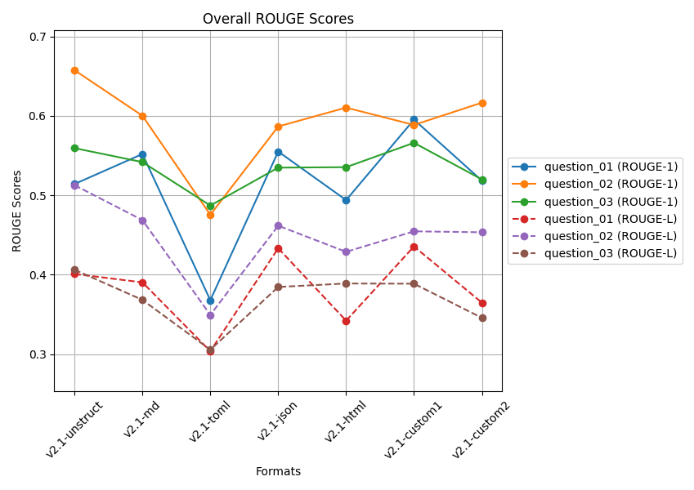
 |  |  | after controlled responses
 |  |  | temp 0.2, top_p=0.3

 |  |  | Q2 and Q3 docs is from a large file

 |  |  | 5 readings average

Sheet6
 | ROUGE 1 |  |  |  |  | ROUGE L
 | Question 01 | Question 02 | Question 03 |  |  | Question 01 | Question 02 | Question 03
v2.1-unstruct | 0.52476084843 | 0.65999540359 | 0.56065877676 | 0.58180500959 | v2.1-unstruct | 0.41352638792 | 0.51394939636 | 0.4068535597 | 0.44477644799
v2.1-md | 0.55089278224 | 0.59923595686 | 0.50660382284 | 0.55224418731 | v2.1-md | 0.38647731515 | 0.46810744563 | 0.35373233839 | 0.40277236639
v2.1-toml | 0.36602507637 | 0.47544811104 | 0.48371819017 | 0.44173045919 | v2.1-toml | 0.30318344457 | 0.34937006414 | 0.31032752053 | 0.32096034308
v2.1-json | 0.56169634203 | 0.58880249876 | 0.5495328979 | 0.56667724623 | v2.1-json | 0.43218772652 | 0.46125387313 | 0.42159584368 | 0.43834581444
v2.1-html | 0.49446461612 | 0.60926560641 | 0.58015886571 | 0.56129636275 | v2.1-html | 0.34251367781 | 0.42817672663 | 0.39993468717 | 0.39020836387
v2.1-custom1 | 0.59527838834 | 0.59158993467 | 0.58074092536 | 0.58920308279 | v2.1-custom1 | 0.43555739743 | 0.46039219856 | 0.3852800481 | 0.42707654803
v2.1-custom2 | 0.51718654929 | 0.62033605155 | 0.52221834806 | 0.55324698297 | v2.1-custom2 | 0.36313417759 | 0.45433168219 | 0.34185549891 | 0.3864404529
 | v2.1-custom1 | v2.1-unstruct | v2.1-custom1 | v2.1-custom1 |  | v2.1-custom1 | v2.1-unstruct | v2.1-json | v2.1-unstruct

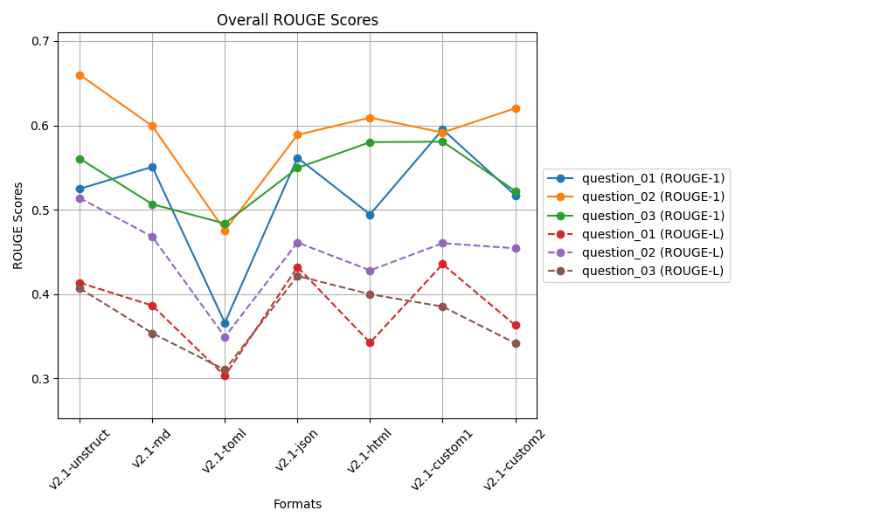

 |  |  | after controlled responses
 |  |  | temp 0.2, top_p=0.3

 |  |  | Q2 and Q3 docs is from a large file

 |  |  | 3 readings average

Sheet5
 | ROUGE 1 |  |  |  |  | ROUGE L
 | Question 01 | Question 02 | Question 03 |  |  | Question 01 | Question 02 | Question 03
v0-unstruct | 0.59483278226 | 0.64655269326 | 0.50553126986 | 0.58230558179 | v0-unstruct | 0.49316937028 | 0.47698746318 | 0.36475272781 | 0.44496985376
v2-md | 0.54188409095 | 0.57334421594 | 0.52062539038 | 0.54528456576 | v2-md | 0.42775880359 | 0.41232925157 | 0.40054528106 | 0.41354444541
v2-json | 0.60624233521 | 0.52304050584 | 0.53886560467 | 0.55604948191 | v2-json | 0.47743028388 | 0.35841287247 | 0.36587381513 | 0.40057232383
v2-html | 0.49314375506 | 0.61496835267 | 0.58580376308 | 0.5646386236 | v2-html | 0.4064388829 | 0.43625146871 | 0.41471007833 | 0.41913347665
v2-custom1 | 0.42342399871 | 0.50987605468 | 0.53264088454 | 0.48864697931 | v2-custom1 | 0.33864680802 | 0.34138622279 | 0.37378752187 | 0.35127351756
v2-custom2 | 0.55091786262 | 0.59039433733 | 0.5851183504 | 0.57547685011 | v2-custom2 | 0.399703081 | 0.3965473007 | 0.40898930254 | 0.40174656141
v2-toml | 0.50920813122 | 0.2613897252 | 0.31504409735 | 0.36188065126 | v2-toml | 0.41375574467 | 0.17964035837 | 0.22270358332 | 0.27203322879
v2-custom3 | 0.50920813122 | 0.2613897252 | 0.32918853922 | 0.36659546521 | v2-custom3 | 0.41375574467 | 0.17964035837 | 0.23607751536 | 0.27649120614
 | v2-json | v0-unstruct | v2-html | v0-unstruct |  | v0-unstruct | v0-unstruct | v2-html | v0-unstruct

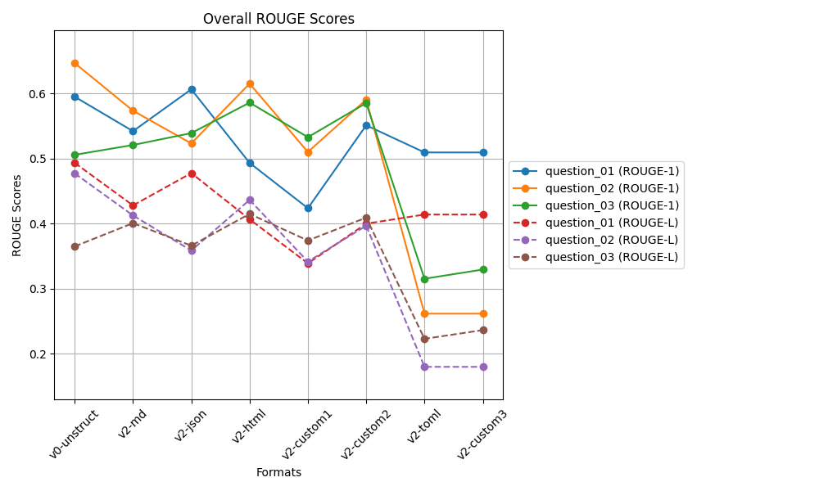
 |  |  | biased docs working on v2.1
 |  |  | after controlled responses
 |  |  | temp 0.2, top_p=0.3

 |  |  | Clearly V2-toml and v2-custom3
 |  |  | is not good for large file
 |  |  | Q2 and Q3 docs is from a large file

Sheet4
 | ROUGE 1 |  |  |  |  | ROUGE L
 | Question 01 | Question 02 | Question 03 |  |  | Question 01 | Question 02 | Question 03
v0-unstruct | 0.59743618141 | 0.64798102511 | 0.50553126986 | 0.58364949213 | v0-unstruct | 0.48882569352 | 0.48520961086 | 0.36475272781 | 0.4462626774
v2-md | 0.54679656286 | 0.57487360982 | 0.52038133024 | 0.54735050097 | v2-md | 0.43406129971 | 0.41329443914 | 0.3997293188 | 0.41569501922
v2-json | 0.60430330268 | 0.53036434002 | 0.5501576027 | 0.56160841513 | v2-json | 0.47554321872 | 0.35849364127 | 0.39583801209 | 0.40995829069
v2-html | 0.56333584694 | 0.60988494668 | 0.58501376134 | 0.58607818498 | v2-html | 0.45817228037 | 0.43174193594 | 0.41334074198 | 0.43441831943
v2-custom1 | 0.52217602656 | 0.49142492782 | 0.53264088454 | 0.51541394631 | v2-custom1 | 0.42126085659 | 0.32224982916 | 0.37378752187 | 0.37243273588
v2-custom2 | 0.55091786262 | 0.58505390693 | 0.58561704911 | 0.57386293955 | v2-custom2 | 0.399703081 | 0.39158522426 | 0.40879190097 | 0.40002673541
 | v2-json | v0-unstruct | v2-custom2 | v2-html |  | v0-unstruct | v0-unstruct | v2-html | v0-unstruct

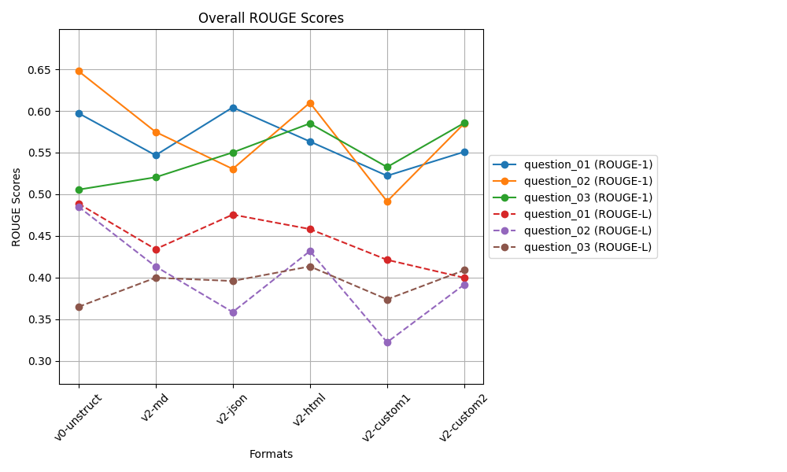
 |  |  | biased docs working on v2.1
 |  |  | after controlled responses
 |  |  | temp 0.2, top_p=0.3

Sheet2
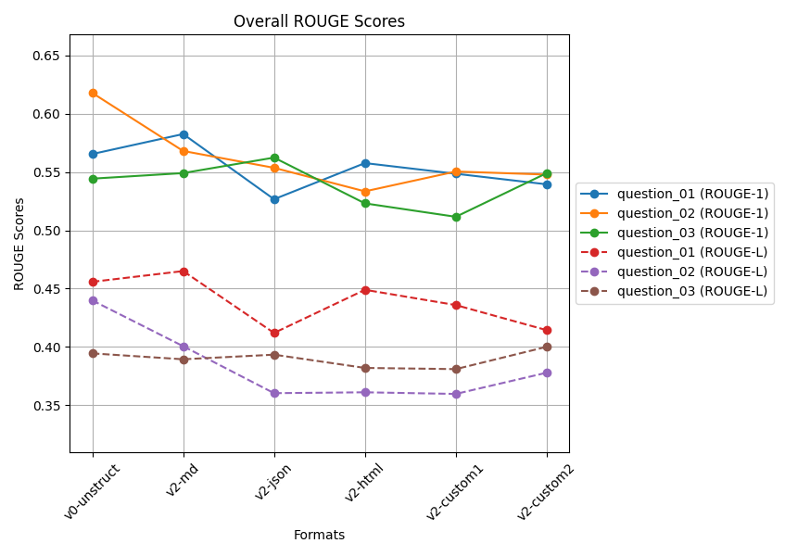
 | ROUGE 1 |  |  |  |  | ROUGE L
 | Question 01 | Question 02 | Question 03 |  |  | Question 01 | Question 02 | Question 03
v0-unstruct | 0.56539816205 | 0.61779956012 | 0.54427830553 | 0.57582534257 | v0-unstruct | 0.45581746171 | 0.43989533677 | 0.39445109765 | 0.43005463205
v2-custom1 | 0.54849027932 | 0.55040217008 | 0.51157312493 | 0.53682185811 | v2-custom1 | 0.43588936215 | 0.35970358856 | 0.38097258111 | 0.39218851061
v2-custom2 | 0.53942000134 | 0.54777236875 | 0.54903212579 | 0.5454081653 | v2-custom2 | 0.41437338807 | 0.37790010653 | 0.40010783882 | 0.39746044447
v2-html | 0.55762155439 | 0.53338608643 | 0.52308267395 | 0.53803010492 | v2-html | 0.44898007205 | 0.36110364745 | 0.38199644664 | 0.39736005538
v2-json | 0.52663633741 | 0.55357491916 | 0.56233939716 | 0.54751688458 | v2-json | 0.41198134509 | 0.36035445354 | 0.39336291157 | 0.38856623673
v2-md | 0.58252505533 | 0.5680145876 | 0.54905393118 | 0.56653119137 | v2-md | 0.46503710907 | 0.40061741481 | 0.38940439827 | 0.41835297405
 | v2-md | v0-unstruct | v2-json | v0-unstruct |  | v2-md | v0-unstruct | v2-custom2 | v0-unstruct

