overview
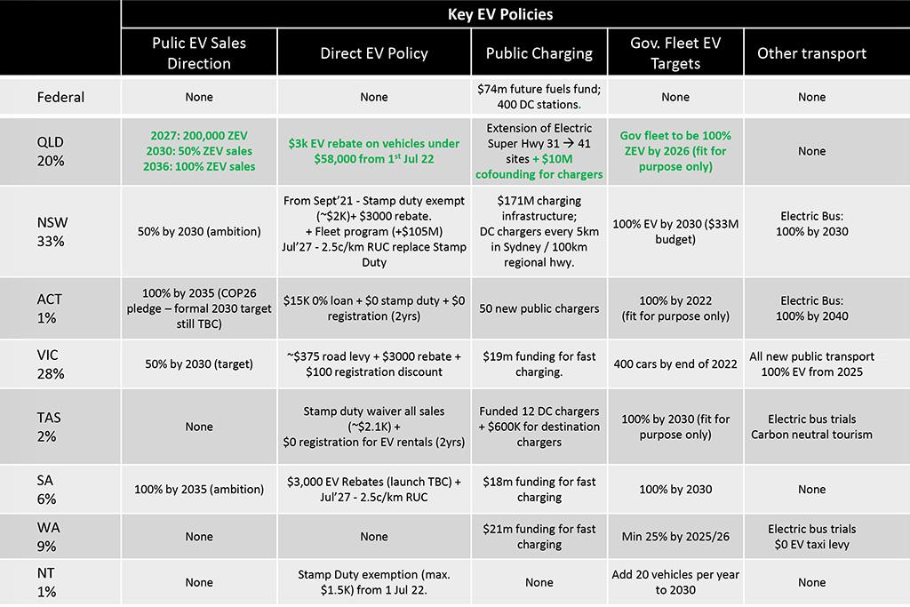
Brunei | Electric Vehicles (EV) | Brunei Shell Marketing (BSM) launched the first retail EV charging station at IBA Petrol Station in Lambak in the Brunei-Muara district.
Chile | National Electromobility strategy | This strategy outlines actions to be taken in the short and medium terms to meet the government's goal of having 40% of the private vehicle and 100% of the public transport fleets powered by electricity by 2040. By the end of 2050, 58% of privately-owned vehicles will be powered by electricity.
Chile | Law 21.505 to promote electricity storage and electromobility | This law will expand renewables in the electricity mix by promoting storage technologies, provide greater security to the grid, and help the process of decarbonisation. The law also promotes electric mobility through economic incentives.
Chile | Hydrogen Strategy for Chile | The design and implementation of a development policy for hydrogen would allow the displacement of fossil fuels on a large scale in the power generation, transport, and industry sectors.
Canada | LDV, LDT emission Standards: 2017 - 2025 | LDVs: 5% annual reduction in CO2-e per mile for passenger cars from 2017 to 2025. LDTs: 3.5% per year 2017-2021, 5% 2022 to 2025.
Canada | Heavy-duty vehicle regulations: 2021 - 2027 | GHG reductions in Model Year (MY) 2027 versus MY 2017 resulting from the standards include: tractor trucks: 15%-27%; vocational vehicles: 10% - 24%; HD trucks, vans: 16%; commercial trailers: 5% to 9%
Canada | Short-term, capped ZEV subsidy | Capped purchase and lease subsidy on eligible ZEVs; up to CAD 5000 for light-duty ZEVs (LDZEVs) and CAD 200 000 medium- and heavy-duty ZEVs (MHZEVs).
Canada | Clean Fuel Standard: liquid fuels | Reduce the lifecycle carbon intensity of liquid fuels to 13% below 2016 levels by 2030. Compliance can be achieved via refining efficiency increases, EV adoption and increases in biofuel content.
Canada | Updated sales targets for zero emission vehicles | Light-duty ZEV sales target update: 20% by 2026, 60% by 2030, 100% by 2035. Medium and heavy-duty vehicle target for 45% ZEV by 2030 and 100% by 2040
Canada | Zero Emissions Vehicle Infrastructure Program | CAD 680 million program to help add 50 000 ZEV chargers to Canada's network. Prospective builders of EV and hydrogen refuelling infrastructure can receive 50% of total project costs funded, with a maximum value of CAD 5 million. Eligibility depends on the parameters of the project.
Japan | A New Strategic Roadmap for Hydrogen and Fuel Cells | Under this roadmap, a revised version of the Strategic Roadmap for Hydrogen and Fuel Cells was released, which included new goals and specific explanations of the efforts to be made.
Japan | EV | Nothing yet. Expect something later
China | Overview general | To optimise the structure of transportation, China has accelerated the construction of special railway lines, promoted the shift of freight transport from road to railways and waterways, and encouraged intermodal transport. In 2021, the railway and waterway freight volume accounted for 25% of the total in China, an increase of 3.9% over 2012. At the same time, China has vigorously promoted the use of new-energy vehicles in public transport, taxi services, environmental sanitation, logistics, distribution, civil aviation, airports, and Party and government institutions. By the end of 2021, the number of China's registered new-energy vehicles had reached 7.8 million, accounting for about half of the global figure (China's State Council Information Office).
China | Overview general | By the end of 2021, the number of China's registered new-energy vehicles had reached 7.8 million, accounting for about half of the global figure (China's State Council Information Office).
China | EV targets | TODO ask zhichao
Indonesia | Fuel conversion to LPG for small fishery boats | Indonesia continues its program to convert oil fuel to LPG for small fishery boats as an effort to reduce emissions.
Indonesia | Biodiesel blending rate program increased from 30% to 35% | Mandatory biodiesel blending program starting from a 10% blend rate in 2016 to a 20% rate in 2019 and to a 30% rate in 2020, and a 35% rate from February 2023 onward.
Indonesia | EV Development Program | Target for light duty EVs to reach 2 million units and electric motorcycles to reach 13 million units by 2030.
Indonesia | The 2-wheeler ICE motorcycle conversion program | Currently, 121 million units of ICE two-wheeler motorcycles are in operation in Indonesia. To accelerate the electrification in the transport sector, Indonesia plans to launch an ICE to EV conversion program for two-wheeler motorcycles.
Indonesia | Indonesia aims to increase mineral-added value by developing downstream industries | Indonesia aims to increase mineral-added value by developing downstream industries (not only providing/exporting raw materials) and the battery industry to support electrification, especially in the transport sector (EV)
Hong kong | Overview general | Electrification of vehicles has become the key initiative to reach zero vehicular emissions and zero carbon emissions in the transport sector before 2050. In the next three years, HKC will provide an additional 7 000 parking spaces with electric vehicle chargers in government buildings, and will collaborate with franchised bus companies and other stakeholders to test hydrogen fuel cell electric buses and heavy vehicles. At the same time, HKC has set a target of introducing about 700 electric buses and 3 000 electric taxis by the end of 2027
Hong kong | Clean Air Plan for Hong Kong 2035 | Comprehensive policies, measures and long-term decarbonisation strategies to improve the air quality
Hong kong | Hong Kong Roadmap on Popularisation of Electrical Vehicles | Measures related to electric vehicles to achieve zero vehicular emissions before 2050 | Environment Bureau
NZ | Electric Vehicles Program, incl. exemption for EVs and hybrids from road user charges | Among other developments which will be a part of this, the exemption from road user charges will be available for electric light vehicles until 2024, and heavy vehicles until 2025.
NZ | The Clean Car Discount Scheme -- encourages demand for low and zero emission vehicles.
malay | National Biodiesel Program | To utilise palm oil in the domestic biodiesel mix, which will boost domestic consumption and act as a means for the palm oil industry to manage the excess palm oil stock. | Ministry of Plantation and Commodities
malay | National Automotive Policy 2020 | To encourage new growth areas through the integration of technologies such as the Next Generation Vehicle (NxGV) , Mobility as a Service (MaaS) and Industrial Revolution 4.0 (IR4.0) that are in line with the development of future technologies. | Ministry of International Trade and Industry
malay | Low-Carbon Mobility Blueprint 2021–2030 | To focus on improving vehicle fuel economy and emissions, adopting electric vehicles (EVs ), low-emission vehicles and alternative fuels, and reducing GHG emissions and energy via mode shifts | Ministry of Natural Resources, Environment and Climate Change
Mex | https://www.linkedin.com/pulse/ev-transition-mexico-heres-latest-part-i-diana-e-paez/ | Nothing yet. Expect something later
Korea | asked jeongdu | According to Korea's 2030 NDC plan announced in Oct 2021, Korean government plan to supply 3.62 million EVs, 0.88 million hydrogen vehicles and 4 million hybrid cars cumulatively in around 27 million entire vehicles until 2030. Before this plan, Korean government also announced sales target and supply target together until 2030 through 4th eco-friendly vehicles basic plan in Feb 2021, but the supply number of eco-friendly vehicles is a little bit smaller. So, you may just refer to the sales target. (Sale) EVs (million): 0.046 (2020) / 0.27 (2025) / 0.44 (2030) / cumulation 3.0 hydrogen vehicles (million): 0.006 (2020) / 0.06 (2025) / 0.16 (2030) / cumulation 0.85 hybrid cars (million): 0.174 (2020) / 0.58 (2025) / 0.9 (2030) / cumulation 4.0 Sales portion of eco-friendly vehicles in entire vehicles: 12% (2020) / 51% (2025) / 83% (2030) I think that EV's subsidy is one of the policy tools to achieve the target by 2030. So, we can explain Korea's recent policy trend and efforts to expand EVs through the policy. Lastly, below is an article including Korea's EVs supply until 2030 within NDC plan written in Oct 2021. Have a nice weekend. https://www.reuters.com/business/environment/skorea-commits-challenging-goal-cutting-emissions-40-2018-levels-by-2030-2021-10-18/
russia | Gas consumption in the transport sector | Russia’s Energy Strategy 2035 assumes an increase of gas consumption in the transport sector to 2.7 bcm by 2024 and to 10–13 bcm by 2035 | Ministry of Energy
russia | Share of regions with access to the national gas transportation system | Russia’s Energy Strategy 2035 assumes an increase in the share of regions with access to the national gas transportation system to 75% by 2024 and 83% by 2035 | Ministry of Energy
russia | Development of electric transport | The “Concept for the Development of Production and Use of Electric Vehicles in the Russian Federation until 2030” provides three scenarios for the development of electric transport until 2030. The target scenario proposes an increase in production of electric vehicles to 217 000 units (100 times) by 2030, an increase in the share of electric vehicles in the overall vehicle fleet to 15%, and an increase in the number of charging stations to over 14 000 units (eight times). | The Russian Government
peru | Electric Vehicle Charging Infrastructure | Peru has approved statutory provisions for the charging infrastructure and electricity supply for electric vehicles. A proposal for specific regulations for the installation and operation of electric vehicle charging stations has been presented. | Ministry of Environment
phl | Biofuels Roadmap | * The aim is to continue the implementation of blending targets set in the Biofuels Act of 2006, with the following measures from 2020 to 2040: | Department of Energy
phl |  | - Implement a 5% biodiesel blend (B5) and maintain 10% ethanol (E10).
phl |  | - Revisit the biofuel blend requirements and available feedstock.
phl |  | - Implement Research and Development (R and D) activities and demonstration projects using Jatropha, waste cooking oil, microalgae, rubber and seed oil for biodiesel; and sweet sorghum, cassava, microalgae, Nipa sap and cellulosic material for bioethanol.
Singapore | Enhanced early turnover scheme (ETS) | Provides an incentive to deregister older, more polluting vehicles and replace them with newer, less emitting models. The incentive comes in the form of a discounted certificate of entitlement on the registration of the new vehicle. | Land Transport Authority
Singapore | Enhanced Vehicle Emissions Scheme | Incentive scheme that provides a rebate (up to SGD 25 000) or charge (up to SGD 25 000) to the minimum retail sales price (MRSP) of new vehicles based on their pollutant performance. Singapore is extending the programme to 2025 with tighter pollutant thresholds emerging in 2024. | National Environment Agency
Singapore | Commercial Vehicle Emissions Scheme | Incentive scheme that provides a rebate (up to SGD 30 000 until 2023, SGD 15 000 thereafter) or charge (up to SGD 10 000 until 2023, falling to SGD 5 000 for petrol vehicles and increasing to SGD 15 000 for diesel vehicles thereafter) to the MRSP of commercial vehicles. | National Environment Agency
Singapore | Early EV Adoption Incentive | 45% rebate on the Additional Registration Fee of EV sales (capped at SGD 20 000) from 2021 - 2023). | Land Transport Authority
Singapore | Vehicle Quota System (VQS) | By maintaining a growth rate of zero for vehicle registrations since 2018, the VQS effectively caps vehicle ownership in Singapore. | Land Transport Authority
Singapore | Cleaner-energy vehicles | En route to phasing out ICE vehicles by 2040, ceasing registrations for diesel cars and taxis by 2025 and mandating that all new registrations for cars and taxis should be clean-energy models from 2030. Furthermore, establishing eight EV-ready towns with chargers at all HDB car parks by 2025 and targeting 60 000 charging points by 2030. | Singapore Green Plan
taiwan | 2030 Milestone of EVs | This sets 2040 100% new-sale-rate targets for electric passenger cars and scooters. It is also expected to see a 100% penetration rate of electric buses by 2030. | NDC (2022)
Thailand | Promotion of electric vehicles (EVs) | Up to 40% cut in import tax, depending on the engine size, between 2022 and 2023 to promote the use of EVs. Additionally, tax incentives and subsidies from 2022-2025 are provided to advance domestic manufacturing, 725 000 EV units/year by 2030, and the development of EV charging infrastructure. | ITA

