Spider
One of the functions of a multi-dimensional index is to point out areas of weakness and strengths. This allows informed decisions about intervention programs.

Below are examples of relative contribution of different factors to the entrepreneurial readiness of some tracts.

 | Census Tract 1015, Arlington County, Virginia
Financial capital | 79
Human capital | 67
Industrial base | 92
Phys. infrastructure | 60
Quality of life | 73
Research and dev. | 75
Support & incent. programs | 58

This tract in Richmond City has more uneven factors. The quality of life is high, but research and development is low.

 | Census Tract 701, Richmond city, Virginia
Financial capital | 66
Human capital | 63
Industrial base | 50
Phys. infrastructure | 52
Quality of life | 82
Research and dev. | 42
Support & incent. programs | 60

This tract in Prince William County does poorly on most factors. Notably, though, it has a relatively high industrial base.
 | Census Tract 9012.27, Prince William County, Virginia
Financial capital | 34
Human capital | 42
Industrial base | 63
Phys. infrastructure | 33
Quality of life | 34
Research and dev. | 36
Support & incent. programs | 32

Finally, this tract in Accomack County is at the bottom of the group on most factors.
 | Census Tract 9801, Accomack County, Virginia
Financial capital | 26
Human capital | 9
Industrial base | 27
Phys. infrastructure | 15
Quality of life | 13
Research and dev. | 52
Support & incent. programs | 39

Map
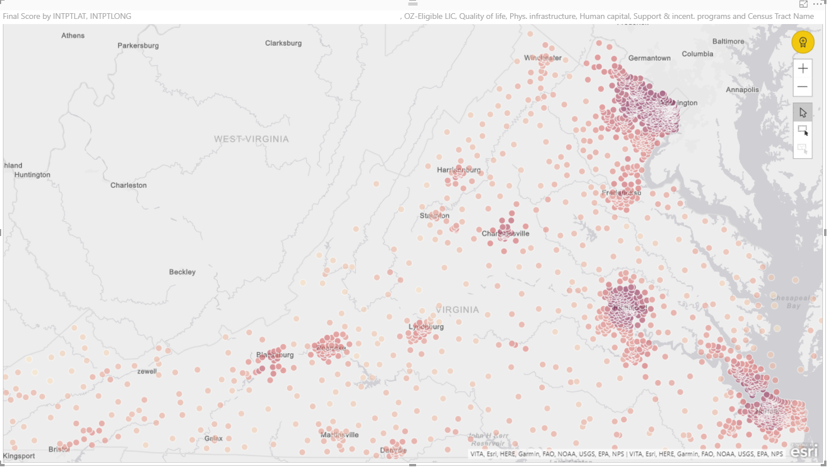
Heat Map of Entrepreneurial Hotspots
As measured by the Entrepreneurial Readiness Index
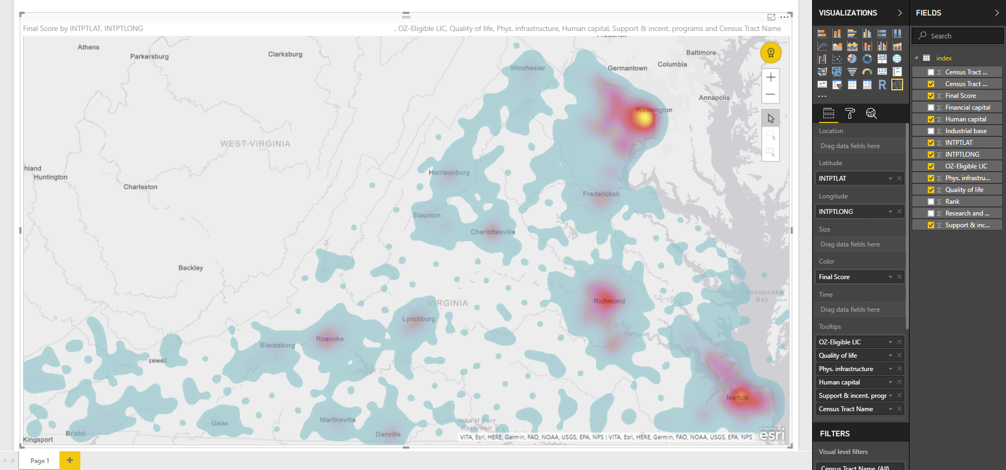

Entrepreneurial Readiness Score
Darker shades indicate high score

Correlation
Correlation with Financial Capital

Moderately high correlation with both industrial base and quality of life, as one would expect. But low correlation with support and incentives programs, with a high concentration of such programs in the tracts that score below 30 on financial capital. This implies these programs are mostly employed where they most needed. Interestingly, the correlation between financial capital and human capital is moderately low. This means there are places with poor financial infrastructure but reasonably skilled workforce.

 | Industrial base
26 | 27
26 | 27
26 | 27
26 | 27
26 | 27
26 | 27
26 | 27
26 | 27
26 | 27
26 | 27
26 | 27
26 | 27
28 | 51
41 | 51
42 | 51
42 | 51
43 | 51
43 | 51
43 | 51
43 | 51
43 | 51
43 | 51
43 | 51
43 | 51
43 | 51
43 | 51
42 | 51
28 | 51
28 | 51
34 | 51
35 | 51
43 | 51
43 | 51
28 | 51
27 | 29
27 | 29
27 | 29
25 | 29
25 | 29
25 | 29
25 | 26
25 | 26
26 | 27
26 | 27
26 | 27
26 | 27
26 | 27
26 | 27
26 | 27
26 | 27
...
 | Quality of life
26 | 27
26 | 28
26 | 26
26 | 23
26 | 26
26 | 23
26 | 27
26 | 28
26 | 37
26 | 37
26 | 37
26 | 37
28 | 30
41 | 44
42 | 49
42 | 54
43 | 29
43 | 47
43 | 56
43 | 51
43 | 56
43 | 58
43 | 50
43 | 49
43 | 53
43 | 63
42 | 49
28 | 39
28 | 32
34 | 47
35 | 54
43 | 60
43 | 57
28 | 25
27 | 26
27 | 27
27 | 26
25 | 26
25 | 31
25 | 31
25 | 32
25 | 31
26 | 33
26 | 32
26 | 33
26 | 35
26 | 40
26 | 42
26 | 46
26 | 40
...

 | Support & incent. programs
26 | 41
26 | 41
26 | 41
26 | 41
26 | 41
26 | 41
26 | 48
26 | 59
26 | 41
26 | 41
26 | 41
26 | 41
28 | 29
41 | 42
42 | 48
42 | 48
43 | 38
43 | 48
43 | 48
43 | 48
43 | 48
43 | 48
43 | 48
43 | 59
43 | 59
43 | 59
42 | 48
28 | 29
28 | 29
34 | 48
35 | 48
43 | 59
43 | 48
28 | 29
27 | 52
27 | 41
27 | 41
25 | 41
25 | 41
25 | 41
25 | 40
25 | 40
26 | 29
26 | 29
26 | 29
26 | 29
26 | 39
26 | 50
26 | 39
26 | 39
...
 | Human capital
26 | 48
26 | 47
26 | 38
26 | 38
26 | 43
26 | 47
26 | 44
26 | 50
26 | 9
26 | 9
26 | 9
26 | 9
28 | 52
41 | 57
42 | 54
42 | 56
43 | 50
43 | 62
43 | 59
43 | 65
43 | 57
43 | 57
43 | 54
43 | 76
43 | 71
43 | 74
42 | 52
28 | 60
28 | 52
34 | 67
35 | 46
43 | 58
43 | 74
28 | 49
27 | 40
27 | 39
27 | 40
25 | 54
25 | 44
25 | 36
25 | 38
25 | 38
26 | 42
26 | 51
26 | 42
26 | 39
26 | 34
26 | 32
26 | 48
26 | 42
...

Geographic Isolation
For many of the indicators of human capital is negatively correlated with driving distance from Washington, DC. Here is an example.

 | Have Bachelors Degree (%)
3 | 10.5
3 | 18.3
3 | 5.0
3 | 4.7
3 | 9.8
4 | 12.8
4 | 6.4
4 | 17.1
3
3 | 25.8
2 | 26.4
2 | 25.2
2 | 29.0
2 | 23.8
2 | 37.7
2 | 27.4
2 | 21.7
2 | 30.1
2 | 17.5
2 | 22.6
2 | 42.1
2 | 25.1
2 | 21.9
2 | 27.6
3 | 26.1
3 | 23.5
2 | 31.9
3 | 17.1
2 | 26.9
2 | 29.9
3 | 18.6
3 | 8.8
3 | 13.0
4 | 14.4
4 | 10.3
4 | 8.9
4 | 5.4
3 | 9.0
3 | 11.1
3 | 8.6
3 | 14.4
3 | 20.9
3 | 11.6
3 | 9.8
3 | 9.5
3 | 9.6
3 | 13.0
...

