Sheet1
dn | id | s | tc
Apple inc | AAPL | 128,128,713 | 27,979,467,000
Wells fargo & co. (new) | WFC | 503,458,023 | 27,800,952,000
Kraft heinz co. the | KHC | 445,093,391 | 25,321,363,000
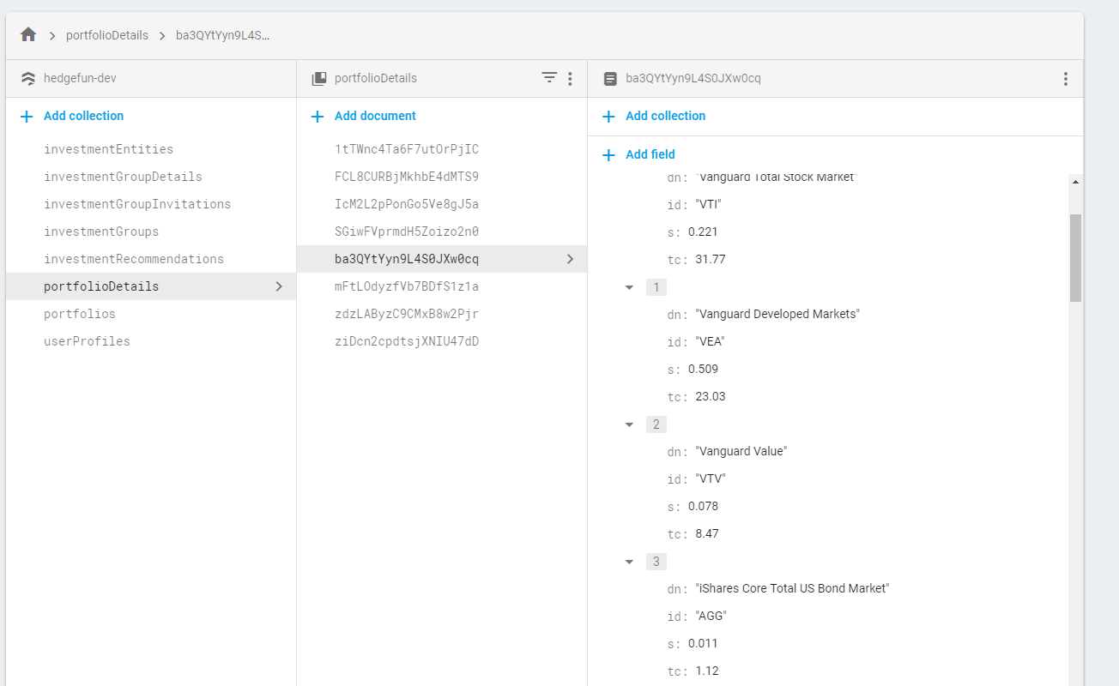
Bank of america corp. | BAC | 646,583,226 | 20,044,080,000
Coca cola co. | KO | 399,303,764 | 18,352,001,000
American express | AXP | 136,752,570 | 15,056,458,000
U.s. bancorp (new) | USB | 84,934,723 | 4,664,615,000
Phillips 66 (new) | PSX | 39,172,314 | 4,283,884,274
Moodys corp | MCO | 20,480,911 | 3,641,506,000
Bank of new york mellon corp. | BK | 62,477,532 | 3,275,697,000
Southwest airlines co. | LUV | 49,426,589 | 3,119,312,000
Delta air lines inc. (new) | DAL | 51,367,565 | 2,974,182,000
Charter communications inc. (new) class a | CHTR | 8,648,219 | 2,852,096,000
Goldman sachs group | GS | 11,851,800 | 2,792,047,000
Davita healthcare partners inc | DVA | 39,720,057 | 2,786,362,000
American airlines group inc. | AAL | 57,533,149 | 2,393,379,000
General motors co. (de) | GM | 57,360,761 | 2,049,500,000
United continental holding co. | UAL | 21,281,018 | 1,901,459,000
Verisign inc. | VRSN | 9,317,443 | 1,482,312,000
Usg corp. | USG | 33,585,845 | 1,453,931,210
Monsanto co. (new) | MON | 7,596,377,778 | 1,367,348,000
Lmc srs c librty | LSXMK | 26,420,999 | 1,233,068,000
Visa inc | V | 8,169,394 | 1,204,332,000
M&t bank corp. | MTB | 5,349,814 | 920,275,000
Costco co. | COST | 3,448,903 | 806,526,000
Synchrony financial | SYF | 24,055,196 | 803,203,000
Axalta coat sy | AXTA | 25,226,103 | 754,765,000
Mastercard inc. class a | MA | 3,423,278 | 746,925,000
Sirius xm radio | SIRI | 105,604,000 | 739,228,000
Liberty global inc class a | LBTYA | 25,298,461 | 723,283,000
Lmc srs a librty | LSXMA | 12,669,003 | 589,362,000
Torchmark corp. | TMK | 6,611,747 | 576,346,000
Restaurant brand | QSR | 8,730,764 | 518,782,000
Store cap corp | STOR | 17,480,461 | 484,908,000
Teva pharmaceutical industries ltd adr | TEVA | 14,516,843 | 357,695,000
International business machines | IBM | 2,107,950 | 314,211,000
Liberty global inc. series c | LBTYK | 9,004,745 | 248,621,000
Sanofi oyj adr | SNY | 3,799,021 | 166,777,000
Verisk analytics inc com | VRSK | 1,252,420 | 150,090,000
Wal-mart stores | WMT | 1,444,876 | 137,610,000
Graham holdings inc. | GHC | 103,766 | 60,065,000
Liberty global plc lilac class a | LILA | 2,550,303 | 54,704,000
Johnson & johnson co. | JNJ | 325,374 | 45,702,000
Procter & gamble company | PG | 344,988 | 28,979,000
Liberty global plc lilac class c | LILAK | 1,188,966 | 25,539,000
Mondelez international inc. | MDLZ | 569,475 | 24,738,000
United parcel service inc. class b | UPS | 59,856 | 7,078,000
Verizon communications | VZ | 916 | 49,000

