Cover Sheet

 |  | By | Date
 |  | CDC | 03/16/2026

MANUFACTURING INSTRUCTIONS
Order of Operations
OP. # | DESCRIPTION | OPERATOR | DATE
1 | ISSUE MATERIALS PER BOM
2 | APPLY PTFE TAPES TO CONDUCTOR
3 | APPLY PTFE TAPES TO CABLE
4 | PERFORM TAPE CONDITIONING
5 | APPLY FLAT WIRE TAPE (SPIRAL) AND ALUMINIZED POLYIMIDE TAPE TO CABLE
6 | PERFORM SIGNAL INTEGRITY TEST
7 | BRAID CABLE
8 | PERFORM SIGNAL INTEGRITY TEST
9 | MIX COMPOUNDS
10 | EXTRUDE CABLE
11 | PERFORM SIGNAL INTEGRITY TEST
12 | MARK & RESPOOL CABLE
13 | PACKAGE CABLE
14 | PERFORM FINAL INSPECTION
15 | SCAN COMPLETED JOB PACKAGE AND ROUTE TO ENGINEERING

Packaging
Process Step |  | Machine ID |  |  | By | Date
Packaging |  | N/A |  |  | CDC | 03/16/2026
 |  |  |  | Reference SOP: AP96-067
 | Create Tracer Ticket (PRDF 164A) with the following information: |  | Total Footage:

 | 1. Tracking # 2. Job # & Item # 3. Part Number 4. Qty 5. Date
 |  |  |  | Oper. | Date

 | Per figure 1, seal both ends of the wire. Ends shall be sealed with shrink tubing or tape. Per figure 2, wrap spool/reel & tracer ticket with stretch wrap. |  |  | Oper. | Date

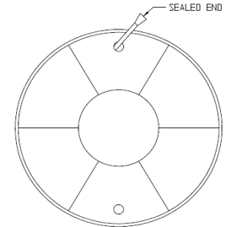
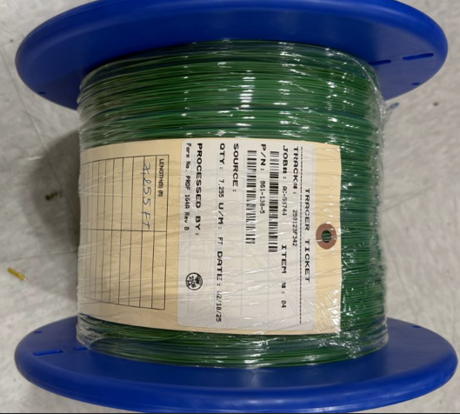

Figure 1: Spool with sealed end wire
Figure 2: Wire with tracer ticket and stretch wrap on spool
 | Notes:

