Sheet1
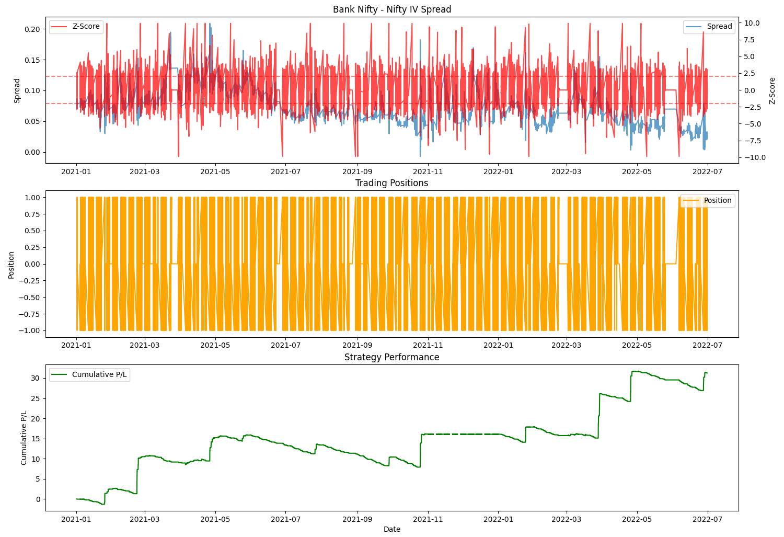
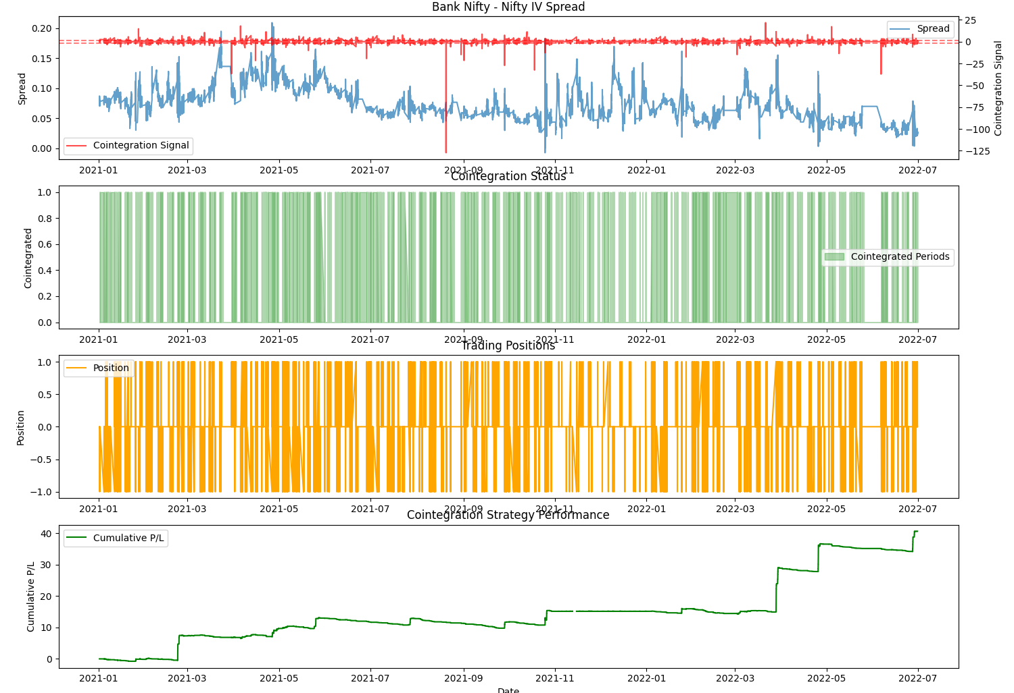
 |  | Results

x | Z SCORE BASED PAIRS TRADING STRAT |  | COINTEGRATION BASED PAIRS TRADING STRAT |  | x
 | Total P/L | 31.2583 | Total P/L | 40.6563
 | Number of Trades | 2763 | Number of Trades | 2017
 | Sharpe Ratio | -0.2476 | Sharpe Ratio | 1.236
 | Max Drawdown (abs) | -8.0248 | Max Drawdown (abs) | -3.3261
 | Win Rate | 0.2566 | Win Rate | 0.3813

