Card 2 – text

Field | Example content | Option A | Option B | Option C | Author | Image Alt | Image Description | Video Duration Est | Video Alt | Video Description
Title | Reactive or Proactive?
Text | In daily life, we often respond to what happens around us. This is called being reactive — waiting, responding, or following what others do. Being proactive is different. It means taking initiative, making choices, and acting before being asked. Both are natural. But leadership grows when you choose to be proactive.
Quote
Image |  |  |  |  |  |  | A split image showing a woman first observing and hesitating in a group, and then taking initiative and speaking confidently.
Video
Subtitle
Multiple choice question
Open question
List
Last message

Card 4 - Comparison-Image
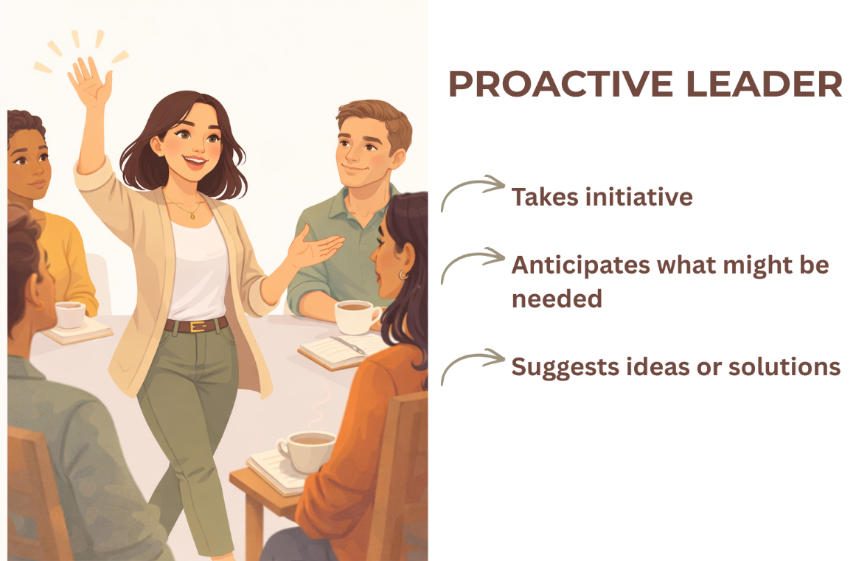
Field | Example content | Option A | Option B | Option C | Author | Image Alt | Image Description | Video Duration Est | Video Alt | Video Description
Title | Spot the Difference
Text | Which one feels more familiar to you?
Quote
Image | https://drive.google.com/drive/folders/1eSaYQlUEzckfailf-tI9rt3kOVNV-Ftp?usp=drive_link
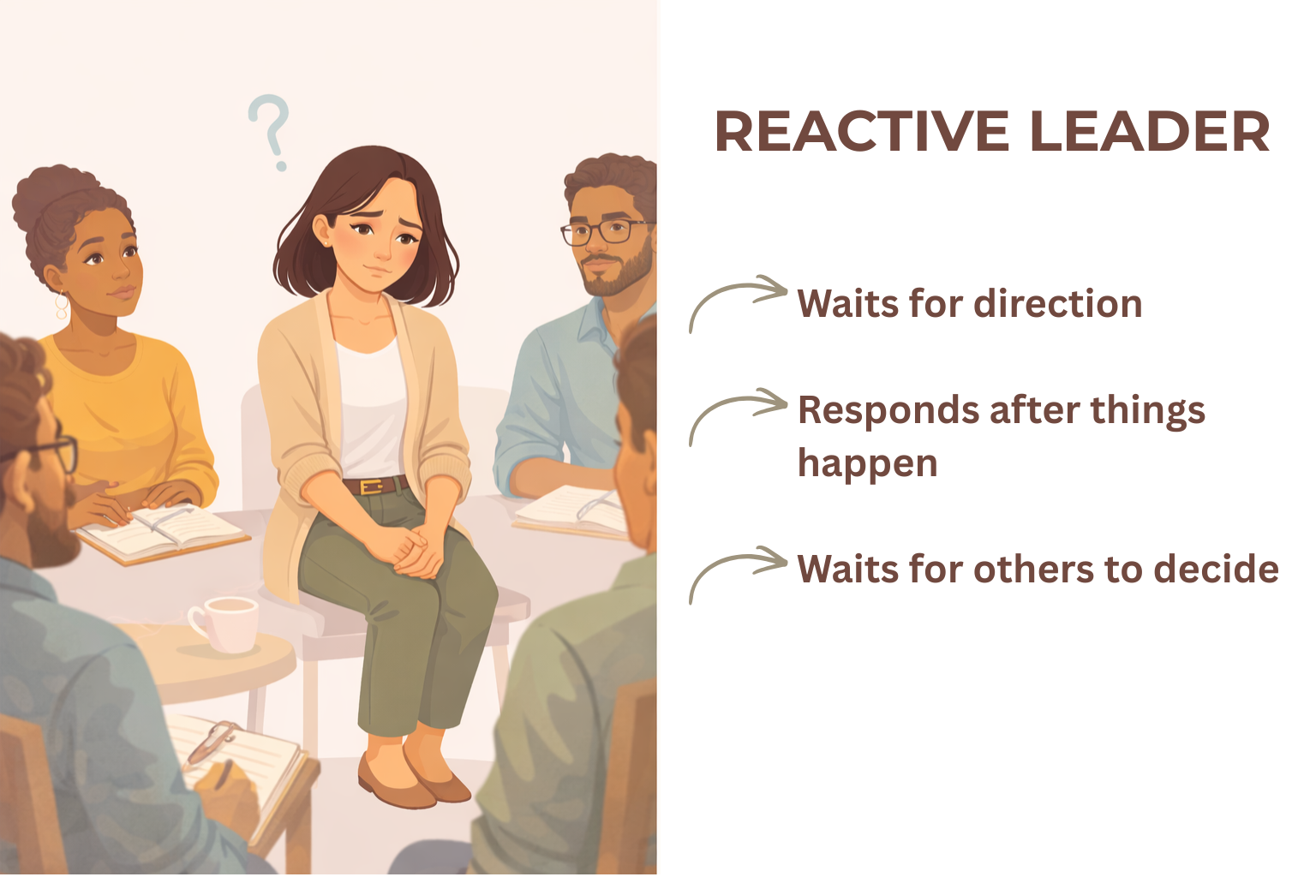
Video
Subtitle
Multiple choice question
Open question
List
Last message

