Card 2 – textandimage
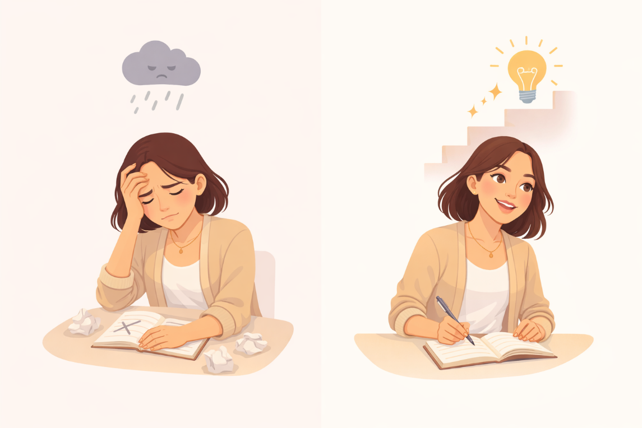
Field | Example content | Option A | Option B | Option C | Author | Image Alt | Image Description | Video Duration Est | Video Alt | Video Description
Title | How Do You See Yourself?
Text | Sometimes we think our abilities are fixed — that we are either “good” or “not good” at something. This is often called a fixed mindset. A growth mindset is different. It means believing that you can learn, improve, and develop over time.
Quote
Image | https://drive.google.com/file/d/1EYhE0H8b82PI0UU4e-qedSBW_4Sb0z_Y/view?usp=drive_link |  |  |  |  | Fixed vs growth mindset comparison | A split illustration showing a woman first feeling stuck or discouraged, and then continuing to learn and improve.
Video
Subtitle
Multiple choice question
Open question
List
Last message

Card 6 - Text
Field | Example content | Option A | Option B | Option C | Option D | Option E | Image Description | Video Duration Est | Video Alt | Video Description
Title | You Can Learn and Improve
Text | You don’t have to know everything from the start. Skills and confidence grow over time — through practice, effort, and experience. You are not fixed. You can learn, adapt, and improve.
Quote
Image | https://drive.google.com/file/d/1qajPXj7wbh5PUeF4Acs0bLeSiw5Y0uiV/view?usp=sharing |  |  |  |  |  | A woman engaged in learning or practicing, showing focus and gradual improvement.
Video
Subtitle
Multiple choice question
Open question
List
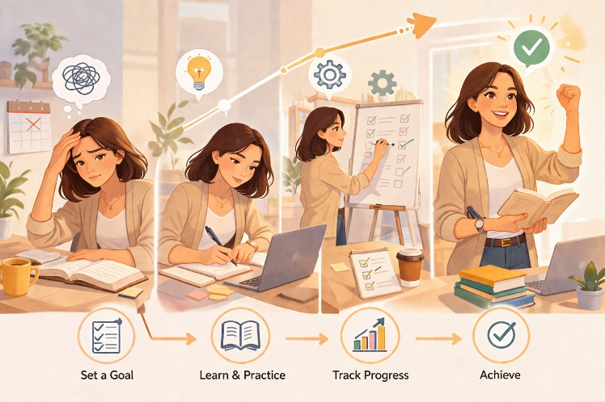
Last message

