WORKSTATION
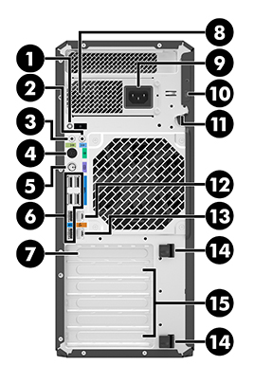
WORKSTATION
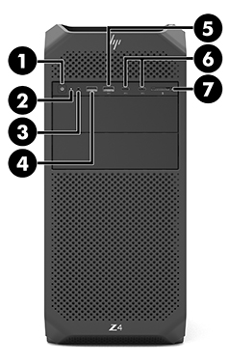
HP Z4 G4

 | . | FRONT # |  | REAR USB # | .

 | _ | AUDIO |  |  | 1 | |
 |  | (3) headphone/microphone |  |  |  | MOUSE
 | 1 | USB |  |  | 2 | |
 |  | (4) with HP Sleep and Charge |  |  |  | DONGLE
 | 2 | USB |  |  | 3
 |  | (5)
 | 3 | USB |  |  | 4
 |  | (6) Type-C
 | 4 | USB |  |  | 5
 |  | (6) Type-C
 | _ | MEMORY CARD READER |  |  | 6
 |  | (7) select models only
 | . |  |  |  | .
 |  |  | REAR PANEL
 | _ | AUDIO |  | AUDIO | _
 |  | microphone (2) |  | headphone (3)
 | _ | PS/2 MOUSE |  | POWER | # | PW0001
 |  | (4) |  | (9) |  | RACK 1-1 PDU # 03
| | _ | PS/2 KEYBOARD |  | NETWORK | # | TP0001
KEYBOARD |  | (5) |  | RJ-45 (12) |  | SWITCH # 01
 | : |  |  | NETWORK ATM | #
 |  |  |  | RJ-45 (13)

