DM-Weight-Calculation
Reproducing Intuitionistic Fuzzy Topsis

Table 3 | Linguistic terms for weights of criteria
Linguistic Terms |  | Intuitionistic Fuzzy Numbers (IFNs)
 |  | (μk ; vk ; πk)
Very Important | VI | (0.9;0.1;0)
Important | I | (0.75;0.2;0.05)
Medium | M | (0.5;0.45;0.05)
Unimportant | U | (0.35;0.6;0.05)
Very Unimportant | VU | (0.1;0.9;0)

Table 4 | Linguistic terms for rating the alternatives
Linguistic Terms |  | Intuitionistic Fuzzy Numbers (IFNs)
 |  | (μk ; vk ; πk)
Very good | VG | (1;0;0)
Good | G | (0.85;0.05;0.1)
Medium good | MG | (0.7;0.2;0.1)
Fair | F | (0.5;0.5;0)
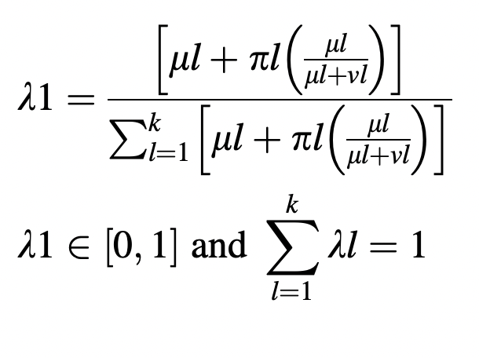
Medium poor | MP | (0.4;0.5;0.1)
Poor | P | (0.25;0.6;0.15)
Very poor | VP | (0;0.9;0.1)
 |  |  |  | DM Weights
Step 1:Determine the weights of the importance of DMs |  |  |  | λ
DM1 | Very Important | VI | (0.9;0.1;0) | 0.406
DM2 | Important | I | (0.75;0.2;0.05) | 0.356
DM3 | Medium | M | (0.5;0.45;0.05) | 0.238

S-Matrix-Final-Rankings
Step 4: The calculation of the S matrix
Table 8 | R Matrix
 | C1 | C2 | C3 | C4 | C5 | C6 | C7 | C8 | C9 | C10
A1 | (0.78;0.11;0.11) | (0.85;0.05;0.1) | (0.8;0.09;0.11) | (0.64;0.27;0.08) | (0.63;0.29;0.08) | (0.74;0.15;0.11) | (0.59;0.36;0.06) | (1;0;0) | (0.7;0.2;0.11) | (1;0;0)
A2 | (1;0;0) | (1;0;0) | (0.85;0.05;0.1) | (1;0;0) | (1;0;0) | (0.85;0.05;0.1) | (0.8;0.09;0.11) | (1;0;0) | (0.81;0.08;0.11) | (1;0;0)
A3 | (0.77;0.12;0.11) | (0.7;0.2;0.1) | (0.58;0.34;0.08) | (0.43;0.53;0.04) | (0.37;0.52;0.11) | (0.39;0.54;0.08) | (0.48;0.43;0.09) | (1;0;0) | (0.34;0.63;0.03) | (0.85;0.05;0.1)
A4 | (1;0;0) | (1;0;0) | (0.83;0.07;0.11) | (1;0;0) | (1;0;0) | (1;0;0) | (1;0;0) | (1;0;0) | (1;0;0) | (1;0;0)

Table 6 | Weights of criteria
 | C1 | C2 | C3 | C4 | C5 | C6 | C7 | C8 | C9 | C10
 | (0.83;0.15;0.02) | (0.68;0.26;0.05) | (0.47;0.48;0.05) | (0.82;0.15;0.02) | (0.63;0.35;0.03) | (0.8;0.17;0.03) | (0.59;0.36;0.05) | (0.39;0.56;0.05) | (0.79;0.19;0.02) | (0.75;0.2;0.05)

Table 9 | S Matrix
 | C1 | C2 | C3 | C4 | C5 | C6 | C7 | C8 | C9 | C10
A1 | (0.65;0.24;0.11) | (0.58;0.3;0.12) | (0.38;0.53;0.1) | (0.52;0.38;0.1) | (0.4;0.54;0.06) | (0.59;0.29;0.11) | (0.35;0.59;0.06) | (0.39;0.56;0.05) | (0.55;0.35;0.1) | (0.75;0.2;0.05)
A2 | (0.83;0.15;0.02) | (0.68;0.26;0.06) | (0.4;0.51;0.09) | (0.82;0.15;0.03) | (0.63;0.35;0.02) | (0.68;0.21;0.11) | (0.47;0.42;0.11) | (0.39;0.56;0.05) | (0.64;0.25;0.11) | (0.75;0.2;0.05)
A3 | (0.64;0.25;0.11) | (0.48;0.41;0.12) | (0.27;0.66;0.07) | (0.35;0.6;0.05) | (0.23;0.69;0.08) | (0.31;0.62;0.07) | (0.28;0.64;0.08) | (0.39;0.56;0.05) | (0.27;0.7;0.03) | (0.64;0.24;0.12)
A4 | (0.83;0.15;0.02) | (0.68;0.26;0.06) | (0.39;0.52;0.09) | (0.82;0.15;0.03) | (0.63;0.35;0.02) | (0.8;0.17;0.03) | (0.59;0.36;0.05) | (0.39;0.56;0.05) | (0.79;0.19;0.02) | (0.75;0.2;0.05)
 | =TFNSMatrix(B$11,B7)

Step 5: Determine intuitionistic fuzzy positive and negative-ideal solutions
Table 10 | A+
 | C1 | C2 | C3 | C4 | C5 | C6 | C7 | C8 | C9 | C10
 | (0.83;0.15;0.02) | (0.68;0.26;0.06) | (0.4;0.51;0.09) | (0.82;0.15;0.03) | (0.63;0.35;0.02) | (0.8;0.17;0.03) | (0.28;0.64;0.08) | (0.39;0.56;0.05) | (0.79;0.19;0.02) | (0.75;0.2;0.05)
 | =TFNIdealMaxBul(B15:B18)

Table 11 | A-
 | C1 | C2 | C3 | C4 | C5 | C6 | C7 | C8 | C9 | C10
 | (0.64;0.25;0.11) | (0.48;0.41;0.12) | (0.27;0.66;0.07) | (0.35;0.6;0.05) | (0.23;0.69;0.08) | (0.31;0.62;0.07) | (0.59;0.36;0.05) | (0.39;0.56;0.05) | (0.27;0.7;0.03) | (0.64;0.24;0.12)

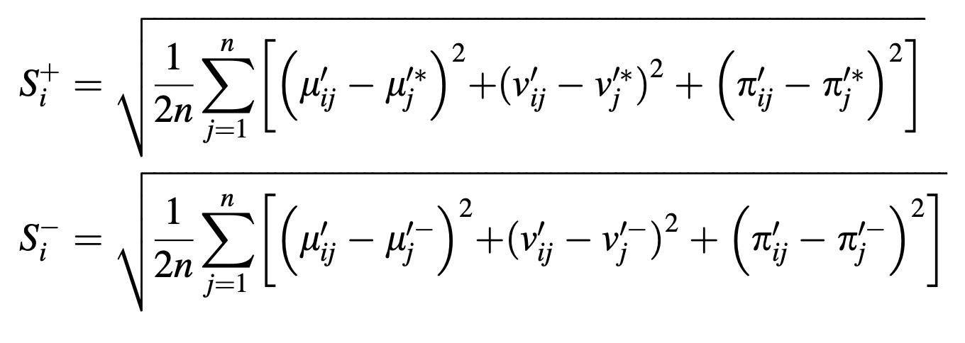
Step 6: Determine the separation measures between the alternatives
Table 10.1 seperation from positive ideal (part1)
 | 0.0486 | 0.0152 | 0.0009 | 0.1478 | 0.0906 | 0.0649 | 0.0078 | 0 | 0.0896 | 0
 | 0 | 0 | 0 | 0 | 0 | 0.0224 | 0.0854 | 0 | 0.0342 | 0
 | 0.0542 | 0.0661 | 0.0398 | 0.4238 | 0.2792 | 0.4442 | 0 | 0 | 0.5306 | 0.0186
 | 0 | 0 | 0.0002 | 0 | 0 | 0 | 0.1754 | 0 | 0 | 0

Table 11.1 seperation from negative ideal (part1) |  |  | (her bir kriterin negatif ideal çözümden farkının karesi)
 | 0.0002 | 0.0221 | 0.0299 | 0.0798 | 0.0518 | 0.1889 | 0.1106 | 0 | 0.2058 | 0.0186
 | 0.0542 | 0.0661 | 0.0398 | 0.4238 | 0.2792 | 0.3066 | 0.0216 | 0 | 0.3458 | 0.0186
 | 0 | 0 | 0 | 0 | 0 | 0 | 0.1754 | 0 | 0 | 0
 | 0.0542 | 0.0661 | 0.0344 | 0.4238 | 0.2792 | 0.4442 | 0 | 0 | 0.5306 | 0.0186

Step 7: Determine the final ranking
Table 12 Separation measures between the alternatives and final ranking
 | S+ | S- | C* | Ranking
A1 | 0.1525 | 0.1881 | 0.5522 | 3
A2 | 0.0843 | 0.2789 | 0.7680 | 1
A3 | 0.3047 | 0.0936 | 0.2351 | 4
A4 | 0.0937 | 0.3042 | 0.7645 | 2

