DM-Weight-Calculation
Table 3 | Linguistic terms for weights of criteria
Linguistic Terms |  | Intuitionistic Fuzzy Numbers (IFNs)
 |  | μk | vk | πk
Very Important | VI | 0.9 | 0.1 | 0
Important | I | 0.75 | 0.2 | 0.05
Medium | M | 0.5 | 0.45 | 0.05
Unimportant | U | 0.35 | 0.6 | 0.05
Very Unimportant | VU | 0.1 | 0.9 | 0

Table 4 | Linguistic terms for rating the alternatives
Linguistic Terms |  | Intuitionistic Fuzzy Numbers (IFNs)
 |  | μk | vk | πk
Very good | VG | 1 | 0 | 0
Good | G | 0.85 | 0.05 | 0.1
Medium good | MG | 0.7 | 0.2 | 0.1
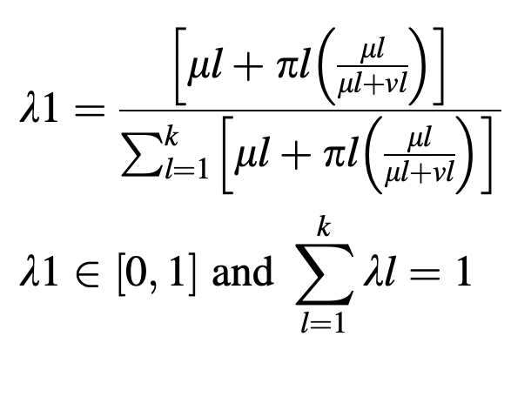
Fair | F | 0.5 | 0.5 | 0
Medium poor | MP | 0.4 | 0.5 | 0.1
Poor | P | 0.25 | 0.6 | 0.15
Very poor | VP | 0 | 0.9 | 0.1

Step 1:Determine the weights of the importance of DMs
 | DM1 |  |  | DM2 |  |  | DM3
Linguistic Terms | Very Important | VI |  | Important | I |  | Medium | M
 | μk | vk | πk | μk | vk | πk | μk | vk | πk
 | 0.9 | 0.1 | 0 | 0.75 | 0.2 | 0.05 | 0.5 | 0.45 | 0.05
Weights | 0.406 | λ1 |  | 0.356 | λ2 |  | 0.238 | λ3 |  | 1.000

S-Matrix-Final-Rankings
Step 4: The calculation of the S matrix
Table 9
 | C1 |  |  | C2 |  |  | C3 |  |  | C4 |  |  | C5 |  |  | C6 |  |  | C7 |  |  | C8 |  |  | C9 |  |  | C10
 | μk | vk | πk | μk | vk | πk | μk | vk | πk | μk | vk | πk | μk | vk | πk | μk | vk | πk | μk | vk | πk | μk | vk | πk | μk | vk | πk | μk | vk | πk
A1 | 0.640 | 0.255 | 0.105 | 0.578 | 0.325 | 0.097 | 0.375 | 0.531 | 0.094 | 0.525 | 0.396 | 0.079 | 0.395 | 0.589 | 0.017 | 0.588 | 0.301 | 0.111 | 0.341 | 0.614 | 0.045 | 0.389 | 0.564 | 0.046 | 0.547 | 0.379 | 0.074 | 0.750 | 0.200 | 0.050
A2 | 0.828 | 0.159 | 0.013 | 0.680 | 0.289 | 0.031 | 0.398 | 0.511 | 0.091 | 0.820 | 0.164 | 0.016 | 0.625 | 0.420 | -0.046 | 0.679 | 0.217 | 0.104 | 0.468 | 0.450 | 0.082 | 0.389 | 0.564 | 0.046 | 0.636 | 0.287 | 0.076 | 0.750 | 0.200 | 0.050
A3 | 0.634 | 0.262 | 0.104 | 0.476 | 0.431 | 0.093 | 0.269 | 0.663 | 0.068 | 0.346 | 0.610 | 0.044 | 0.230 | 0.723 | 0.047 | 0.307 | 0.620 | 0.073 | 0.279 | 0.658 | 0.063 | 0.389 | 0.564 | 0.046 | 0.266 | 0.717 | 0.018 | 0.637 | 0.240 | 0.123
A4 | 0.828 | 0.159 | 0.013 | 0.680 | 0.289 | 0.031 | 0.385 | 0.521 | 0.094 | 0.820 | 0.164 | 0.016 | 0.625 | 0.420 | -0.046 | 0.799 | 0.176 | 0.025 | 0.584 | 0.397 | 0.019 | 0.389 | 0.564 | 0.046 | 0.787 | 0.224 | -0.011 | 0.750 | 0.200 | 0.050

Step 5: Determine intuitionistic fuzzy positive and negative-ideal solutions
Table 10 | A+ |  |  |  |  |  |  |  | Table 11 | A-

C1 | 0.828 | 0.159 | 0.013 |  |  |  |  |  | C1 | 0.634 | 0.262 | 0.104
C2 | 0.680 | 0.289 | 0.031 |  |  |  |  |  | C2 | 0.476 | 0.431 | 0.093
C3 | 0.398 | 0.511 | 0.091 |  |  |  |  |  | C3 | 0.269 | 0.663 | 0.068
C4 | 0.820 | 0.164 | 0.016 |  |  |  |  |  | C4 | 0.346 | 0.610 | 0.044
C5 | 0.625 | 0.420 | -0.046 |  |  |  |  |  | C5 | 0.230 | 0.723 | 0.047
C6 | 0.799 | 0.176 | 0.025 |  |  |  |  |  | C6 | 0.307 | 0.620 | 0.073
C7 | 0.279 | 0.658 | 0.063 |  |  |  |  |  | C7 | 0.584 | 0.397 | 0.019
C8 | 0.389 | 0.564 | 0.046 |  |  |  |  |  | C8 | 0.389 | 0.564 | 0.046
C9 | 0.787 | 0.224 | -0.011 |  |  |  |  |  | C9 | 0.266 | 0.717 | 0.018
C10 | 0.750 | 0.200 | 0.050 |  |  |  |  |  | C10 | 0.637 | 0.240 | 0.123

Step 6: Determine the separation measures between the alternatives

 | C1 | C2 | C3 | C4 | C5 | C6 | C7 | C8 | C9 | C10
A1 | 0.05267 | 0.01608 | 0.00091 | 0.14468 | 0.08553 | 0.06776 | 0.00602 | 0.00000 | 0.08905 | 0.00000 | 0.46271 | 0.023135
A2 | 0.00000 | 0.00000 | 0.00000 | 0.00000 | 0.00000 | 0.02224 | 0.07950 | 0.00000 | 0.03457 | 0.00000 | 0.13632 | 0.006816
A3 | 0.05650 | 0.06565 | 0.03997 | 0.42377 | 0.25682 | 0.44093 | 0.00000 | 0.00000 | 0.51583 | 0.01951 | 1.81898 | 0.090949
A4 | 0.00000 | 0.00000 | 0.00026 | 0.00000 | 0.00000 | 0.00000 | 0.16331 | 0.00000 | 0.00000 | 0.00000 | 0.16357 | 0.008179

 | C1 | C2 | C3 | C4 | C5 | C6 | C7 | C8 | C9 | C10
A1 | 0.00009 | 0.02180 | 0.02929 | 0.07903 | 0.04616 | 0.18157 | 0.10736 | 0.00000 | 0.19659 | 0.01951 | 0.68140 | 0.034070
A2 | 0.05650 | 0.06565 | 0.03997 | 0.42377 | 0.25682 | 0.30117 | 0.02029 | 0.00000 | 0.32491 | 0.01951 | 1.50859 | 0.075429
A3 | 0.00000 | 0.00000 | 0.00000 | 0.00000 | 0.00000 | 0.00000 | 0.16331 | 0.00000 | 0.00000 | 0.00000 | 0.16331 | 0.008165
A4 | 0.05650 | 0.06565 | 0.03409 | 0.42377 | 0.25682 | 0.44093 | 0.00000 | 0.00000 | 0.51583 | 0.01951 | 1.81310 | 0.090655

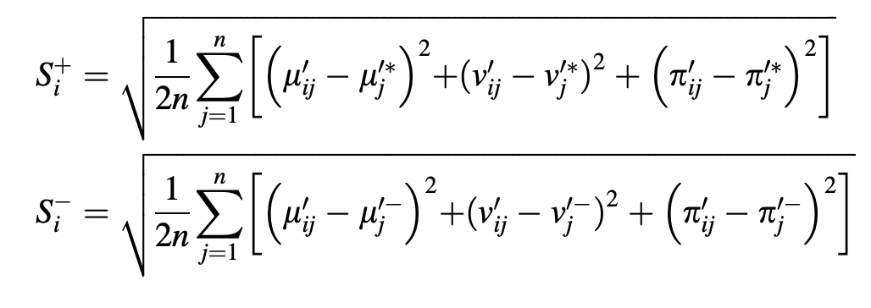
Step 7: Determine the final ranking
 | S+ | S- | C*
A1 | 0.152103 | 0.184580 | 0.54823086619 | 3
A2 | 0.082558 | 0.274644 | 0.76887489871 | 2
A3 | 0.301577 | 0.090362 | 0.23055130808 | 4
A4 | 0.090435 | 0.301089 | 0.76901748511 | 1

