INFO
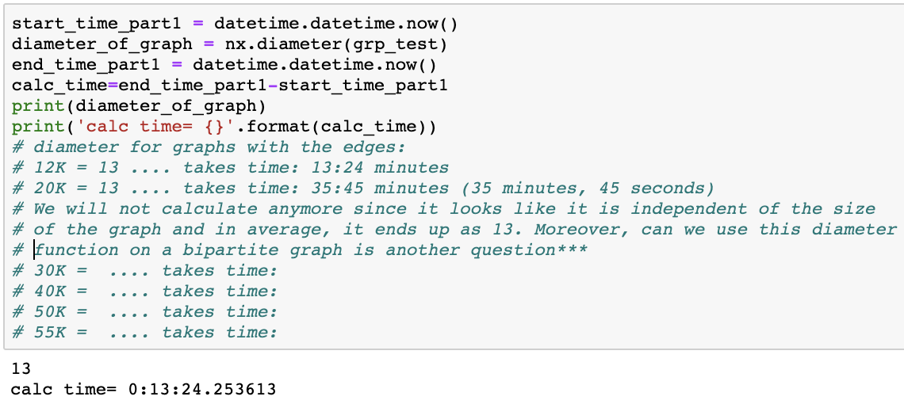
Parameter | Meaning | Sample - user0 | Note
user | user whom we will try to predict his future behavior | A3MV1KKHX51FYT
movie | one of the movies that we recommended | B003NTSBTC
prediction | depending on the threshold whether we predict that the user will review the movie or not | 1 | So, predicted as movie B003NTSBTC will be reviewed by A3MV1KKHX51FYT
reality | was the movie really reviwed by this user? | 1 | user A3MV1KKHX51FYT actually reviwed the movie B003NTSBTC
ngbr_ratio | how many percentage of user's top-50 neighbors reviewed this movie? | 14% | so 7 out of 50 top-50 neighbours of user A3MV1KKHX51FYT reviewed the movie B003NTSBTC
tot_rev_m | how man times have this movie been reviewed in total (both in dataset-1 and dataset-2)? | 367 | 247 different users reviewed this movie in 70K reviews (for the ease of understanding we don't give the giant components'count but the raw review count)
tot_rev_m_OLD | how many of the reviewers reviewed this movie in the PAST (dataset-1)? | 0 | apparently, this movie is a new one and was not in the modeling graph
tot_rev_m_NEW | how many of the reviewers reviewed this movie RECENTLY (dataset-2)? | 367 | all the reviews done are new reviews (however it is possible that some of those reviews were done by the reviewers from the old dataset because people keep reviweving continously and they can be seen in both datasets)
n_old_edge | how many reviews have been done by this user in the OLD dataset? | 27 | User A3MV1KKHX51FYT has reviewed 27 movies in the modeling dataset (dataset-1). This information gives us how active this user is. In a future work, this information can be used to give higher importance to more active users than the less active users.
n_new_edge | how many reviews have been done by this user in the NEW dataset? | 7 | User A3MV1KKHX51FYT has reviewed 27 movies in the test dataset (dataset-2)
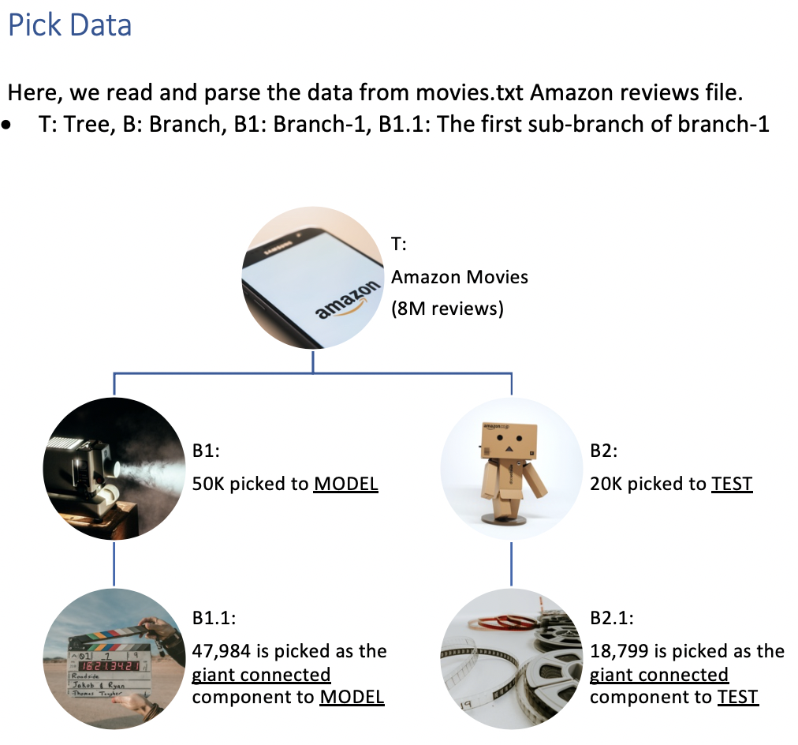
Features to be added:
* Let's show the performance values for the MODEL, as well
* Also, we don't do the convergence check, we can add it, too
(apparently, bipartite graphs don't converge..)
* We can add time-range, it's not a big deal (for the first and last records).
--- the notation we used is a bit different than in the lectures
Lecture: P, M
Ours: r, P
ppv = tp/(tp + fp) # precision - positive predictive value
tpr = tp/(tp + fn) # sensitivity, recall
tnr = tn/(tn + fp) # specifity
fpr = fp/(fp + tn)
fnr = fn/(fn + tp)
f1 = (2*tp)/(2*tp + fp + fn)
--------------------------------------------
tp = len(df_FINAL_copy.query("prediction==1 and reality==1").values)
fp = len(df_FINAL_copy.query("prediction==1 and reality==0").values)
tn = len(df_FINAL_copy.query("prediction==0 and reality==0").values)
fn = len(df_FINAL_copy.query("prediction==0 and reality==1").values)
--------------------------------------------
each user sheet includes top-10 recommended movies for each user
prediction will change depending on the threshold value of ngbr_ratio.
(prediction column for the users in the sheets, gives the prediction as threshold=10)
(meaning that if ngbr_ratio > 10 then prediction=1 else prediction=0)
If threshold is too high, in some cases, we will not recommend anything to some of the users...

Calculation Discussion
* to understand which column means what, please read the INFO sheet
* here prediction values are given considering that the threshold is 10
Considering those notes, how should we calculate the AUC?
1) Considering all the movies in dataset-2?
2) Considering movies in the suggestion list?
We think it is calculated for all movies...
user | movie | prediction | reality | ngbr_ratio | n_new_edge
A3MV1KKHX51FYT | B001N07MSE | 1 | 0 | 14.0 | 7
A3MV1KKHX51FYT | B003NTSBTC | 1 | 1 | 14.0 | 7
A3MV1KKHX51FYT | B000WX5KA0 | 1 | 0 | 12.0 | 7
A3MV1KKHX51FYT | B0000CDUXM | 1 | 1 | 12.0 | 7
A3MV1KKHX51FYT | 630015839X | 1 | 1 | 12.0 | 7
A3MV1KKHX51FYT | B001O94E76 | 1 | 0 | 12.0 | 7
A3MV1KKHX51FYT | B001NVNAL6 | 1 | 0 | 12.0 | 7
A3MV1KKHX51FYT | B000I0I1JO | 1 | 1 | 12.0 | 7
A3MV1KKHX51FYT | B005IZLPMY | 0 | 0 | 10.0 | 7
A3MV1KKHX51FYT | 792841042 | 0 | 0 | 8.0 | 7 | TP | FP | FN | Precision | Recall (TPR)
 |  | 8 | 4 |  | 7 | prediction=1 & reality=1 | prediction=1 & reality=0 | prediction=0 & reality=1 | tp/(tp + fp) | tp/(tp + fn)
 |  |  |  |  | Decisicion-1 | Because we predicted 4 positive, our TP=4 | we predicted 4 1s while they are really 0, FP=4 | we haven't predicted anything as 0 while it is 1, FN=0 | 4/(4+4)=0.5 | 4/(4+0)=1
 |  |  |  |  | Decisicion-2 |  |  | In total, this user reviewed 7 moviesi in the new dataset but we could only detect 4 of them so, FN=7-4=3 | 4/(4+4)=0.5 | 4/7=0.57
 |  |  |  |  | Decisicion-3 |  | FP=6 | FN=0? | 4/10=0.4 | 4/(4+0)=1
 |  |  |  |  | Decisicion-4 |  | FP=6 | FN=7-4=3 | 4/10=0.4 | 4/7=0.57
There are different decision mechanisms can be used. Which one is used in common? we couldn't be sure on that..
Decision-1:
Only consider your dataset with your recommended movies. In other words, all the calculations will be done with those 10 recommended movies.
This will lead to high precision values. The problem here is, for this example, the user reviewed 7 movies in dataset-2 but only 4 of them is in that list. So, we calculate the recall (TPR) as 100% because we don't care anything outside this 10 movies we recommended.
Decision-2:
Keep the overall reviewed movies by this user in mind, include them to the calculations. So if the user reviewed 7 movies but we found 4 of them, then the rest 3 of them will be counted as FN.
But, if we do so, then probably we are doing wrong with the precision. Since, we recommend 10 movies, that should mean, for all those movies prediction=1 should be considered, right?
Decision-3:
Similar to Decision-1 but this time, we will accept all 10 movies recommended as predicition=1. We will not consider the total number of reviews in dataset-2 but only in our small dataset of 10 movies.
Then again, this will lead to 100% TPR
Decision-4:
Similar to decision-2 but it's a combination of decision-2 and decision-3. This looks like more reasonable than other decisions. BUT,
Here, the problem is, if the user reviews more than 10 movies, we will never end up with 100% TPR even if our all 10 recommendations are correct. (10/11 > check the case of user-5 sheet)
Another problem is, most of the time, reviewers review only 1 movie, in this case, we will end up with terrible precision values even if we correctly predict this 1 movie precision=1/10 = 0.1. This concern is valid for Decision-3, as well.
Another question is, should we calculate each values (precision & recall) per user and take the mean or should we calculate them for all users in one calculation? Let's talk for Decision-4:
reality:
User-X: 4 1s, 6 0s (7 reviews)
User-Y: 1 1s, 9 os (3 reviews)
Calculation-1:
User-X>> Precision: 0.4 recall: 0.57 (showed in above table-decision-4)
User-Y>> Precision: 0.1 (1/10) recall: 0.33 (1/3)
average: Precision: (0.4 + 0.1)/2 = 0.25 ... recall: (0.57+0.33)/2 = 0.45
Calculation-2:
consider 2 users as merged:
5 1s, 15 0s (10 reviews)
Precision: 5/20 = 0.25 ... recall: 5/10 = 0.5
depending on how you choose to calculate, the result would change..

Performance Comparison
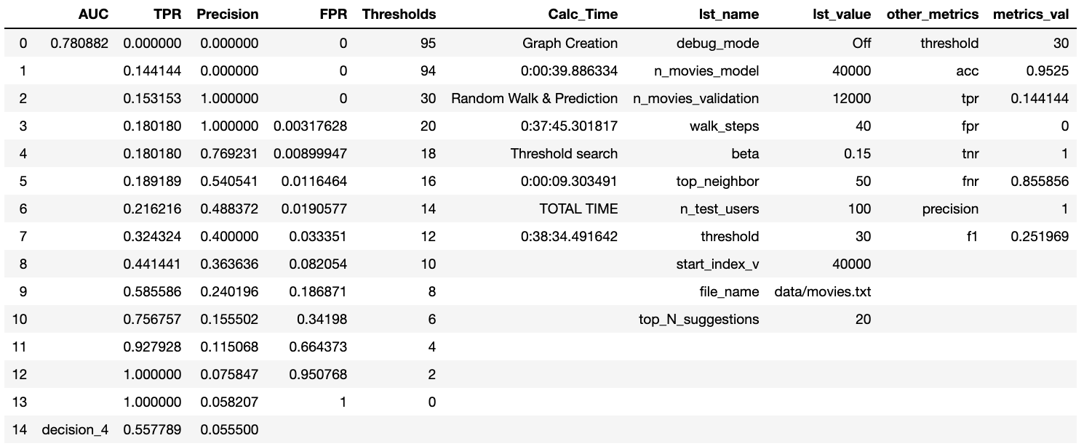
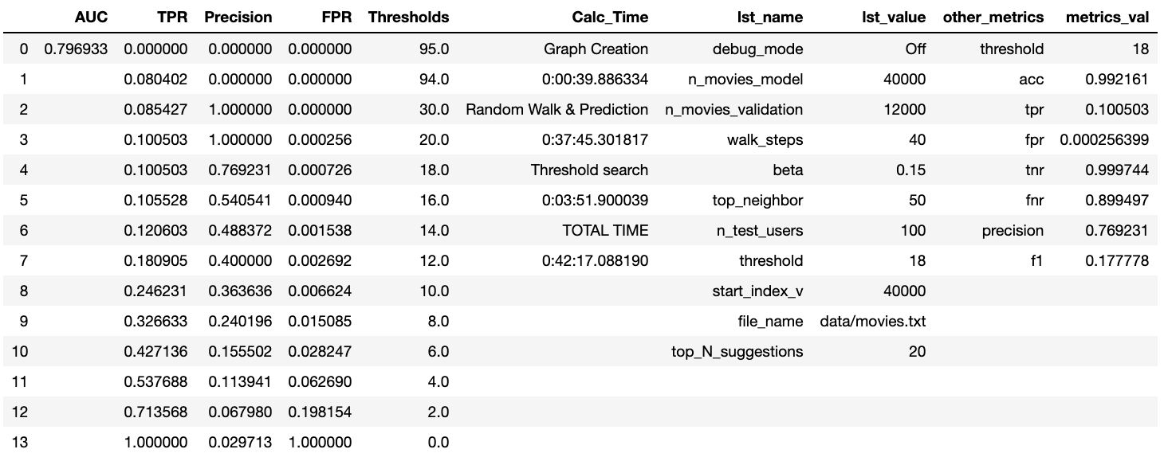
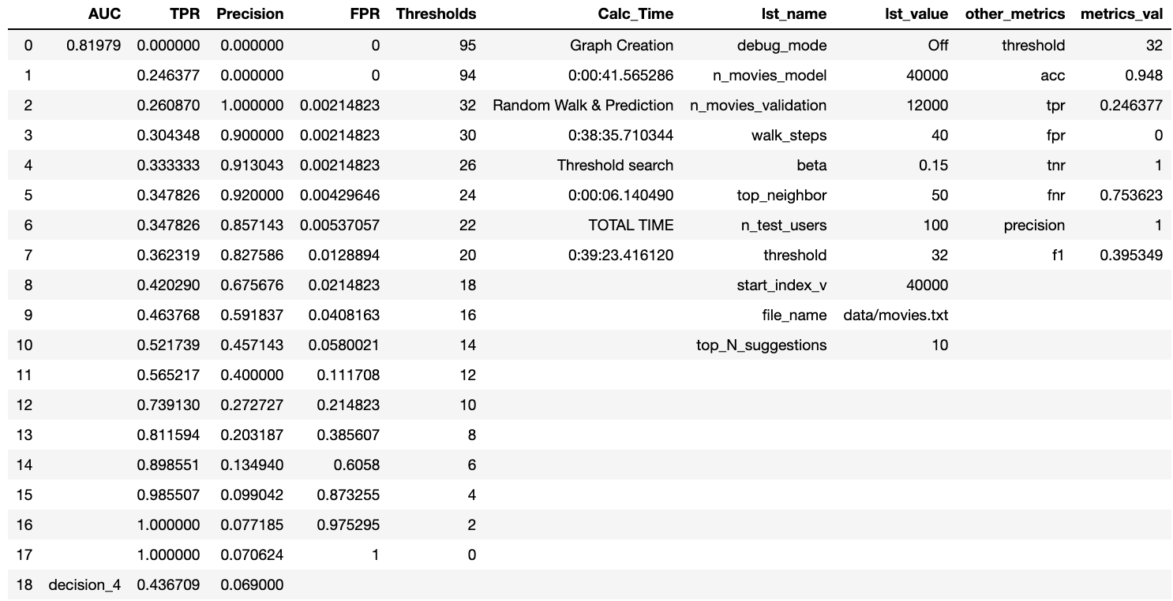
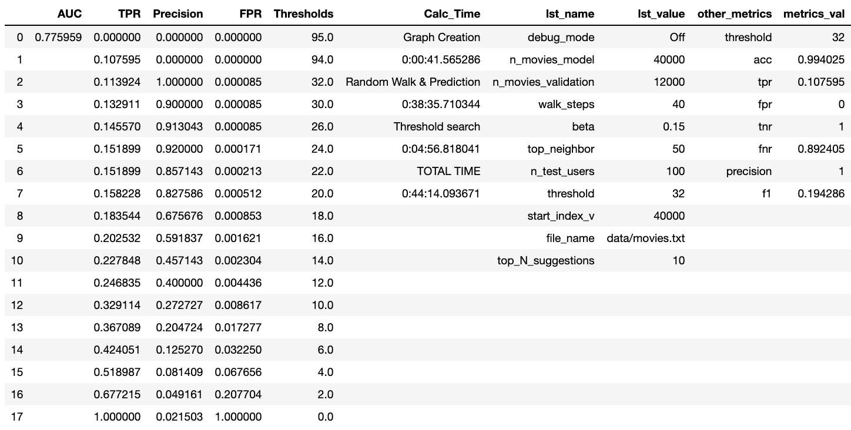

If our understanding is correct from "CS224W Project Final Report
Supervised Link Prediction in Bipartite Networks". Their precision is 3.42%,
AUC=0.831 for weighted random walks (top20) and ours is 6.9%, AUC=0.8198
here (top10) (but overall AUC=0.776). Their avg degree is 3.7 whereas ours is 1.3.
So, considering all those, our results are not bad. And they can improve with
50K-20K partitioning.
Random Walks on the Bipartite-Graph for Personalized Recommendation
has precision around 30-35%. (avg degree not mentioned)
Supervised Random Walks: Predicting and Recommending Links in Social Networks
has precision around 3-4%... (avg degree not mentioned)
why are the precision values so different? different graph structures?
(see the left side comments, too..)

Since we have good AUC values in any kind of calculation, having low precision values for Decision-4 calculations is related to that many users have only 1 reviews
out of hundreds of movies and we recommend 10 movies to everyone. If we look at it globally and don't recommend the same amount of movies but use a threshold instead,
we have much higher values.
TOTAL TIME for LEFT and RIGHT are differen because calculating the TPR & Precision values for the ALL Movies take more time than doing it only for top-N movies
(Since top-10 movies for each user will vary, once we checked one of them, we have seen that for 100 users, there were 104 different movies in top-10 list.)
The table on the
LEFT: Shows the AUC considering the results for only TOP-10 movies
RIGHT: Shows the AUC considering ALL movies in dataset-2
*** Avg degree for users is around 1.3 >> we think this explains the reason why precision values are too low ***
LEFT: Decision-4 TPR & Precision were calculated by the logic described in "Calculation Discussions"
For decision-4 results, we use Calculation-2 in the same sheet. Bottom tables are for TOP-20

PC-2
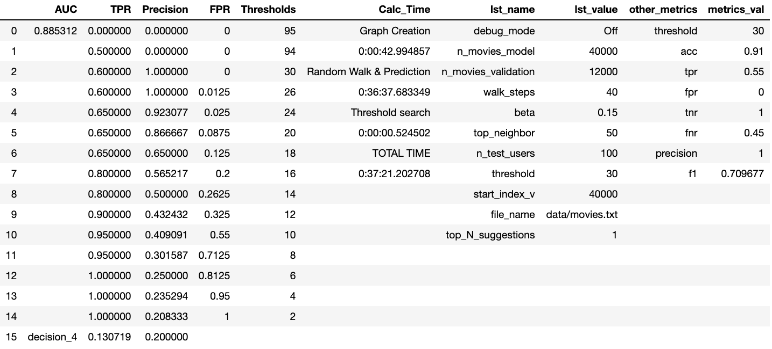
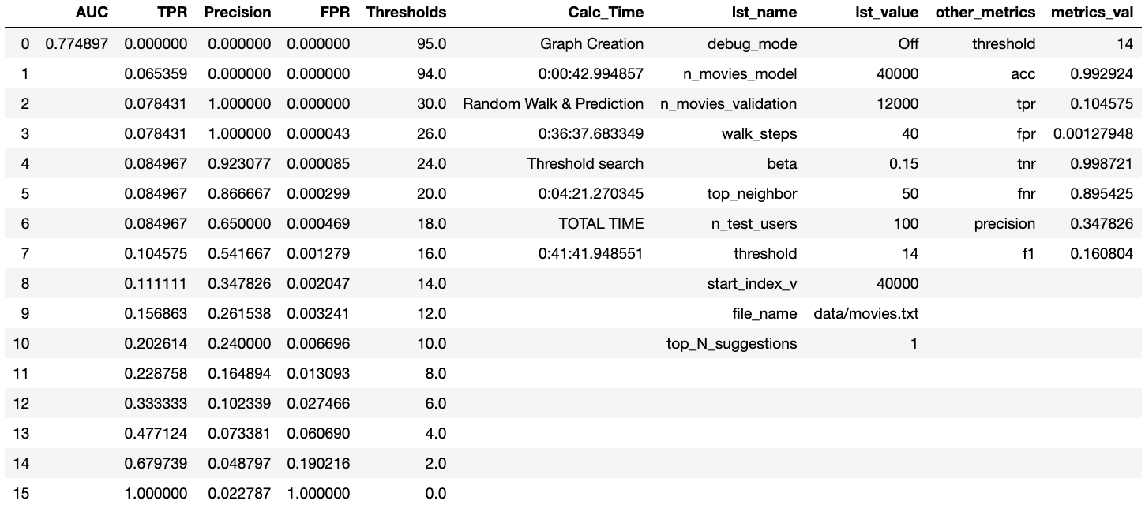
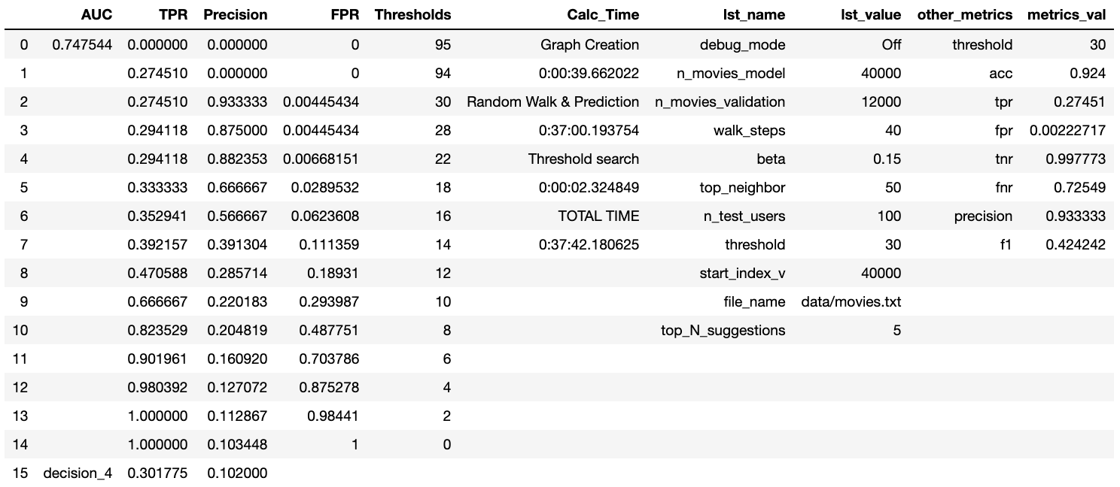
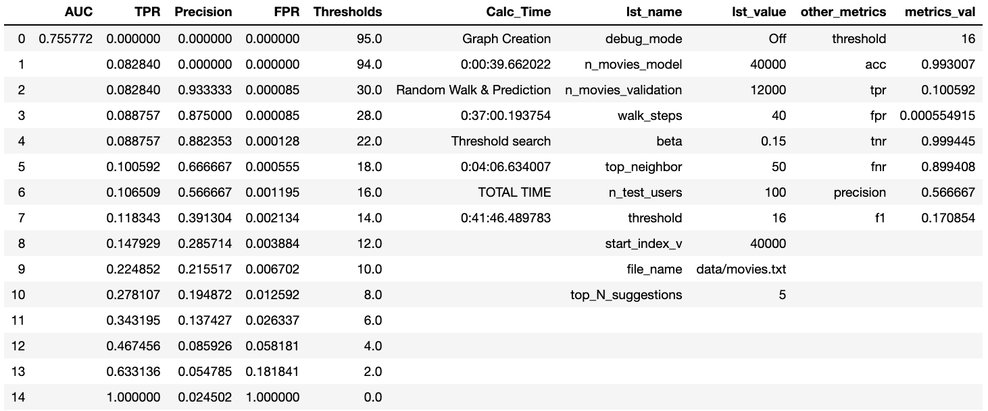

When top-N movie suggessions made smaller (top-5), PRECISION INCREASED and RECALL (TPR) DECREASED when decision-4 logic is used
* below is (top-1) *** Average edge per user is around 1.3 (avg degree) >> we think this explains the reason why precision values are too low ***
People watch many movies but only few of them review very few movies, that's why, top-N prediction doesn't look like working here very well.

PC-3
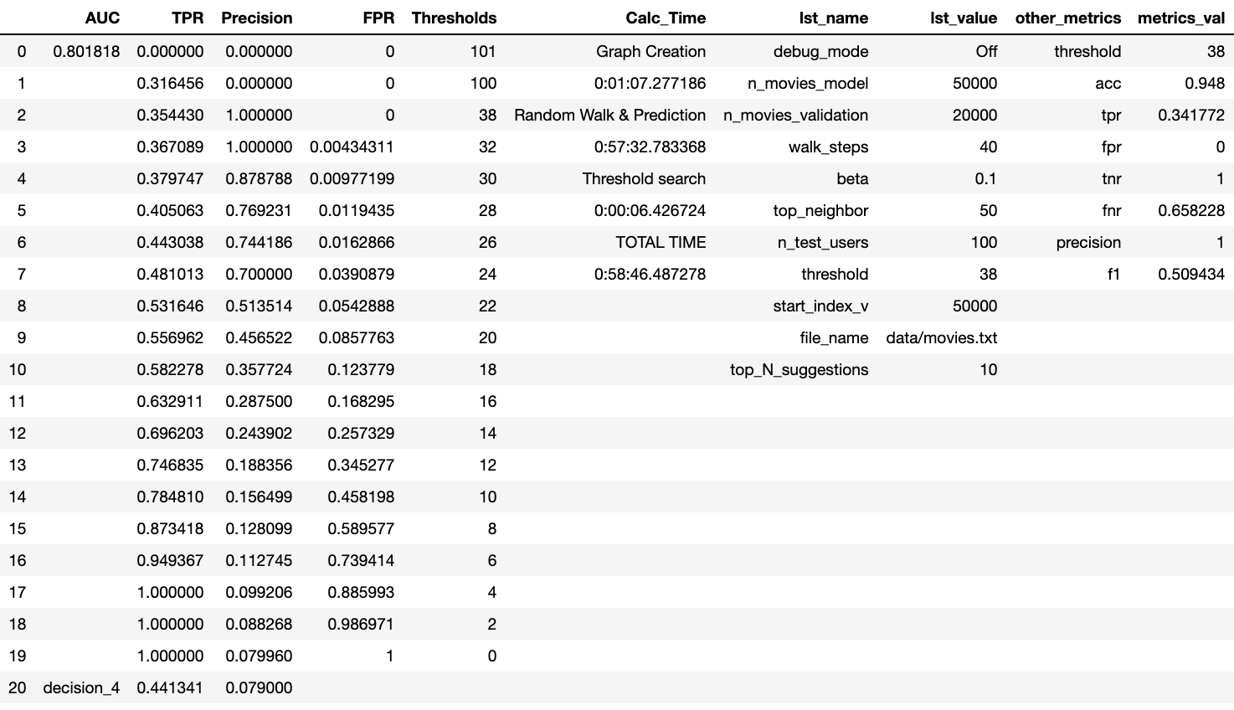
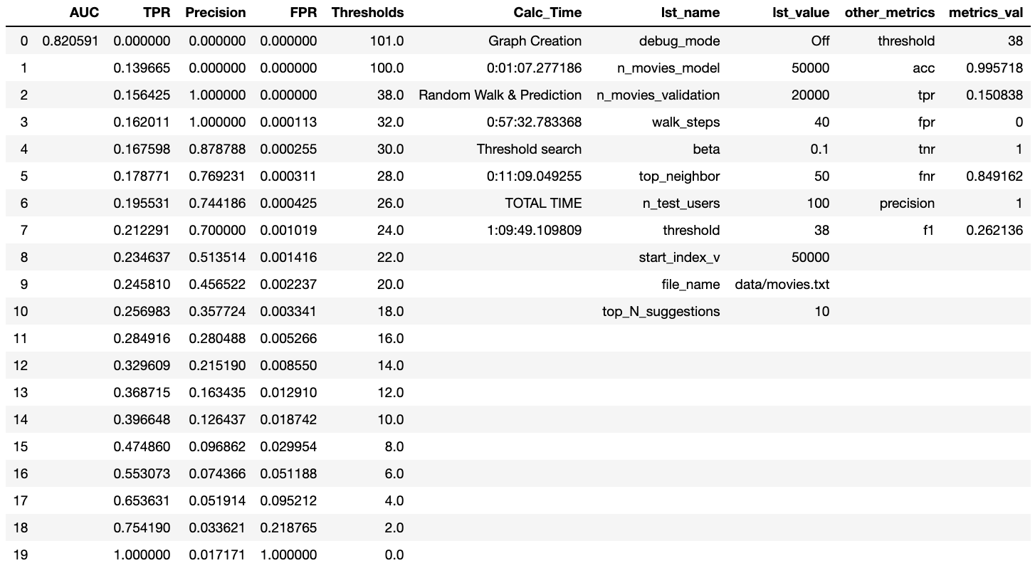

Overall Performance & Algorithm
* 100 users picked rndomly to predict their future behaviors
(these users were picked among the users who exist in both dataset-1 and dataset-2)
For each user
* 40 steps of random walk applied with beta=0.15
* 50 most similar users picked for each of them depending on their scores/probabilities in r vector
(this 50 can change from one user to another obviously)
* in the new dataset, all movies were checked if they were reviewed by those top-50 users
i.e. if 10 out of 50 has reviewed the movie, then the ngbr_ratio is set as 20
(threshold checks this value)
* top-10 mostly reviewed movies by top-50 (top-10 movies having the highest ngbr_ratio) were picked to recommend
!! Here, the thing is, mostly people review 1 movie, how acceptable to recommend 10 movies in that case? The more discussion is held in the 'Calculation Discussion' sheet related to that.
@@ depending on the threshold, maybe only 2 out of 10 top-10 movies are recommendable, will we still recommend 10 movies? (i.e. some movies end up with 0% ratio but if almost all movies end up that way, then in the top-10, there will be movies with 0% ratio just because we had to put 10-movies in the recommendation.)
------- more info
* r vector is initialized as a vector where the value of the index is 1 for the user but 0 for the rest. for example, for user-0
r = [1 0 0 .... 0] dimension(r)=1xN N=number of nodes in dataset-1
(all movies and the user itself were ignored while picking top-50 similar users)
 | AUC | TPR | Precision | FPR | Thresholds | Calc_Time | lst_name | lst_value | other_metrics | metrics_val
0 | 0.7706 | 0.0 | 0.0 | 0.0 | 101.0 | Graph Creation | debug_mode | Off | threshold | 70.0
1 |  | 0.328125 | 0.0 | 0.0 | 100.0 | 0:01:14.851422 | n_movies_model | 50000 | acc | 0.957
2 |  | 0.34375 | 1.0 | 0.0 | 70.0 | Random Walk & Prediction | n_movies_validation | 20000 | tpr | 0.328125
3 |  | 0.34375 | 1.0 | 0.003205128205128205 | 30.0 | 0:54:48.936197 | walk_steps | 40 | fpr | 0.0
4 |  | 0.359375 | 0.88 | 0.005341880341880342 | 28.000000000000004 | Threshold search | beta | 0.15 | tnr | 1.0
5 |  | 0.359375 | 0.821429 | 0.009615384615384616 | 26.0 | 0:00:06.153668 | top_neighbor | 50 | fnr | 0.671875
6 |  | 0.375 | 0.71875 | 0.014957264957264958 | 24.0 | TOTAL TIME | n_test_users | 100 | precision | 1.0
7 |  | 0.421875 | 0.631579 | 0.026709401709401708 | 22.0 | 0:56:09.941287 | threshold | 70.0 | f1 | 0.49411764705882355
8 |  | 0.421875 | 0.519231 | 0.035256410256410256 | 20.0 |  | start_index_v | 50000
9 |  | 0.453125 | 0.45 | 0.04807692307692308 | 18.0 |  | file_name | data/movies.txt
10 |  | 0.453125 | 0.391892 | 0.08333333333333333 | 16.0 |  | top_N_suggestions | 10
11 |  | 0.5625 | 0.271028 | 0.13034188034188035 | 14.000000000000002
12 |  | 0.671875 | 0.227848 | 0.2670940170940171 | 12.0
13 |  | 0.765625 | 0.146758 | 0.3952991452991453 | 10.0
14 |  | 0.828125 | 0.116945 | 0.5288461538461539 | 8.0
15 |  | 0.890625 | 0.096715 | 0.7393162393162394 | 6.0
16 |  | 0.953125 | 0.076101 | 0.8696581196581197 | 4.0
17 |  | 1.0 | 0.069714 | 0.9893162393162394 | 2.0
18 |  | 1.0 | 0.064646 | 1.0 | 0.0

* 50K reviews were picked to create the model graph (dataset-1)
Out of 50K, we picked the connected giant component to create the P matrix (with weights=scores)
For the giant component:
nodes: 35940 (users: 34921 movies: 1019)... edges: 47984
(47984/50000 = 96% of the graph is the giant component)
* 20K reviews were picked to create the test graph (dataset-2)
Out of 50K, we picked the connected giant component to create the P matrix for verification (with weights=scores)
For the giant component:
nodes: 15459 (users: 15104 movies: 355 )... edges: 18799
(18799/20000 = 94% of the graph is the giant component)
 |  |  |  |  |  |  | users | dataset-1 | dataset-2 | SUM
 |  |  |  |  |  |  | dataset-1 | 31152 | 3769 | 34921
 |  |  |  |  |  |  | dataset-2 | 3769 | 11335 | 15104

 |  |  |  |  |  |  | movies | dataset-1 | dataset-2 | SUM
 |  |  |  |  |  |  | dataset-1 | 1019 | 0 | 1019
 |  |  |  |  |  |  | dataset-2 | 0 | 355 | 355

 |  |  |  |  |  |  | Model-Giant | Test-Giant
 |  |  |  |  |  |  | 0.95968 | 0.93995
 |  |  |  |  |  |  | 47984 | 18799 | edges

