Sheet1
name | Miracle Runner

frame | Light
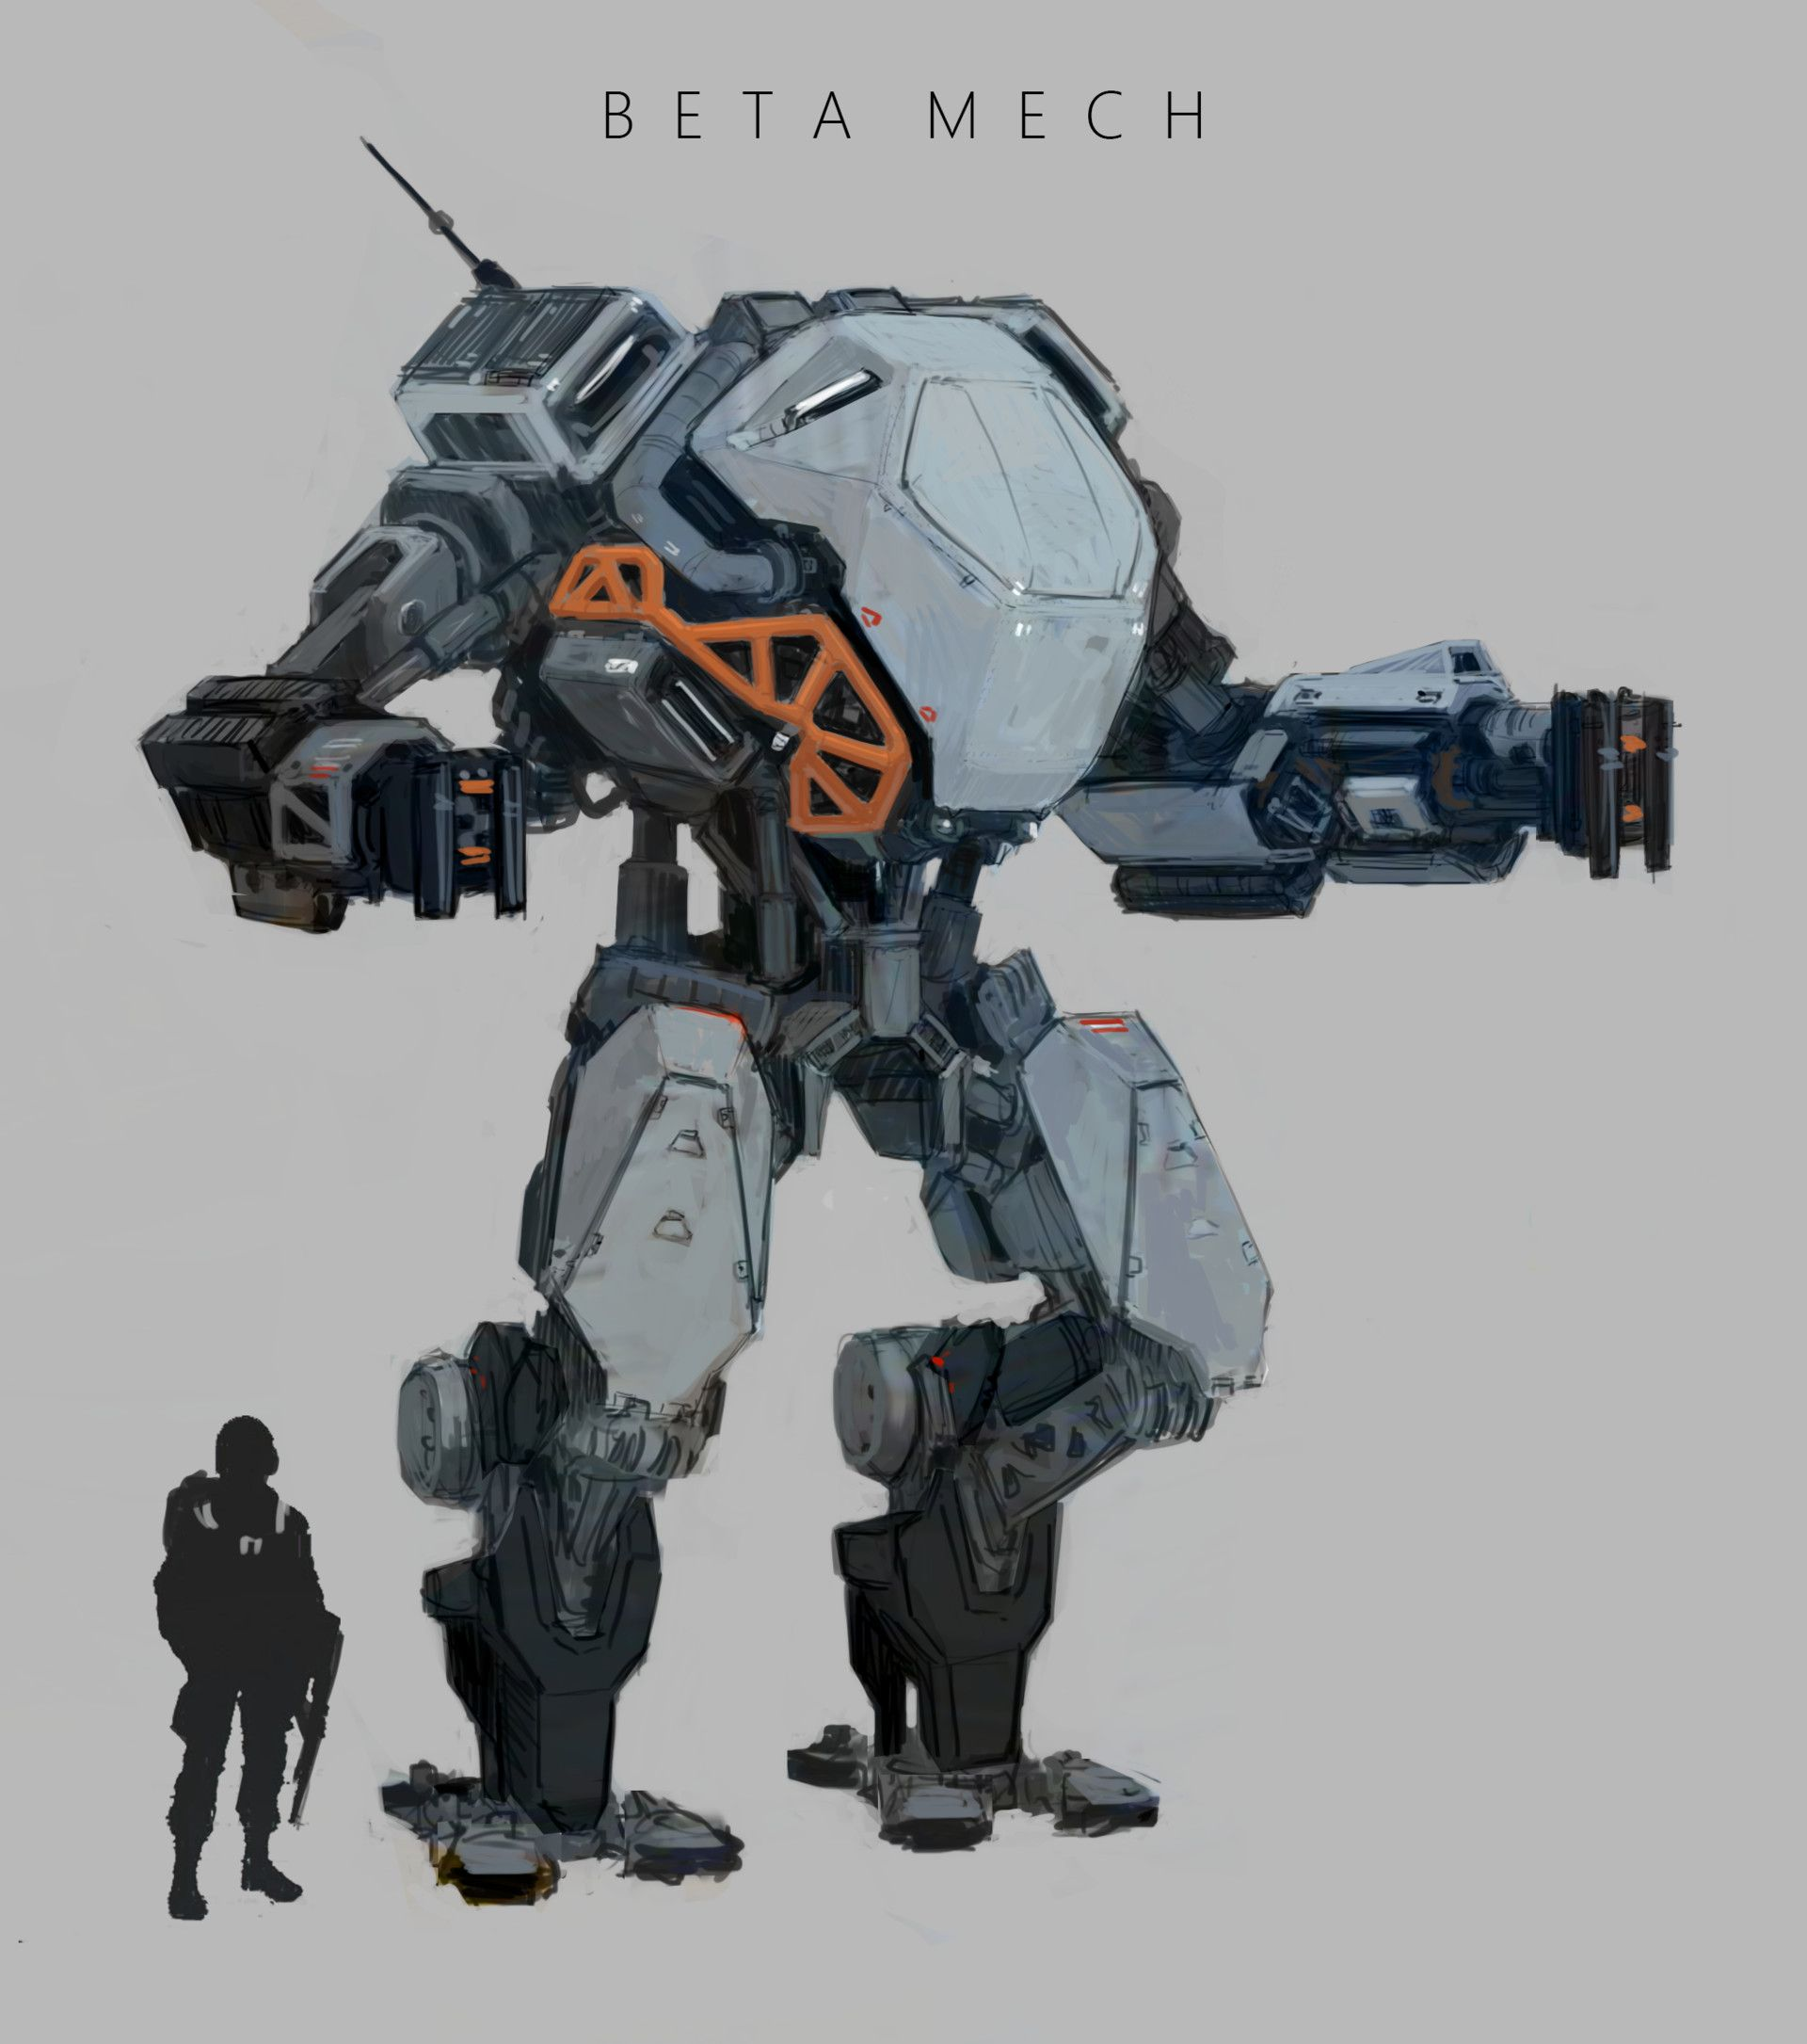 |  |  |  |  |  | symbol |  | AM
 |  |  |  |  |  |  |  | 3
 |  |  |  |  |  | pts | 3

 |  |  |  |  |  | MV | 3

 |  |  |  |  |  | EG | 1

 |  |  |  |  |  | special

 |  | EC | DM | RG | pts |  |  |  | EC | DM | RG | pts

 |  | EC | DM | RG | pts |  |  |  | EC | DM | RG | pts

 |  | EC | DM | RG | pts |  |  |  | EC | DM | RG | pts

name | Halo

frame | Light
 |  |  |  |  |  | symbol |  | AM
 |  |  |  |  |  |  |  | 3
 |  |  |  |  |  | pts | 3

 |  |  |  |  |  | MV | 3

 |  |  |  |  |  | EG | 1

 |  |  |  |  |  | special

 |  | EC | DM | RG | pts |  |  |  | EC | DM | RG | pts

 |  | EC | DM | RG | pts |  |  |  | EC | DM | RG | pts

 |  | EC | DM | RG | pts |  |  |  | EC | DM | RG | pts

name | Wolf

frame | Light
 |  |  |  |  |  | symbol |  | AM
 |  |  |  |  |  |  |  | 3
 |  |  |  |  |  | pts | 3

 |  |  |  |  |  | MV | 3

 |  |  |  |  |  | EG | 1

 |  |  |  |  |  | special

 |  | EC | DM | RG | pts |  |  |  | EC | DM | RG | pts

 |  | EC | DM | RG | pts |  |  |  | EC | DM | RG | pts

 |  | EC | DM | RG | pts |  |  |  | EC | DM | RG | pts

name

frame
 |  |  |  |  |  | symbol |  | AM

 |  |  |  |  |  | pts

 |  |  |  |  |  | MV

 |  |  |  |  |  | EG

 |  |  |  |  |  | special

 |  | EC | DM | RG | pts |  |  |  | EC | DM | RG | pts

 |  | EC | DM | RG | pts |  |  |  | EC | DM | RG | pts

 |  | EC | DM | RG | pts |  |  |  | EC | DM | RG | pts

name

frame
 |  |  |  |  |  | symbol |  | AM

 |  |  |  |  |  | pts

 |  |  |  |  |  | MV

 |  |  |  |  |  | EG

 |  |  |  |  |  | special

 |  | EC | DM | RG | pts |  |  |  | EC | DM | RG | pts

 |  | EC | DM | RG | pts |  |  |  | EC | DM | RG | pts

 |  | EC | DM | RG | pts |  |  |  | EC | DM | RG | pts

name

frame
 |  |  |  |  |  | symbol |  | AM

 |  |  |  |  |  | pts

 |  |  |  |  |  | MV

 |  |  |  |  |  | EG

 |  |  |  |  |  | special

 |  | EC | DM | RG | pts |  |  |  | EC | DM | RG | pts

 |  | EC | DM | RG | pts |  |  |  | EC | DM | RG | pts

 |  | EC | DM | RG | pts |  |  |  | EC | DM | RG | pts

name

frame
 |  |  |  |  |  | symbol |  | AM

 |  |  |  |  |  | pts

 |  |  |  |  |  | MV

 |  |  |  |  |  | EG

 |  |  |  |  |  | special

 |  | EC | DM | RG | pts |  |  |  | EC | DM | RG | pts

 |  | EC | DM | RG | pts |  |  |  | EC | DM | RG | pts

 |  | EC | DM | RG | pts |  |  |  | EC | DM | RG | pts

