Color de piel_revised
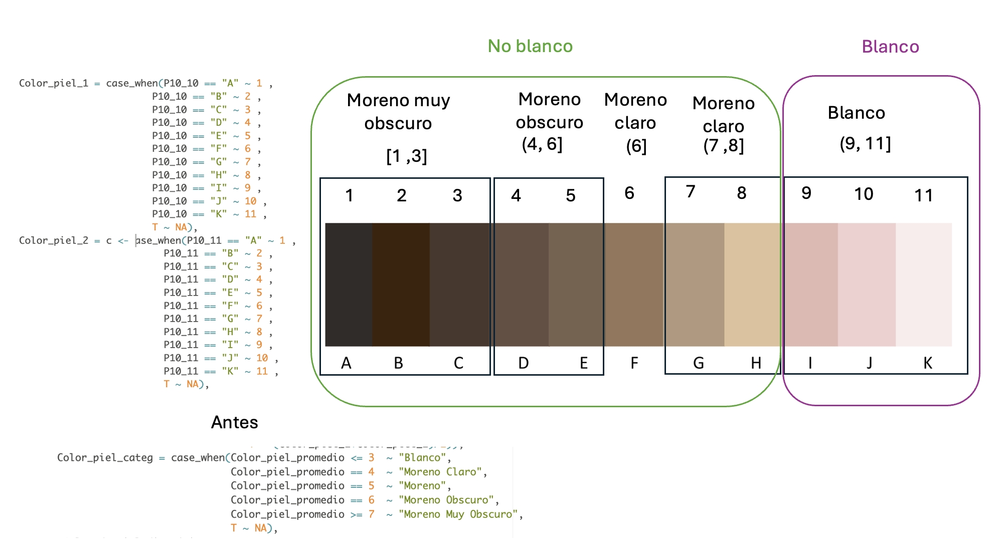

Color de piel
0 | 0.5 | 1 | 1.5 | 2 | 2.5 | 3 | 3.5 | 4 | 4.5 | 5 | 5.5 | 6 | 6.5 | 7 | 7.5 | 8 | 8.5 | 9 | 9.5 | 10
286 | 311 | 897 | 934 | 2035 | 2637 | 17322 | 8332 | 10606 | 5367 | 5766 | 2233 | 1924 | 936 | 938 | 272 | 190 | 103 | 88 | 22 | 11

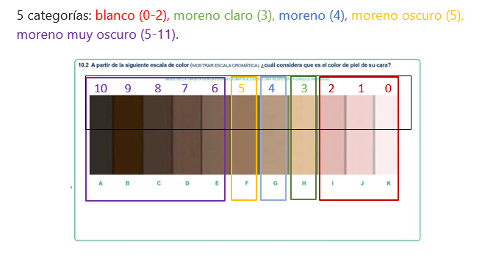
 |  | Propuesta usada en estudio Colmex
 |  | Categoría | Promedio | Total | Suma
 |  | blanco | 0 | 286
 |  |  | 0.5 | 311 |  |  | Blanco | Moreno claro | Moreno | Moreno oscuro | Moreno muy oscuro
 |  |  | 1 | 897 |  |  | 4463 | 19959 | 18938 | 11133 | 6717
 |  |  | 1.5 | 934
 |  |  | 2 | 2035 | 4463
 |  | moreno claro | 2.5 | 2637
 |  |  | 3 | 17322 | 19959
 |  | moreno | 3.5 | 8332
 |  |  | 4 | 10606 | 18938
 |  | moreno oscuro | 4.5 | 5367
 |  |  | 5 | 5766 | 11133
 |  | moreno muy oscuro | 5.5 | 2233
 |  |  | 6 | 1924
 |  |  | 6.5 | 936
 |  |  | 7 | 938
 |  |  | 7.5 | 272
 |  |  | 8 | 190
 |  |  | 8.5 | 103
 |  |  | 9 | 88
 |  |  | 9.5 | 22
 |  |  | 10 | 11 | 6717

 |  | WJP intento 1
 |  | Categoría | Promedio | Total | Suma |  | Blanco | Moreno claro | Moreno | Moreno oscuro | Moreno muy oscuro
 |  | blanco | 0 | 286 |  |  | 24422 | 18938 | 11133 | 4157 | 2560
 |  |  | 0.5 | 311
 |  |  | 1 | 897
 |  |  | 1.5 | 934
 |  |  | 2 | 2035
 |  |  | 2.5 | 2637
 |  |  | 3 | 17322 | 24422
 |  | moreno claro | 3.5 | 8332
 |  |  | 4 | 10606 | 18938
 |  | moreno | 4.5 | 5367
 |  |  | 5 | 5766 | 11133
 |  | moreno oscuro | 5.5 | 2233
 |  |  | 6 | 1924 | 4157
 |  | moreno muy oscuro | 6.5 | 936
 |  |  | 7 | 938
 |  |  | 7.5 | 272
 |  |  | 8 | 190
 |  |  | 8.5 | 103
 |  |  | 9 | 88
 |  |  | 9.5 | 22
 |  |  | 10 | 11 | 2560

 |  |  |  |  |  |  | WJP intento 1- Logit

 |  |  |  |  |  |  | Blanco=1 | Moreno claro=1 | Moreno=0 | Moreno oscuro=0 | Moreno muy oscuro=0
 |  |  |  |  |  |  | 24422 | 18938 | 11133 | 4157 | 2560

 |  |  |  |  |  |  | 1=blanco | 43360 | 71%
 |  |  |  |  |  |  | 0=no blanco/moreno | 17850 | 29%
 |  |  |  |  |  |  | Total | 61210

 |  | WJP intento 2 propuesta (cortar en 3 y solo tomar como 1 en blanco)
 |  | Categoría | Promedio | Total | Suma |  | WJP intento 1- Logit
 |  | blanco | 0 | 286
 |  |  | 0.5 | 311 |  |  | Blanco=1 | Moreno claro=0 | Moreno=0 | Moreno oscuro=0 | Moreno muy oscuro=0
 |  |  | 1 | 897 |  |  | 24422 | 18938 | 11133 | 4157 | 2560
 |  |  | 1.5 | 934
 |  |  | 2 | 2035 |  |  | 1=blanco | 24422 | 40%
 |  |  | 2.5 | 2637 |  |  | 0=no blanco/moreno | 36788 | 60%
 |  |  | 3 | 17322 | 24422 |  | Total | 61210
 |  | moreno claro | 3.5 | 8332
 |  |  | 4 | 10606 | 18938
 |  | moreno | 4.5 | 5367
 |  |  | 5 | 5766 | 11133
 |  | moreno oscuro | 5.5 | 2233
 |  |  | 6 | 1924 | 4157
 |  | moreno muy oscuro | 6.5 | 936
 |  |  | 7 | 938
 |  |  | 7.5 | 272
 |  |  | 8 | 190
 |  |  | 8.5 | 103
 |  |  | 9 | 88
 |  |  | 9.5 | 22
 |  |  | 10 | 11 | 2560

 |  | WJP intento 3 propuesta (cortar en 3.5 e incluir moreno claro)
 |  | Categoría | Promedio | Total | Suma |  | WJP intento 3- Logit
 |  | blanco | 0 | 286
 |  |  | 0.5 | 311 |  |  | Blanco=1 | Moreno claro=1 | Moreno=0 | Moreno oscuro=0 | Moreno muy oscuro=0
 |  |  | 1 | 897 |  |  | 24422 | 8332 | 30071 | 4157 | 2560
 |  |  | 1.5 | 934
 |  |  | 2 | 2035 |  |  | 1=blanco | 32754 | 47%
 |  |  | 2.5 | 2637 |  |  | 0=no blanco/moreno | 36788 | 53%
 |  |  | 3 | 17322 | 24422 |  | Total | 69542
 |  | moreno claro | 3.5 | 8332 | 8332
 |  | moreno | 4 | 10606
 |  |  | 4.5 | 5367
 |  |  | 5 | 5766 | 30071
 |  | moreno oscuro | 5.5 | 2233
 |  |  | 6 | 1924 | 4157
 |  | moreno muy oscuro | 6.5 | 936
 |  |  | 7 | 938
 |  |  | 7.5 | 272
 |  |  | 8 | 190
 |  |  | 8.5 | 103
 |  |  | 9 | 88
 |  |  | 9.5 | 22
 |  |  | 10 | 11 | 2560

