Employee_Sales_Summary_2008R2
 |  |  | Employee_Sales_Summary_2008R2

 |  |  | Sales Report for David Campbell November, 2007

Click + to view the scenario story.

Compare seasonal sales by year.
 |  |  |  | Compare sales to quotas by category.

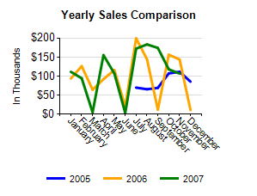
 |  |  |  |  |  | Sales Order Number | Sales | Met Category Quota?
 |  |  |  | Met Quota?

 |  |  |  | Accessories |  | Quota: $1,000 -25%: $750 +25%: $1,250 | $216

 |  |  |  |  |  | SO57044 | $216
 |  |  |  | Bikes |  | Quota: $70,000 -5%: $66,500 +5%: $73,500 | $68,968

Year |  | Sales

2005 |  | $506,570
 |  |  |  |  |  | SO57030 | $38,871
2006 |  | $1,176,251
 |  |  |  |  |  | SO57044 | $2,754

2007 |  | $1,227,895
 |  |  |  |  |  | SO57110 | $5,751

 |  |  |  |  |  | SO57130 | $19,110
 |  |  |  |  |  | SO57151 | $1,466
 |  |  |  |  |  | SO57170 | $1,017
 |  |  |  | Clothing |  | Quota: $2,500 -20%: $2,000 +20%: $3,000 | $1,437

 |  |  |  |  |  | SO57030 | $897
 |  |  |  |  |  | SO57044 | $541
 |  |  |  | Components |  | Quota: $20,000 -10%: $18,000 +10%: $22,000 | $35,759

 |  |  |  |  |  | SO57030 | $23,572
 |  |  |  |  |  | SO57110 | $24
 |  |  |  |  |  | SO57130 | $9,573
 |  |  |  |  |  | SO57151 | $559
 |  |  |  |  |  | SO57163 | $150
 |  |  |  |  |  | SO57170 | $1,880
 |  |  |  | Total |  | $106,380 | $106,380

 | Compare seasonal sales for November for each category.

 | 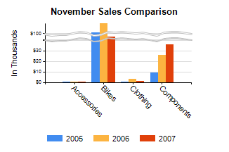
 |  |  |  | Category | November Sales Comparison for each Year
 |  |  |  | Accessories
 |  |  |  | Bikes
 |  |  |  | Clothing
 |  |  |  | Components

