Maps
Standard Inspection Form

 | Inspection Date | Time | Property City
 | Loan Number |  | Property State/Country
 | Property Name |  | Overall Property Rating

Maps

 | Regional Map
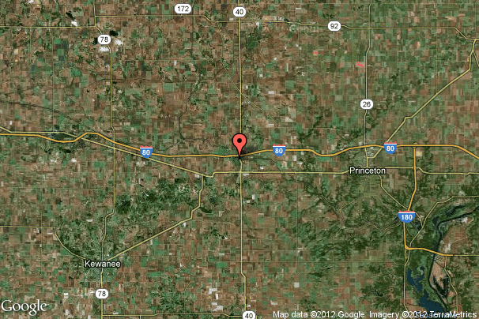

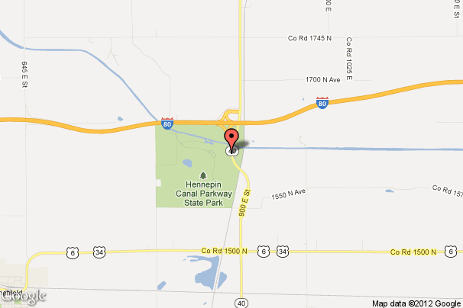

 | Neighborhood Map

