Sheet1
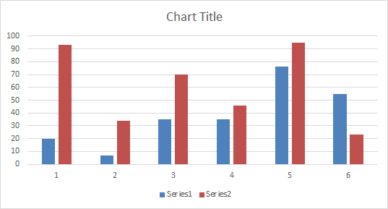
20 | 93
7 | 34
35 | 70
35 | 46
76 | 95
55 | 23

