Sheet1
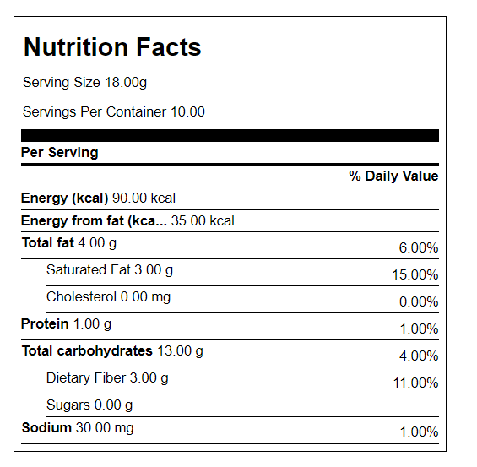
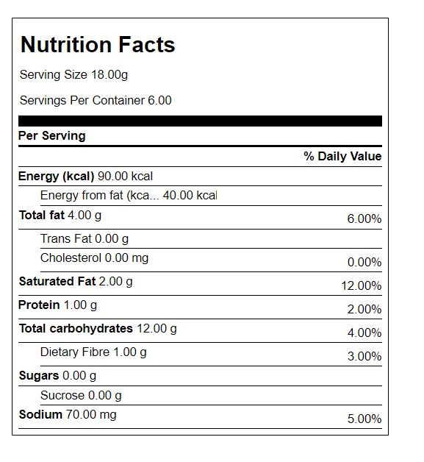
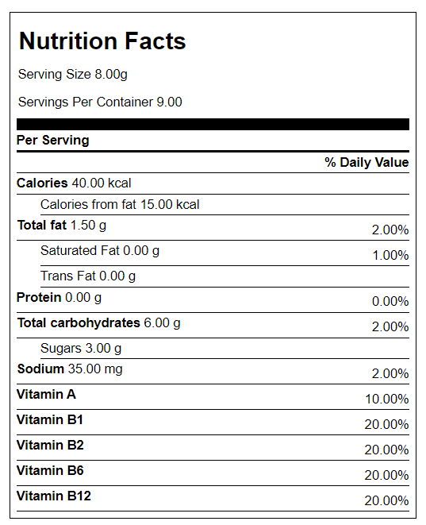
Brand | Harga | Serving Size | Harga per g | Lemak / saji | Vitamin | Sukrosa | Mintel
Litebite (180g) | 39000 | 18 | 217 | 4g | - | - | https://www.gnpd.com/sinatra/recordpage/4810015/from_search/ag7yjYJasR/?page=1
Diabetasol (100g) | 21500 | 18 | 215 | 4g | - | - | https://www.gnpd.com/sinatra/recordpage/8533295/from_search/U2oPSLMqRn/?page=1
Richeese (132g) | 7500 | 8 | 57 | 1.5g | Vit A, B1,B2,B6,B12 | 3g | https://www.gnpd.com/sinatra/recordpage/4731823/from_search/fTCk4dwJUq/?page=2

Litebite |  |  |  |  | Diabetasol |  |  | Richeese

