Price Comparison
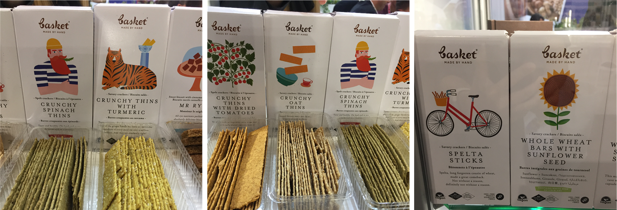
Produk | HET Price | Gramasi (gr) | Harga/volume
Bin Bin | 30,500 | 100.00 | 305
Meiji | 28,000 | 104.00 | 269
Fantastic | 25,700 | 100.00 | 257
Want&Want | 30,900 | 122.00 | 253
Kuyus | 23,125 | 100.00 | 231.25

Benchmark produk:

Market Potency
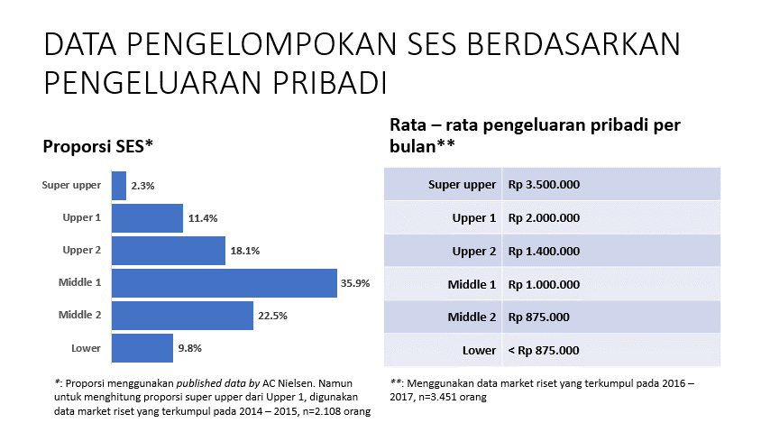
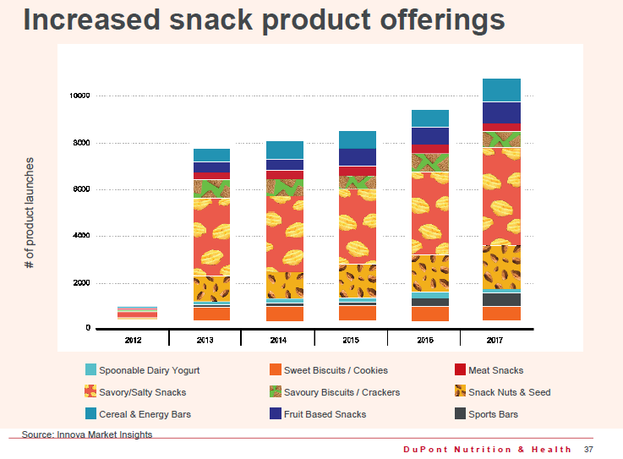
Jumlah penduduk Indonesia (2018) - geoba est. |  | 262,936,096
SES SU, U1 (Market Riset Internal) |  | 13.7% | Indonesian population
Usia 25+ y.o |  | 50.0% | Indonesian population
Healthy Living Concern |  | 7.5%
Crackers Consumers |  | 7.0%
Choose Tropicana Slim Kuyus |  | 5.0% |  |  | Pendekatan tahun 2017
 |  |  |  |  | Sweet Biscuits/Cookies | 800 | 7%
 |  |  |  |  | Sports Bar | 700 | 6%
Target market TS Kuyus |  | 4,715 | persons |  | Spoonable Dairy Yogurt | 200 | 2%
 |  |  |  |  | Snack Nuts and Seed | 2000 | 18%
Consume TS Kuyus |  |  |  |  | Savory/Salty Snacks | 4300 | 38%
- 1 bag per 2 weeks |  | 9,430.62 | gusset bag |  | Savory Biscuits/Crackers | 800 | 7%
 |  |  |  |  | Meat Snacks | 400 | 4%
Price TS Kuyus |  | #REF! | per gusset bag |  | Fruit Based Snacks | 1100 | 10%
Sales potency |  |  |  |  | Cereal and Energy Bars | 900 | 8%
- 1 gusset bag per 2 weeks |  | #REF! | per month |  |  | 11200
 | bulatkan | 200,000,000 | per month


 |  |  |  | 925120
 |  |  |  | 781391
 |  |  |  | 657262
 |  |  |  | 534822
 |  |  |  | 409392
 |  |  |  | 284080
 |  |  |  | 375893
 |  |  |  | 3967960
 |  |  |  | 39%

