Product
PT. NUTRIFOOD INDONESIA |  |  | KODE FORM : F.Q.201


PENGEMBANGAN KONSEP AWAL PRODUK BARU
( PKP )
Tropicana Slim
Halus (Silky Pudding)
Author |  | : | Annice
Last Updated On |  | : | 2020-07-17
 | Revision No | : | 0
Background
Idea | Tropicana Slim Sugar Free Milk Custard Caramel Pudding
Target market | MF 25+ Upper 1,2
Uniqueness of idea | weak - moderate - strong
Estimated potential market | niche - in between - mass
Reason(s) | Cooking and home made dessert is trending after covid19 pandemic. Milk Custard Caramel Gyukaku is rising since people miss this delicious dessert but can't dine in Resto
Market Analysis
Launch Deadline | 2021
Aisle Placement | Besides Forissa Silky Pudding, Panna Cotta Dessert Factory
Sales Forecast | Rp50,000,000

NF Selling Price | Rp11,500
Consumer Price Target | Rp15,373

Main Competitor | Forissa Silky Pudding
Competitive Analysis | HTT TBN, HTT min 4.0 (T2B min 40%)
Product Features
Product Form | Powder Alufo Bag & Caramel Sauce
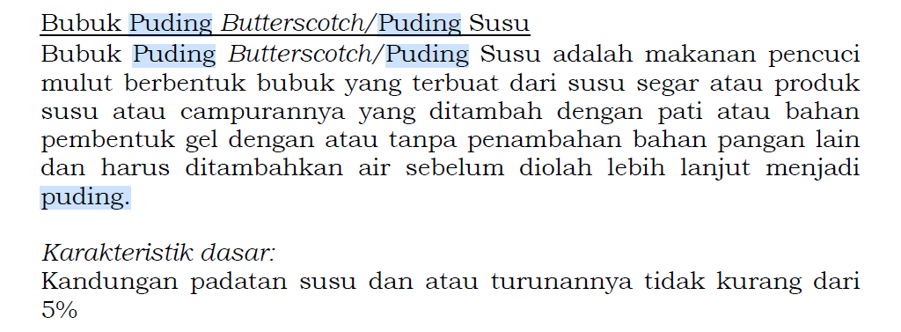
Product Packaging | dus isi 150g
Kategori Pangan (BPOM) | 1.7 Bubuk puding susu
Prefered Flavour | Caramel
Product Benefits | Sugar Free
 | Less calorie/less fat

Mandatory Ingredients
Related Picture | see sheet reference

ATTENTION!
 | compulsory; filled by QBX (brand function) Managers
 | should only be filled with great certainty
 | should only be filled after discussion with QPA
Service Level Agreements | Lead Time QBX (brand function) |  | 5 workdays
 | Lead Time QPA (product development function) |  | [1 (benefits) + 2 (COGS)] = 2 workdays
 | Lead Time Revision |  | 2 workdays
Processes | After being filled. HOD approval request. Then, forward to RD as low priority project. Will be further prioritized in PV Cross Funct Mtg. Meanwhile, RD can prepare SLA projection to propose into PV's SLA for the project based on capacity and feasibility.

 |  |  | Revisi / Berlaku : 04 / 24.02.10
 |  |  | Lama Simpan : Selamanya

Market Potency
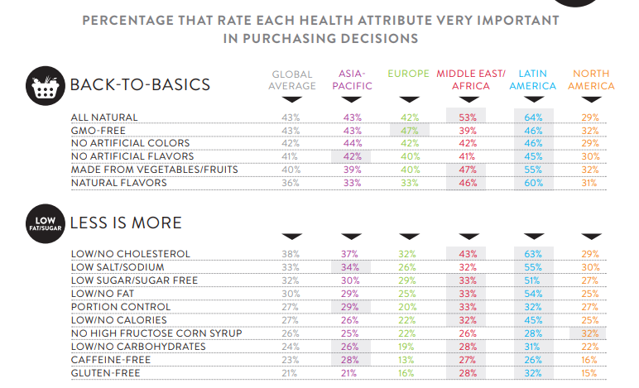
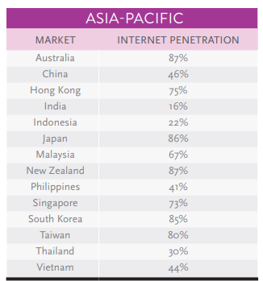
Jumlah penduduk Indonesia |  | 267,000,000
SES SU, U12 |  | 30% | Indonesian population
F, 25-50 |  | 38% | Indonesian population
Masak di rumah |  | 33%
Suka Silky Pudding Dessert |  | 20%
Healthy Concern |  | 25%
Choose Tropicana Slim |  | 10%

Target market TS |  | 50,223 | persons

Consume TS
- 1 dus per bulan |  | 50,223 | portion | (for each flavor)

Price TS |  | IDR 11,500 | per portion

Sales potency |  | IDR 192,520,350 | per month
 | Pembulatan | IDR 200,000,000

Distribusi e-com & RKA premium |  | IDR 50,000,000

 |  |  |  |  | 464982
 |  |  |  |  | 524826
 |  |  |  |  | 509726
 |  |  |  |  | 451364
 |  |  |  |  | 380792
 |  |  |  |  | 323266
 |  |  |  |  | 323266
 |  |  |  |  | 267752
 |  |  |  |  | 284080
 |  |  |  |  | 375893
 |  |  |  |  | 2916139
 |  |  |  |  | 31.9%

