Reference
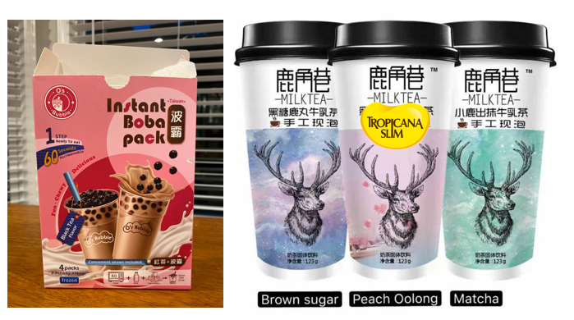
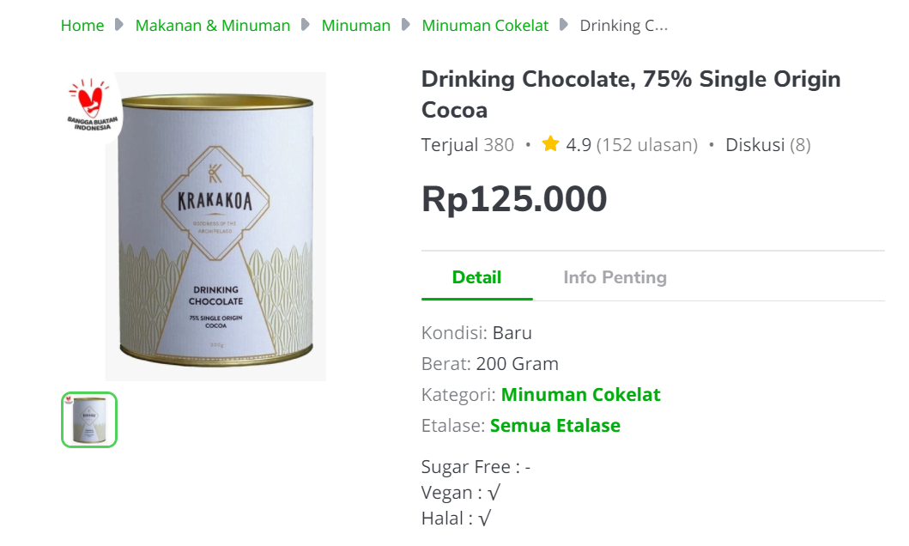
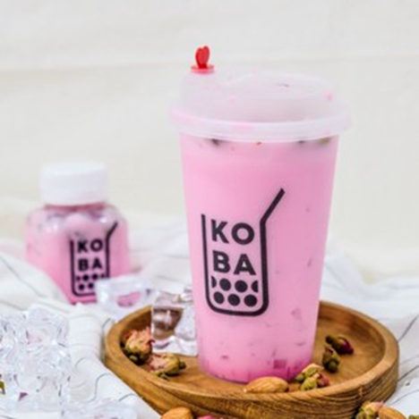
Price Comparison

Item | Vol/Weight | Satuan | Serving | HET | HET/vol (weight) | HET/serving
The Shirataki Menteng Koba | - | - | 1 | 38,000 | - | 38,000
KOI | - | - | 1 | 37,000 | - | 37,000
Xiang Piao Piao (DIY Full Sugar) | - | - | 1 | 24,000 | - | 24,000

 | Produk TS = | 2 | gelas/pack
 | HET = | IDR 50,000 | per pack | per box
 | Price List = | IDR 40,000 | per pack | per box

Contoh aplikasi BOBAnya:
https://www.youtube.com/watch?v=p3WQZFpVlV0 (cara serving) https://www.youtube.com/watch?v=yOCkX7RvRck(U Love It-China)

